Rental Rates
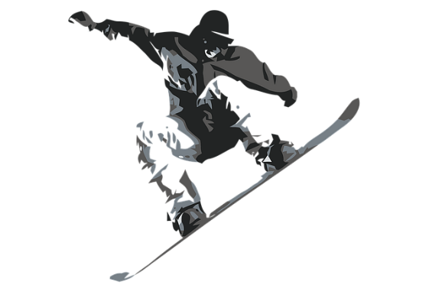 |  | Rental Rates

Item # | Packages | Full Day | Half Day
 | Adult Ski | $27 | $21
2 | Junior Ski | $20 | $16
3 | Performance Ski | $39 | $29
4 | Demo Ski | $59 | $46
5 | Nordic Ski | $27 | $21
6 | Snowblade | $25 | $20
7 | Ski Bob | $50 | $40
8 | Snow Bike | $275 | $200
9 | Snowmobile | $325 | $275

