Photo Reference
Photo | Product Code | Product Description | Range | Style | Wholesale Price (GBP) | RRP (GBP) | Sizes Available | Key Features | Material | Room | Select
 | APOLK406CRMBGE | Apollo, CK406, Cream, Beige | Apollo | Modern Abstract | £24.00 £40.50 £73.25 £115.25 | £59.99 £100.99 £182.99 £287.99 | 80 x 150 120 x 170 160 x 230 200 x 290 | Stain Resistant Soft Pile Hard Wearing | Polypropylene / Polyeter | Living Room | ✗
 | APOLK406GRYGLD | Apollo, CK406, Grey, Gold | Apollo | Modern Abstract | £24.00 £40.50 £73.25 £115.25 | £59.99 £100.99 £182.99 £287.99 | 80 x 150 120 x 170 160 x 230 200 x 290 | Stain Resistant Soft Pile Hard Wearing | Polypropylene / Polyeter | Living Room | ✗
 | APOLK406GRYGRN | Apollo, CK406, Grey, Green | Apollo | Modern Abstract | £24.00 £40.50 £73.25 £115.25 | £59.99 £100.99 £182.99 £287.99 | 80 x 150 120 x 170 160 x 230 200 x 290 | Stain Resistant Soft Pile Hard Wearing | Polypropylene / Polyeter | Living Room | ✗
 | APOLK406GRYNAV | Apollo, CK406, Grey, Navy | Apollo | Modern Abstract | £24.00 £40.50 £73.25 £115.25 | £59.99 £100.99 £182.99 £287.99 | 80 x 150 120 x 170 160 x 230 200 x 290 | Stain Resistant Soft Pile Hard Wearing | Polypropylene / Polyeter | Living Room | ✗
 | APOLK406GRYSLV | Apollo, CK406, Grey, Silver | Apollo | Modern Abstract | £24.00 £40.50 £73.25 £115.25 | £59.99 £100.99 £182.99 £287.99 | 80 x 150 120 x 170 160 x 230 200 x 290 | Stain Resistant Soft Pile Hard Wearing | Polypropylene / Polyeter | Living Room | ✗
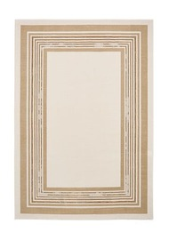 | APOLK417CRMBGE | Apollo, CK417, Cream, Beige | Apollo | Modern Geometric | £24.00 £40.50 £73.25 £115.25 | £59.99 £100.99 £182.99 £287.99 | 80 x 150 120 x 170 160 x 230 200 x 290 | Stain Resistant Soft Pile Hard Wearing | Polypropylene / Polyeter | Living Room | ✗
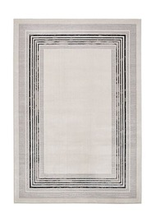 | APOLK417IVYDBL | Apollo, CK417, Ivory, Dark Blue | Apollo | Modern Geometric | £24.00 £40.50 £73.25 £115.25 | £59.99 £100.99 £182.99 £287.99 | 80 x 150 120 x 170 160 x 230 200 x 290 | Stain Resistant Soft Pile Hard Wearing | Polypropylene / Polyeter | Living Room | ✗
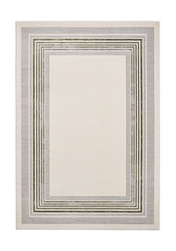 | APOLK417IVYGRN | Apollo, CK417, Ivory, Green | Apollo | Modern Geometric | £24.00 £40.50 £73.25 £115.25 | £59.99 £100.99 £182.99 £287.99 | 80 x 150 120 x 170 160 x 230 200 x 290 | Stain Resistant Soft Pile Hard Wearing | Polypropylene / Polyeter | Living Room | ✗
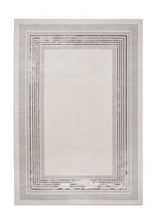 | APOLK417IVYGRY | Apollo, CK417, Ivory, Grey | Apollo | Modern Geometric | £24.00 £40.50 £73.25 £115.25 | £59.99 £100.99 £182.99 £287.99 | 80 x 150 120 x 170 160 x 230 200 x 290 | Stain Resistant Soft Pile Hard Wearing | Polypropylene / Polyeter | Living Room | ✗
 | APOLE052GRYDBL | Apollo, HE052, Grey, Dark Blue | Apollo | Modern Abstract | £24.00 £40.50 £73.25 £115.25 | £59.99 £100.99 £182.99 £287.99 | 80 x 150 120 x 170 160 x 230 200 x 290 | Stain Resistant Soft Pile Hard Wearing | Polypropylene / Polyeter | Living Room | ✗
 | APOLE052GRYGLD | Apollo, HE052, Grey, Gold | Apollo | Modern Abstract | £24.00 £40.50 £73.25 £115.25 | £59.99 £100.99 £182.99 £287.99 | 80 x 150 120 x 170 160 x 230 200 x 290 | Stain Resistant Soft Pile Hard Wearing | Polypropylene / Polyeter | Living Room | ✗
 | APOLE052GRYGRN | Apollo, HE052, Grey, Green | Apollo | Modern Abstract | £24.00 £40.50 £73.25 £115.25 | £59.99 £100.99 £182.99 £287.99 | 80 x 150 120 x 170 160 x 230 200 x 290 | Stain Resistant Soft Pile Hard Wearing | Polypropylene / Polyeter | Living Room | ✗
 | APOLE052GRYSLV | Apollo, HE052, Grey, Silver | Apollo | Modern Abstract | £24.00 £40.50 £73.25 £115.25 | £59.99 £100.99 £182.99 £287.99 | 80 x 150 120 x 170 160 x 230 200 x 290 | Stain Resistant Soft Pile Hard Wearing | Polypropylene / Polyeter | Living Room | ✗
 | APOLF126CRMBGE | Apollo, HF126, Cream, Beige | Apollo | Modern Abstract | £24.00 £40.50 £73.25 £115.25 | £59.99 £100.99 £182.99 £287.99 | 80 x 150 120 x 170 160 x 230 200 x 290 | Stain Resistant Soft Pile Hard Wearing | Polypropylene / Polyeter | Living Room | ✗
 | APOLF126GRYDBL | Apollo, HF126, Grey, Dark Blue | Apollo | Modern Abstract | £24.00 £40.50 £73.25 £115.25 | £59.99 £100.99 £182.99 £287.99 | 80 x 150 120 x 170 160 x 230 200 x 290 | Stain Resistant Soft Pile Hard Wearing | Polypropylene / Polyeter | Living Room | ✗
 | APOLF126GRYGLD | Apollo, HF126, Grey, Gold | Apollo | Modern Abstract | £24.00 £40.50 £73.25 £115.25 | £59.99 £100.99 £182.99 £287.99 | 80 x 150 120 x 170 160 x 230 200 x 290 | Stain Resistant Soft Pile Hard Wearing | Polypropylene / Polyeter | Living Room | ✗
 | APOLF126GRYGRN | Apollo, HF126, Grey, Green | Apollo | Modern Abstract | £24.00 £40.50 £73.25 £115.25 | £59.99 £100.99 £182.99 £287.99 | 80 x 150 120 x 170 160 x 230 200 x 290 | Stain Resistant Soft Pile Hard Wearing | Polypropylene / Polyeter | Living Room | ✗
 | APOLF126GRYPRP | Apollo, HF126, Grey, Purple | Apollo | Modern Abstract | £24.00 £40.50 £73.25 £115.25 | £59.99 £100.99 £182.99 £287.99 | 80 x 150 120 x 170 160 x 230 200 x 290 | Stain Resistant Soft Pile Hard Wearing | Polypropylene / Polyeter | Living Room | ✗
 | ARCD1075WIVYGLD | Arcadia, 1075W, Ivory, Gold | Arcadia | Traditional | £47.25 £87.00 £131.75 | £117.99 £217.99 £328.99 | 120 x 180 160 x 235 200 x 285 | Natural Materials Flat Weave Hard Wearing |  | Living Room | ✗
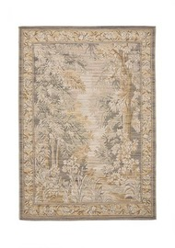 | ARCD190XGRYGLD | Arcadia, 190X, Grey, Gold | Arcadia | Traditional | £47.25 £87.00 £131.75 | £117.99 £217.99 £328.99 | 120 x 180 160 x 235 200 x 285 | Natural Materials Flat Weave Hard Wearing |  | Living Room | ✗
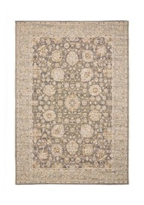 | ARCD28ZCHAGLD | Arcadia, 28Z, Charcoal, Gold | Arcadia | Traditional | £47.25 £87.00 £131.75 | £117.99 £217.99 £328.99 | 120 x 180 160 x 235 200 x 285 | Natural Materials Flat Weave Hard Wearing |  | Living Room | ✗
 | BHMA4019BLKMLT | Bohemia, 4019, Black, Multi | Bohemia | Traditional | £33.35 £60.25 £95.00 £22.56 | £82.99 £150.99 £237.99 £55.99 | 120 x 170 160 x 230 200 x 290 60 x 230 | Washable Soft Pile Stain Resistant | Polyester | Living Room | ✗
 | BHMA4019CRMBLU | Bohemia, 4019, Cream, Blue | Bohemia | Traditional | £33.35 £60.25 £95.00 £22.56 | £82.99 £150.99 £237.99 £55.99 | 120 x 170 160 x 230 200 x 290 60 x 230 | Washable Soft Pile Stain Resistant | Polyester | Living Room | ✗
 | BHMA4019CRMPNK | Bohemia, 4019, Cream, Pink | Bohemia | Traditional | £33.35 £60.25 £95.00 £22.56 | £82.99 £150.99 £237.99 £55.99 | 120 x 170 160 x 230 200 x 290 60 x 230 | Washable Soft Pile Stain Resistant | Polyester | Living Room | ✗
 | BHMA4019NAVMLT | Bohemia, 4019, Navy, Multi | Bohemia | Traditional | £33.35 £60.25 £95.00 £22.56 | £82.99 £150.99 £237.99 £55.99 | 120 x 170 160 x 230 200 x 290 60 x 230 | Washable Soft Pile Stain Resistant | Polyester | Living Room | ✗
 | BHMA4019REDMLT | Bohemia, 4019, Red, Multi | Bohemia | Traditional | £33.35 £60.25 £95.00 £22.56 | £82.99 £150.99 £237.99 £55.99 | 120 x 170 160 x 230 200 x 290 60 x 230 | Washable Soft Pile Stain Resistant | Polyester | Living Room | ✗
 | BHMA4019STNRST | Bohemia, 4019, Stone, Rust | Bohemia | Traditional | £33.35 £60.25 £95.00 £22.56 | £82.99 £150.99 £237.99 £55.99 | 120 x 170 160 x 230 200 x 290 60 x 230 | Washable Soft Pile Stain Resistant | Polyester | Living Room | ✗
 | BHMA9070CRMMLT | Bohemia, 9070, Cream, Multi | Bohemia | Floral | £33.35 £60.25 £95.00 £22.56 | £82.99 £150.99 £237.99 £55.99 | 120 x 170 160 x 230 200 x 290 60 x 230 | Washable Soft Pile Stain Resistant | Polyester | Living Room | ✗
 | BHMA9070CRMSTN | Bohemia, 9070, Cream, Stone | Bohemia | Floral | £33.35 £60.25 £95.00 £22.56 | £82.99 £150.99 £237.99 £55.99 | 120 x 170 160 x 230 200 x 290 60 x 230 | Washable Soft Pile Stain Resistant | Polyester | Living Room | ✗
 | BHMA9070NAVCRM | Bohemia, 9070, Navy, Cream | Bohemia | Floral | £33.35 £60.25 £95.00 £22.56 | £82.99 £150.99 £237.99 £55.99 | 120 x 170 160 x 230 200 x 290 60 x 230 | Washable Soft Pile Stain Resistant | Polyester | Living Room | ✗
 | BHMA9070STNBGE | Bohemia, 9070, Stone, Beige | Bohemia | Floral | £33.35 £60.25 £95.00 £22.56 | £82.99 £150.99 £237.99 £55.99 | 120 x 170 160 x 230 200 x 290 60 x 230 | Washable Soft Pile Stain Resistant | Polyester | Living Room | ✗
 | BRXNR52ABLUCRM | Brixton, R52A, Blue, Cream | Brixton | Modern Abstract | £59.00 £106.50 £167.95 | £147.99 £265.99 £419.99 | 120 x 170 160 x 230 200 x 290 | Easy Clean Hard Wearing Stain Resistant | Polypropylene / Polyester | Living Room | ✗
 | BRXNR52BGRNCRM | Brixton, R52B, Green, Cream | Brixton | Modern Abstract | £59.00 £106.50 £167.95 | £147.99 £265.99 £419.99 | 120 x 170 160 x 230 200 x 290 | Easy Clean Hard Wearing Stain Resistant | Polypropylene / Polyester | Living Room | ✗
 | BRXNR52CRSTCRM | Brixton, R52C, Rust, Cream | Brixton | Modern Abstract | £59.00 £106.50 £167.95 | £147.99 £265.99 £419.99 | 120 x 170 160 x 230 200 x 290 | Easy Clean Hard Wearing Stain Resistant | Polypropylene / Polyester | Living Room | ✗
 | BRXNR66ABLUCRM | Brixton, R66A, Blue, Cream | Brixton | Modern Abstract | £59.00 £106.50 £167.95 | £147.99 £265.99 £419.99 | 120 x 170 160 x 230 200 x 290 | Easy Clean Hard Wearing Stain Resistant | Polypropylene / Polyester | Living Room | ✗
 | BRXNR66BGRNCRM | Brixton, R66B, Green, Cream | Brixton | Modern Abstract | £59.00 £106.50 £167.95 | £147.99 £265.99 £419.99 | 120 x 170 160 x 230 200 x 290 | Easy Clean Hard Wearing Stain Resistant | Polypropylene / Polyester | Living Room | ✗
 | BRXNR66CRSTCRM | Brixton, R66C, Rust, Cream | Brixton | Modern Abstract | £59.00 £106.50 £167.95 | £147.99 £265.99 £419.99 | 120 x 170 160 x 230 200 x 290 | Easy Clean Hard Wearing Stain Resistant | Polypropylene / Polyester | Living Room | ✗
 | CMDNP48ABLUGRY | Camden, P48A, Blue, Grey | Camden | Modern Linear | £59.00 £106.50 £167.95 | £147.99 £265.99 £419.99 | 120 x 170 160 x 230 200 x 290 | Easy Clean Hard Wearing Stain Resistant | Polyester | Living Room | ✗
 | CMDNP48ACRM | Camden, P48A, Cream | Camden | Modern Linear | £59.00 £106.50 £167.95 | £147.99 £265.99 £419.99 | 120 x 170 160 x 230 200 x 290 | Easy Clean Hard Wearing Stain Resistant | Polyester | Living Room | ✗
 | CMDNP48AGRN | Camden, P48A, Green | Camden | Modern Linear | £59.00 £106.50 £167.95 | £147.99 £265.99 £419.99 | 120 x 170 160 x 230 200 x 290 | Easy Clean Hard Wearing Stain Resistant | Polyester | Living Room | ✗
 | CMDNP48ATPE | Camden, P48A, Taupe | Camden | Modern Linear | £59.00 £106.50 £167.95 | £147.99 £265.99 £419.99 | 120 x 170 160 x 230 200 x 290 | Easy Clean Hard Wearing Stain Resistant | Polyester | Living Room | ✗
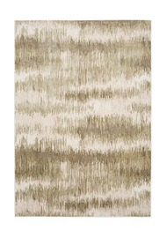 | DRFT3126BGEGRN | Drift, 3126, | Drift |  | £24.00 £40.50 £73.25 | £59.99 £100.99 £182.99 | 80 x 150 120 x 170 160 x 230 |  |  |  | ✗
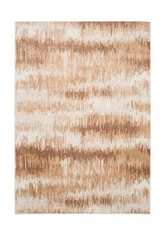 | DRFT3126BGERST | Drift, 3126, | Drift |  | £24.00 £40.50 £73.25 | £59.99 £100.99 £182.99 | 80 x 150 120 x 170 160 x 230 |  |  |  | ✗
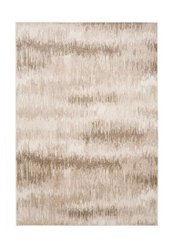 | DRFT3126CRMBGE | Drift, 3126, | Drift |  | £24.00 £40.50 £73.25 | £59.99 £100.99 £182.99 | 80 x 150 120 x 170 160 x 230 |  |  |  | ✗
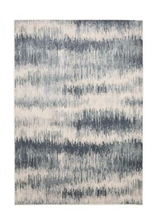 | DRFT3126CRMBLU | Drift, 3126, | Drift |  | £24.00 £40.50 £73.25 | £59.99 £100.99 £182.99 | 80 x 150 120 x 170 160 x 230 |  |  |  | ✗
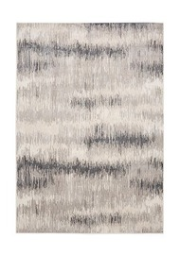 | DRFT3126CRMGRY | Drift, 3126, | Drift |  | £24.00 £40.50 £73.25 | £59.99 £100.99 £182.99 | 80 x 150 120 x 170 160 x 230 |  |  |  | ✗
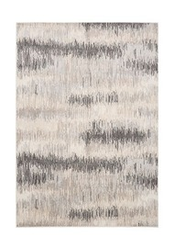 | DRFT3126IVYBLK | Drift, 3126, | Drift |  | £24.00 £40.50 £73.25 | £59.99 £100.99 £182.99 | 80 x 150 120 x 170 160 x 230 |  |  |  | ✗
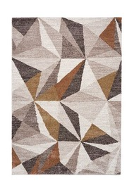 | HVAN4024GLDMLT | Havana, 4024, Gold, Multi | Havana | Modern Geometric | £35.75 £66.00 | £88.99 £164.99 | 120 x 170 160 x 235 | Textured Pile Soft Pile Stain Resistant |  | Living Room | ✗
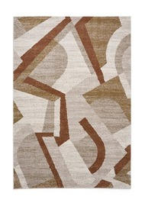 | HVAN8002RSTMLT | Havana, 8002, Rust, Multi | Havana | Modern Geometric | £35.75 £66.00 | £88.99 £164.99 | 120 x 170 160 x 235 | Textured Pile Soft Pile Stain Resistant |  | Living Room | ✗
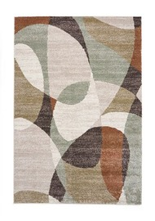 | HVAN8004GRYMLT | Havana, 8004, Grey, Multi | Havana | Modern Geometric | £35.75 £66.00 | £88.99 £164.99 | 120 x 170 160 x 235 | Textured Pile Soft Pile Stain Resistant |  | Living Room | ✗
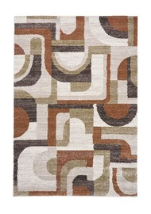 | HVAN8006RSTMLT | Havana, 8006, Rust, Multi | Havana | Modern Geometric | £35.75 £66.00 | £88.99 £164.99 | 120 x 170 160 x 235 | Textured Pile Soft Pile Stain Resistant |  | Living Room | ✗
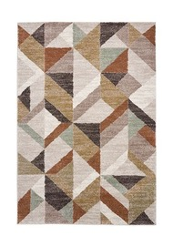 | HVAN8007MLT | Havana, 8007, Multi | Havana | Modern Geometric | £35.75 £66.00 | £88.99 £164.99 | 120 x 170 160 x 235 | Textured Pile Soft Pile Stain Resistant |  | Living Room | ✗
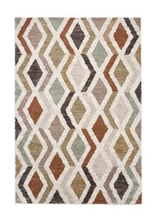 | HVAN8010MLT | Havana, 8010, Multi | Havana | Modern Geometric | £35.75 £66.00 | £88.99 £164.99 | 120 x 170 160 x 235 | Textured Pile Soft Pile Stain Resistant |  | Living Room | ✗
 | HRLM0452NAVCRM | Heirloom, 0452, Navy, Cream | Heirloom | Traditional | £33.35 £60.25 £95.00 | £82.99 £150.99 £237.99 | 120 x 170 160 x 230 200 x 290 | Washable Digitally Printed Flat Weave | Polyester | Living Room | ✗
 | HRLM0452RSTCRM | Heirloom, 0452, Rust, Cream | Heirloom | Traditional | £33.35 £60.25 £95.00 | £82.99 £150.99 £237.99 | 120 x 170 160 x 230 200 x 290 | Washable Digitally Printed Flat Weave | Polyester | Living Room | ✗
 | HRLM0709RSTTEA | Heirloom, 0709, Rust, Teal | Heirloom | Traditional | £33.35 £60.25 £95.00 | £82.99 £150.99 £237.99 | 120 x 170 160 x 230 200 x 290 | Washable Digitally Printed Flat Weave | Polyester | Living Room | ✗
 | HRLM1077RSTTEA | Heirloom, 1077, Rust, Teal | Heirloom | Traditional | £33.35 £60.25 £95.00 | £82.99 £150.99 £237.99 | 120 x 170 160 x 230 200 x 290 | Washable Digitally Printed Flat Weave | Polyester | Living Room | ✗
 | HRLM1227RSTBLU | Heirloom, 1227, Rust, Blue | Heirloom | Traditional | £33.35 £60.25 £95.00 | £82.99 £150.99 £237.99 | 120 x 170 160 x 230 200 x 290 | Washable Digitally Printed Flat Weave | Polyester | Living Room | ✗
 | KNGSP63ABGECRM | Kingsley, P63A, Beige, Cream | Kingsley | Floral | £59.00 £106.50 £167.95 | £147.99 £265.99 £419.99 | 120 x 170 160 x 230 200 x 290 | Easy Clean Hard Wearing Stain Resistant | Polyester | Living Room | ✗
 | KNGSP63AGRNCRM | Kingsley, P63A, Green, Cream | Kingsley | Floral | £59.00 £106.50 £167.95 | £147.99 £265.99 £419.99 | 120 x 170 160 x 230 200 x 290 | Easy Clean Hard Wearing Stain Resistant | Polyester | Living Room | ✗
 | KNGSP63AGRYCRM | Kingsley, P63A, Grey, Cream | Kingsley | Floral | £59.00 £106.50 £167.95 | £147.99 £265.99 £419.99 | 120 x 170 160 x 230 200 x 290 | Easy Clean Hard Wearing Stain Resistant | Polyester | Living Room | ✗
 | KNGSP66ASLVCRM | Kingsley, P66A, Silver, Cream | Kingsley | Floral | £59.00 £106.50 £167.95 | £147.99 £265.99 £419.99 | 120 x 170 160 x 230 200 x 290 | Easy Clean Hard Wearing Stain Resistant | Polyester | Living Room | ✗
 | LAGNP015BGEBRN | Laguna, P015, Beige, Brown | Laguna | Modern | £24.50 £22.00 £37.50 £67.75 £106.50 | £60.99 £54.99 £93.99 £168.99 £265.99 | 60 x 220 80 x 150 120 x 170 160 x 230 200 x 290 | Soft Pile Smooth Pile Hard Wearing | 100% Polyester | Hallway | ✗
 | LAGNP015GRYBLK | Laguna, P015, Grey , Black | Laguna | Modern | £24.50 £22.00 £37.50 £67.75 £106.50 | £60.99 £54.99 £93.99 £168.99 £265.99 | 60 x 220 80 x 150 120 x 170 160 x 230 200 x 290 | Soft Pile Smooth Pile Hard Wearing | 100% Polyester | Hallway | ✗
 | LAGNP016BGEBRN | Laguna, P016, Beige, Brown | Laguna | Modern | £24.50 £22.00 £37.50 £67.75 £106.50 | £60.99 £54.99 £93.99 £168.99 £265.99 | 60 x 220 80 x 150 120 x 170 160 x 230 200 x 290 | Soft Pile Smooth Pile Hard Wearing | 100% Polyester | Hallway | ✗
 | LAGNP016GRYBLK | Laguna, P016, Grey , Black | Laguna | Modern | £24.50 £22.00 £37.50 £67.75 £106.50 | £60.99 £54.99 £93.99 £168.99 £265.99 | 60 x 220 80 x 150 120 x 170 160 x 230 200 x 290 | Soft Pile Smooth Pile Hard Wearing | 100% Polyester | Hallway | ✗
 | LAGNP017BGEBRN | Laguna, P017, Beige, Brown | Laguna | Modern | £24.50 £22.00 £37.50 £67.75 £106.50 | £60.99 £54.99 £93.99 £168.99 £265.99 | 60 x 220 80 x 150 120 x 170 160 x 230 200 x 290 | Soft Pile Smooth Pile Hard Wearing | 100% Polyester | Hallway | ✗
 | LAGNP017GRYBGE | Laguna, P017, Grey , Beige | Laguna | Modern | £24.50 £22.00 £37.50 £67.75 £106.50 | £60.99 £54.99 £93.99 £168.99 £265.99 | 60 x 220 80 x 150 120 x 170 160 x 230 200 x 290 | Soft Pile Smooth Pile Hard Wearing | 100% Polyester | Hallway | ✗
 | LAGNP017GRYBLK | Laguna, P017, Grey , Black | Laguna | Modern | £24.50 £22.00 £37.50 £67.75 £106.50 | £60.99 £54.99 £93.99 £168.99 £265.99 | 60 x 220 80 x 150 120 x 170 160 x 230 200 x 290 | Soft Pile Smooth Pile Hard Wearing | 100% Polyester | Hallway | ✗
 | LAGNP436BGEBRN | Laguna, P436, Beige, Brown | Laguna | Modern | £24.50 £22.00 £37.50 £67.75 £106.50 | £60.99 £54.99 £93.99 £168.99 £265.99 | 60 x 220 80 x 150 120 x 170 160 x 230 200 x 290 | Soft Pile Smooth Pile Hard Wearing | 100% Polyester | Hallway | ✗
 | LAGNP436GRYBGE | Laguna, P436, Grey , Beige | Laguna | Modern | £24.50 £22.00 £37.50 £67.75 £106.50 | £60.99 £54.99 £93.99 £168.99 £265.99 | 60 x 220 80 x 150 120 x 170 160 x 230 200 x 290 | Soft Pile Smooth Pile Hard Wearing | 100% Polyester | Hallway | ✗
 | LAGNP436GRYBLK | Laguna, P436, Grey , Black | Laguna | Modern | £24.50 £22.00 £37.50 £67.75 £106.50 | £60.99 £54.99 £93.99 £168.99 £265.99 | 60 x 220 80 x 150 120 x 170 160 x 230 200 x 290 | Soft Pile Smooth Pile Hard Wearing | 100% Polyester | Hallway | ✗
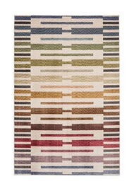 | NOVA3368MLT | Nova, 3368, Multi | Nova | Modern Abstract | £56.50 £101.75 | £140.99 £253.99 | 120 x 170 160 x 230 | High Density Weave Multi Textured Pile Hard Wearing |  | Living Room | ✗
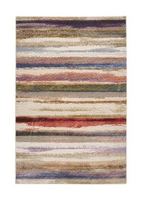 | NOVA3370MLT | Nova, 3370, Multi | Nova | Modern Abstract | £56.50 £101.75 | £140.99 £253.99 | 120 x 170 160 x 230 | High Density Weave Multi Textured Pile Hard Wearing |  | Living Room | ✗
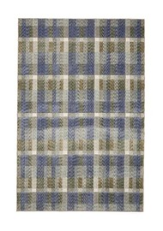 | NOVA3371BLUGRY | Nova, 3371, Blue, Grey | Nova | Modern Abstract | £56.50 £101.75 | £140.99 £253.99 | 120 x 170 160 x 230 | High Density Weave Multi Textured Pile Hard Wearing |  | Living Room | ✗
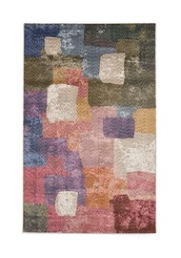 | NOVA3372MLT | Nova, 3372, Multi | Nova | Modern Abstract | £56.50 £101.75 | £140.99 £253.99 | 120 x 170 160 x 230 | High Density Weave Multi Textured Pile Hard Wearing |  | Living Room | ✗
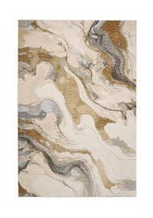 | NOVA3373CRMBLU | Nova, 3373, Cream, Blue | Nova | Modern Abstract | £56.50 £101.75 | £140.99 £253.99 | 120 x 170 160 x 230 | High Density Weave Multi Textured Pile Hard Wearing |  | Living Room | ✗
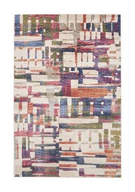 | NOVA3385MLT | Nova, 3385, Multi | Nova | Modern Abstract | £56.50 £101.75 | £140.99 £253.99 | 120 x 170 160 x 230 | High Density Weave Multi Textured Pile Hard Wearing |  | Living Room | ✗
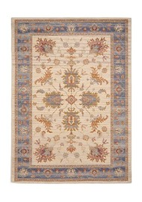 | QRTZJ050IVYBLU | Quartz, J050, Ivory, Blue | Quartz | Traditional | £56.00 £103.00 £156.25 | £139.99 £257.99 £390.99 | 120 x 180 160 x 235 200 x 285 | Natural Materials Flat Weave Hard Wearing |  | Living Room | ✗
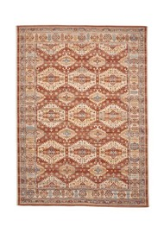 | QRTZS090REDCRM | Quartz, S090, Red, Cream | Quartz | Traditional | £56.00 £103.00 £156.25 | £139.99 £257.99 £390.99 | 120 x 170 160 x 235 200 x 285 | Natural Materials Flat Weave Hard Wearing |  | Living Room | ✗
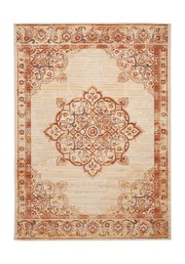 | QRTZS091CRMRST | Quartz, S091, Cream, Rust | Quartz | Traditional | £56.00 £103.00 £156.25 | £139.99 £257.99 £390.99 | 120 x 180 160 x 235 200 x 285 | Natural Materials Flat Weave Hard Wearing |  | Living Room | ✗
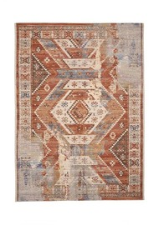 | QRTZX054RSTBLU | Quartz, X054, Rust, Blue | Quartz | Traditional | £56.00 £103.00 £156.25 | £139.99 £257.99 £390.99 | 120 x 180 160 x 235 200 x 285 | Natural Materials Flat Weave Hard Wearing |  | Living Room | ✗
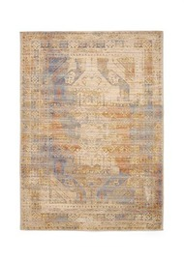 | QRTZX093BLUMLT | Quartz, X093, Blue, Multi | Quartz | Traditional | £56.00 £103.00 £156.25 | £139.99 £257.99 £390.99 | 120 x 170 160 x 235 200 x 285 | Natural Materials Flat Weave Hard Wearing |  | Living Room | ✗
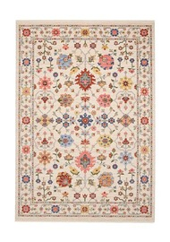 | SUZN0093CRMMLT | Suzani, 0093, Cream, Multi | Suzani | Traditional | £105.25 £189.75 £293.75 | £262.99 £473.99 £733.99 | 120 x 170 160 x 230 200 x 285 | Natural Materials High Density Weave Hard Wearing |  | Living Room | ✗
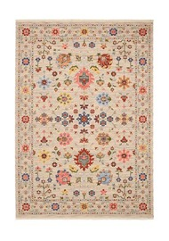 | SUZN0093STNMLT | Suzani, 0093, Stone, Multi | Suzani | Traditional | £105.25 £189.75 £293.75 | £262.99 £473.99 £733.99 | 120 x 170 160 x 230 200 x 285 | Natural Materials High Density Weave Hard Wearing |  | Living Room | ✗
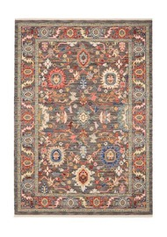 | SUZN1002GRYMLT | Suzani, 1002, Grey, Multi | Suzani | Traditional | £105.25 £189.75 £293.75 | £262.99 £473.99 £733.99 | 120 x 170 160 x 230 200 x 285 | Natural Materials High Density Weave Hard Wearing |  | Living Room | ✗
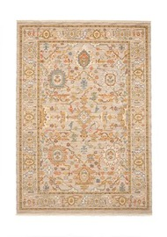 | SUZN1002SLVMLT | Suzani, 1002, Silver, Multi | Suzani | Traditional | £105.25 £189.75 £293.75 | £262.99 £473.99 £733.99 | 120 x 170 160 x 230 200 x 285 | Natural Materials High Density Weave Hard Wearing |  | Living Room | ✗
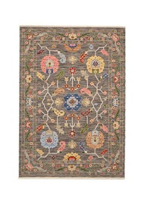 | SUZN5506BLKMLT | Suzani, 5506, Black, Multi | Suzani | Traditional | £105.25 £189.75 | £262.99 £473.99 | 120 x 170 160 x 230 | Natural Materials High Density Weave Hard Wearing |  | Living Room | ✗
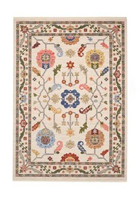 | SUZN5506SLVMLT | Suzani, 5506, Silver, Multi | Suzani | Traditional | £105.25 £189.75 | £262.99 £473.99 | 120 x 170 160 x 230 | Natural Materials High Density Weave Hard Wearing |  | Living Room | ✗
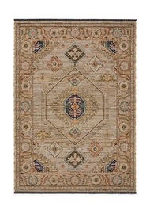 | VESP3731GRYCHA | Vesper, 3731, Grey, Charcoal | Vesper | Traditional | £68.75 £126.75 £192.00 | £171.99 £316.99 £479.99 | 120 x 170 160 x 235 200 x 285 | Natural Materials High Density Weave Hard Wearing |  | Living Room | ✗
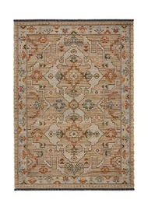 | VESP3747RSTTEA | Vesper, 3747, Rust, Teal | Vesper | Traditional | £68.75 £126.75 £192.00 | £171.99 £316.99 £479.99 | 120 x 170 160 x 235 200 x 285 | Natural Materials High Density Weave Hard Wearing |  | Living Room | ✗
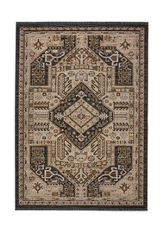 | VESP3750BRNBLK | Vesper, 3750, Brown, Black | Vesper | Traditional | £68.75 £126.75 £192.00 | £171.99 £316.99 £479.99 | 120 x 170 160 x 235 200 x 285 | Natural Materials High Density Weave Hard Wearing |  | Living Room | ✗
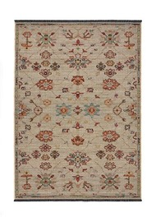 | VESP3753CRMMLT | Vesper, 3753, Cream, Multi | Vesper | Traditional | £68.75 £126.75 £192.00 | £171.99 £316.99 £479.99 | 120 x 170 160 x 235 200 x 285 | Natural Materials High Density Weave Hard Wearing |  | Living Room | ✗
 | VESP3754NAVGLD | Vesper, 3754, Navy, Gold | Vesper | Traditional | £68.75 £126.75 £192.00 | £171.99 £316.99 £479.99 | 120 x 170 160 x 235 200 x 285 | Natural Materials High Density Weave Hard Wearing |  | Living Room | ✗
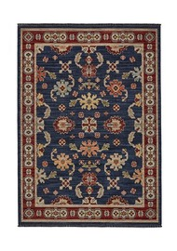 | VESP3760BLKWHT | Vesper, 3760, Black, White | Vesper | Traditional | £68.75 £126.75 £192.00 | £171.99 £316.99 £479.99 | 120 x 170 160 x 235 200 x 285 | Natural Materials High Density Weave Hard Wearing |  | Living Room | ✗

