Readiness Reflection Overview
Objective: This reflection provides guidance for team members who are interested in promotion to a new title. The readiness reflection should help you as an individual determine whether you're nearing readiness to take on responsibilities of the next title and pursue promotion through identifying strengths, gaps, and support needs to achieve targeted growth. Leverage this as a tool throughout your experience, sharing with your People Leader and additional supporters along the way.
Guidance:
- Point in time conversations are part of the quarterly rhythm, leverage quarterly development conversations as natural places to discuss your growth and desire for promotion - Approach this reflection and process with a growth mindset, just like any part of your Slalom career journey! - Reference the Work & Career SharePoint page for me@slalom career framework questions and details - Ask for support when you feel ready. You'll need to get the 'go ahead' from your People Leader and a few others to move forward - Leverage the reflection as a consistent reference point as you move along in the process - Update it as you identify growth and/or additional opportunities, this is your space to 'show your work' if desired - Questions overall? Reach out to your local talent management team and/or People Business Partner
Slalom Promotion High-Level Overview
The readiness reflection is part of 'Explore + Discuss' and should be referenced throughout with you, your People Leader, and any supporters providing input
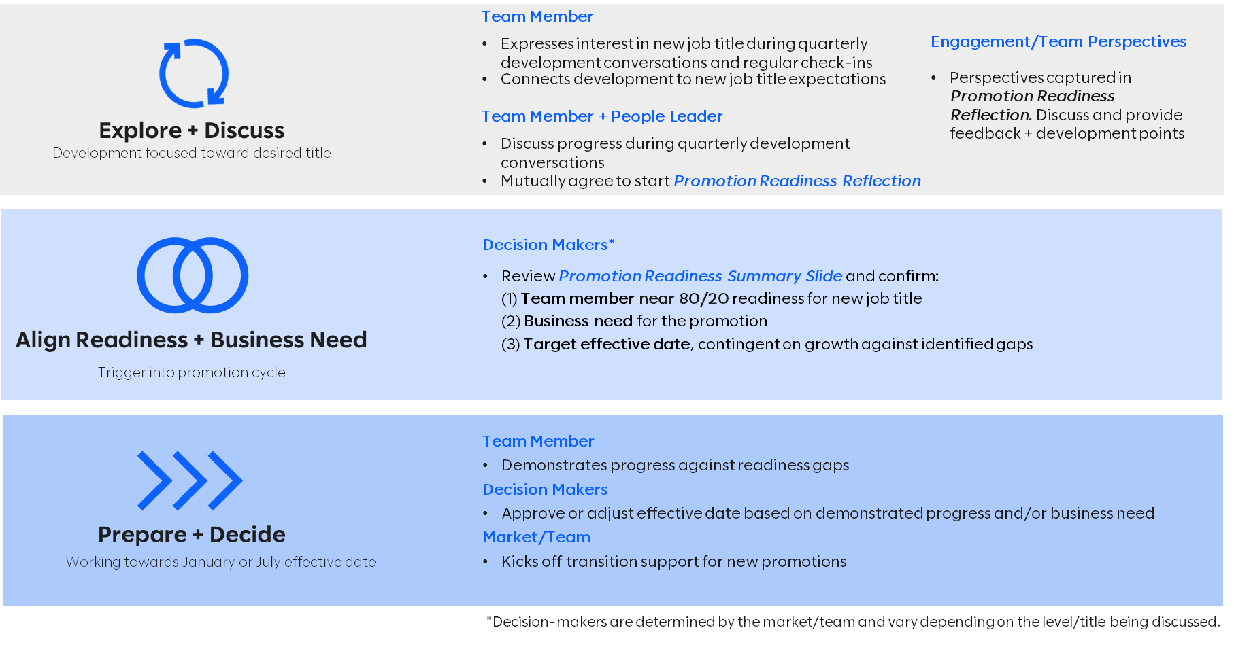

Feeling Ready?! Download this as an editable version and get started with the Readiness Reflection for the desired title

