Sheet1
REPORT TESTING PACKINGBOXID_CFG

Stt | Funtion test |  | Status
1 | Login | 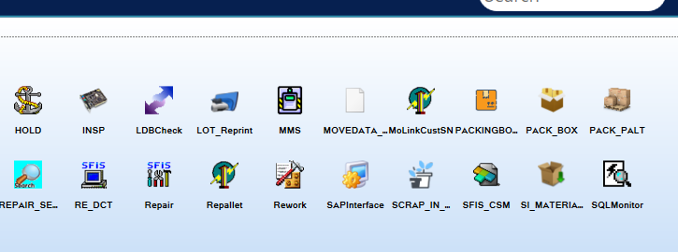 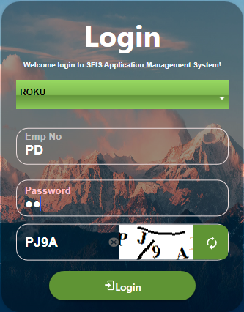 | Done
2 | Login setup Input Mo OK | 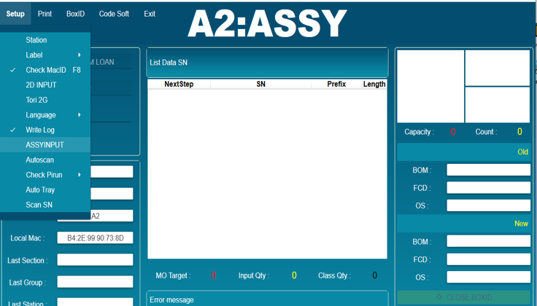 | Done
3 | Test function Mo close | 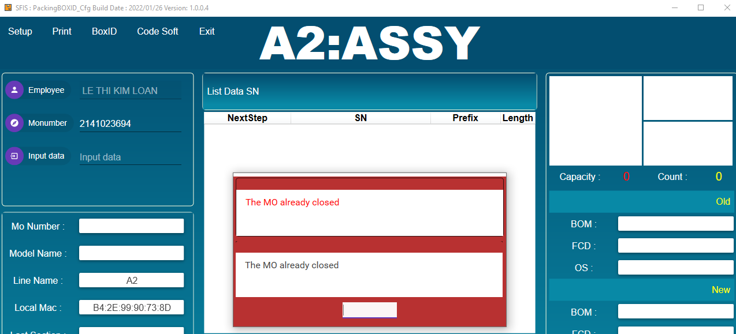 | Done
4 | Test function MO online | 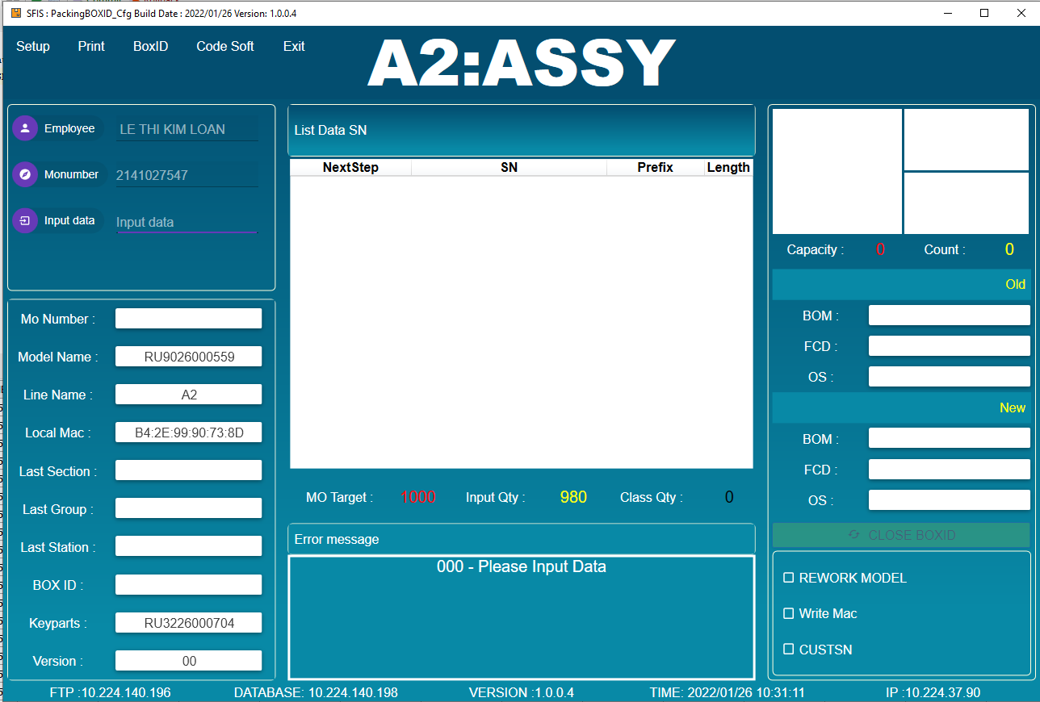 | Done
5 | Test function input data | 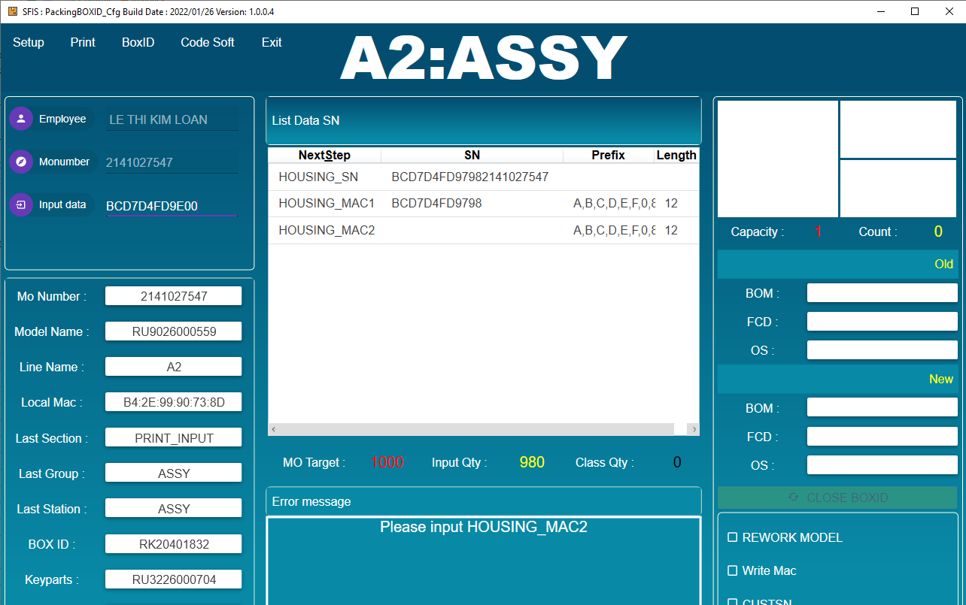 | Done
6 | Test function input SN have link | 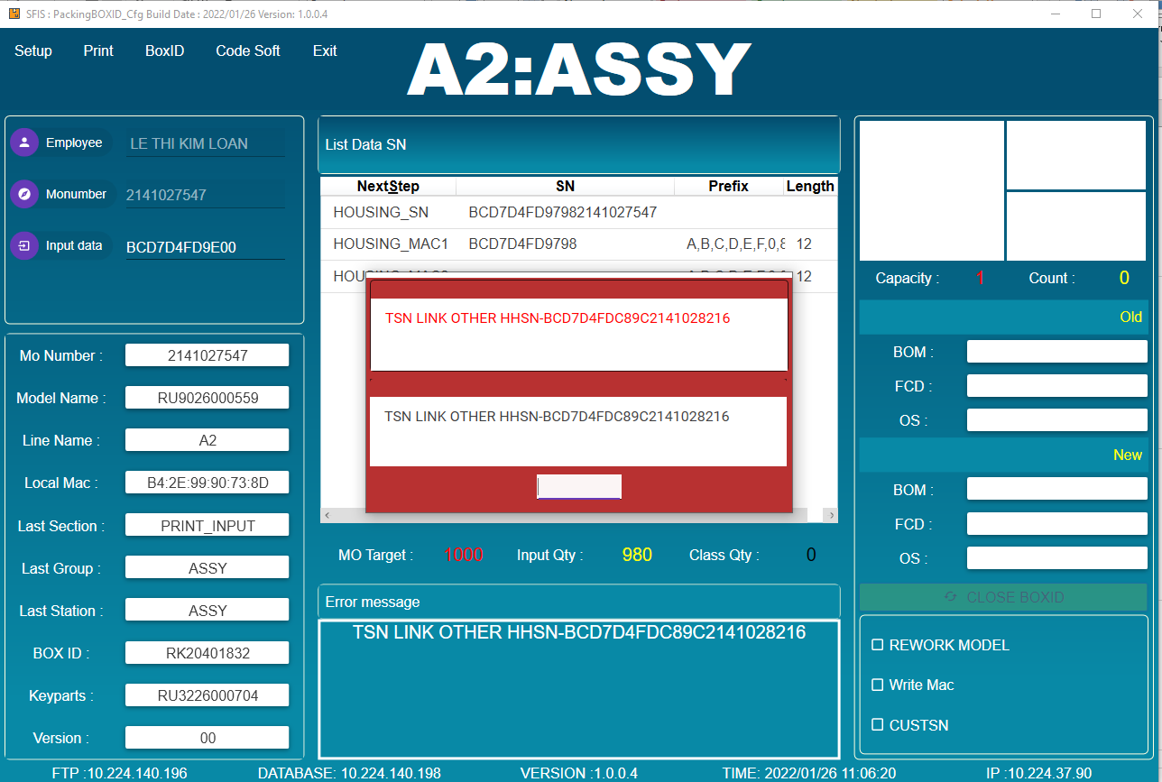 | Done
7 | Test function error Route | 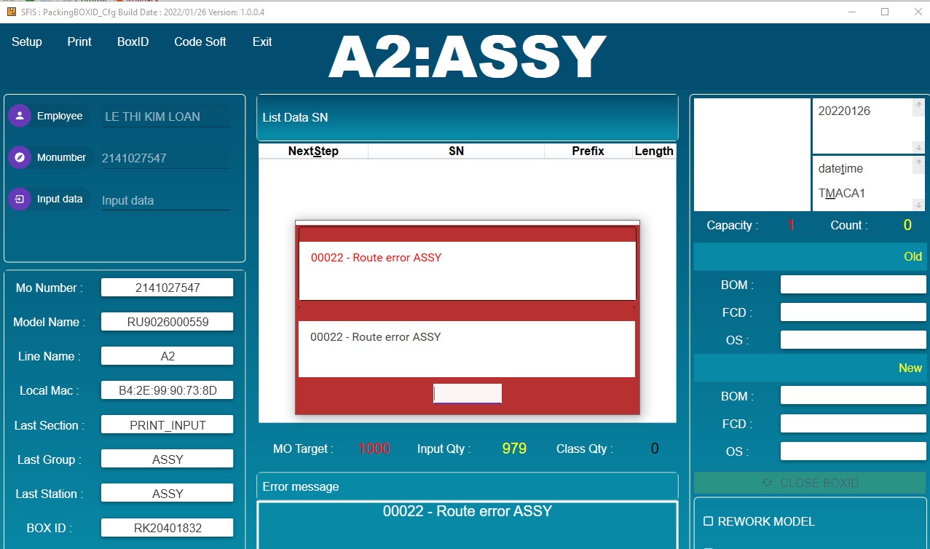 | Done
8 | Test function Reprint label | 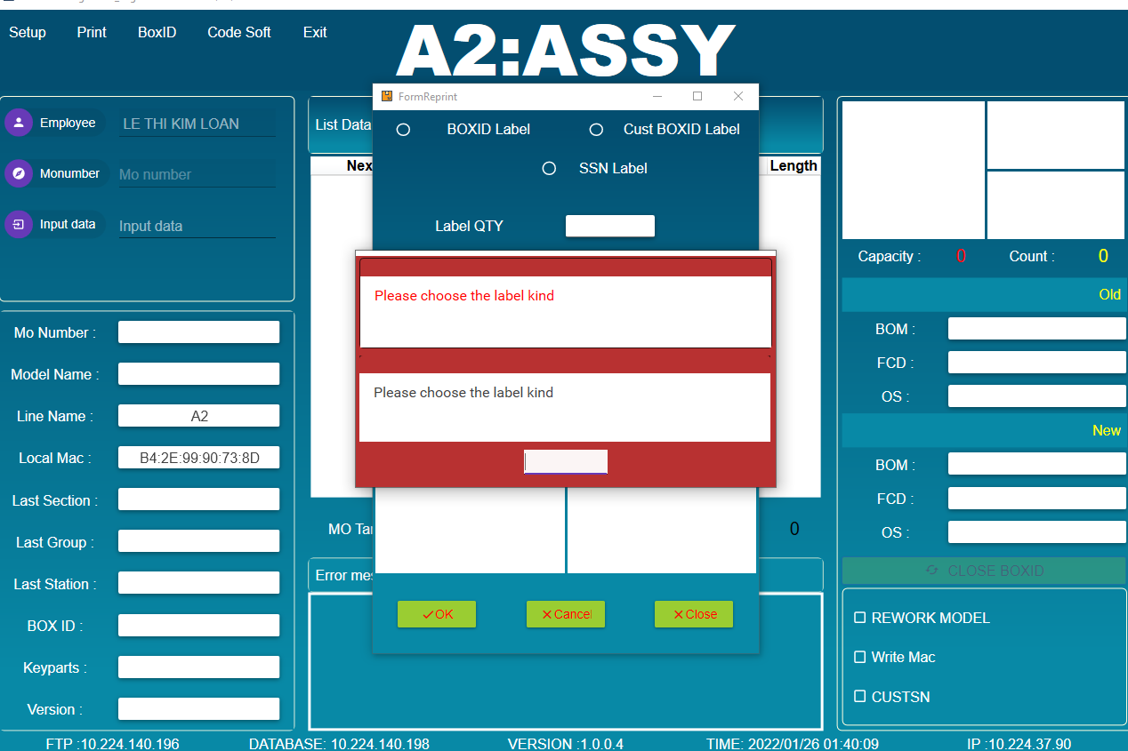 | Done
9 | Test function Reprint label no chosse Qty Lable | 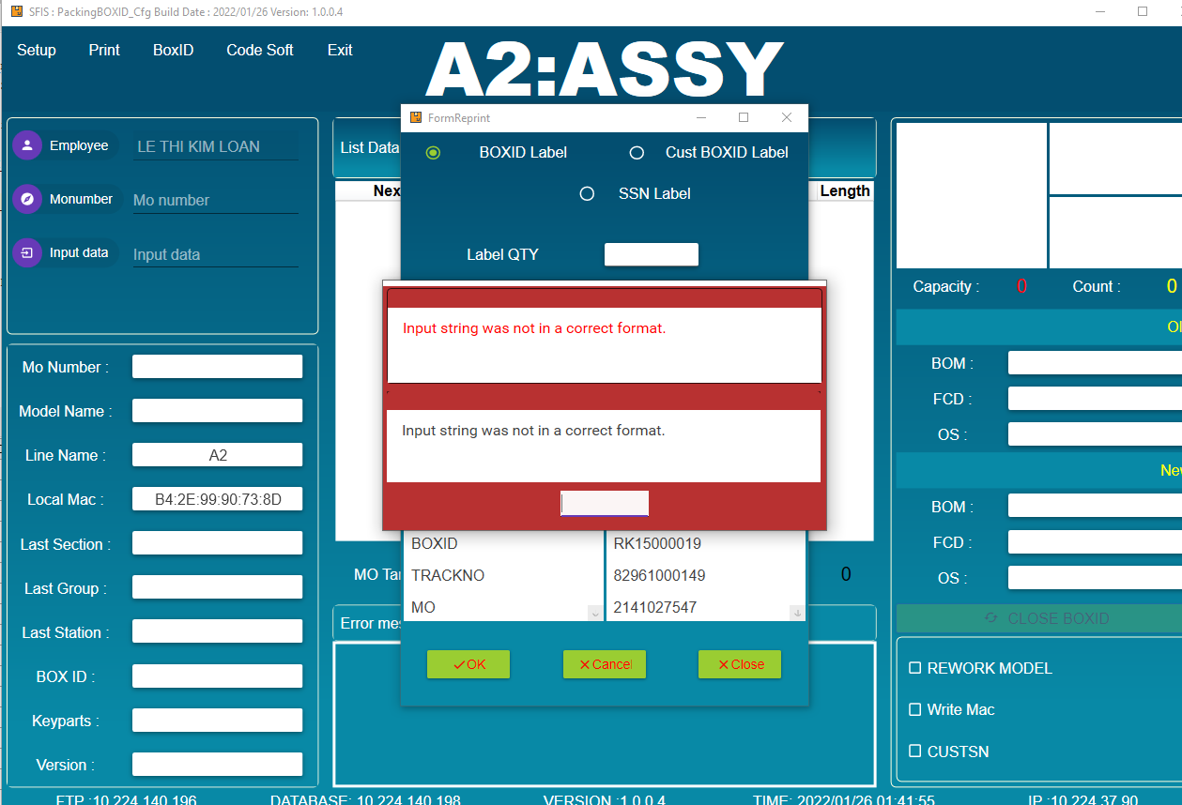 | Done
10 | Test function Print label | 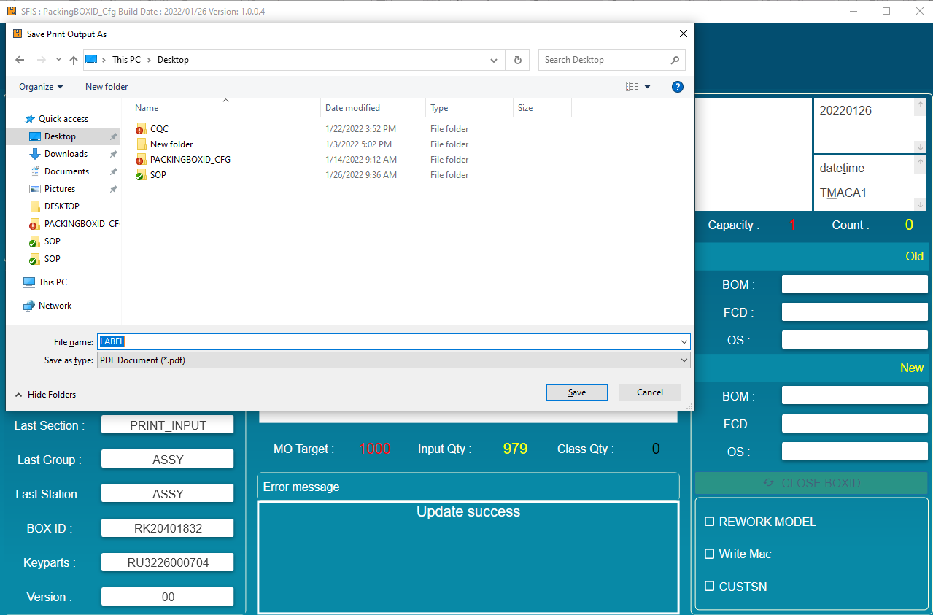 | Done

