Sheet1
STT | Issue | Improve | Status
1 | 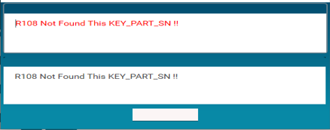 | Form cảnh báo cần để cả tiếng Anh và tiếng Việt, đổi màu form để dễ nhìn hơn | Ongoing
2 | 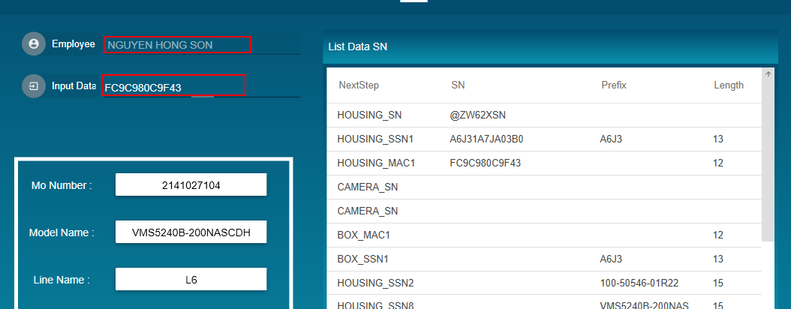 | Ô text nên để màu nền là trắng | Ongoing
3 | 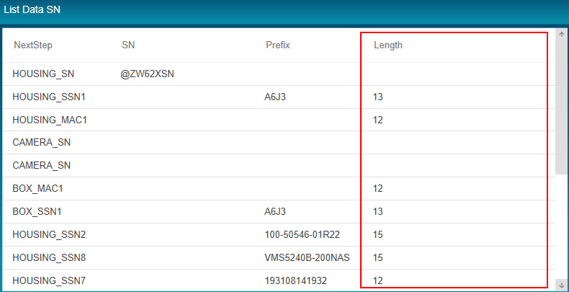 | Điều chỉnh độ dài các cột cho phù hợp với giá trị cột. Tiêu đề mỗi cột nên để font chữ in đậm. Thêm đường viền giữa các cột | Ongoing
4 | 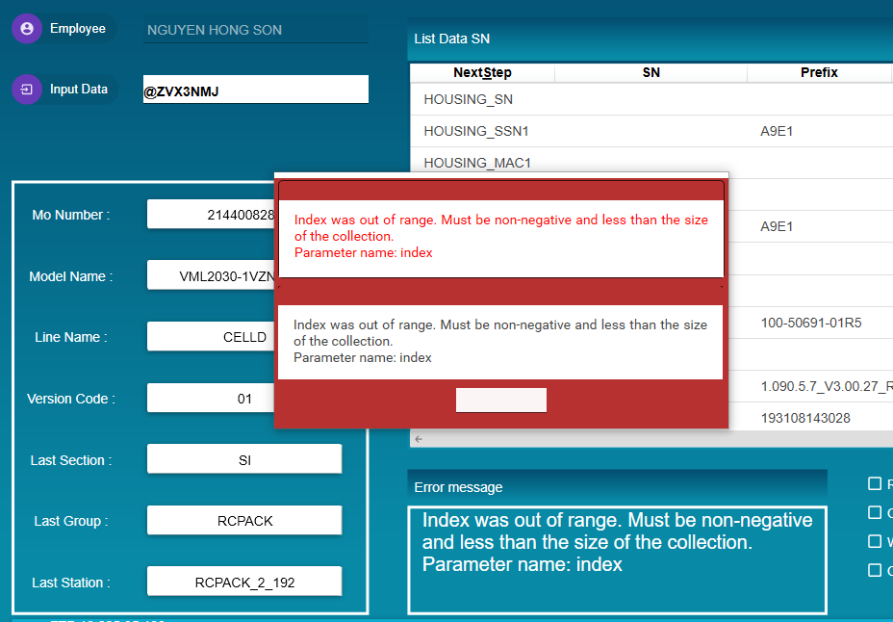 | Khi loi can canh bao ro | Ongoing
5 | 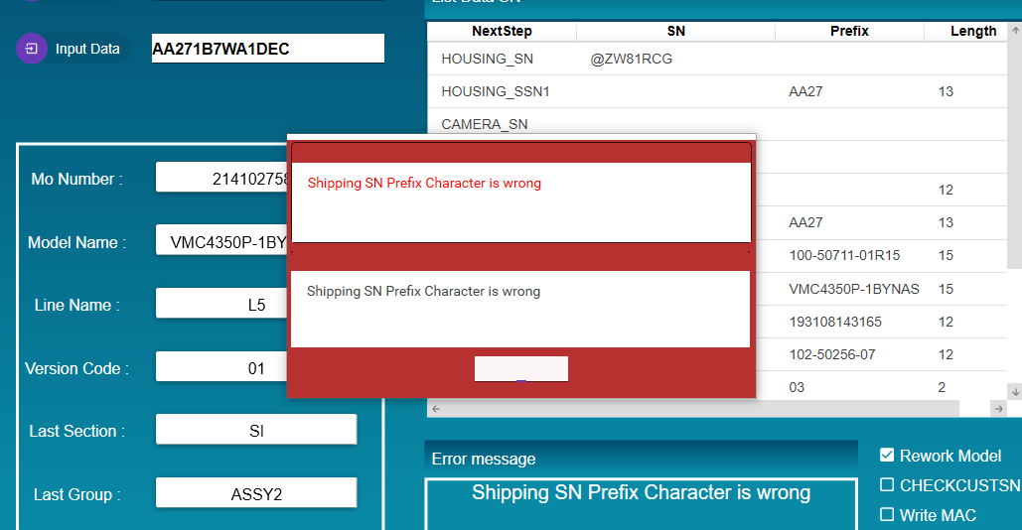
 |  | Update bang R_CUSTSN_T & R_CUSTSN_T_BAK OK

Sheet2
STT | Items | TEST STEP | EXPECTED RESULT | TEST RESULT | Figure
Interface
1 | Main interface | 1. Open Pack_Box program 2.Check all components | All components display enough Font size, font color resionable | OK | 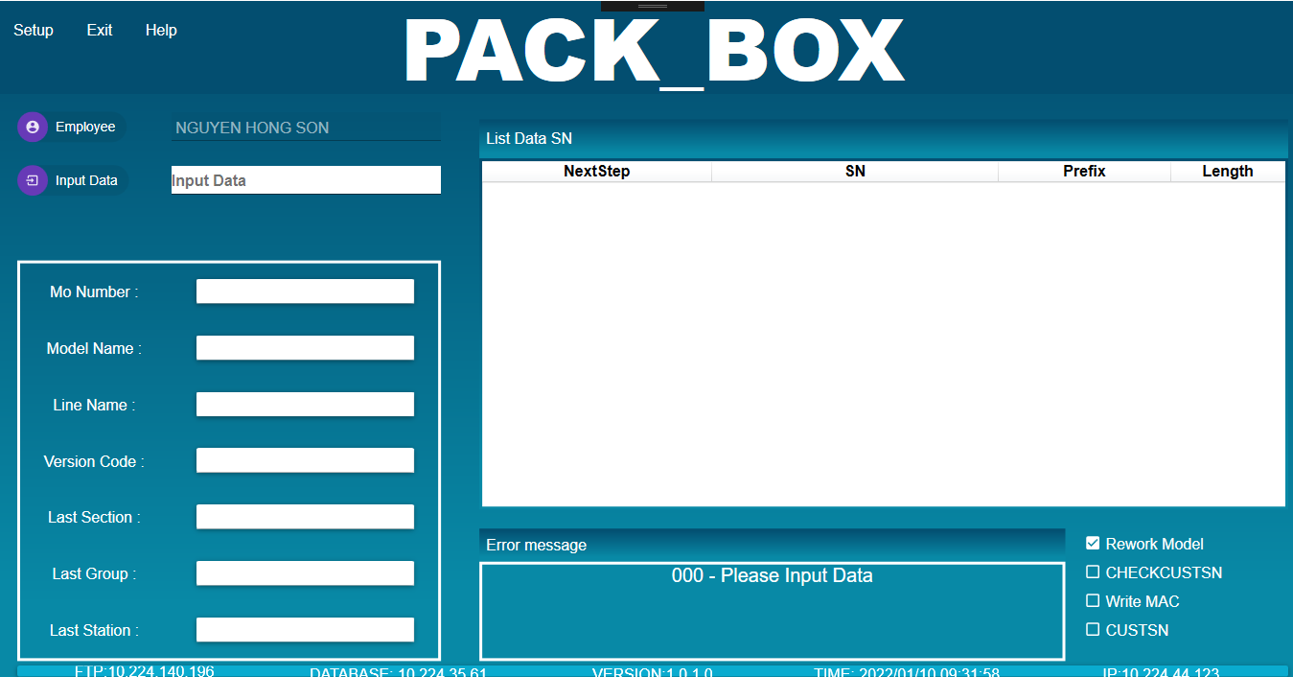
2 |  | 1.Click on the checkbox 2.Click btn 3.Click Textbox "Input data" | Checked Enable Display menu Allow scan | OK | 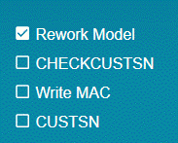
Function
Scan KEYPART
3 | If scaned KEYPART | 1. Click Btn Setup -> Automation 2. Scan Shipping SN | Show warning: "KPS input finish" | OK | 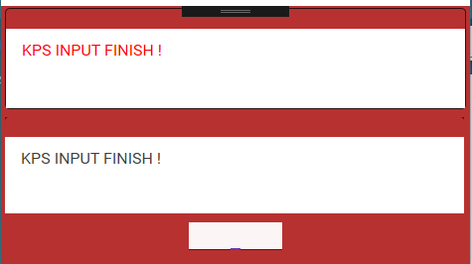
4 | If not scanned yet | 1. Click Btn Setup -> Automation 2. Scan Shipping_SN 3. Scan all keyparts 4. Scan "END" | * If scan value invalid show warning Scan success Update finish_fag =1 in table SFISM4.R107 * If BOM have key_part_no like '332%', '308%' show error message ' | OK | 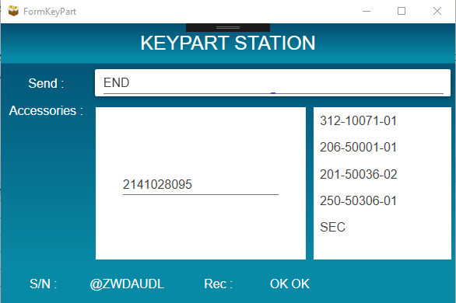
Scan PACK_BOX
5 | Btn Setup | 1.Click Station 2.Double click to the station you want choose 3. Press "OK" | Show form Station setup Display the selected station name | OK | 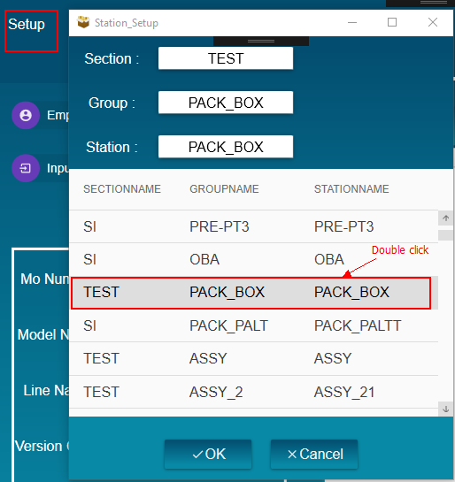 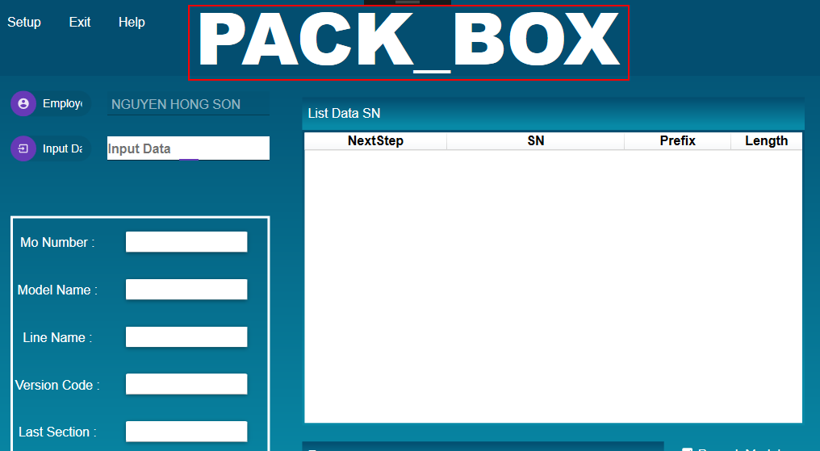
5 |  | Click Btn Setup -> Automation | Show form KEYPART STATION | OK | 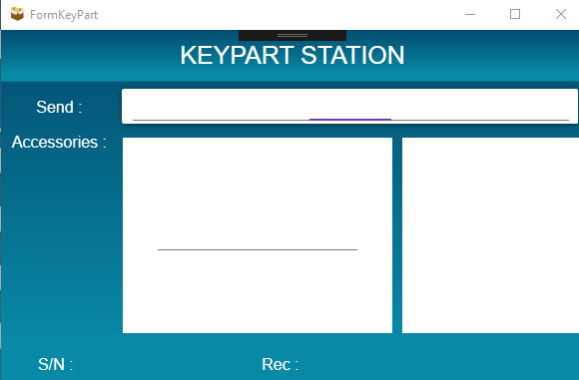
6 |  | 1. Click Btn Setup -> Nocheck 2. Enter Password: ITLABEL!! | Show Input password Header & footer change color | OK | 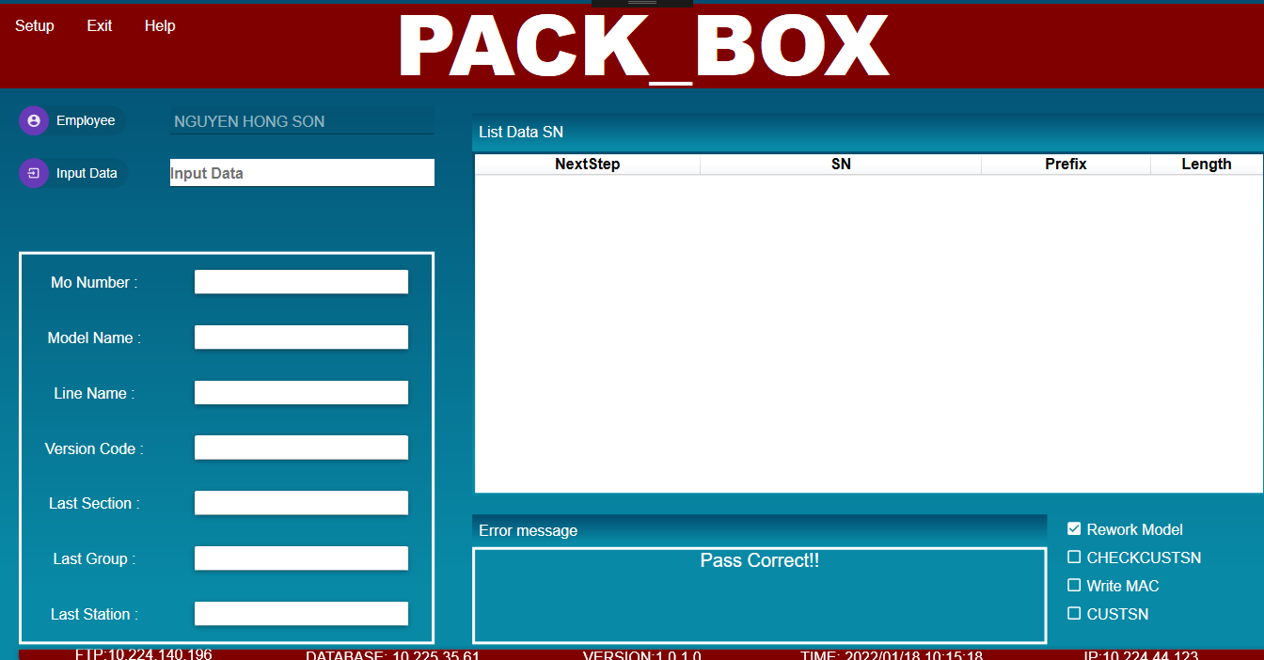
 |  | 1. Click Btn Setup -> Nocheck MO 2. Enter password of ID card have permision | * If not tick No check MO => warning error different MO * If put a tick No check MO or model_type have "A" => allow scan product different MO |  | 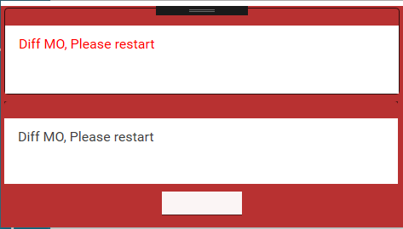 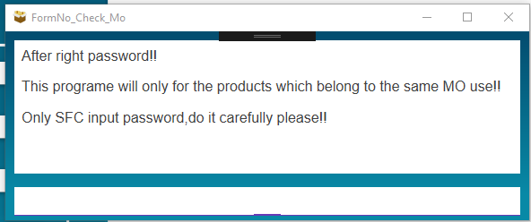
7 | Checkbox | Checked Rework model | Display CHECKCUSTSN, WRITE MAC, CUSTSN | OK | 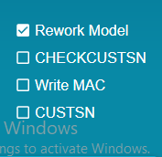
8 | Input data | 1. Scan data MAC or Shipping_SN 2. Scan items setup in config 43 | Display textblock Show table in the right have: Field Next steps match config 43, Field Prefix and length match config 44 | OK | 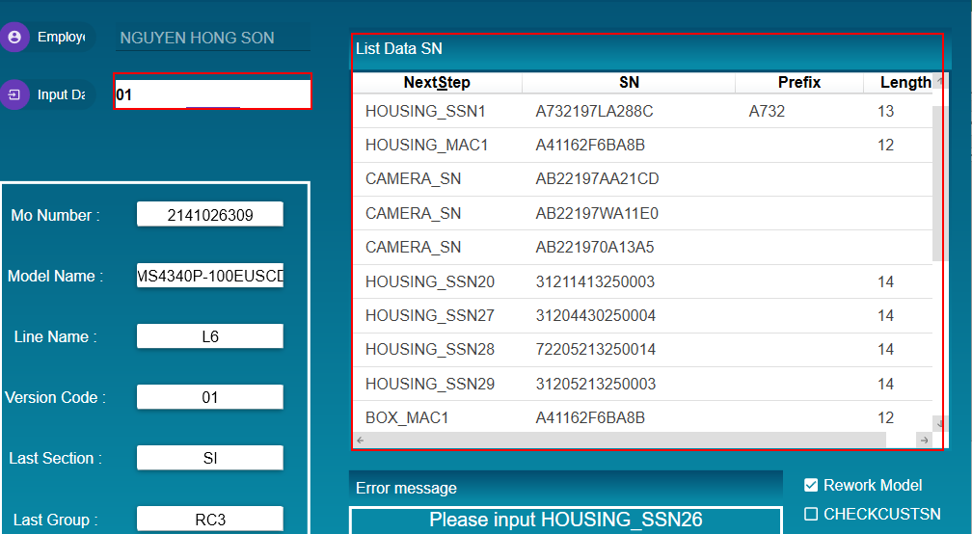
9 |  | Scan data wrong | Show message error | OK | 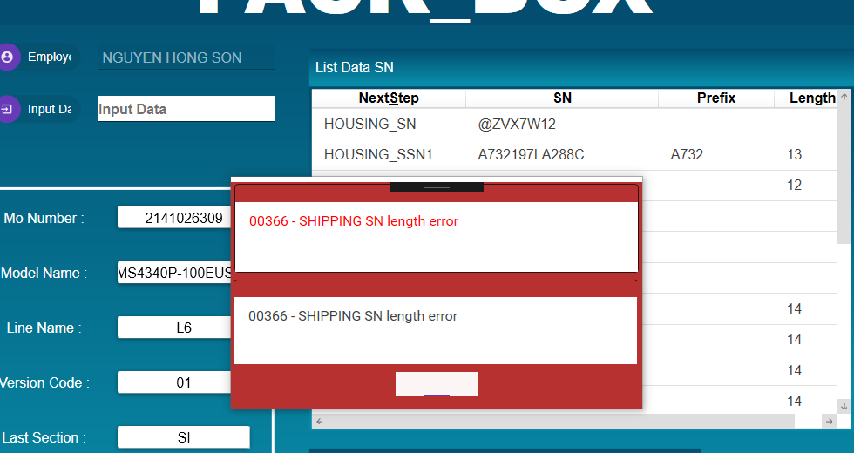
10 | Update Data | After Scan complete | Update table R_CUSTSN_T and R_CUSTSN_BAK Update track_no(R107)=VENDER_PART_NO(R105) | OK
 |  | Case rework -> Scan again | Update table R_CUSTSN_T and R_CUSTSN_BAK when value =null or data match with R_CUSTSN_T else show message error: R_CUSTSN_T not consist | OK

