Image
Let’s calculate the probability of some events. These aren’t meant to trick you. They are just meant to start getting the wheels turning on some of these concepts:

Rolling a die and having a number greater than 5 |  |  | This took me 7 trys until I got a number greater than 5

Rolling a die and return a 6 |  |  | This took me 6 trys until I got a 6

Selecting a card from a standard pack of cards that is Red | 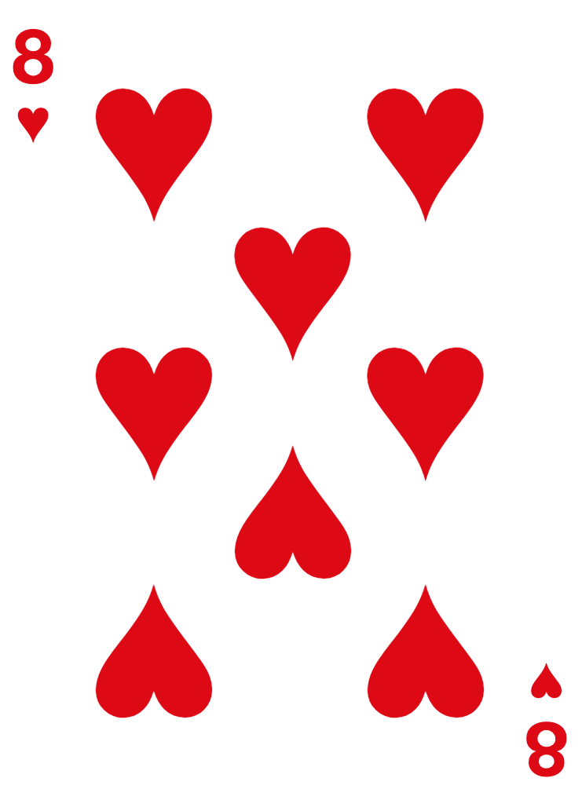 |  | Pulled a card from a red deck and got an 8 of hearts red

Selecting a card from a standard pack of cards that is an Ace | 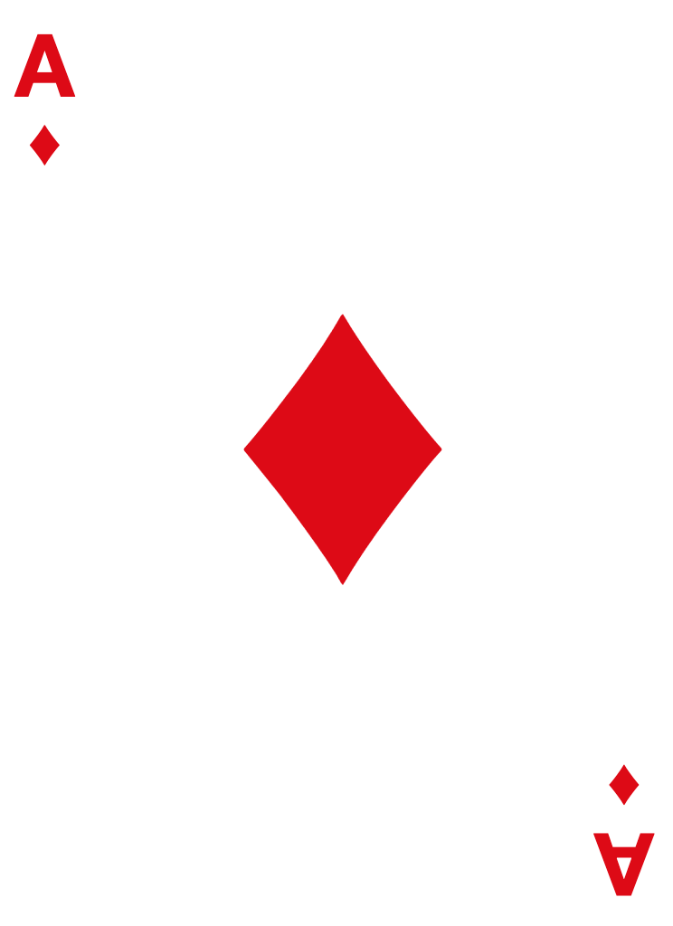 |  | Randomly got an Ace of diamonds red

Flipping a coin and getting heads |  |  | Got heads on the 5th flip

