Input Guide
- Required value is marked in red color
Date of sale | Receipt No./Order No. | Payment Method | Form No. | Serial No. | Customer ID | Customer Name | Tax Code | Address | Item Name | Unit | Quantity | Unit Price | Discount Amount | Amount | VAT Rate | VAT Amount | Total Amount(O-N+Q) | Total Payment | Email | Email CC | Phone | Bank Name | Account No. | Citizen Identification Card
2023-06-01 | 001-20230428-1 | Cash | 1 | C23TWG |  |  |  |  | KIMCHI 배추김치 500g | Phần | 1 | 80,000 |  | 80,000 | 10% |  | 88,000 | 88,000
2023-06-01 | 001-20230428-2 | Cash | 1 | C23TWG | GW | CÔNG TY CỔ PHẦN WEBCASH GENUWIN | 1234567890 | Thôn Ngọc Lãng, Xã Ngọc Lâm | Saeng Galbi 생갈비 | Phần | 1 | 720,000 | 20,000 | 700,000 | 10% |  | 770,000 | 2,365,000 | example@genuwin.com | example1@genuwin.com;example2@genuwin.com;example3@genuwin.com | 02873077799
2023-06-01 | 001-20230428-2 | Cash | 1 | C23TWG | GW | CÔNG TY CỔ PHẦN WEBCASH GENUWIN | 1234567890 | Thôn Ngọc Lãng, Xã Ngọc Lâm | Kkotsal 꽃살 | Phần | 1 | 850,000 |  | 850,000 | 10% |  | 935,000
2023-06-01 | 001-20230428-2 | Cash | 1 | C23TWG | GW | CÔNG TY CỔ PHẦN WEBCASH GENUWIN | 1234567890 | Thôn Ngọc Lãng, Xã Ngọc Lâm | Saeu Gui새우구이 | Phần | 1 | 400,000 |  | 400,000 | 10% |  | 440,000
2023-06-01 | 001-20230428-2 | Cash | 1 | C23TWG | GW | CÔNG TY CỔ PHẦN WEBCASH GENUWIN | 1234567890 | Thôn Ngọc Lãng, Xã Ngọc Lâm | Meat Side Dish 고기찬 | Phần | 1 | 0 |  | 0 | 10% |  | 0
2023-06-01 | 001-20230428-2 | Cash | 1 | C23TWG | GW | CÔNG TY CỔ PHẦN WEBCASH GENUWIN | 1234567890 | Thôn Ngọc Lãng, Xã Ngọc Lâm | Kimchi-jjigae 김치찌개 | Phần | 1 | 180,000 |  | 180,000 | 10% |  | 198,000
2023-06-01 | 001-20230428-3 | Card | 1 | C23TWG |  |  |  |  | Chadol Doenjang-jjigae 차돌된장찌개 | Phần | 1 | 220,000 |  | 220,000 | 10% |  | 242,000 | 726,000
2023-06-01 | 001-20230428-3 | Card | 1 | C23TWG |  |  |  |  | Yukgaejang 육개장 | Phần | 2 | 220,000 |  | 440,000 | 10% |  | 484,000
2023-06-01 | 001-20230428-3 | Card | 1 | C23TWG |  |  |  |  | Meal Dish 식사찬 | Phần | 1 | 0 |  | 0 | 10% |  | 0
1. If there is no Tax Code input, invoice will be classified as Anonymous invoice
2. If you input Tax Code, you need to add Customer Name, Address, Email
EX) In case of multiple items in 1 invoice.
1 Invoice will be distinguished by the same Receipt No./Order No. Tips) Only the first row will be identified as common information for the invoice, even if you fill out multiple rows

D
E

A

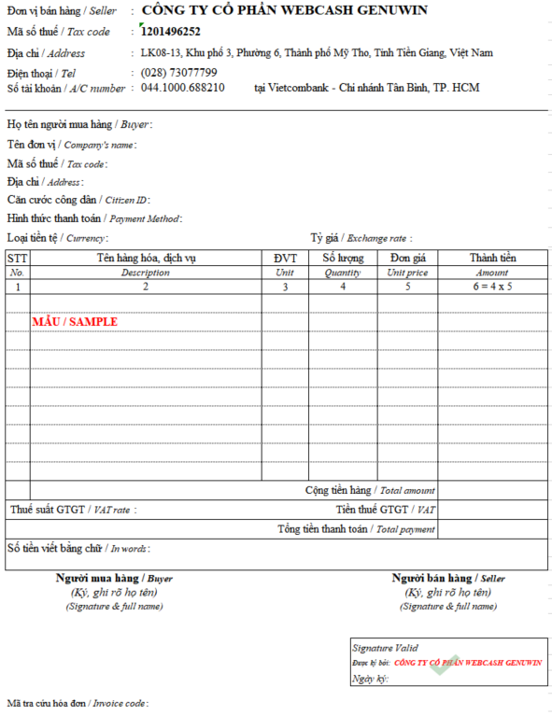
VAT Rate
0% : Tax rate 0%
5% : Tax rate 5%
8% : Tax rate 8%
10% : Tax rate 10%
KCT : Not VAT
KKKNT: None

G
H
I
Y
C

J
K
M
L
O
-N

Sum O per invoice
P
Sum Q per invoice
S

