Screenshots Desktop
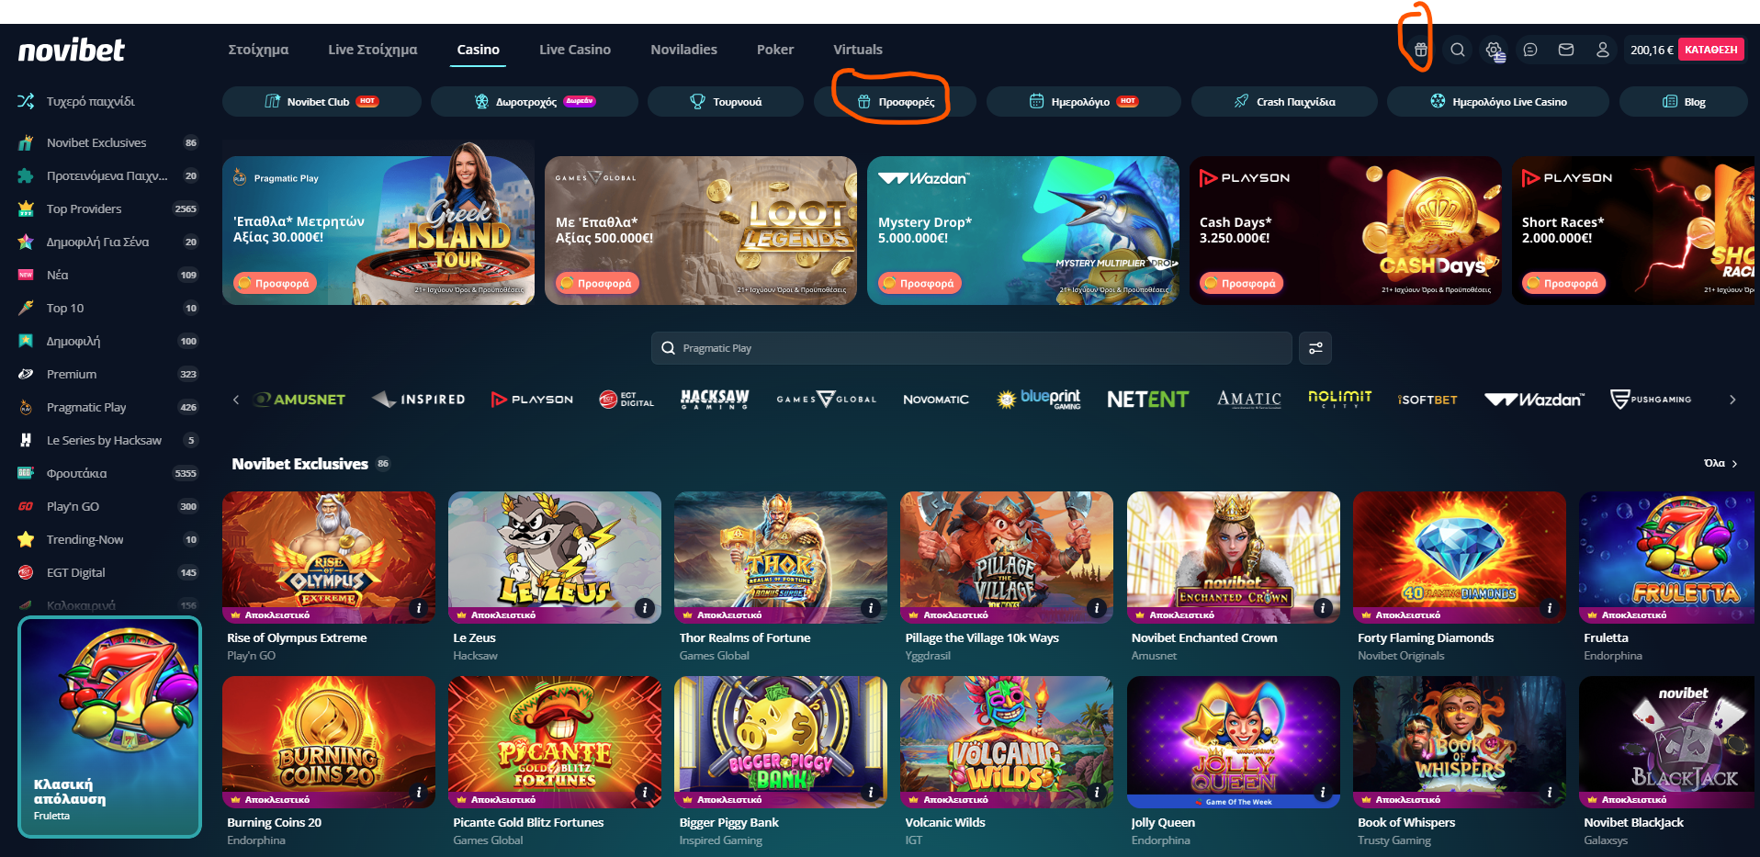
Casino Home Page

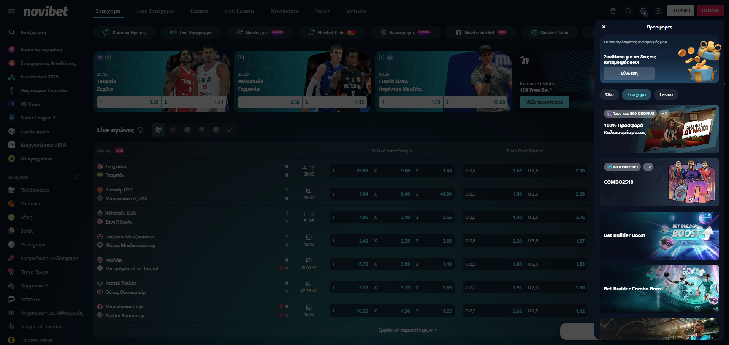
Offers Page, via Sportsbook Home Page

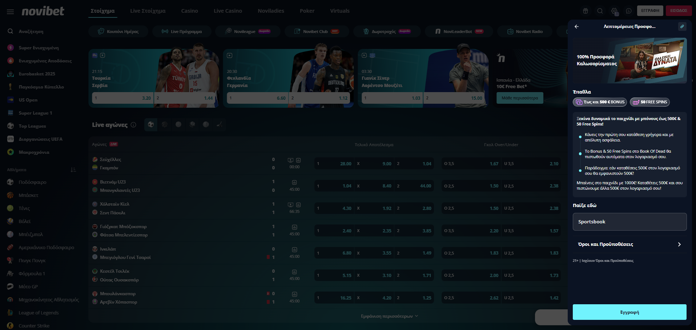
Offers Inner Page, via Sportsbook Home Page

Screenshots Apps
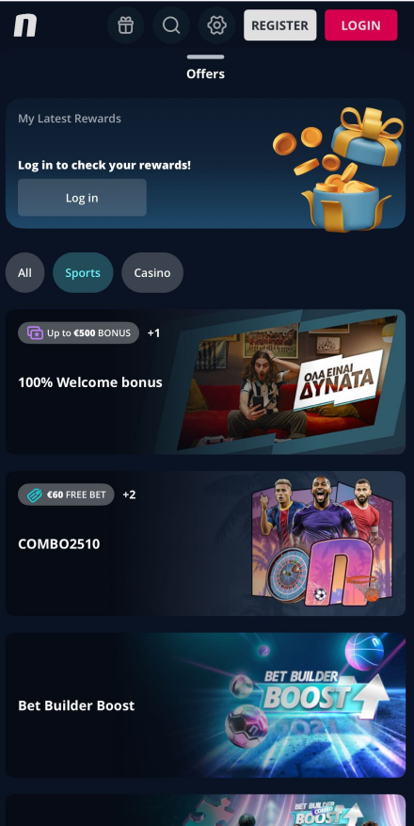
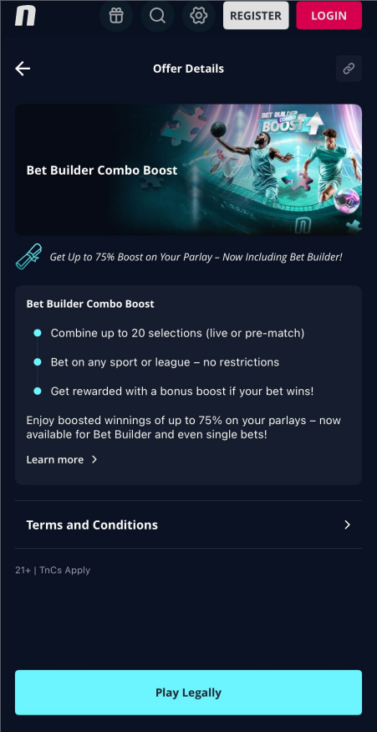
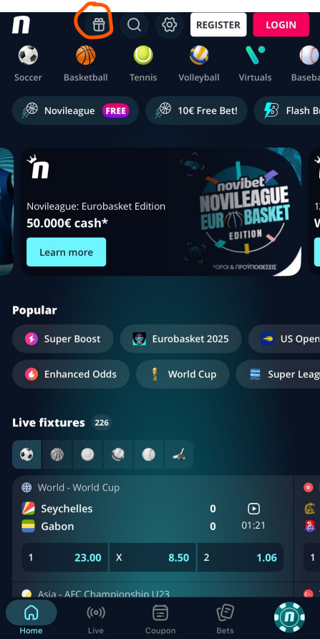
Sportbook Home Page | Offers Page, via Sportsbook Home Page | Offers Inner Page, via Sportsbook Home Page

