Sheet1
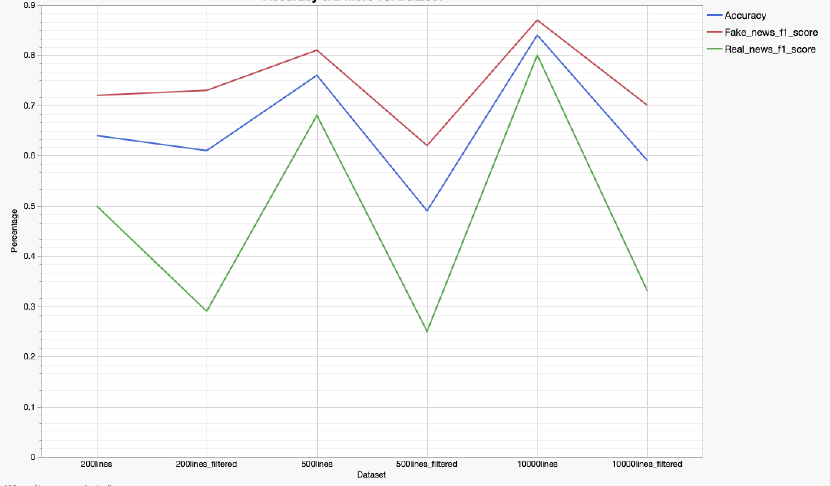
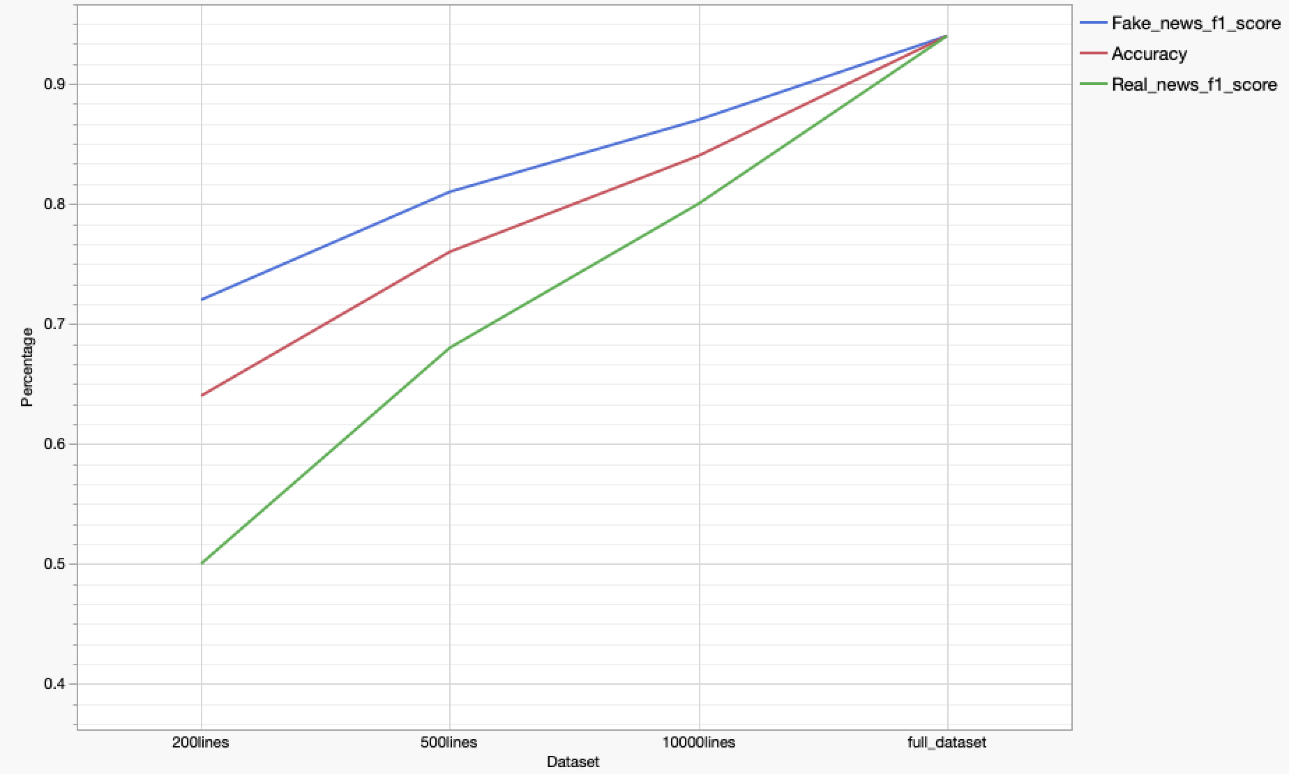
ML Model | Filtered or Non Filtered | Original/Generated Text | Dataset Size | Regularization? | OpenAI Model | Accuracy | Fake_news_f1_score | Real_news_f1_score | Fake_news_precison | Fake_news_recall | Real_news_precison | Real_news_recall
BERT | Not Filtered | Original | 200 samples | No regularization | N.A | 0.64 | 0.72 | 0.5 | 0.58 | 0.95 | 0.88 | 0.35
BERT | Filtered | Original | 200 samples | No regularization | N.A | 0.61 | 0.73 | 0.29 | 0.57 | 1 | 1 | 0.17
BERT | Not Filtered | Original | 500 samples | No regularization | N.A | 0.76 | 0.81 | 0.68 | 0.71 | 0.93 | 0.86 | 0.56
BERT | Filtered | Original | 500 samples | No regularization | N.A | 0.49 | 0.62 | 0.25 | 0.46 | 0.93 | 0.73 | 0.15
BERT | Not Filtered | Original | 10000 samples | No regularization | N.A | 0.84 | 0.87 | 0.8 | 0.77 | 0.99 | 0.99 | 0.67
BERT | Filtered | Original | 10000 samples | No regularization | N.A | 0.59 | 0.7 | 0.33 | 0.56 | 0.94 | 0.75 | 0.21
BERT | Not Filtered | Original | full_dataset | No regularization | N.A | 0.94 | 0.94 | 0.94 | 0.92 | 0.97 | 0.96 | 0.91
CNN | Not Filtered | Original | 200 samples | No regularization | N.A | 0.64 | 0.73 | 0.46 | 0.58 | 1 | 1 | 0.3
CNN | Filtered | Original | 200 samples | No regularization | N.A | 0.71 | 0.81 | 0.35 | 0.73 | 0.92 | 0.6 | 0.25
CNN | Not Filtered | Original | 500 samples | No regularization | N.A | 0.62 | 0.73 | 0.34 | 0.59 | 0.94 | 0.77 | 0.22
CNN | Filtered | Original | 500 samples | No regularization | N.A | 0.61 | 0.58 | 0.63 | 0.68 | 0.51 | 0.56 | 0.73
CNN | Not Filtered | Original | 10000 samples | No regularization | N.A | 0.97 | 0.97 | 0.97 | 0.95 | 0.99 | 0.99 | 0.94
CNN | Filtered | Original | 10000 samples | No regularization | N.A | 0.97 | 0.97 | 0.96 | 0.97 | 0.97 | 0.96 | 0.96
CNN | Not Filtered | Original | full_dataset | No regularization | N.A | 0.98 | 0.98 | 0.98 | 0.97 | 0.99 | 0.99 | 0.96
Roberta | Not Filtered | Original | 200 samples | No regularization | N.A | 0.62 | 0.72 | 0.4 | 0.56 | 1 | 1 | 0.25
Roberta | Not Filtered | Original | 500 samples | No regularization | N.A | 0.62 | 0.73 | 0.32 | 0.59 | 0.96 | 0.82 | 0.2
Roberta | Not Filtered | Original | 10000 samples | No regularization | N.A | 0.9 | 0.89 | 0.9 | 0.99 | 0.82 | 0.83 | 0.9
Roberta | Not Filtered | Original | full_dataset | No regularization | N.A | 0.95 | 0.95 | 0.94 | 0.94 | 0.96 | 0.95 | 0.93
Roberta | Not Filtered | 50-50 Split Original and Generated | 200 samples | No regularization | text-davinci-002 | 0.56 | 0.69 | 0.26 | 0.53 | 1 | 1 | 0.15 | news_100.csv | generated_fake_data100.csv | generated_real_data100.csv
Roberta | Not Filtered | 50-50 Split Original and Generated | 500 samples | No regularization | text-davinci-002 | 0.96 | 0.96 | 0.96 | 0.96 | 0.96 | 0.96 | 0.96 | news_250.csv | generated_fake_data250.csv | generated_real_data250.csv
Roberta | Not Filtered | 50-50 Split Original and Generated | 10000 samples | No regularization | text-davinci-002 | 1 | 1 | 1 | 1 | 1 | 1 | 1 | news_5000.csv | generated_fake_data5000.csv | generated_real_data5000.csv
Roberta | Not Filtered | 50-50 Split Original and Generated | full_dataset | No regularization | text-davinci-002 | 1 | 1 | 1 | 1 | 1 | 1 | 1 | news_10400.csv | generated_fake_data10400.csv | generated_real_data10400.csv
BERT | Not Filtered | 50-50 Split Original and Generated | 200 samples | Regularized Model | text-davinci-002 | 0.46 | 0.57 | 0.28 | 0.47 | 0.74 | 0.44 | 0.2
BERT | Not Filtered | 50-50 Split Original and Generated | 500 samples | Regularized Model | text-davinci-002 | 0.55 | 0.7 | 0.04 | 0.55 | 0.98 | 0.5 | 0.02
BERT | Not Filtered | 50-50 Split Original and Generated | 10000 samples | Regularized Model | text-davinci-002 | 0.97 | 0.98 | 0.97 | 0.96 | 0.99 | 0.99 | 0.96
BERT | Not Filtered | 50-50 Split Original and Generated | full_dataset | Regularized Model | text-davinci-002 | 0.99 | 0.99 | 0.99 | 0.98 | 0.99 | 0.99 | 0.98
CNN | Not Filtered | 50-50 Split Original and Generated | 200 samples | No regularization | text-davinci-002 | 0.51 | 0 | 0.68 | 0 | 0 | 0.51 | 1 | news_100.csv | generated_fake_data100.csv | generated_real_data100.csv
CNN | Not Filtered | 50-50 Split Original and Generated | 500 samples | No regularization | text-davinci-002 | 0.57 | 0.72 | 0.09 | 0.56 | 1 | 1 | 0.04 | news_250.csv | generated_fake_data250.csv | generated_real_data250.csv
CNN | Not Filtered | 50-50 Split Original and Generated | 10000 samples | No regularization | text-davinci-002 | 0.84 | 0.87 | 0.8 | 0.8 | 0.99 | 0.99 | 0.68 | news_5000.csv | generated_fake_data5000.csv | generated_real_data5000.csv
CNN | Not Filtered | 50-50 Split Original and Generated | full_dataset | No regularization | text-davinci-002 | 0.94 | 0.94 | 0.94 | 0.95 | 0.94 | 0.93 | 0.94 | news_10400.csv | generated_fake_data10400.csv | generated_real_data10400.csv
Roberta | Not Filtered | Zero Shot | 200 samples | No regularization | text-curie-001 | 0.38 | 0 | 0.56 | 0 | 0 | 0.44 | 0.75
Roberta | Not Filtered | Zero Shot | 500 samples | No regularization | text-curie-001 | 0.6 | 0.73 | 0.23 | 0.58 | 0.98 | 0.86 | 0.13
Roberta | Not Filtered | Zero Shot | 10000 samples | No regularization | text-curie-001 | 0.44 | 0.12 | 0.59 | 0.35 | 0.07 | 0.45 | 0.86
Roberta | Not Filtered | Zero Shot | full_dataset | No regularization | text-curie-001 | 0.43 | 0.06 | 0.59 | 0.23 | 0.04 | 0.45 | 0.87
Roberta | Not Filtered | Zero Shot | 200 samples | No regularization | text-davinci-002 | 0.36 | 0 | 0.53 | 0 | 0 | 0.42 | 0.7
Roberta | Not Filtered | Zero Shot | 500 samples | No regularization | text-davinci-002 | 0.42 | 0.03 | 0.59 | 0.2 | 0.02 | 0.44 | 0.91
Roberta | Not Filtered | Zero Shot | 10000 samples | No regularization | text-davinci-002 | 0.46 | 0.23 | 0.58 | 0.45 | 0.15 | 0.46 | 0.79
Roberta | Not Filtered | Zero Shot | full_dataset | No regularization | text-davinci-002 | 0.45 | 0.1 | 0.61 | 0.35 | 0.06 | 0.46 | 0.88
BERT | Not Filtered | Zero Shot | 200 samples | Regularized Model | text-curie-001 | 0.44 | 0.27 | 0.54 | 0.36 | 0.21 | 0.46 | 0.65
BERT | Not Filtered | Zero Shot | 500 samples | Regularized Model | text-curie-001 | 0.4 | 0.06 | 0.56 | 0.22 | 0.04 | 0.42 | 0.84
BERT | Not Filtered | Zero Shot | 10000 samples | Regularized Model | text-curie-001 | 0.45 | 0.13 | 0.6 | 0.4 | 0.08 | 0.46 | 0.87
BERT | Not Filtered | Zero Shot | full_dataset | Regularized Model | text-curie-001 | 0.44 | 0.01 | 0.61 | 0.05 | 0 | 0.46 | 0.91
BERT | Not Filtered | Zero Shot | 200 samples | Regularized Model | text-davinci-002 | 0.36 | 0 | 0.53 | 0 | 0 | 0.42 | 0.7
BERT | Not Filtered | Zero Shot | 500 samples | Regularized Model | text-davinci-002 | 0.42 | 0.07 | 0.58 | 0.29 | 0.04 | 0.43 | 0.89
BERT | Not Filtered | Zero Shot | 10000 samples | Regularized Model | text-davinci-002 | 0.41 | 0.16 | 0.55 | 0.33 | 0.1 | 0.43 | 0.77
BERT | Not Filtered | Zero Shot | full_dataset | Regularized Model | text-davinci-002 | 0.44 | 0.01 | 0.61 | 0.05 | 0 | 0.46 | 0.91
CNN | Not Filtered | Zero Shot | 200 samples | No regularization | text-curie-001 | 0.36 | 0 | 0.53 | 0 | 0 | 0.42 | 0.7
CNN | Not Filtered | Zero Shot | 500 samples | No regularization | text-curie-001 | 0.37 | 0.09 | 0.52 | 0.21 | 0.06 | 0.4 | 0.76
CNN | Not Filtered | Zero Shot | 10000 samples | No regularization | text-curie-001 | 0.49 | 0.31 | 0.59 | 0.54 | 0.22 | 0.47 | 0.79
CNN | Not Filtered | Zero Shot | full_dataset | No regularization | text-curie-001 | 0.49 | 0.37 | 0.57 | 0.53 | 0.28 | 0.47 | 0.71
CNN | Not Filtered | Zero Shot | 200 samples | No regularization | text-davinci-002 | 0.36 | 0 | 0.53 | 0 | 0 | 0.42 | 0.7
CNN | Not Filtered | Zero Shot | 500 samples | No regularization | text-davinci-002 | 0.39 | 0.06 | 0.55 | 0.2 | 0.04 | 0.42 | 0.82
CNN | Not Filtered | Zero Shot | 10000 samples | No regularization | text-davinci-002 | 0.47 | 0.33 | 0.56 | 0.5 | 0.25 | 0.46 | 0.72
CNN | Not Filtered | Zero Shot | full_dataset | No regularization | text-davinci-002 | 0.47 | 0.23 | 0.6 | 0.48 | 0.15 | 0.47 | 0.82
Roberta | Not Filtered | Few_Shot_200_samples | 200 samples | No regularization | curie:ft-university-of-galway-2023-08-10-07-43-47 | 0.79 | 0.82 | 0.76 | 0.72 | 0.95 | 0.93 | 0.65
Roberta | Not Filtered | Few_Shot_200_samples | 500 samples | No regularization | curie:ft-university-of-galway-2023-08-10-07-43-47 | 0.58 | 0.72 | 0.12 | 0.56 | 1 | 1 | 0.07
Roberta | Not Filtered | Few_Shot_200_samples | 10000 samples | No regularization | curie:ft-university-of-galway-2023-08-10-07-43-47 | 0.96 | 0.96 | 0.95 | 0.94 | 0.98 | 0.98 | 0.93
Roberta | Not Filtered | Few_Shot_200_samples | full_dataset | No regularization | curie:ft-university-of-galway-2023-08-10-07-43-47 | 0.95 | 0.96 | 0.95 | 0.93 | 0.98 | 0.98 | 0.92

