BillOfMaterials
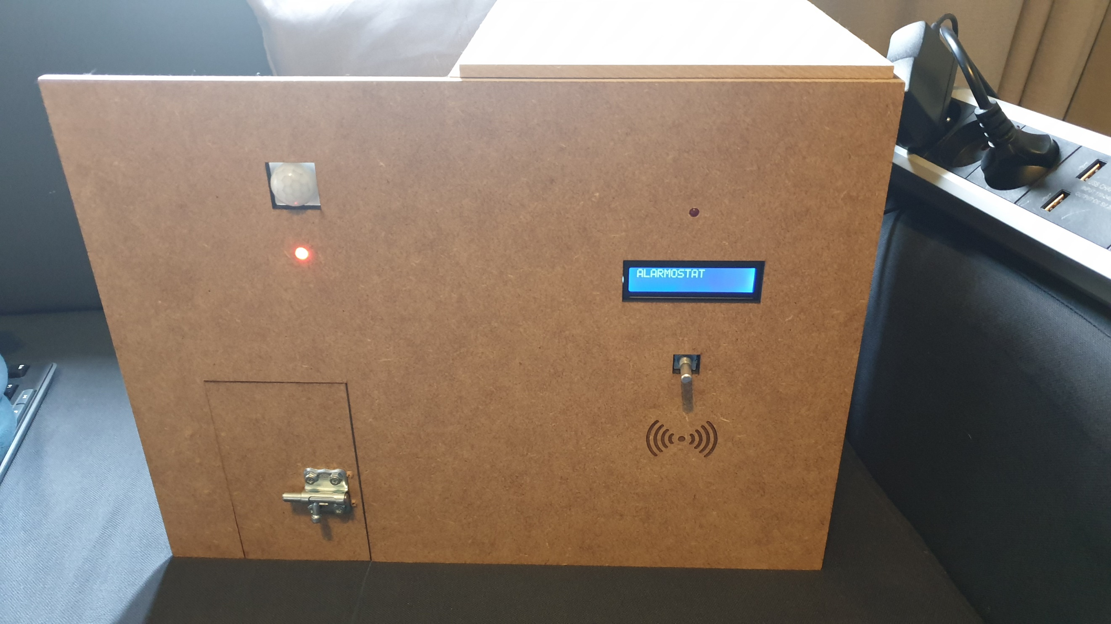
 | CLASS: | 1NMCT4
 | NAME: | Debie
 | FIRSTNAME: | Thomas
 | Assembly Name : | Alarmostat
 | Assembly Revision : | v1
 | Approval Date :
 | Part Count : | 18
 | Total Cost : | €137

 |  |  |  |  |  | (picture can only be added with END delivery of project!)

Part # | Part Name | Description | Revision | Qty | Supplier | also available from | Units | Unit Cost | Max Cost | Real Cost
1 | Raspberry pi 3 b+ | Single board computer, heart of the system | 3 b+ | 1 | amazon | ebay | 1 | $35.57 | €35.57 | €-
2 | Sandisk ultra 16gb sd card | sandisk sd card, storage of the system | nvt | 1 | amazon | ebay | 1 | $7.10 | €7.10 | €-
3 | Raspberry pi power adapter 5V 2,5A | power supply | nvt | 1 | amazon | ebay | 1 | $13.12 | €13.12 | €-
4 | drukknoppen | drukkknoppen/ pushbuttons | nvt | 2 | kit | aliexpress | 2 | $1.00 | €2.00 | €-
5 | rfid reader | rfid tag reader | nvt | 1 | kit | https://www.benl.ebay.be/itm/KIT-Module-RFID-13-56-MHz-RC522-carte-dinterface-1135Z/293107014263?hash=item443e8a1a77:g:XIEAAOSwP1Nc8DdC | 1 | $5.20 | €5.20 | €-
6 | HC-SR501 pir sensor | passive infrared motion sensor | nvt | 1 | https://www.benl.ebay.be/itm/PIR-Bewegungsmelder-Kabel-Raspberry-Pi-Arduino-HC-SR501-IR-Sensor-Modul/252756118405 | https://nl.aliexpress.com/item/Free-Shipping-HC-SR501-Adjust-Infrared-IR-Pyroelectric-Infrared-PIR-module-Motion-Sensor-Detector-Module-We/32731348914.html | 1 | $3.90 | €3.90 | €3.90
10 | adafruit door sensor 375 | magnetic door contact | nvt | 1 | https://www.benl.ebay.be/itm/Adafruit-Magnetic-contact-switch-door-sensor-ADA375/332322903284 | https://www.adafruit.com/product/375 | 1 | $12.87 | €12.87 | €9.95
11 | ds18b20 | one wire temperature sensor | nvt | 1 | kit | https://www.benl.ebay.be/itm/DALLAS-DS18B20-TO-92-Sonde-de-Temperature-Numerique-8008Z/293091957992?hash=item443da45ce8:g:i7EAAOSwQblc5Es1 | 1 | $3.20 | €3.20 | €-
12 | display | display for showing relevant information | nvt | 1 | kit | https://www.benl.ebay.be/itm/16x2-Zeichen-LCD-Modul-LC-Display-blau-z-B-fur-Arduino-Raspberry-Pi-2x16/254177950054?hash=item3b2e2fb966:g:U-8AAOSwp~Vcmf4a | 1 | $18.19 | €18.19 | €-
13 | leds | for displaying the status | nvt | 2 | kit | ebay | 1 | $2.00 | €4.00 | €-
14 | active buzzer | buzzer for the alarm sound | nvt | 1 | kit | ebay | 1 | $2.00 | €2.00 | €-
15 | wood | for the enclosure | nvt | 1 | Howest IPO | Gamma | 1 | $5.20 | €5.20 | €5.20
16 | keyes 040 rotary encoder | for controlling the hardware | nvt | 1 | kit | https://www.benl.ebay.be/itm/ENCODER-ROTATIVO-KY-040-CON-PULSANTE-SCHEDA-MODULO-PER-ARDUINO-A-2-CANALI-KEYES/191540974362?hash=item2c98bb531a:g:k7kAAOSwOpFc1ZEG | 1 | $5.90 | €5.90 | €-
17 | breadboard | for connecting components (includes cables) | nvt | 1 | kit | https://www.benl.ebay.be/itm/924A-MB102-plaque-dessais-prototype-830-points-breadboard-PCB-arduino/140996225947?hash=item20d407ab9b:m:mzRvQB0q2wdSvK1z_4ihAeg | 1 | $2.90 | €2.90 | €-
18 | keyes 040 rotary encoder | for controlling the hardware | nvt | 1 | kit | https://www.benl.ebay.be/itm/MB-102-Breadboard-Kit-Power-Supply-830-point-breadboard-and-jumpers-UK-Seller/322486623548?hash=item4b15b35d3c:m:m9uQj37ofzd-nfqQcFpyMqA | 1 | $5.90 | €5.90 | €-
19 | various screws and nuts | for attaching the components | nvt | 1 | Gamma | Brico | 1 | $10.00 | €10.00 | €10.00
 | Total |  |  | 18 |  |  |  |  | €137.05 | €29.05

 | Note: a lot of these components can be found cheaper on Aliexpress, but that'll take longer to deliver

Example

Bill of Materials for LEGO® Design
EXAMPLE on how to list parts of your project
 |  |  | Assembly Name : | Mini X-Wing™ |  |  |  |  |  | [42]
 |  |  | Assembly Number : | Custom
 |  |  | Assembly Revision :
 |  |  | Approval Date :
 |  |  | Pieces : | 46
 |  |  | Total Cost : | $5.85

Category | Part # | Elem ID | Part Name | Color | Qty | Supplier | Alternative available from | Action? | Units | Picture | Unit Cost | max Cost | Real Cost
Bricks, Sloping | 50746 | 4504369 | ROOF TILE 1X1X2/3, ABS | 1 - White | 1 | nephew | 4500069: Plate 1X2 W. 1 Knob | Brickset: LEGO set guide and database. (n.d.). Retrieved 21 February 2017, from http://brickset.com/parts/4500069 |  | each |  | $0.10 | $0.10 | $0.10
Plates | 3024 | 302401 | PLATE 1X1 | 1 - White | 1 | nephew | 4500069: Plate 1X2 W. 1 Knob | Brickset: LEGO set guide and database. (n.d.). Retrieved 21 February 2017, from http://brickset.com/parts/4500069 |  | each |  | $0.10 | $0.10 | $0.10
Plates | 3023 | 302301 | PLATE 1X2 | 1 - White | 2 | nephew | 4500069: Plate 1X2 W. 1 Knob | Brickset: LEGO set guide and database. (n.d.). Retrieved 21 February 2017, from http://brickset.com/parts/4500069 |  | each |  | $0.10 | $0.20 | $0.20
Plates | 3023 | 4211398 | PLATE 1X2 | 194 - Medium Stone Grey | 1 | nephew | 4500069: Plate 1X2 W. 1 Knob | Brickset: LEGO set guide and database. (n.d.). Retrieved 21 February 2017, from http://brickset.com/parts/4500069 |  | each |  | $0.10 | $0.10 | $0.10
Plates | 3794 | 379401 | PLATE 1X2 W. 1 KNOB | 1 - White | 1 | nephew | 4500069: Plate 1X2 W. 1 Knob | Brickset: LEGO set guide and database. (n.d.). Retrieved 21 February 2017, from http://brickset.com/parts/4500069 |  | each |  | $0.10 | $0.10 | $0.10
Plates | 3623 | 362301 | PLATE 1X3 | 1 - White | 1 | nephew | 4500069: Plate 1X2 W. 1 Knob | Brickset: LEGO set guide and database. (n.d.). Retrieved 21 February 2017, from http://brickset.com/parts/4500069 |  | each |  | $0.10 | $0.10 | $0.10
Plates | 3623 | 362321 | PLATE 1X3 | 21 - Bright Red | 1 | nephew | 4500069: Plate 1X2 W. 1 Knob | Brickset: LEGO set guide and database. (n.d.). Retrieved 21 February 2017, from http://brickset.com/parts/4500069 |  | each |  | $0.10 | $0.10 | $0.10
Plates | 94148 | 302201 | PLATE 2X2 | 1 - White | 1 | nephew | 4500069: Plate 1X2 W. 1 Knob | Brickset: LEGO set guide and database. (n.d.). Retrieved 21 February 2017, from http://brickset.com/parts/4500069 |  | each |  | $0.15 | $0.15 | $0.15
Plates, Special | 6141 | 4210633 | PLATE 1X1 ROUND | 199 - Dark Stone Grey | 1 | nephew | 4500069: Plate 1X2 W. 1 Knob | Brickset: LEGO set guide and database. (n.d.). Retrieved 21 February 2017, from http://brickset.com/parts/4500069 |  | each |  | $0.10 | $0.10 | $0.10
Plates, Special | 3070 | 307021 | FLAT TILE 1X1 | 21 - Bright Red | 4 | nephew | 4500069: Plate 1X2 W. 1 Knob | Brickset: LEGO set guide and database. (n.d.). Retrieved 21 February 2017, from http://brickset.com/parts/4500069 |  | each |  | $0.10 | $0.40 | $0.40
Plates, Special | 2412 | 241201 | RADIATOR GRILLE 1X2 | 1 - White | 1 | nephew | 4500069: Plate 1X2 W. 1 Knob | Brickset: LEGO set guide and database. (n.d.). Retrieved 21 February 2017, from http://brickset.com/parts/4500069 |  | each |  | $0.10 | $0.10 | $0.10
Plates, Special | 6019 | 4538353 | PLATE 1X1 W/HOLDER VERTICAL | 1 - White | 4 | nephew | 4500069: Plate 1X2 W. 1 Knob | Brickset: LEGO set guide and database. (n.d.). Retrieved 21 February 2017, from http://brickset.com/parts/4500069 |  | each |  | $0.15 | $0.60 | $0.60
Plates, Special | 2431 | 4558168 | FLAT TILE 1X4 | 1 - White | 1 | nephew | 4500069: Plate 1X2 W. 1 Knob | Brickset: LEGO set guide and database. (n.d.). Retrieved 21 February 2017, from http://brickset.com/parts/4500069 |  | each |  | $0.20 | $0.20 | $0.20
Plates, Special | 63868 | 4535737 | PLATE 2X1 W/HOLDER,VERTICAL | 1 - White | 4 | nephew | 4500069: Plate 1X2 W. 1 Knob | Brickset: LEGO set guide and database. (n.d.). Retrieved 21 February 2017, from http://brickset.com/parts/4500069 |  | each |  | $0.15 | $0.60 | $0.60
Plates, Special | 2540 | 4211632 | PLATE 1X2 W. STICK | 194 - Medium Stone Grey | 4 | nephew | 4500069: Plate 1X2 W. 1 Knob | Brickset: LEGO set guide and database. (n.d.). Retrieved 21 February 2017, from http://brickset.com/parts/4500069 |  | each |  | $0.15 | $0.60 | $0.60
Plates, Special | 3176 | 4225733 | COUPLING PLATE 2X2 | 199 - Dark Stone Grey | 1 | nephew | 4500069: Plate 1X2 W. 1 Knob | Brickset: LEGO set guide and database. (n.d.). Retrieved 21 February 2017, from http://brickset.com/parts/4500069 |  | each |  | $0.20 | $0.20 | $0.20
Bricks, Special | 49668 | 4224793 | PLATE 1X1 W/TOOTH | 5 - Brick Yellow | 1 | nephew | 4500069: Plate 1X2 W. 1 Knob | Brickset: LEGO set guide and database. (n.d.). Retrieved 21 February 2017, from http://brickset.com/parts/4500069 |  | each |  | $0.10 | $0.10 | $0.10
Technic | 32123 | 4211573 | 1/2 BUSH | 194 - Medium Stone Grey | 4 | nephew | 4500069: Plate 1X2 W. 1 Knob | Brickset: LEGO set guide and database. (n.d.). Retrieved 21 February 2017, from http://brickset.com/parts/4500069 |  | each |  | $0.10 | $0.40 | $0.40
Technic | 6590 | 4211622 | BUSH FOR CROSS AXLE | 194 - Medium Stone Grey | 8 | nephew | 4500069: Plate 1X2 W. 1 Knob | Brickset: LEGO set guide and database. (n.d.). Retrieved 21 February 2017, from http://brickset.com/parts/4500069 |  | each |  | $0.15 | $1.20 | $1.20
Accessories | 3957 | 4211473 | STICK/AERIAL | 194 - Medium Stone Grey | 4 | nephew | 4500069: Plate 1X2 W. 1 Knob | Brickset: LEGO set guide and database. (n.d.). Retrieved 21 February 2017, from http://brickset.com/parts/4500069 |  | each |  | $0.10 | $0.40 | $0.40
 |  |  | Total |  | 46 |  |  |  |  |  |  | $5.85 | $5.85

