Help
Takaful Insurance Fundamentals

Application Objective: Takaful Insurance Fundamentals template provides all the required fiscal data for sharia-compliant insurance companies. The template allows you to perform the fundamental analysis of a chosen company or perform peer comparison analysis.
Related Functions: FA TKFL, BI LIFE, BI INPC

Company Fundamentals - Control Panel

Pick the fundamental item whose geographic and product segments breakdown will be shown in the Segments section.

Show/Hide Fields button allows you to view the hidden part of the template. You can unhide the fields used in the BQL formulae which are pulling the market, fiscal and financial ratios data found in the template.
Type in the ticker of the Takaful company of interest to start the analysis.

Company Fundamentals - Main
Company Fundamentals allows you to view all the key Takaful fundamentals for the chosen company on a single sheet, alongside other key indicators, such as grwoth rates figures.

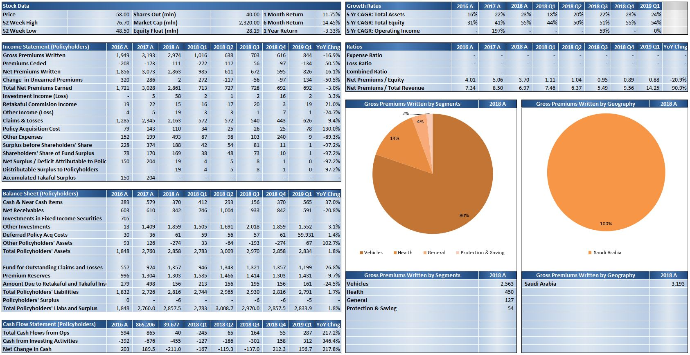

Here you can find the Takaful fundamentals for company's income statement, balance sheet and cash flow statement. Moreover, you can find the YoY change figures for each item for company's latest fiscal year.

The pie charts indicate the percentage breakdown by product and geographic segments for the fundamental item selected in the Control Panel. Underneath the charts, we can find the absolute figures for each segment.

Peer Comparison - Control Panel
Peer Comparison provides you with the comparative fundamentals data of the chosen company and its closest peers so that you can perform quick and easy relative valuation analysis.

Show/Hide Fields button allows you to view the hidden part of the template. You can unhide the fields used in the BQL formulae which are pulling the market, fiscal and financial ratios data found in the template.
Using Clear Peers button you caninstantly clear all of the peer tickers in the amber cells below. Pull/Refresh Bloomberg Peers button allows you to pull in company's peers as defined by Bloomberg's algorithm.
Select the fiscal periodicity and the currency of the fundamental data shown for the chosen company and its peers in Peer Comparison.

Peer Comparison - Main
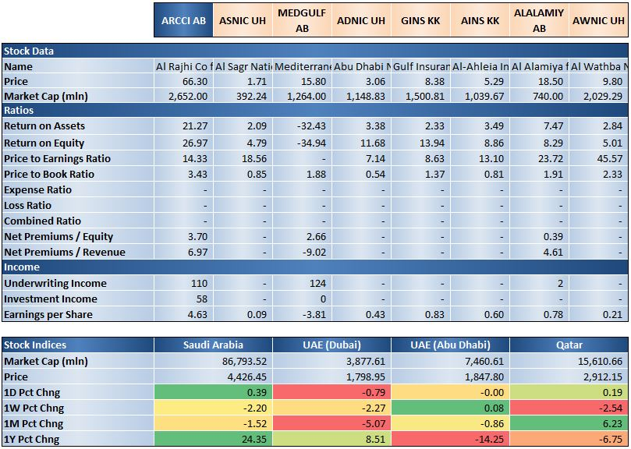
By default, the template provides a static list of peers. You can change the peers by manually typing in the tickers of peer companies of interest in the amber cells. Alternatively, you can pull in the seven closest company peers basing on Bloomberg algorithm and as defined by field BLOOMBERG_PEERS (DY785).

The upper table provides information on the key Takaful fundamentals and ratios for the company and its peers, allowing you to perform quick and easy comparative analysis of these companies.

The bottom table shows the performance of the main indices for Saudi Arabia, UAE and Qatar. The indices shown in the table are, respectively: SASETUTI Index, DFIINSU Index, ADII Index and QINS Index.

