Overview
 Portolio Project | Grammy.com Web Analytics

— Your Job
Are you excited to dive into data work for an exciting project at The Recording Academy? You know, the non-profit organization behind the Grammy Awards! In this project, you'll work on real data from both websites owned by The Recording Academy, the non-profit organization behind the famous Grammy Awards. As you just learned, Ray Starck, the VP of Digital Strategy, decided to split the websites into grammy.com and recordingacademy.com to better serve the Recording Academy's various audience needs. Now, you are tasked with examining the effect of splitting up the two websites, and analyzing the data for a better understanding of trends and audience behavior on both sites. Are you ready?!?! Let's do this!

— Your Skills
For this task, you'll engage the following skills: (1) Prepare the data by transforming it. (2) Calculate business KPIs (3) Make recommendations for the organization.

— Ready to Begin? Click the next tab below to explore the data dictionary!

Complete Your Analysis!
About Your Analysis
• All of your answers should be typed or pasted into the grey boxes. • Questions with grey answer boxes expect a specific answer. If you input the correct answer, the question number box will change from blue to green. • Questions with yellow answer boxes are free response questions. There will be no change in the question number boxes (in blue), regardless of answer. • For hints for each question, hover your mouse over the blue hint box to get helpful information!

Now, it's time to analyze!

Part 1: Explore the Data
 | To begin the data exploration you will be looking at the Grammys Data sheet. The data contained there includes all the data provided by The Recording Academy, the organization behind The Grammy Awards. |  | Note!

1a | Create a line chart of the number of daily visitors to the Grammy.com website. See if you can spot the days the Grammy Awards are hosted. Use the Grammys Data sheet for this graph. The horizontal axis should be the date field. |  | Hint!

Number of Visitors to Grammy.com from 2017-2023
 | visitors
1/1/17 | 9611
1/2/17 | 10752
1/3/17 | 11425
1/4/17 | 13098
1/5/17 | 12234
1/6/17 | 11461
1/7/17 | 11183
1/8/17 | 16265
1/9/17 | 17852
1/10/17 | 14211
1/11/17 | 13456
1/12/17 | 13616
1/13/17 | 11880
1/14/17 | 11888
1/15/17 | 12706
1/16/17 | 12691
1/17/17 | 13260
1/18/17 | 14483
1/19/17 | 13551
1/20/17 | 13215
1/21/17 | 12578
1/22/17 | 16502
1/23/17 | 14620
1/24/17 | 17787
1/25/17 | 15447
1/26/17 | 15211
1/27/17 | 14007
1/28/17 | 12950
1/29/17 | 16137
1/30/17 | 18765
1/31/17 | 35148
2/1/17 | 28565
2/2/17 | 27502
2/3/17 | 22888
2/4/17 | 25069
2/5/17 | 30728
2/6/17 | 34723
2/7/17 | 47583
2/8/17 | 52279
2/9/17 | 73648
2/10/17 | 91058
2/11/17 | 133362
2/12/17 | 1930245
2/13/17 | 1057729
2/14/17 | 213939
2/15/17 | 105345
2/16/17 | 72888
2/17/17 | 62042
2/18/17 | 56309
2/19/17 | 45545
...

1b | What can you say about the visitors to the website by looking at the graph?

 | Our visualization clearly indicates a significant increase in website visitors around the month of Febuary every year. This is consistent with the timing of the annual Grammy award ceremony. Along with the Grammy's themselves, we also can identify a smaller, yet still substantial spike prior to the Grammy award show itself. This is expected given the information provided to us during our remote check-in with Katie Stockman the Director of Business Intelligence, who elaborated that this increase prior to the main award ceremony is due to the announcement of artist nominations which traditionally kick off the overall Grammy award season.

 |  |  |  | Place the PivotTable for Task 2a below.
2a | Using the Grammys Data sheet, create a PivotTable to compare the average daily website visitors on days when an award ceremony was held to those when no awards ceremonies were held. |  | Hint! | Row Labels | Average Visitors pre Day
 |  |  |  | Grammy Awards | 1389590
2b | What can you say about these results? Roughly how many more visitors are on the website for the Grammy Awards ceremony versus a regular day? |  |  | Regular Day | 32388
 |  |  |  | Grand Total | 39922
 | Strictly looking at the amount of traffic on the grammy.com website you can undoubtadly recognize the stark difference in visitors between the days surrounding the awards ceremony and every other day of the year. The Grammy celebrations themselves bring in approximately 1.3 million more visitors to the site compared to an average day within the year. That's over a 4,000% increase in traffic!

3 | February 1st, 2022 marks the transition from when Grammy.com began to only host Grammys content instead of both Recording Academy and Grammys content. Fill in the values in the website_content column in the Grammys Data sheet. This column will have the value "Grammys" if the date occurred on or after 2/1/2022 and the value "Grammys + TRA" otherwise. |  | Hint!

Part 2: Analyze the Data
 | The Recording Academy is interested in several KPIs (Key Performance Indicators) to determine if the change from one site to two separate sites has improved these KPIs. In the section below you will calculate bounce rate, pages per session, and average time on site KPIs. |  | Note! |  | All PivotTables for these answers can be found in the final worksheet

 | Calculate the pages_per_session metric by first finding the total pageviews and then dividing that by the total number of sessions. Pages per session is an important measure of how many unique pages a user views before leaving the site -- it's a strong indicator of user engagement.
4a | What is the pages_per_session on the Recording Academy data? | 2.78 | Hint!
4b | What is the pages_per_session on the Grammys data? | 2.25
4c | What is the pages_per_session on the Grammys + TRA data? | 1.86
 | Calculate the bounce_rate metric. You will need to first calculate the total bounced_sessions and divide by the total number of sessions. Bounce rate is an important metric that calculates the percentage of users (aka sessions) that come to your site and never interact with the page and leave. They are said to have "bounced" off your home page. It is a measure of how engaging your home page is with users.
5a | What is the bounce_rate on the Recording Academy data? | 33.7% | Hint!
5b | What is the bounce_rate on the Grammys data? | 40.2%
5c | What is the bounce_rate on the Grammys + TRA data? | 41.6%
 | Calculate the average_time_on_site metric. To do this, you only need to calculate the average of the avg_session_duration_secs column. Average Time on Site measures how engaging your website experience is for your users. The higher the number, the longer they are staying on your page and engaging with the content.
6a | What is the average_time_on_site on the Recording Academy data? | 128.50 | Hint!
6b | What is the average_time_on_site on the Grammys data? | 82.99
6c | What is the average_time_on_site on the Grammys + TRA data? | 102.85
Part 3: Device Breakdown
 | Ray and team want to know the percentage of visitors coming from mobile devices (iOS, Android, Tablets). They want to optimize the experience for mobile users but need to understand the percentage of mobile users in order to determine the impact it will have on the site.

7a | In the Grammys Data sheet there is a mobile_visits table on the right. Use the XLOOKUP function to fill in the missing column of the grammys table by looking up the corresponding date and returning the mobile_visitors column of the mobile_visits table. If the date is not found, the function should return the numeric value 0. |  | Hint!

7b | What percentage of uses across all dates in the dataset use a mobile device to visit the website? To calculate this value, you will the total number of mobile_visitors and divide by the total number of visitors | 73.7% | Hint!
Part 4: Communicate Findings
8 | Using the work you did in this project, would you recommend that the websites stay separate? Please give a 2-3 paragraph answer using details from the analysis work above explaining why or why not they should stay separate. |  | Hint!

 | Following the analysis of the data provided by Ray and the team at Grammy.com, we can confidently recommend that continuing to leave the sites disjoined is the optimal business decision. Our insights demonstrate substantial improvements within the two new websites compared to the combined site, in the way of various key perfomance indicators (KPI's) such as pages per session, bounce rate and the average time on site. Looking at the average rate of pages per session we can see that by seperating the sites led to an increase for this metric by .5 to 1 page per session on average. The bounce rate also saw a significant decrease following the transition. Most notably the Recording Academy site saw nearly an 8% drop in thier bounce rate after the website split. Grammy.com also saw a bounce rate decrease, albeit not as notable as TRA at around a 1% drop. The average time on site is the most interesting KPI of the three, given that it is the only one that seems to display a decrease in overall visitor engagement rather than an increase. The previous website iteration was able to average around a minute and a half in time on site which was improved upon by the Recording Academy branch of the new webpages, at just over two minutes of visitor engagement. However, Grammy.com experienced a decrease to just over a minute of vistor engagement per session. Digging into the data a little deeper this discrepency may be likely due to the nature of the ceremonies themselves, with many visitors logging on to the site in order to quickly determine the award winners of the evening and then immediately leaving. This is also likely to be the primary contributing factor as to why the bounce rate for Grammy.com did not experience as much of a dercrease compared to that of the Recording Academy.

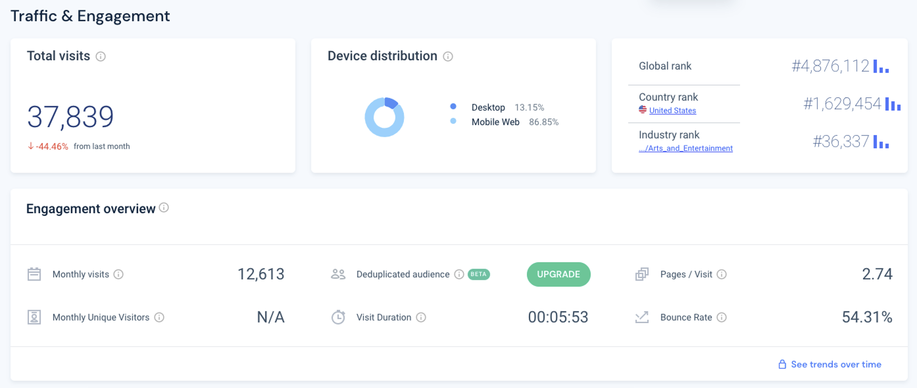
9 | Ray's team is also interested in comparing metrics of the Grammy.com website to that of their main competitor, The American Music Awards (theAMAs.com). On the right you will find a dashboard of the key metrics from The AMAs, use your findings from above to give feedback to Ray and team on which metrics are performing better / worse relative to the competition.

 | Given that the American Music Awards are only a true competitor to the Grammy's and not the Recording Academy, we will only be comparing the AMA's dashboard to the findings discovered throughout our analysis of the grammy.com data. Beginning with total visits, grammy.com averages just under 40K visitors per day while theAMA.com averages just under 38K per day. Looking further into the data we can also identify that this number is a 44% decrease from the month prior, making this metric a possible anomaly. It also looks to be that theAMA.com draws in more mobile users (87%) than grammy.com (74%). Marketing efforts to promote the Grammy app can likely lead to a boost in these numbers. The AMA's website also seems to generate a slightly higher page per session (PPS) rate at 2.74 PPS, compared to the Grammy's at only 2.25 PPS. A/B testing ought to be perfomed in order to discover what information the average user is seeking and then leverage those insights to develop more strategic content to hopefully increase a vistors PPS. The KPI which demonstrates the widest delta between the AMA's and the Grammy's is that of average time on site. According to the AMA dashboard they are able to keep a visitor engaged onsite for an average of just under 6 minutes, while grammy.com is only achieving an average of under a minute and a half of visitor engagement. That's a difference of 76.5% which could be possibly limited by incorporating videos on the homepage, incentivizing visitors to stay on the site longer. Finally, the bounce rate for the AMA's is almost 13% higher than that of the Grammy's. Continuing to improve upon this KPI would also likely require further A/B testing to decipher what improvements in features such as; the webpage menu bar, animations during page changes, etc., would further decrease the bounce rate.

LevelUp! A/B Test in Excel
 | In your calculations for Ray, you noticed that there was indeed a difference in the pages_per_session metric between the "Grammys + TRA" content and the Recording Academy Data sheet. He wants to know if that difference is statistically significant and wants you to performan an A/B Test on the results. You have been provided with the control and test numbers in the AB Testing sheet. Use those to complete the analysis below.

10a | In words, state the null hypothesis for the A/B test. |  | Hint!
 | There will be no difference in the number of pages per session between the previous Grammy + TRA website and the new Recording Acadamy website.

 | In words, state the alternative hypothesis for the A/B test.
 | There will be an increase in the number of pages per session from the previous Grammy + TRA website to the new seperated Recording Acadamy website.

10b | Use the Data Analysis Toolpak to run an A/B test between the control group and test group. |  | Note!

10c | From the output of the A/B test, is there evidence at the 95% confidence level that the pages_per_session between the two websites are different? Why or Why not? Note: Pay attention to scientific notation when analyzing the results!

 | Assuming an alpha of 5%, we can conclude with a 95% confidence level that we can reject the null hypothesis in favor of the alternative given that our two tailed p-value is less than 0.05.

