Metadata
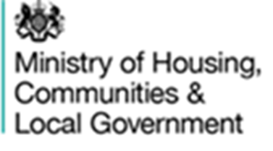

Background
These tables provide local authority level data on the total number of dwellings, the number of dwellings that are exempt from council tax, and the number liable for council tax. For dwellings liable for council tax, it also gives summary figures for the number receiving different types of council tax discounts and those paying a premium.

Data from this workbook have been used to compile the statistics release "Local Authority Council Tax base England 2019" which was published on 13 November 2019. This is available on the Department’s website at:
https://www.gov.uk/government/collections/council-taxbase-statistics
The workbook is split into 6 parts:
CTB form | Number of dwellings in each authority as at 9th September 2019, with details on exemptions, discounts and premiums as at 7th October 2019.

CTB Supplementary form | Breakdown of exemptions by Class B & D-W.

CT Support | Reduction in taxbase due to Council Tax Support.

Family Annexe | Reduction in taxbase due to Family Annexe discount.

Flex Empty | Empty and Second homes subject to discounts and premiums.

Data | All data submitted by authorities.

Definitions and uses of the data

Definitions and uses of the data are described in the statistical release on the Department’s website.

Data Collection and quality

The information in this release is based on data returned to the Ministry of Housing, Communities and Local Government by all 317 local authorities in England completed the CTB form in October 2019. This has reduced from 326 as this reflects local government restructuring that came into effect at 1 April 2019. Figures are subjected to rigorous pre-defined validation tests both within the form itself, while the form is being completed by the authority and also by MHCLG as the data are received and stored.

Following further validations, minor revisions have been made to figures relating to 8 local authorities. Revised data are marked with a (R) in the 'Data' sheet.

Public Enquiries

For enquiries about these data please contact: ctb.statistics@communities.gov.uk

First published: November 2019
Revised: February 2020

