Data
 | Sydney | Brisbane | Melbourne
Shopper 1 | 75 | 75 | 90 | 80 | Block Means | n = | N | 18
Shopper 2 | 70 | 70 | 70 | 70 |  | groups = | C | 3
Shopper 3 | 50 | 55 | 75 | 60 |  | blocks = | B | 6
Shopper 4 | 65 | 60 | 85 | 70
Shopper 5 | 80 | 65 | 80 | 75
Shopper 6 | 65 | 65 | 65 | 65
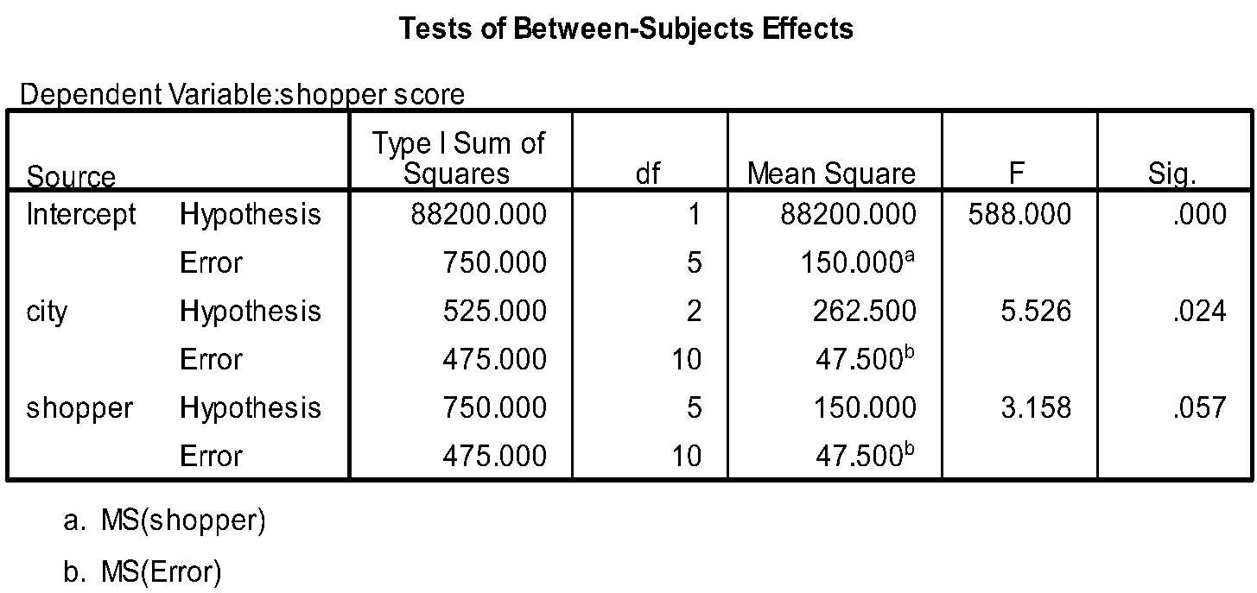
 | 67.5 | 65 | 77.5
 | Group Means

 | Total | Decomposition of Variance
 | SST | SSC | SSB | SSE |  | MSC/ | F= | 5.53
 | 1750 | 525 | 750 | 475 |  | MSE
df | N-1 | C-1 | B-1 | (C-1)(B-1)
 | 17 | 2 | 5 | 10 |  | MSB/ | F= | 3.16
 | MST | MSC | MSB | MSE |  | MSE
 | 102.9411765 | 262.5 | 150 | 47.5

Excel
