Day_3_and_Week_2_overlap
Overlapping_genes_in_both_analyses | Exclusive_genes_at_Day_3 | Exclusive_genes_at_Week_2
DAPK1 | RRAGD | CDC42EP3
ITM2B | CPD | RAB32
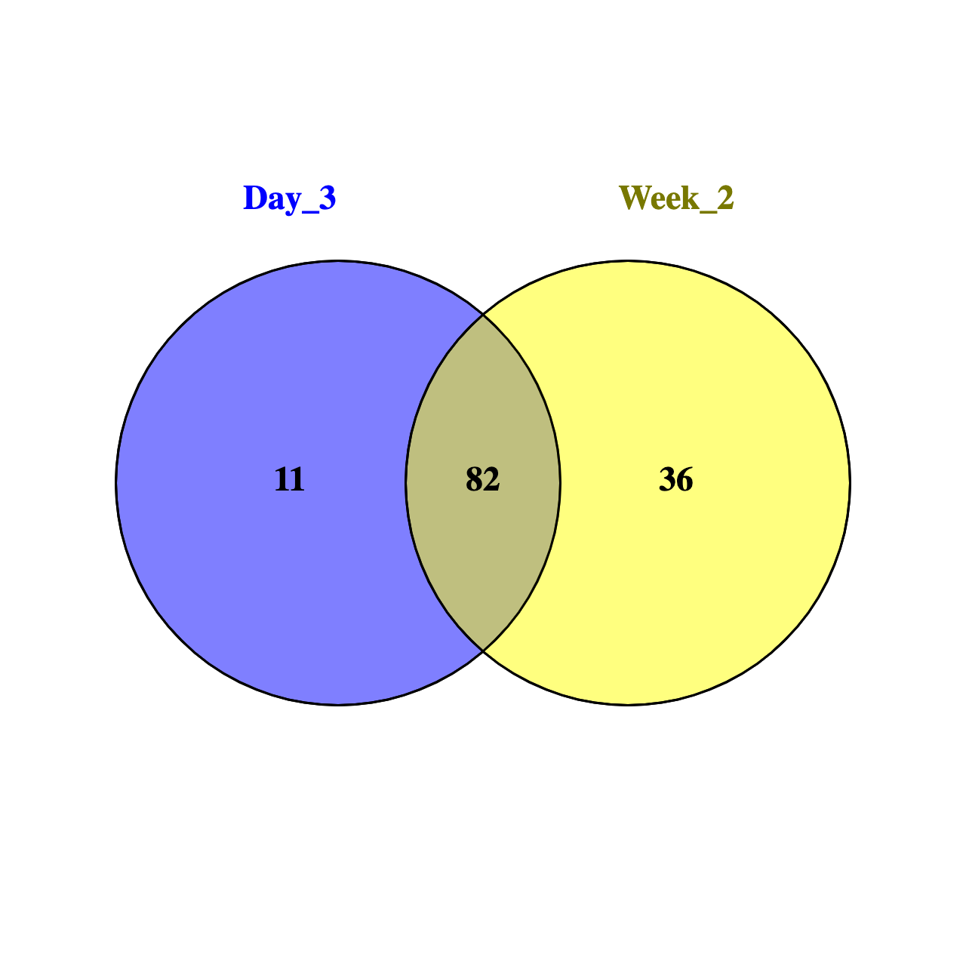
CEBPD | TREM1 | ARRB1
FCGRT | NPL | PSAP
WDFY3 | DOCK5 | PCSK5
LEPROT | MCL1 | CPPED1
EMILIN2 | BHLHE40 | ARHGEF40
NACC2 | S100A12 | TBC1D8
GNAQ | AMPD2 | HPSE
SORT1 | CCR1 | GNA15
PYGL | CD14 | CSF1R
ALDH3B1 |  | FBXL5
SLCO3A1 |  | CDC42EP4
IMPA2 |  | UPP1
CSF3R |  | MAFB
ARAP3 |  | SCARB2
CTSD |  | GSTP1
QPCT |  | ID2
HDAC4 |  | FLVCR2
MYO1F |  | VPS37C
GABARAP |  | SLC27A3
ADAM9 |  | IRAK3
HCAR3 |  | MCTP1
RAB20 |  | GAA
SIRPA |  | TNFSF13
TKT |  | CSF2RA
CREB5 |  | SLC31A2
TALDO1 |  | ENO1
KIAA0513 |  | CTBP2
RXRA |  | APOBR
TIMP2 |  | GNS
TRIB1 |  | AOAH
TNFRSF1B |  | RNF130
CAMKK2 |  | CEBPA
NFIL3 |  | LILRA2
SIGLEC9 |  | SMARCD3
ZNF467
LIN7A
TBXAS1
EFHD2
GRN
RCOR1
NAMPT
CRISPLD2
PLAUR
PILRA
ACSL1
C5AR1
CTNNA1
TYROBP
ZYX
GLA
AP2S1
SIRPB1
IL17RA
SDCBP
CD63
VIM
SULT1A1
ALDOA
PGD
LRPAP1
FPR1
LMNA
ICAM1
SLC36A1
LILRB3
FKBP1A
IL1RN
LAMP2
ATF3
STX11
RBM47
UBE2D1
BST1
RGS10
PXN
SEMA4A
SULT1A2
ATP6AP1
LST1
HDGF

