Sheet1
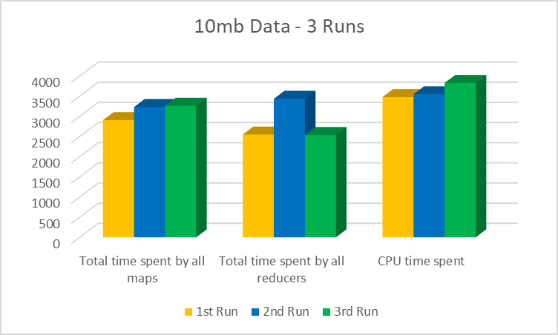
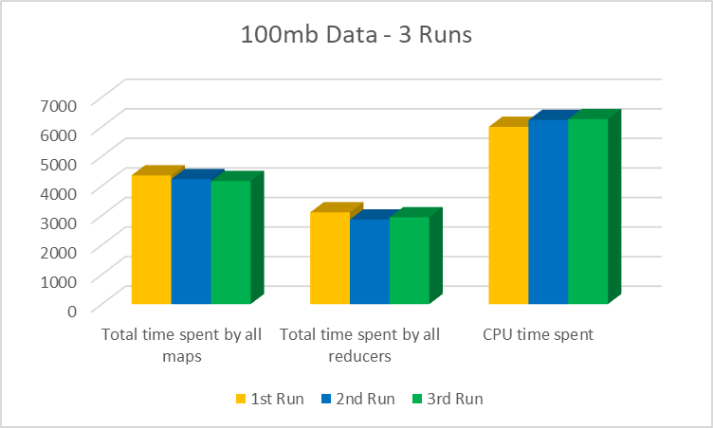
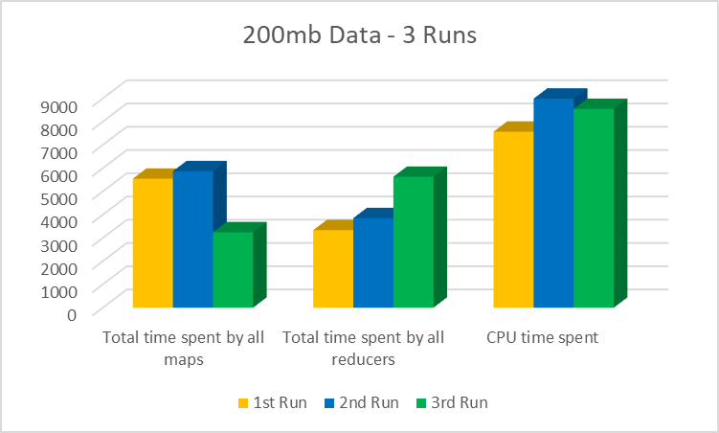
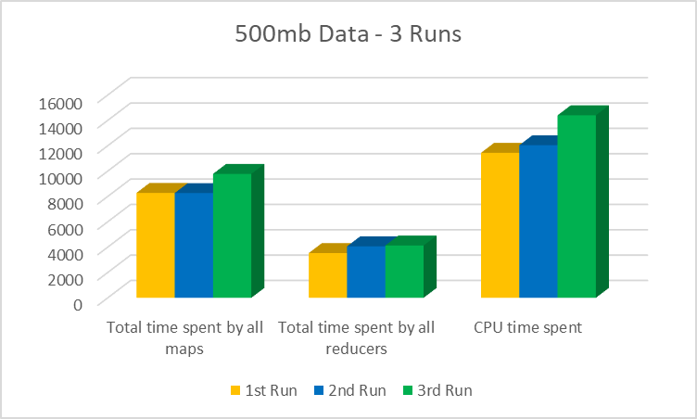
Run | Data Generation | File Name | orders.tbl File Size (MB) | DATE1 | DATE2 | Execution time(s) | Output(KB) | Line of output<ID, "|sum_total_price|count|"> | Total time spent by all maps (ms) | Total time spent by all reducers | CPU time spent
1 | 10mb files | orders.tbl | 1.57 | 1992-01-01 | 1994-01-01 | 18 | 16.18 | 1 |235507.25|2 | 2907 | 2550 | 3480
 | 100mb files | orders.tbl | 15.95 | 1992-01-01 | 1994-01-01 | 20 | 170.53 | 1 |630288.25|3 | 4358 | 3106 | 6000
 | 200mb files | orders.tbl | 32.12 | 1992-01-01 | 1994-01-01 | 23 | 348.07 | 10 |1435439.6|10 | 5547 | 3334 | 7570
 | 500mb files | orders.tbl | 80.86 | 1992-01-01 | 1994-01-01 | 24 | 881.28 | 1153 |577096.3|6 | 8279 | 3530 | 11440
2 | 10mb files | orders.tbl | 1.57 | 1992-01-01 | 1996-01-01 | 18 | 17.08 | 10 |1932457.6|15 | 3232 | 3436 | 3550
 | 100mb files | orders.tbl | 15.95 | 1992-01-01 | 1996-01-01 | 19 | 180.4 | 1265 |81669.22|2 | 4230 | 2861 | 6230
 | 200mb files | orders.tbl | 32.12 | 1992-01-01 | 1996-01-01 | 22 | 368.05 | 1262 |322054.44|3 | 5870 | 3852 | 8990
 | 500mb files | orders.tbl | 80.86 | 1992-01-01 | 1996-01-01 | 24 | 930.67 | 1219 |2774824.0|19 | 8264 | 4061 | 12040
3 | 10mb files | orders.tbl | 1.57 | 1992-01-01 | 1998-01-01 | 18 | 17.48 | 1219 |2774824.0|19 | 3263 | 2537 | 3830
 | 100mb files | orders.tbl | 15.95 | 1992-01-01 | 1998-01-01 | 19 | 184.35 | 10006 |1668320.5|14 | 4166 | 2937 | 6260
 | 200mb files | orders.tbl | 32.12 | 1992-01-01 | 1998-01-01 | 20 | 375.92 | 1219 |2774824.0|19 | 3242 | 5630 | 8550
 | 500mb files | orders.tbl | 80.86 | 1992-01-01 | 1998-01-01 | 26 | 951.01 | 7828 |2555188.5|17 | 9777 | 4128 | 14400

Execution time(s) vs. orders.tbl File Size

 |  |  |  |  |  |  | Graphs to To | Regression output and input size

