info
Contains data from D:\Dropbox\0Research\1-Adrian\Empirics\Philippon - PI\Interest_rates_US_monthly1919-2018_for_Arian&Matthijs.dta
obs: 1,126
vars: 25
size: 220,696
----------------------------------------------------------------------------------------------------------------------------------
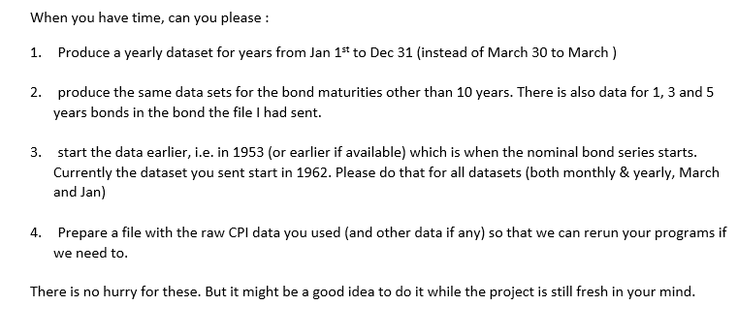
storage display value
variable name type format label variable label
----------------------------------------------------------------------------------------------------------------------------------
date long %d date
d_comp_y10p double %12.0g Treasury. Composite. Over 10 years. (Long Term) (Historical)
d_dwb_na double %12.0g Discount Window Borrowing (Historical)
d_ltnom_y25p double %12.0g Treasury Long Term Average (25 years and above) (Historical)
d_tcmnom_y20 double %12.0g Treasury Constant Maturity (historical). 20-year
dwpc_na double %12.0g Discount Window Primary Credit
ff_o double %12.0g Federal Funds
ltavg_y10p double %12.0g Treasury Long Term Average Inflation-indexed(10 years and above)
prime_na double %12.0g Bank Prime Loan
tcmii_y10 double %12.0g Treasury Constant Maturity, Inflation-indexed 10-year
tcmii_y20 double %12.0g Treasury Constant Maturity, Inflation-indexed 20-year
tcmii_y30 double %12.0g Treasury Constant Maturity, Inflation-indexed 30-year
tcmii_y5 double %12.0g Treasury Constant Maturity, Inflation-indexed 5-year
tcmii_y7 double %12.0g Treasury Constant Maturity, Inflation-indexed 7-year
tcmnom_m1 double %12.0g Treasury Constant Maturity 1-month
tcmnom_m3 double %12.0g Treasury Constant Maturity 3-month
tcmnom_m6 double %12.0g Treasury Constant Maturity 6-month
tcmnom_y10 double %12.0g Treasury Constant Maturity 10-year
tcmnom_y1 double %12.0g Treasury Constant Maturity 1-year
tcmnom_y20 double %12.0g Treasury Constant Maturity 20-year
tcmnom_y2 double %12.0g Treasury Constant Maturity 2-year
tcmnom_y30 double %12.0g Treasury Constant Maturity 30-year
tcmnom_y3 double %12.0g Treasury Constant Maturity 3-year
tcmnom_y5 double %12.0g Treasury Constant Maturity 5-year
tcmnom_y7 double %12.0g Treasury Constant Maturity 7-year
----------------------------------------------------------------------------------------------------------------------------------
Sorted by:

