FFVN-2309042
Warranty Authorization Request

LN | Items |  |  | Remarks
1 | Reference Nos*(note) : | FFVN-2309042 |  | ExFM-RMA#:
2 | Issue Date : | 5-Sep-23 |  | FMSV2023090002
3 | Customer's Name : | Van Hanh Hospital
4 | Country : | VIETNAM
5 | Distributor's Co. Name : | ETC
6 | Model No: | EC-530WL3
7 | Serial No: | KC643K396
8 | Installation Date : | 15-Aug-23
9 | Warranty (YES / NO) | YES
10 | Problems Description: (What, why, when, where, who & how)
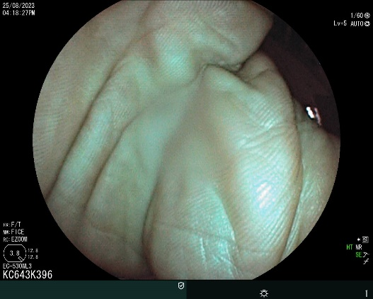
 | 1. Foggy image 2. Normal DTE 3. Scope Info
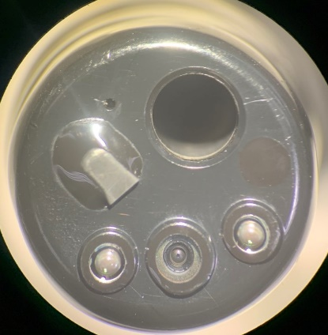
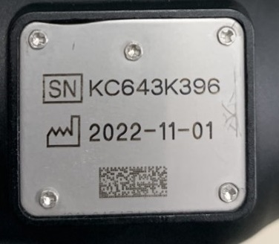

11 | Photo/pictures of defect
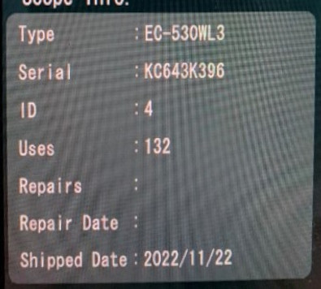 3. Scope Info

12 | Who (User Name) : | Dr. Nhuan
13 | Problem Occurs Time/Date : | 5-Sep-23
14 | Details of Check : (Define root cause, what, why, where, who & how.)
 | 1. Foggy image =>request claim ISA due to installation under 3 months Used case: 132
15 | Check By (Technician): | Nguyen Thai
16 | Checked Time/Date : | 5-Sep-23
17 | Parts Required For Repair to above problem. |  |  | (For FFAP use only.)
2 | Part's Number | Part's Name | Qty | V-Stk-Qty | V-Stk-Loc
 | 343A1251586D | ISA-C643A | 1
 | 42B593410A | PIPE SLEEVE | 4
 | 54A379237A | NUT ASS'Y | 4
18 | Verified by: (For FFAP use only)

 | Name / Date :
19 | Acceptance and Comments: (For FF/SR official use only.)

