FFVN-2311052
Warranty Authorization Request

LN | Items |  |  | Remarks
1 | Reference Nos*(note) : | FFVN-2311052 |  | ExFM-RMA#:
2 | Issue Date : | 17-Nov-23 |  | FMSV2023110035
3 | Customer's Name : | Hoan My Da Nang Hospital
4 | Country : | VIETNAM
5 | Distributor's Co. Name : | ETC Company
6 | Model No: | EG-530WR
7 | Serial No: | JG361K638
8 | Installation Date : | 13-Jun-23
9 | Warranty (YES / NO) | YES
10 | Problems Description: (What, why, when, where, who & how)
2
 | 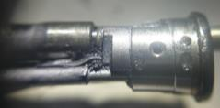  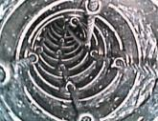 1. FCT disclogged from DTE 2. Stain image 3. BSA clinch pin broken
1
3

11 | Photo/pictures of defect
 4. FSA scratched 5. VCA worn out
4
5

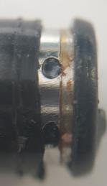
6. Fluid inside DEC
12 | Who (User Name) : | Dr. Tuyen
13 | Problem Occurs Time/Date : | 16-Nov-23
14 | Details of Check : (Define root cause, what, why, where, who & how.)
 | 1. FCT disclogged from DTE 2. Stain image 3. BSA clinch pin broken 4. FSA scratched 5. VCA worn out 6. Fluid inside DEC Used case: 3219 **SN Improved from JG361K546~onwards.
15 | Check By (Technician): | Le Quang Thong
16 | Checked Time/Date : | 17-Nov-23
17 | Parts Required For Repair to above problem. |  |  | (For FFAP use only.)
 | Part's Number | Part's Name | Qty | V-Stk-Qty | V-Stk-Loc
 | 371Y200081 | NOZZLE | 1
 | 10A1230572A | CHA-G201A ROHS | 1
 | 342A979721E | BSA-G166A | 1
 | 68A921163H | FSA-G166A | 1
 | 858Y200030E | VCA | 1
 | 370Y200577A | FCT-G76D | 1
 | 370Y200600 | AIR TUBE | 1
 | 370Y200595 | WATER TUBE | 1
 | 57A12657080 | CAP | 1
 | 53B884040A | SPECIAL SCREW | 1
 | 23B1040417A | ISA RING 1 | 1
 | 23B1021211A | ISA RING 2 | 1
 | 68B12655070 | RING | 1
 | 42B632243A | SLEEVE ROHS | 4
 | 54A379237A | NUT ASS'Y | 4
 | 68B9804212 | RUBBER FOR BSA ROHS | 1
18 | Verified by: (For FFAP use only)

 | Name / Date : | Jasper Lee |  | 2023-11-24
19 | Acceptance and Comments: (For FF/SR official use only.)

