FFVN-2311054
Warranty Authorization Request

LN | Items |  |  | Remarks
1 | Reference Nos*(note) : | FFVN-2311054 |  | ExFM-RMA#:
2 | Issue Date : | 21-Nov-23 |  | FMSV2023110019
3 | Customer's Name : | Hue University Of Medicine And Pharmacy - Ginec
4 | Country : | VIETNAM
5 | Distributor's Co. Name : | ETC
6 | Model No: | EG-580NW2
7 | Serial No: | 7G390K268
8 | Installation Date : | 7-Nov-22
9 | Warranty (YES / NO) | YES
10 | Problems Description: (What, why, when, where, who & how)
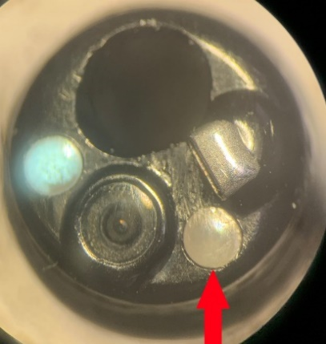
 | 1] LGB broken 2] BSA deformed
1
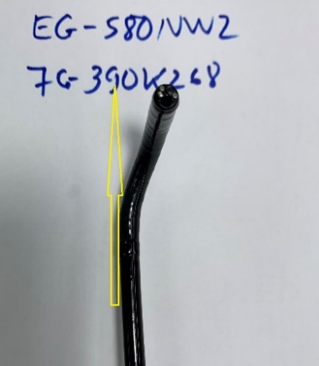

11 | Photo/pictures of defect

2
12 | Who (User Name) : | Dr. Huy
13 | Problem Occurs Time/Date : | 13-Oct-23
14 | Details of Check : (Define root cause, what, why, where, who & how.)
 | 1. LGB broken 2. BSA deformed Note: Late register RMA due to transportation. Problem occurs under warranty period Used case: 2458
15 | Check By (Technician): | Nguyen Thai
16 | Checked Time/Date : | 21-Nov-23
17 | Parts Required For Repair to above problem. |  |  | (For FFAP use only.)
2 | Part's Number | Part's Name | Qty | V-Stk-Qty | V-Stk-Loc
 | 343A1327101R | ISA-G390A | 1
 | 42B13320050 | SLEEVE FG390A ROHS | 4
 | 54A3792390 | NUT ASSY | 4
18 | Verified by: (For FFAP use only)

 | Name / Date :
19 | Acceptance and Comments: (For FF/SR official use only.)

