FFVN-TR-2023110019
TROUBLE REPORT

LN | Items |  |  | Remarks
1 | Reference Nos*(note) : | FFVN-TR-2023110019 |  | ExFM-RMA#:
2 | Issue Date : | 21-Nov-23 |  | FMSV2023110019
3 | Customer's Name : | Hue University Of Medicine And Pharmacy - Ginec
4 | Country : | VIETNAM
5 | Distributor's Co. Name :
6 | Model No: | EG-580NW2
7 | Serial No: | 7G390K268
8 | Installation Date : | 7-Nov-22 |  | Last RMA#
9 | Warranty (YES / NO) | NO |  | FMSV2023030066
10 | Problems Description: (What, why, when, where, who & how)
 | LGB broken BSA deformed

11 | Photo/pictures of defect
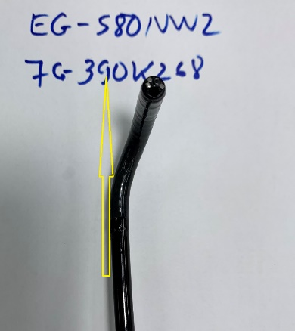 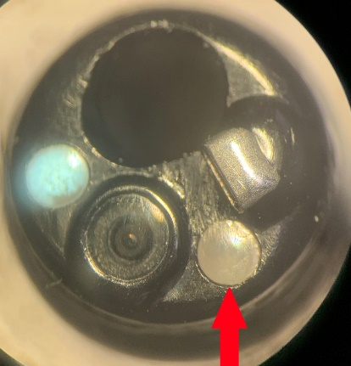 [1] LGB broken [2] BSA deformed

12 | Who (User Name) :
13 | Problem Occurs Time/Date : | 13-Nov-23
14 | Details of Check : (Define root cause, what, why, where, who & how.)
 | 1. LGB broken 2. BSA deformed Used case: 2458
15 | Check By (Technician): | Nguyen Thai
16 | Checked Time/Date : | 21-Nov-23
17 | Parts Required For Repair to above problem.
2 | Part's Number | Part's Name | Qty | HCAP Price | V-Stk-Loc
 | 343A13271010 | ISA-G390A | 1 | 4387.34
 | 42B13320050 | SLEEVE FG390A ROHS | 4 | 1.06
 | 54A3792390 | NUT ASSY | 4 | 4.24
18 | Verified by FFVN: |  | Total | 4408.54

 | Name / Date : | Jasper Lee
19 | Acceptance and Comments: (For FF/SR official use only.)

