FFVN-TR-2024010026
TROUBLE REPORT

LN | Items |  |  | Remarks
1 | Reference Nos*(note) : | FFVN-TR-2024010026 |  | ExFM-RMA#:
2 | Issue Date : | 23-Jan-24 |  | FMSV2024010026
3 | Customer's Name : | FUJIFILM Vietnam Co., Ltd.
4 | Country : | VIETNAM
5 | Distributor's Co. Name :
6 | Model No: | EG-720R
7 | Serial No: | 1G412K193
8 | Installation Date : | 20-Apr-19
9 | Warranty (YES / NO) | NO
10 | Problems Description: (What, why, when, where, who & how)
 | 1. NOZ chipped 2.FSB deformation
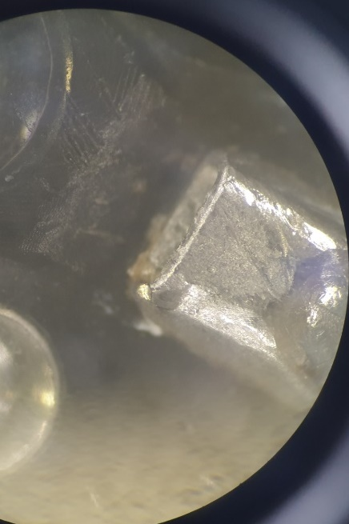
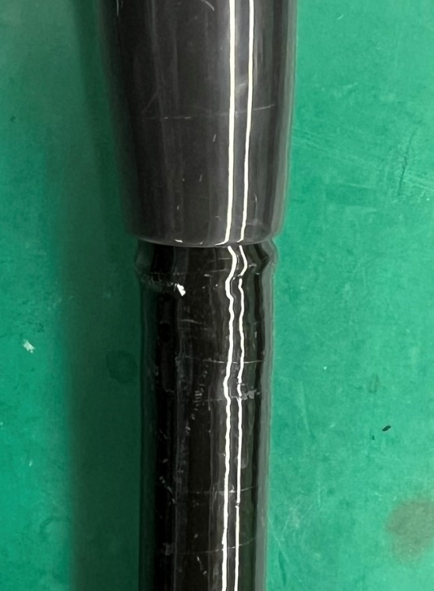

11 | Photo/pictures of defect
3. FSA surface scratches

12 | Who (User Name) :
13 | Problem Occurs Time/Date : | 16-Jan-24
14 | Details of Check : (Define root cause, what, why, where, who & how.)
 | 1. FSA surface scratches 2. NOZ chipped 3. FSB deformation Used case: 4713
15 | Check By (Technician): | Le Quang Thong
16 | Checked Time/Date : | 16-Jan-24
17 | Parts Required For Repair to above problem.
2 | Part's Number | Part's Name | Qty | FFVN Price | V-Stk-Loc
 | 370Y200247B | FSA-G412A | 1 | $279.84
 | 898Y201120C | FSB A | 1 | $674.16
 | 371Y200030A | NOZZLE | 1 | $102.82
 | 370N200328 | RBS-G412A | 1 | $38.16
18 | Verified by FFVN: |  | Total | $1,094.98

 | Name / Date :
19 | Acceptance and Comments: (For FF/SR official use only.)

