calculations
Sources: | PRIS112 | INDKF132
Year | CPI | Mean nominal disposable family income | Mean real disposable family income 2018-prices | Eternity factor
1989 | 60.1 |  |  | 74.0
1990 | 61.7 | 149,463.00 | 247,570.80 | 74.0
1991 | 63.2 | 156,007.00 | 252,277.14 | 74.0
1992 | 64.5 | 160,470.00 | 254,264.09 | 74.0
1993 | 65.3 | 165,292.00 | 258,695.90 | 74.0
1994 | 66.6 | 176,252.00 | 270,464.78 | 74.0
1995 | 68.0 | 184,198.00 | 276,838.76 | 74.0
1996 | 69.5 | 190,928.00 | 280,760.31 | 74.0
1997 | 71.0 | 198,399.00 | 285,582.79 | 74.0
1998 | 72.3 | 206,911.00 | 292,480.00 | 74.0
1999 | 74.1 | 212,745.00 | 293,421.58 | 23.7
2000 | 76.2 | 221,310.00 | 296,822.60 | 23.7
2001 | 78.0 | 229,086.00 | 300,161.40 | 23.7
2002 | 79.9 | 238,264.00 | 304,763.21 | 23.7
2003 | 81.6 | 244,672.00 | 306,439.69 | 23.7
2004 | 82.5 | 258,758.00 | 320,546.27 | 23.7
2005 | 84.0 | 269,668.00 | 328,096.07 | 23.7
2006 | 85.6 | 280,518.00 | 334,917.52 | 23.7
2007 | 87.1 | 287,613.00 | 337,474.73 | 23.7
2008 | 90.1 | 285,562.00 | 323,911.61 | 23.7
2009 | 91.2 | 290,533.00 | 325,575.36 | 30.5
2010 | 93.3 | 316,022.00 | 346,167.72 | 30.5
2011 | 95.9 | 322,251.00 | 343,420.77 | 30.5
2012 | 98.2 | 329,803.00 | 343,236.93 | 30.5
2013 | 99.0 | 338,290.00 | 349,224.63 | 30.5
2014 | 99.6 | 344,847.00 | 353,849.03 | 110.7
2015 | 100.0 | 353,983.00 | 361,770.63 | 110.7
2016 | 100.3 | 358,674.00 | 365,468.42 | 110.7
2017 | 101.4 | 368,402.00 | 371,308.52 | 110.7
2018 | 102.2 | 376,526.00 | 376,526.00 | 110.7
2019 | 103.0 | 388,978.00 | 385,956.81 | 110.7
2020 | 103.4 | 405,297.00 | 400,593.36 | 110.7
2021 | 105.4
2022 | 113.5
2023 | 117.2
1990-2020 | 1.74% | 3.38% | 1.62% | 1.35% |  | r |  | Δ 2014-2020 = PV(Δn,Δm,Δl), thus, the Net Present Value of X at year t is:
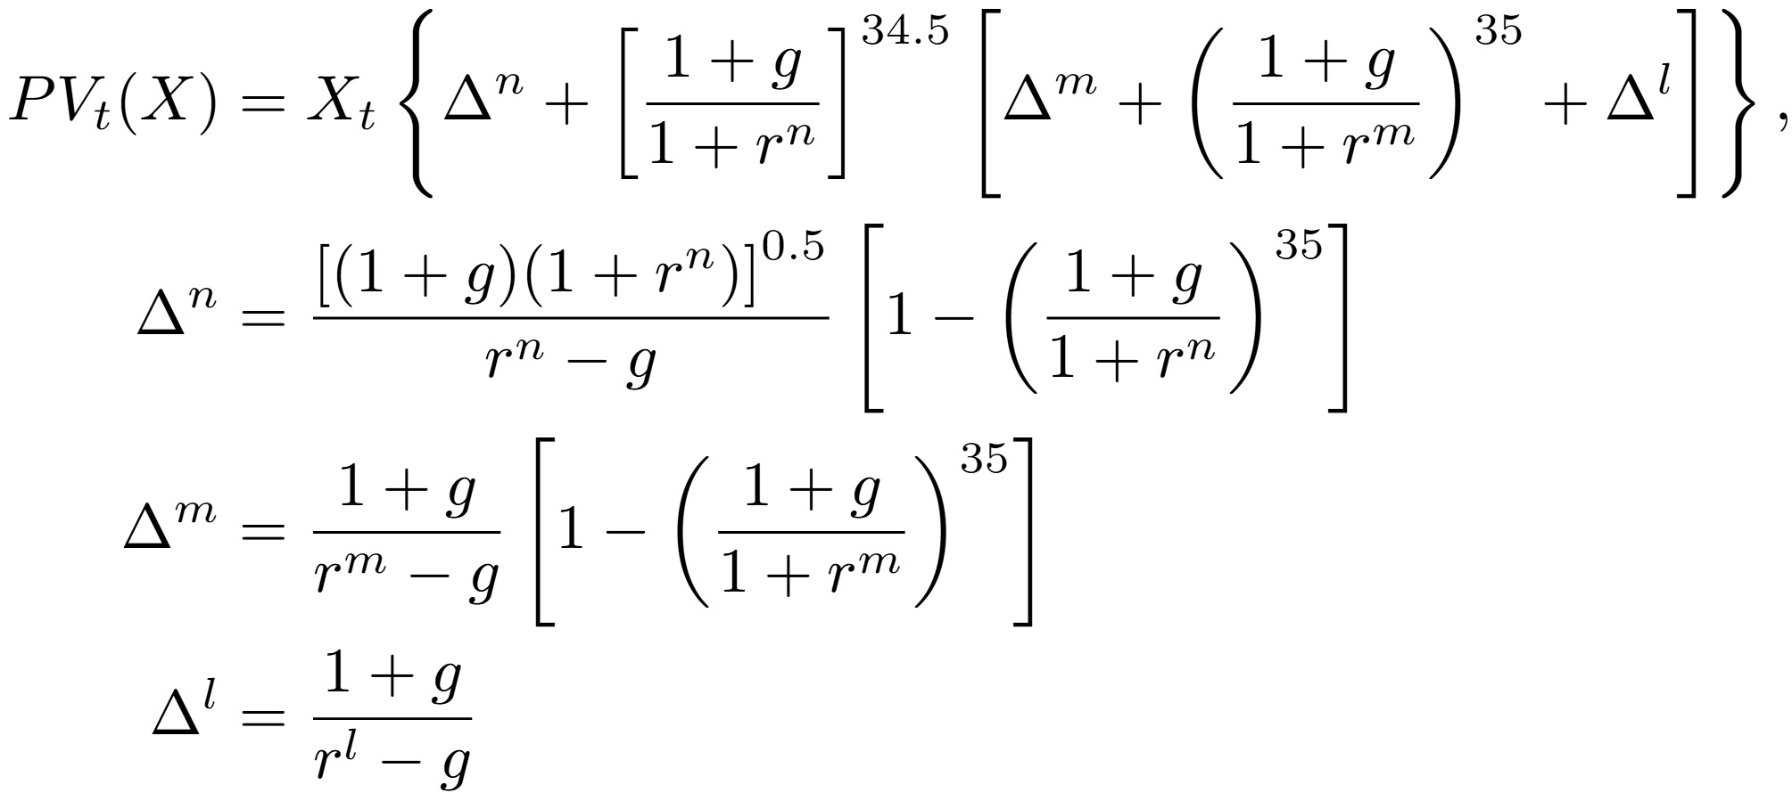
 |  |  | mean yearly growth rate in mean real disposable family income from 1990-2020 | 74.0 | Δ 1990-1998 | 0.030
 |  |  |  | 23.7 | Δ 1999-2008 | 0.060
 |  |  |  | 30.5 | Δ 2009-2013 | 0.050
 |  |  |  | 110.7 | Δ 2014-2020 | 0.025
 |  |  |  | 24.0 | Δn (years 1-35) | 0.040 | rnear
 |  |  |  | 27.7 | Δm (years 36-70) | 0.030 | rmedium
 |  |  |  | 265.4 | Δl (years 71-∞) | 0.020 | rlong

