Personas Name
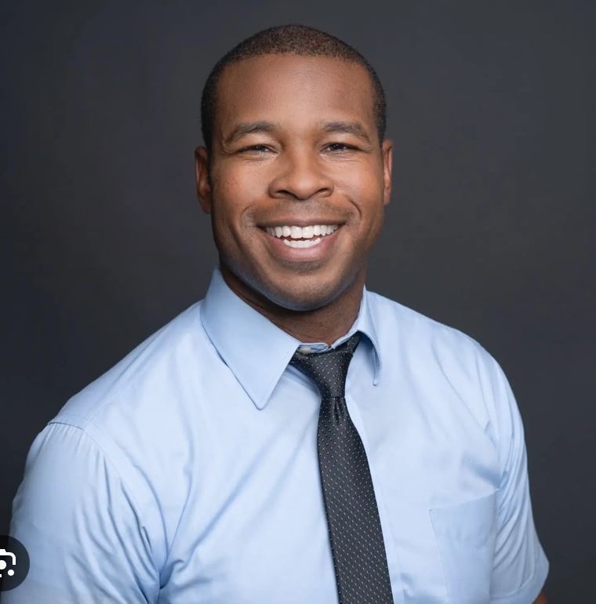 | Name | Timothy |  |  | Quote
 | Age | 47
 | Location | Bratislava |  |  | "I hope to adjust myself to the new university system quickly so that I can be productive at the teaching classes and doing research.”
 | Job Title | Professor
 | Keywords
Background (Biography) |  |  |  | Behaviours, Skills, Preferences

Timothy is a visiting proffesor at the University of Bratislava. Since he just recently moved, Timothy doesn't speak Slovak and is still not adjusted to the system at the university. Timothy teaches four classes in English and does research. In his free time, Timothy likes to bike, garden and spend time with his family. |  |  |  | Mobile vs PC |  | Slovak vs English profficency

 |  |  |  | Schedule vs timetable |  | Every clasification in details or all clasifications independent

Motivations – Be-Goals |  | Motivations – Do-Goals |  |  | Frustrations

• Receiving a full-time teaching position |  | • Providing students with professor hours availvable |  |  | • Unable to understand the scheduling system because it's in Slovak
• Successfully teaching students |  | • Clarifying the details of her school subjects |  |  | • Unable to add prodessor hours to the schedule
• Keeping a balance between work and personal time |  | • Identifying schedule conflicts |  |  | • Cannot view all of the classes he teaches at once on the timetable
• Orienting himself in the new univesity |  | • |  |  | •
• |  | • |  |  | •
Ideal Experience

• Search the classes that the professor teaches
• An ability to announce changes to the students
• An ability to link class website,syllabus to the schedule
• An ability to include professor hour to the timetable

Compiled by WTaM Team, Comenius University, Bratislava, 2014–2018. |  |  | Sources: | [1] Orange Bus Persona Template |  | [2] Fake Crow's persona template

