Sheet1
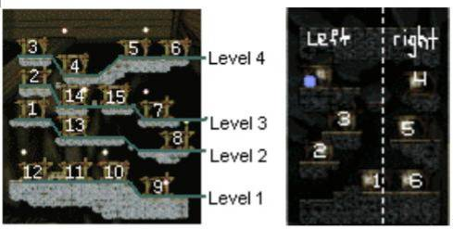

Map | Document |  | Key | Portals
 | Qty | Type | Type
Main | 3 | All
9-1 | 1 | Rock
9-2 | 2 | Rock | Chest | Reset
11-1 | 1 | Rock | Chest | Fake
12-1 | 1 | Rock |  | Reset
1-1 | 1 | Rock
1-2 | 1 | Rock |  | Top-Right to 7-1 (reenter to Main) Bottom-Right to Main | Isolated and 2nd map, good to skip
13-1 | 2 | Rock |  | To 14-1 (reenter to Main) | Can proceed naturally to 14-1
14-1 | 1 | Rock | Chest | Fake
8-1 | 2 | Rock |  |  | NOT 1
8-2 | 0 |  |  | Top-Right Fake Top-Left to 13-1 | But need traverse 8-2
2-1 | 1 | Rock |  | Reset
15-1 | 1 | Rock |  | Reset
7-1 | 1 | Rock
7-2 | 2 | Rock |  | To 16-0 (reenter to Main)
3-1 | 1 | Rock
3-2 | 2 | Rock |  | Top-Right to 3-1 (reenter to Main) Bottom-Right Fake
4-1 | 0
4-2 | 1 | Rock | Rock | Top-Right to 5-1 Bottom-Right to 5-1
5-1 | 1 | Rock |  | Fake | Isolated and no reset, good to skip
6-1 | 1 | Rock |  | Fake | Isolated and no reset, good to skip
10-1 | 1 | Rock
10-2 | 2 | Rock |  | To 16-0 (reenter to Main) | Can consider moving 10-2 up again
16-1 | 0
16-2 | 0 |  | Chest
16-3 | 0 |  | Chest
16-4 | 1 | Rock
16-5 | 1 | Chest | Rock
16-6 | 1 | Rock

