Sheet1
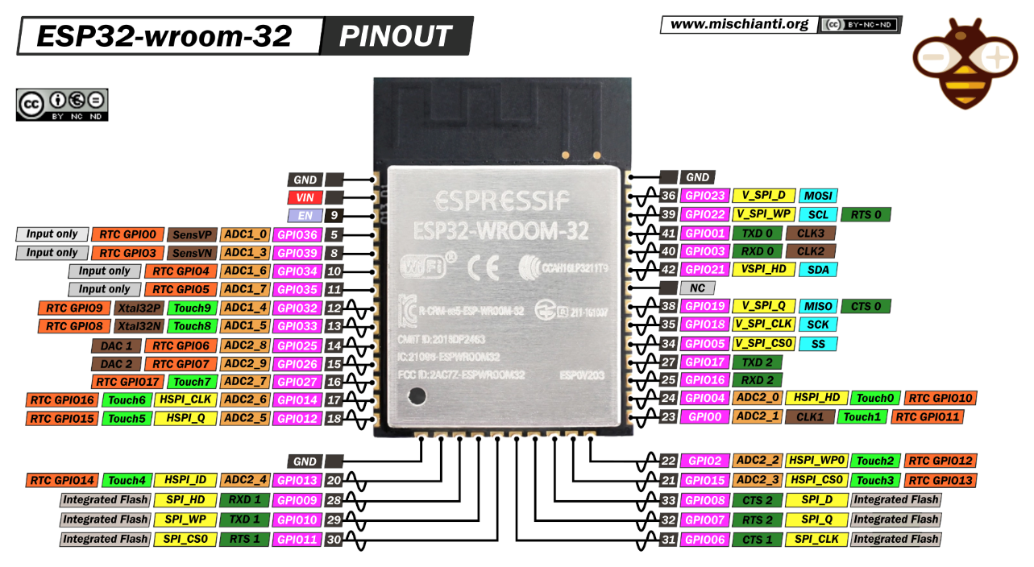
I/O | FUNCTION | NOTE
 | STEP1 | A4988
32 | ENA1
27 | STEP1
13 | DIR1
 | STEP2 | DRV8825
26 | ENA2
25 | STEP2
33 | DIR2
 | BUTTON
2 | MODE
35 | RUN
34 | STOP
39 | UP
36 | DOWN
 | BUZZER
 | I2C
22 | SCL
21 | SDA
 | LCD TFT 2.8-3.2INCH
5 | TFT_CS
12 | TFT_RESET
14 | TFT_DC
23 | SDI/MOSI + T_DIN
18 | TFT_SCK + T_SCK
3.3V | TFT_LED
19 | SDO/MISO + T_DO
4 | T_CS
15 | T_IRQ

