Bug Report
Bug Report 001
Bug ID | BUG-LOGIN-001
Summary | Login error messages layout breaks when resizing browser
Related | TC-LOGIN-008
Environment | Chrome, MacOS
Pre-condition | User is on login page
Steps to Reproduce | 1. Open login page 2. Enter invalid username and password 3. Click login button 4. Resize the browser window 5. Observe the error message layout
Expected Result | Error message should remain properly aligned within the login form container
Actual Result | Error message text overflows outside the container when the browser window is resized
Severity | Low
Priority | Low
Status | Open
Attachment | 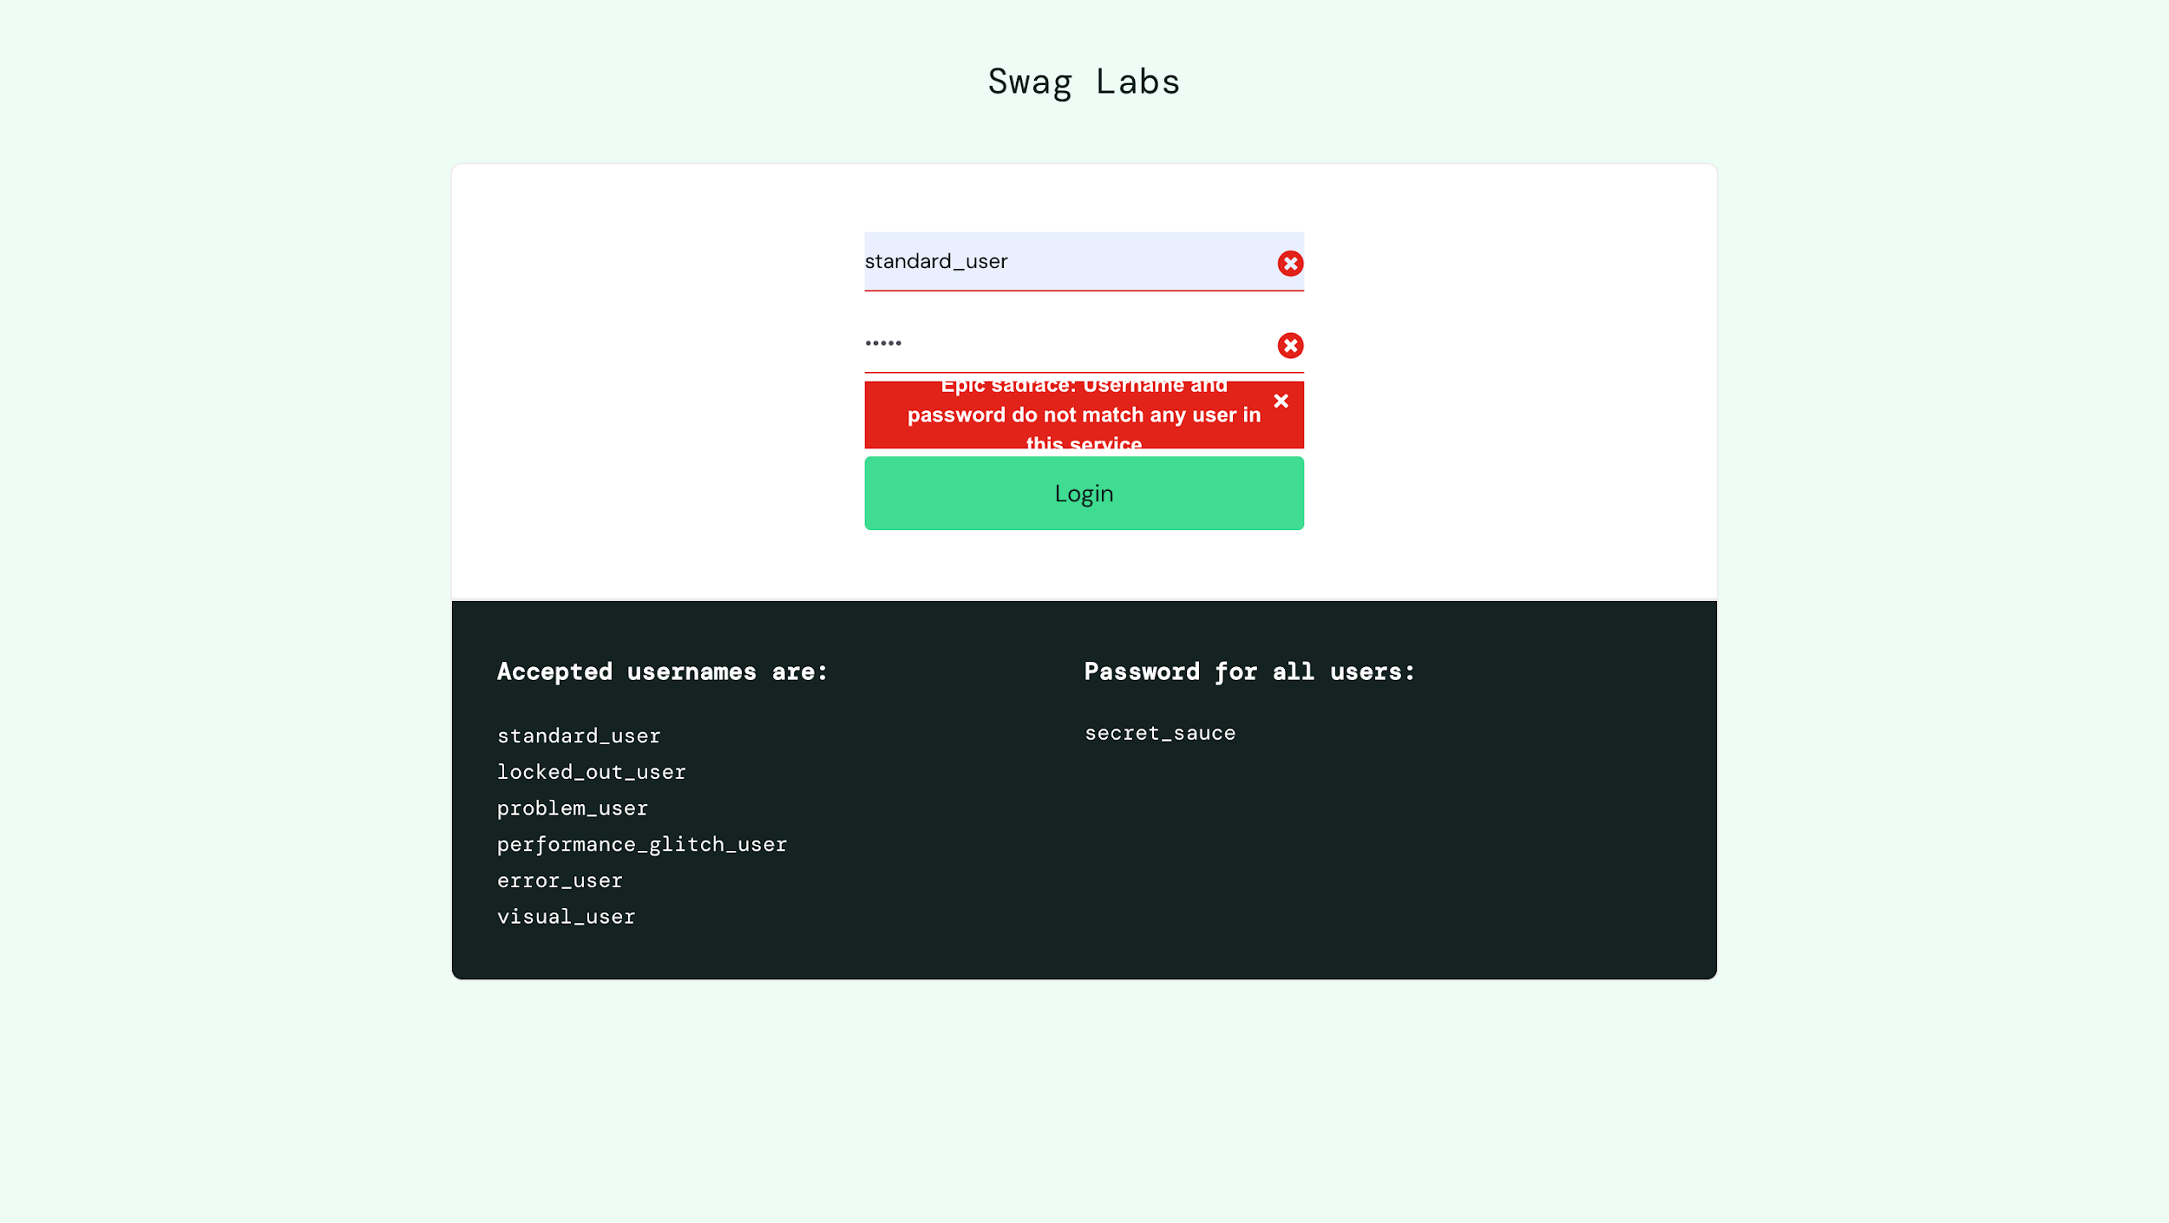

Bug Report 002
Bug ID | BUG-PROD-001
Summary | Product list page loads slowly after login
Related | TC-PROD-002
Environment | Chrome, MacOS
Pre-condition | User is on login page
Steps to Reproduce | 1. Open login page 2. Enter valid username and password 3. Click Login button 4. Observe loading time of product list page
Expected Result | Product list page should load within normal time without noticeable delay
Actual Result | Product list page takes several seconds to load after login
Severity | Medium
Priority | Medium
Status | Open
Attachment | 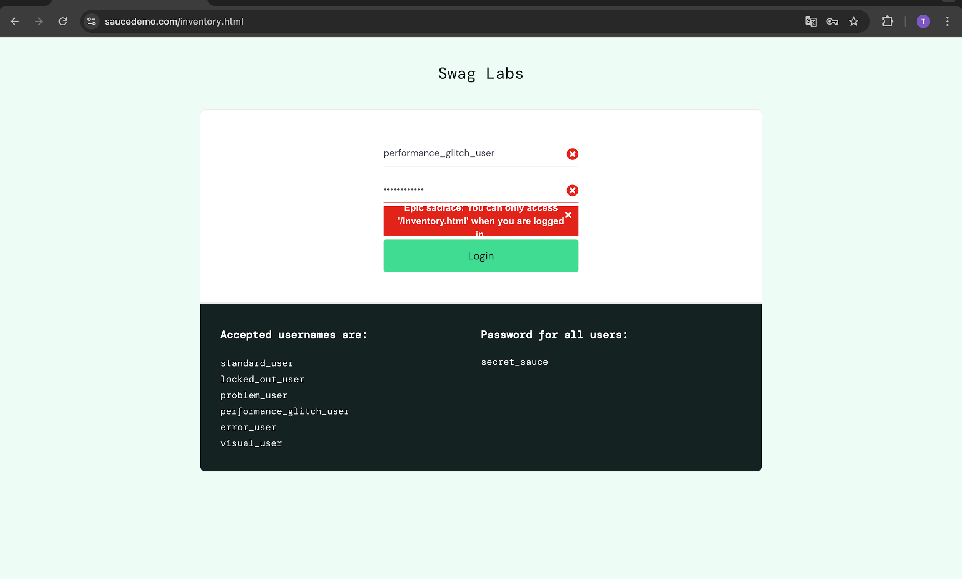

Bug Report 003
Bug ID | BUG-PROD-002
Summary | Product image does not match product name
Related | TC-PROD-007
Environment | Chrome, MacOS
Pre-condition | User is logged in
Steps to Reproduce | 1. Open login page 2. Enter valid username and password 3. Click Login button 4. Navigate to product list page 5. Observe product images
Expected Result | Product image should match product name
Actual Result | Product image does not match the product name
Severity | Low
Priority | Medium
Status | Open
Attachment | 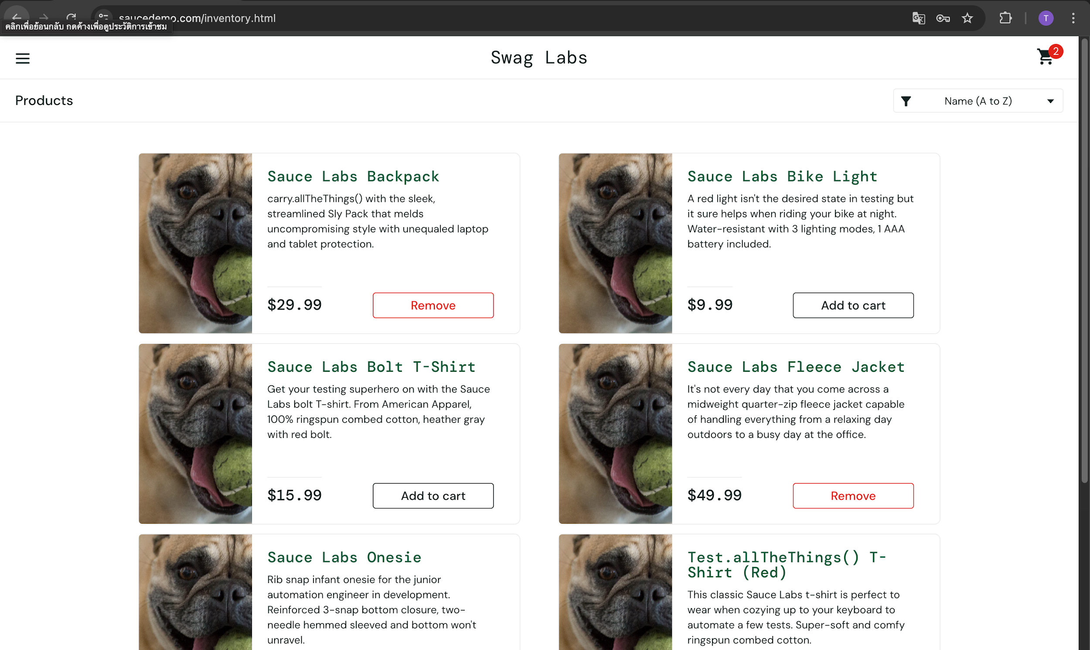

Bug Report 004
Bug ID | BUG-PROD-003
Summary | Remove button cannot be clicked on product list page
Related | TC-PROD-013
Environment | Chrome, MacOS
Pre-condition | User is logged in
Steps to Reproduce | 1. Open login page 2. Enter valid username and password 3. Click Login button 4. Navigate to product list page 5. Click "Add to cart" button 6. Click "Remove" button
Expected Result | Product should be removed and cart badge number should decrease
Actual Result | Remove button cannot be clicked on product list page
Severity | Hight
Priority | High
Status | Open
Attachment | 