DAY 1
DAY 1
NO | QUESTIONS | ANSWERS | PRACTICE | REFER
1 | Difference between JDK, JRE and JVM. And purpose? | 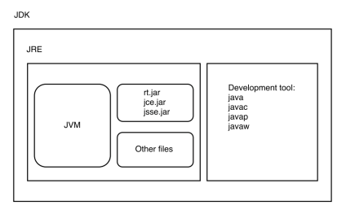 - JDK: Java Development Kit : - JRE: Java Runtime Environment - JVM: Java Virtual Machine JVM is a engine that provides runtime environment to drive the Java Code or applications. It converts Java bytecode into machines language. JVM is a part of JRE(Java Run Environment). JRE is an abstract machine. It is a specification that provides runtime environment in which java bytecode can be executed. JDK is an acronym for Java Development Kit. It physically exists. It contains JRE + development tools
2 | What is field, method in Java? Difference between field and method in Java? | Java fields and methods are core components of the programming language. Each plays a major role in Java classes Java field is a variable. This means it represents a value, such as text or a numeric value. For example, the variable isbn could be declared to hold the ISBN number of a publication. Fields are declared within classes of your code. A method is a function. That is, it is a block of code that carries out an operation. Like fields, methods need to be inside classes. A method can accept values from other parts of the program, and they can send results back to other parts of the program. Compare: Fields and methods are alike in that they exist within classes and have a defined type. If a method returns no values, its type is set to void. The most important distinction between the two is that Java fields can hold information, while Java methods perform a task.
3 | Why do we need main method for? | The main method is the entry point of you Java App. Whenever you execute a program, the main is the first function to be executed. You can call other functions from main to execute them. In a standard app, there is one main function which uses other classes’ instances to function.
4 | How many access modifiers in Java? And specifies accessibility of each type? | There are 4 types of java access modifiers: private: The private access modifier is accessible only within class. Default: If you don't use any modifier, it is treated as default bydefault. The default modifier is accessible only within package. protected: The protected access modifier is accessible within package and outside the package but through inheritance only. public: The public access modifier is accessible everywhere. It has the widest scope among all other modifiers.
5 | How many data types in Java? And purpose of each data type? Difference between non primitive and primitive data types. | 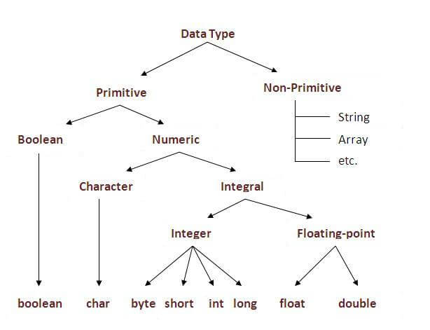 In java, there are two types of data types: Primitive data types Non-primitive data types 8 type of Primitive: boolean: 1 bit char: 2 byte byte: 1 byte short: 2 byte int: 4 byte long: 8 byte float: 4 byte double: 8 byte Primitive types are available as part of the language. int, float, double, char, void, etc Non-Primitive types are created by a progammer. These are referred to as reference variables, or object references, or objects.
6 | How many operators in Java? Which data types can work with operators? | Arithmetic Operators: + - * / % ++ -- : Decimal, Single, Double, or String Relational Operators: ==, !=, >, <, >=, <= : Boolean Bitwise Operators: &, |, ^, ~, <<, >>, >>>: Boolean Logical Operators : &&, ||, ! Assignment Operators: =, +=, -=, *=, /=, %=, <<=, >>=, &=, ^=, |= Misc Operators: String
7 | Difference between abstract / interface class? | Type of methods: Interface can have only abstract methods. Abstract class can have abstract and non-abstract methods. From Java 8, it can have default and static methods also. Final Variables: Variables declared in a Java interface are by default final. An abstract class may contain non-final variables. Type of variables: Abstract class can have final, non-final, static and non-static variables. Interface has only static and final variables. Implementation: Abstract class can provide the implementation of interface. Interface can’t provide the implementation of abstract class. Inheritance vs Abstraction: A Java interface can be implemented using keyword “implements” and abstract class can be extended using keyword “extends”. Multiple implementation: An interface can extend another Java interface only, an abstract class can extend another Java class and implement multiple Java interfaces. Accessibility of Data Members: Members of a Java interface are public by default. A Java abstract class can have class members like private, protected, etc.
8 | What is “static” keyword in Java? Why we need to use it? | The static keyword in java is used for memory management mainly. We can apply java static keyword with variables, methods, blocks and nested class. The static keyword belongs to the class than instance of the class. The static can be: variable (also known as class variable) method (also known as class method) block nested class

