06_Figures_Embedded
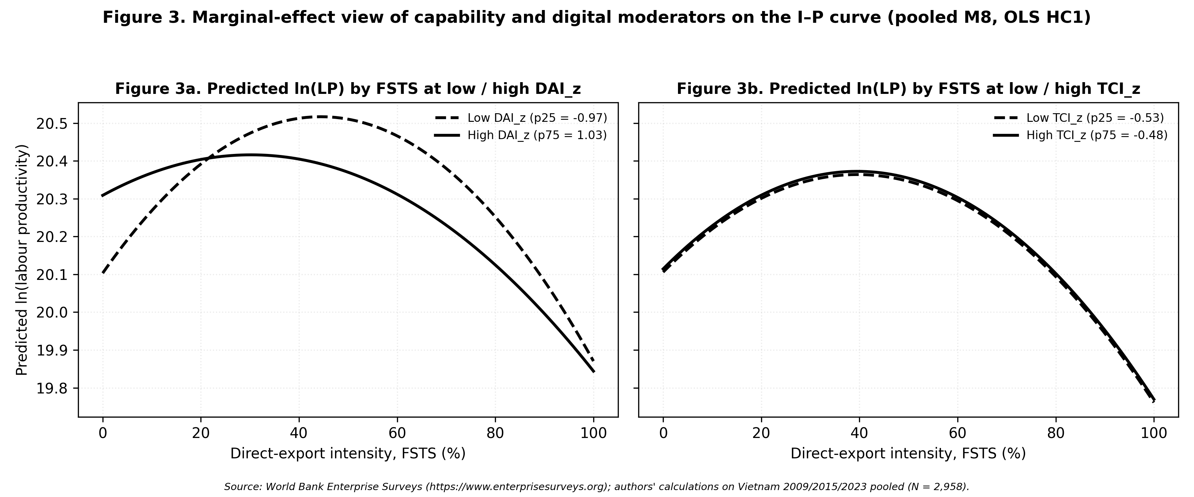
P3_Vietnam_JED — Embedded Figures (data-driven, source-traceable)
Each figure below was rendered from a CSV / data file produced by the paper's Stata or R replication pipeline. Provenance is listed under each figure. See 'STATA_REPLICATION_GUIDE.md' (Vietnamese + English) for end-to-end reproduction instructions.

Figure 1: figure_1_conceptual_model.png
Provenance: scripts/render_conceptual_models.py → matplotlib (theoretical diagram, not data-driven)
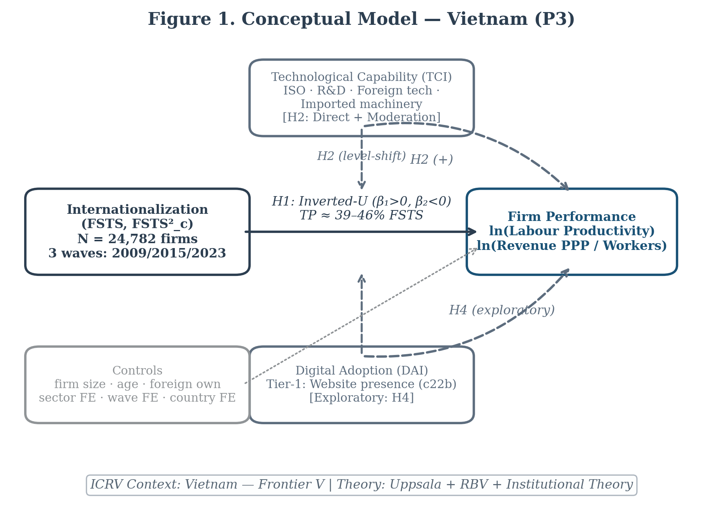

Figure 2: figure_2a.png
Provenance: p3/replication/figures/ ← p3/replication/coefs_main_models.csv (Stata 02_run_models.do)
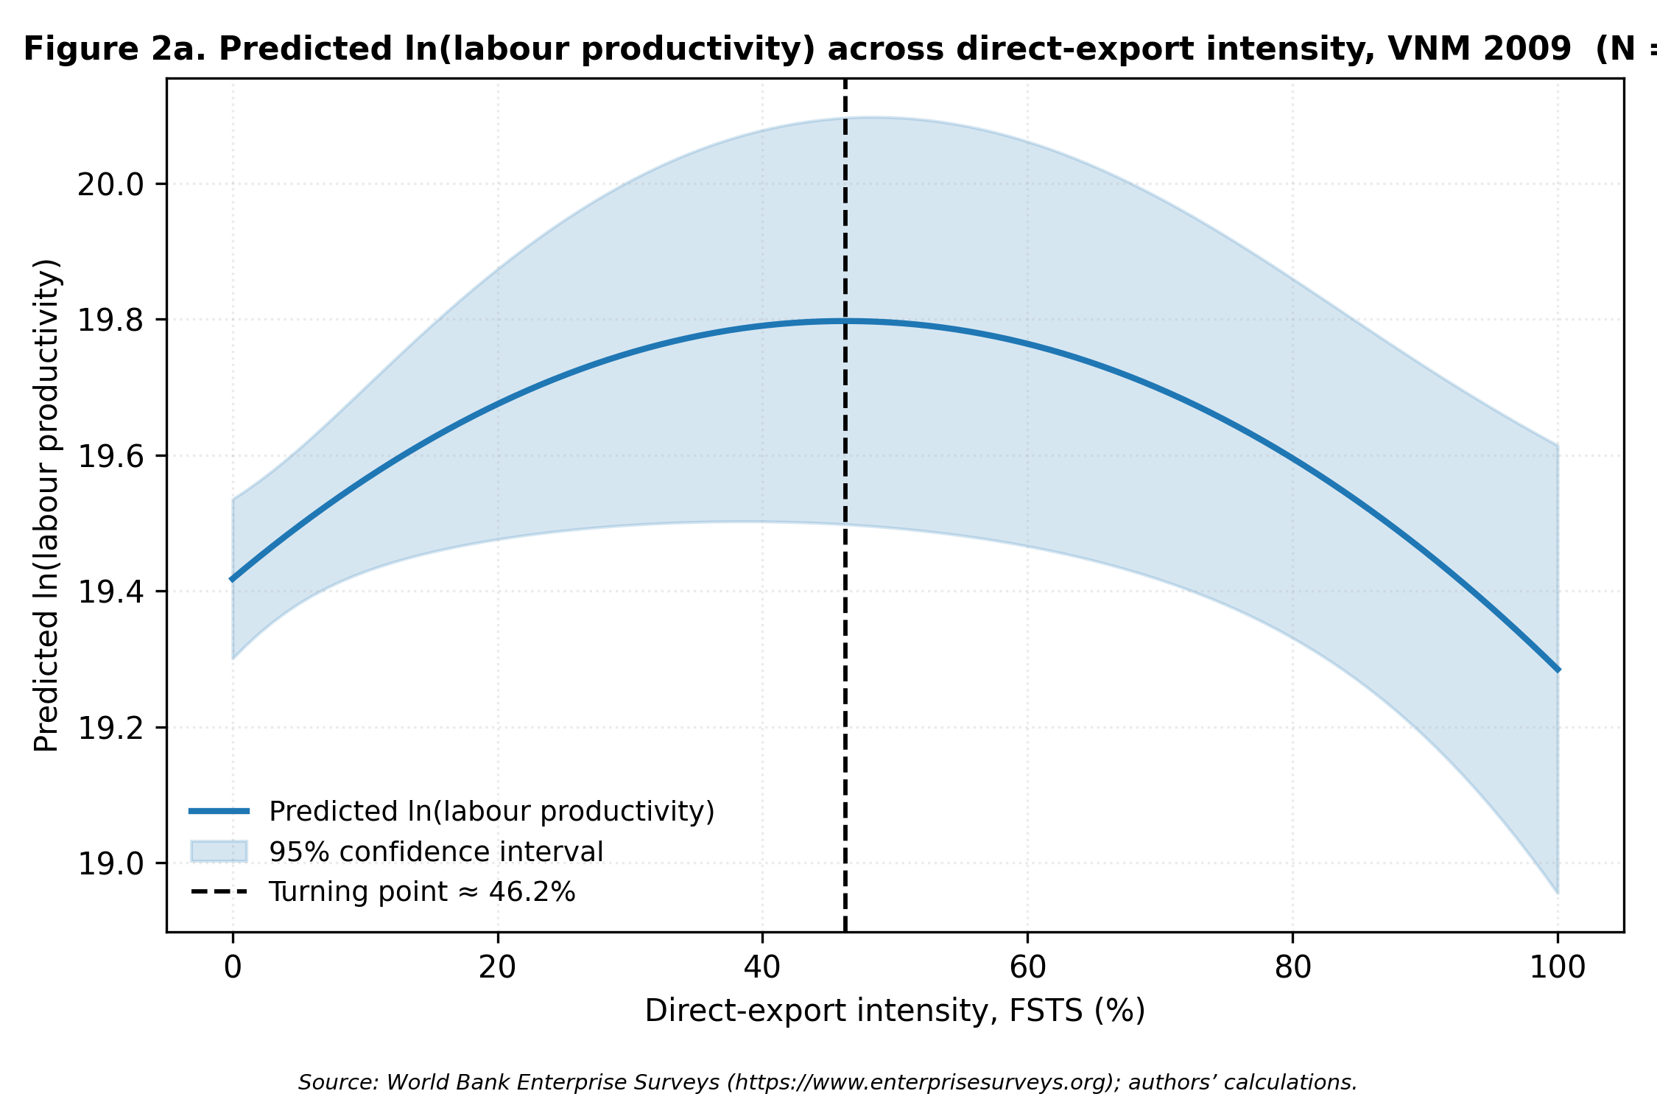

Figure 3: figure_2b.png
Provenance: p3/replication/figures/ ← p3/replication/coefs_main_models.csv (Stata 02_run_models.do)
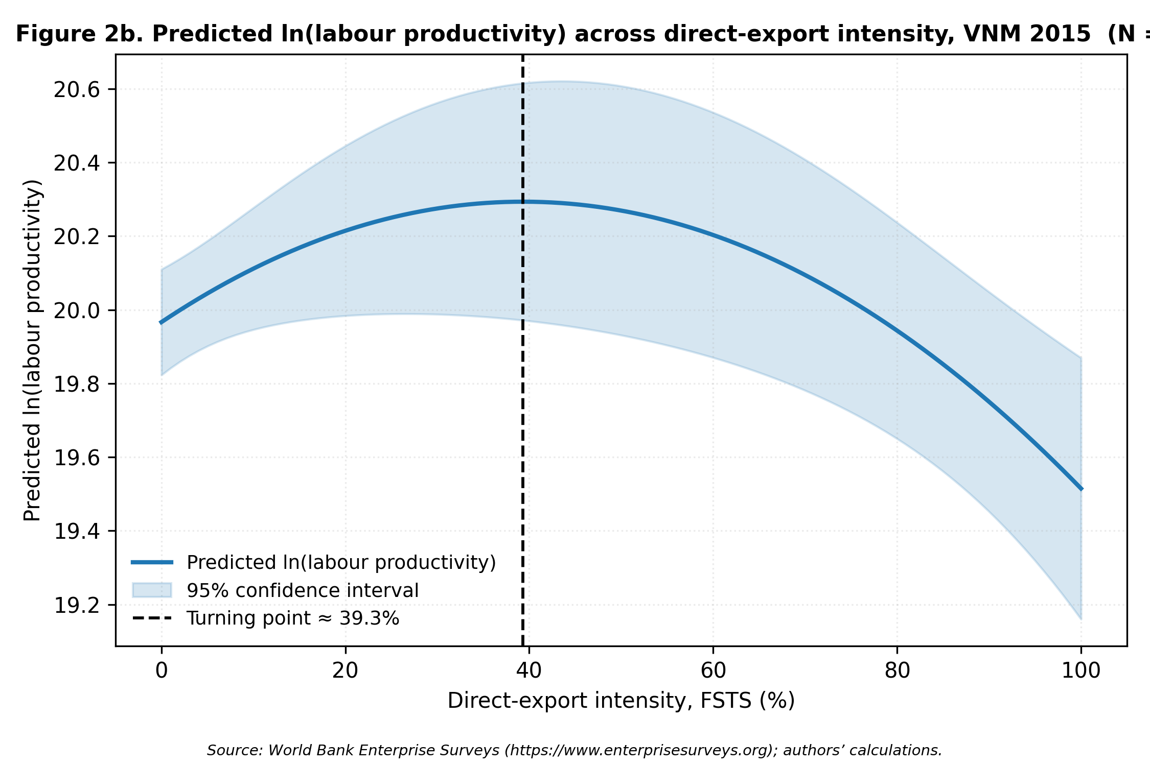

Figure 4: figure_2c.png
Provenance: p3/replication/figures/ ← p3/replication/coefs_main_models.csv (Stata 02_run_models.do)
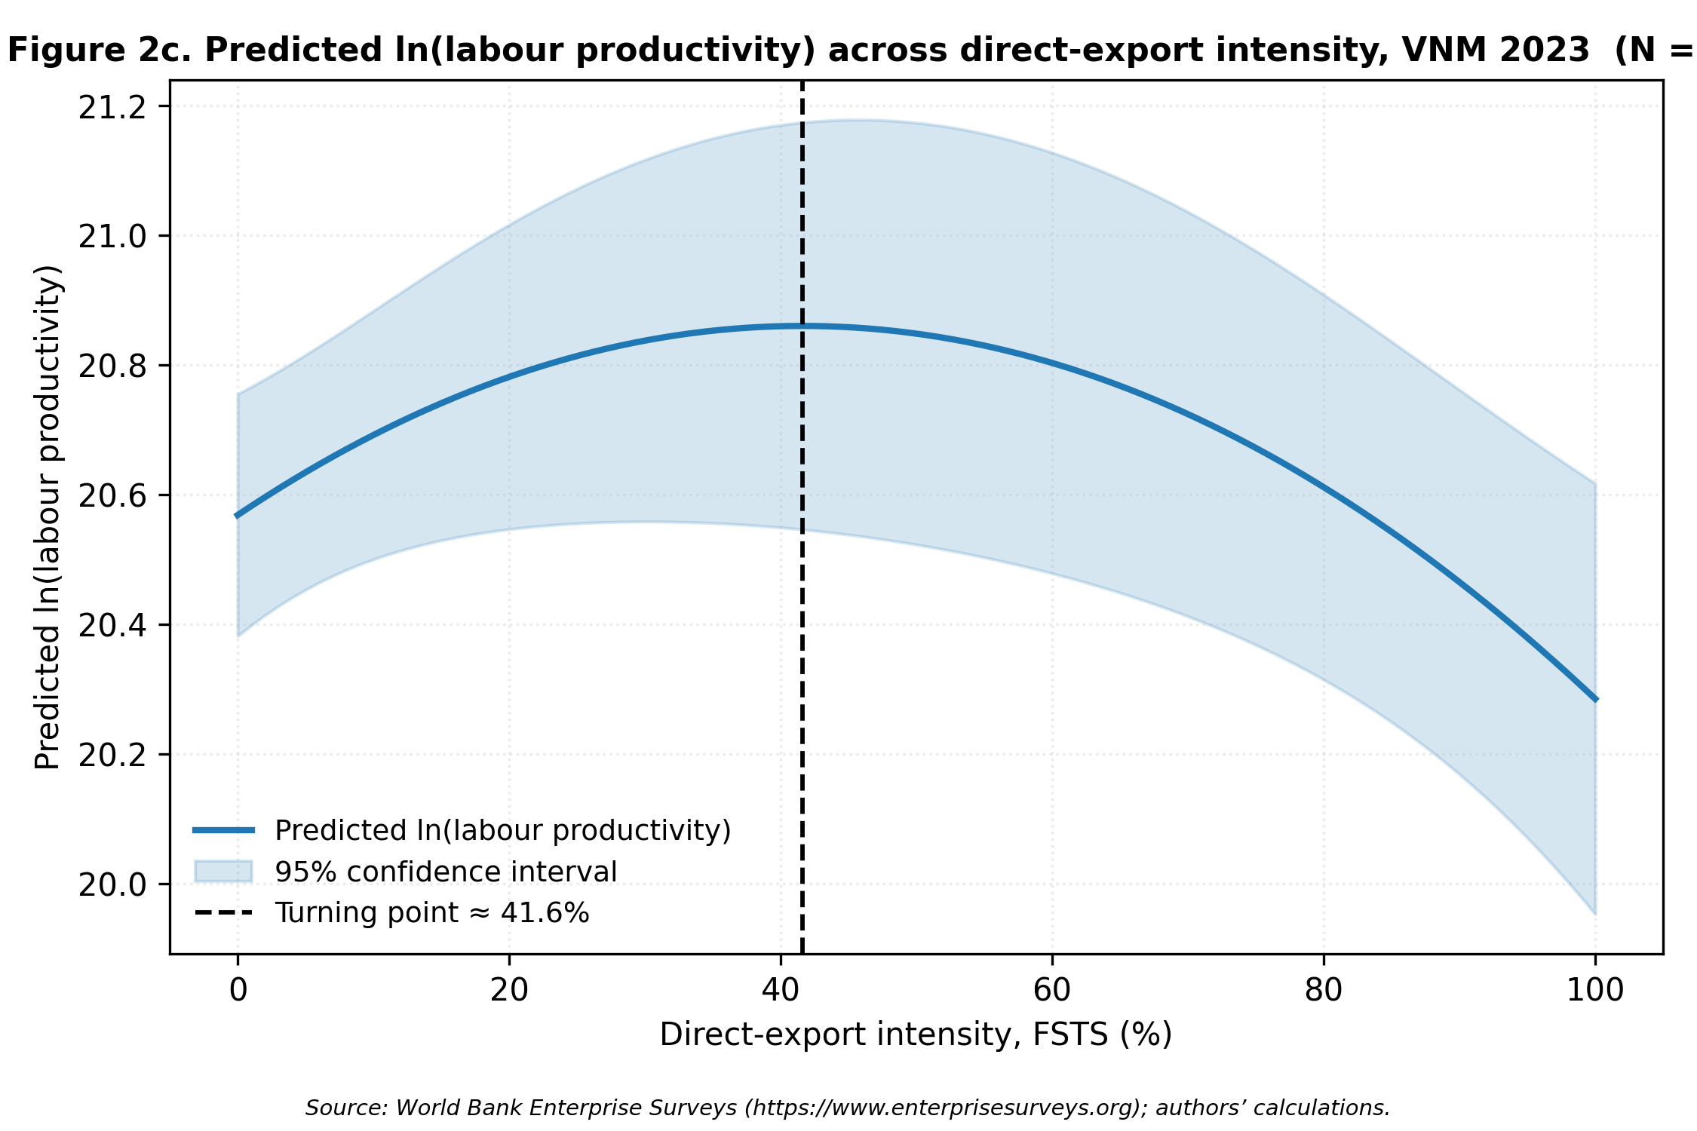

Figure 5: figure_2d.png
Provenance: p3/replication/figures/ ← p3/replication/coefs_main_models.csv (Stata 02_run_models.do)
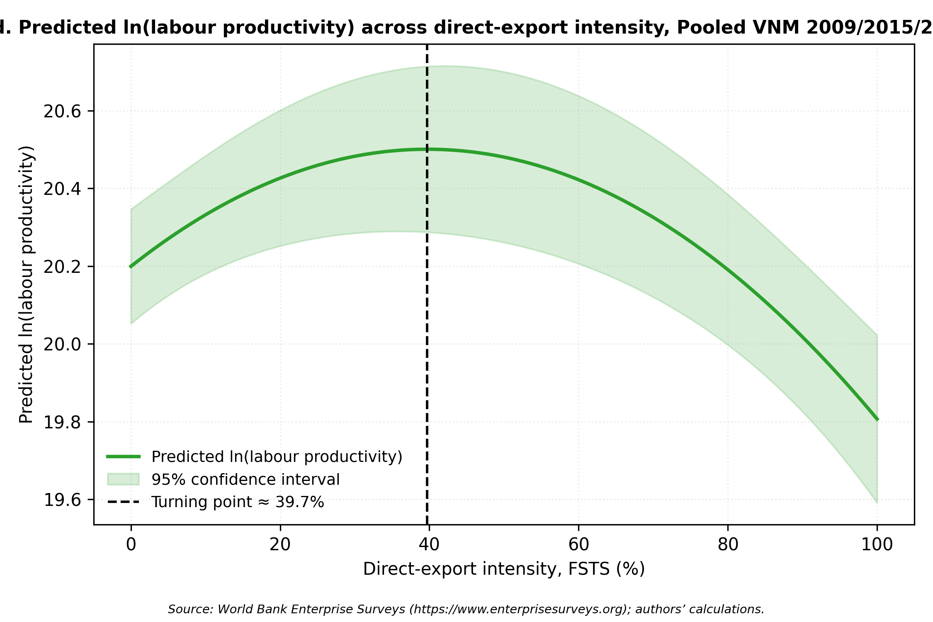

Figure 6: figure_3_moderator_marginals.png
Provenance: p3/replication/figures/ ← p3/replication/moderator_marginal_effects.csv (Stata margins post-estimation)

