06_Figures_Embedded
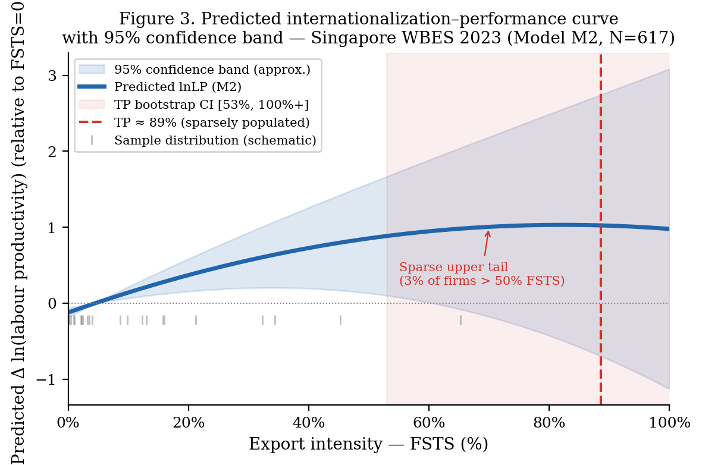
P4_Singapore_JABES — Embedded Figures (data-driven, source-traceable)
Each figure below was rendered from a CSV / data file produced by the paper's Stata or R replication pipeline. Provenance is listed under each figure. See 'STATA_REPLICATION_GUIDE.md' (Vietnamese + English) for end-to-end reproduction instructions.

Figure 1: figure_1_conceptual_model.png
Provenance: scripts/render_conceptual_models.py → matplotlib (theoretical diagram, not data-driven)
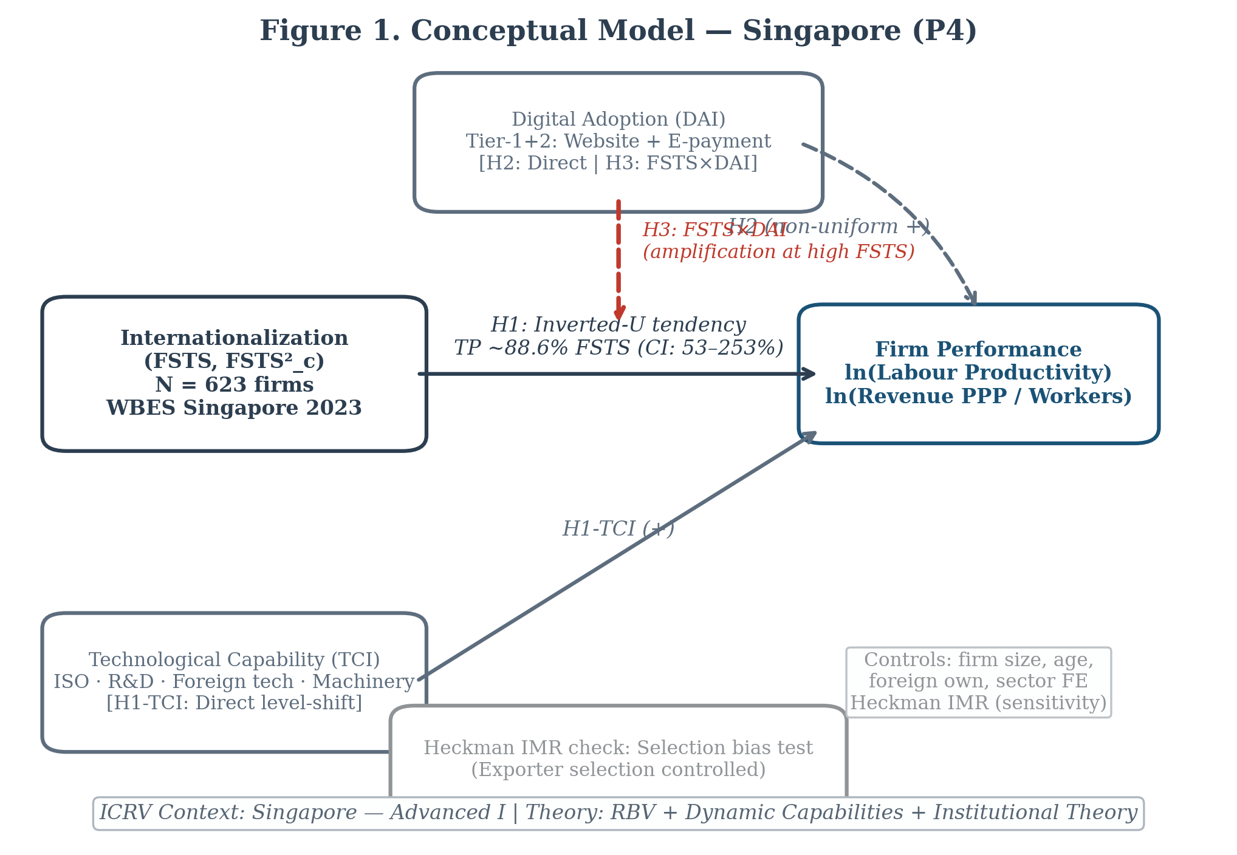

Figure 2: figure_2_dai_marginal_effect.png
Provenance: p4/replication/figures/ ← p4/replication/dai_marginal_effects.csv (Stata margins)
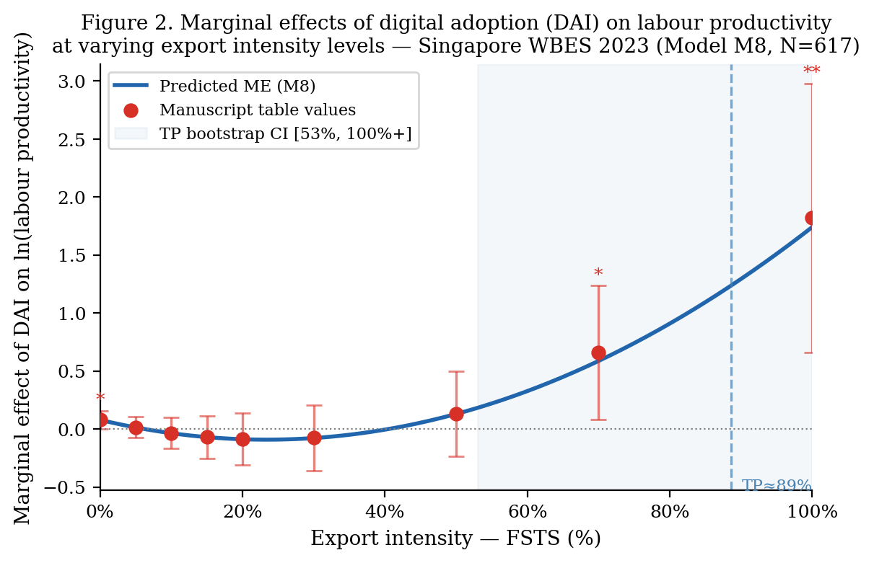

Figure 3: figure_3_predicted_ip_curve.png
Provenance: p4/replication/figures/ ← p4/replication/predicted_curve.csv (Stata predict post-estimation)

