06_Figures_Embedded
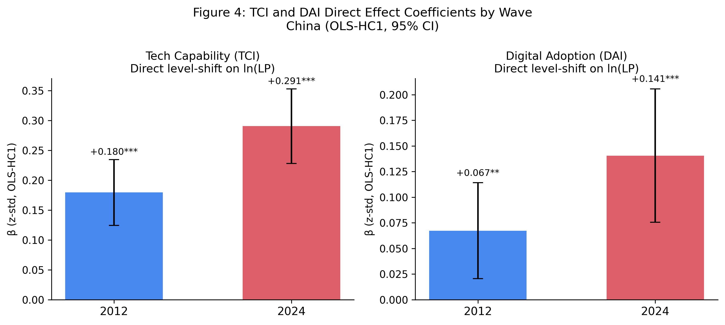
P5_China_IJOEM — Embedded Figures (data-driven, source-traceable)
Each figure below was rendered from a CSV / data file produced by the paper's Stata or R replication pipeline. Provenance is listed under each figure. See 'STATA_REPLICATION_GUIDE.md' (Vietnamese + English) for end-to-end reproduction instructions.

Figure 1: figure_1_conceptual_model.png
Provenance: scripts/render_conceptual_models.py → matplotlib (theoretical diagram, not data-driven)
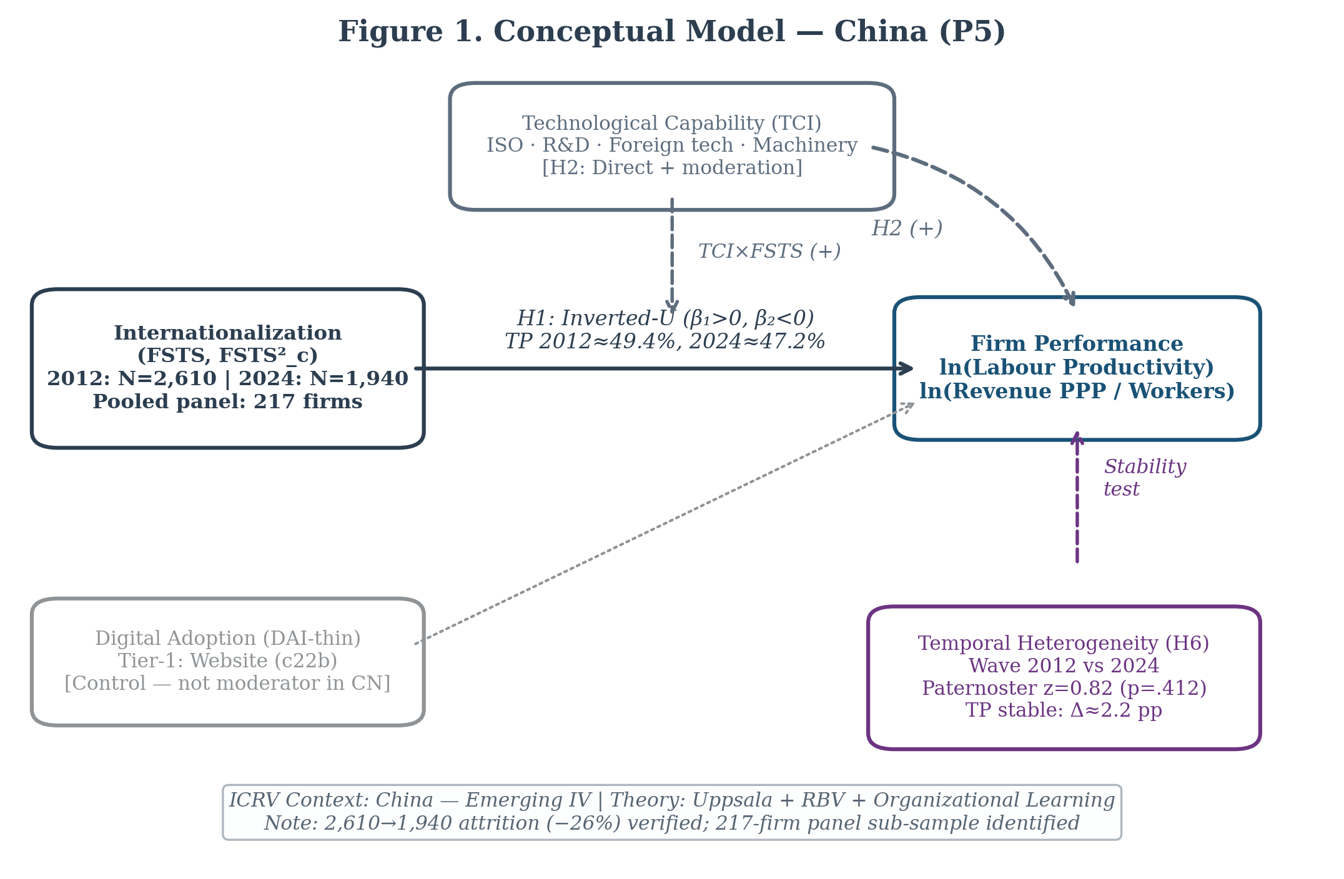

Figure 2: figure_2_turning_points.png
Provenance: p5/replication/figures/ ← p5/replication/turning_points.csv (Stata delta-method CI)
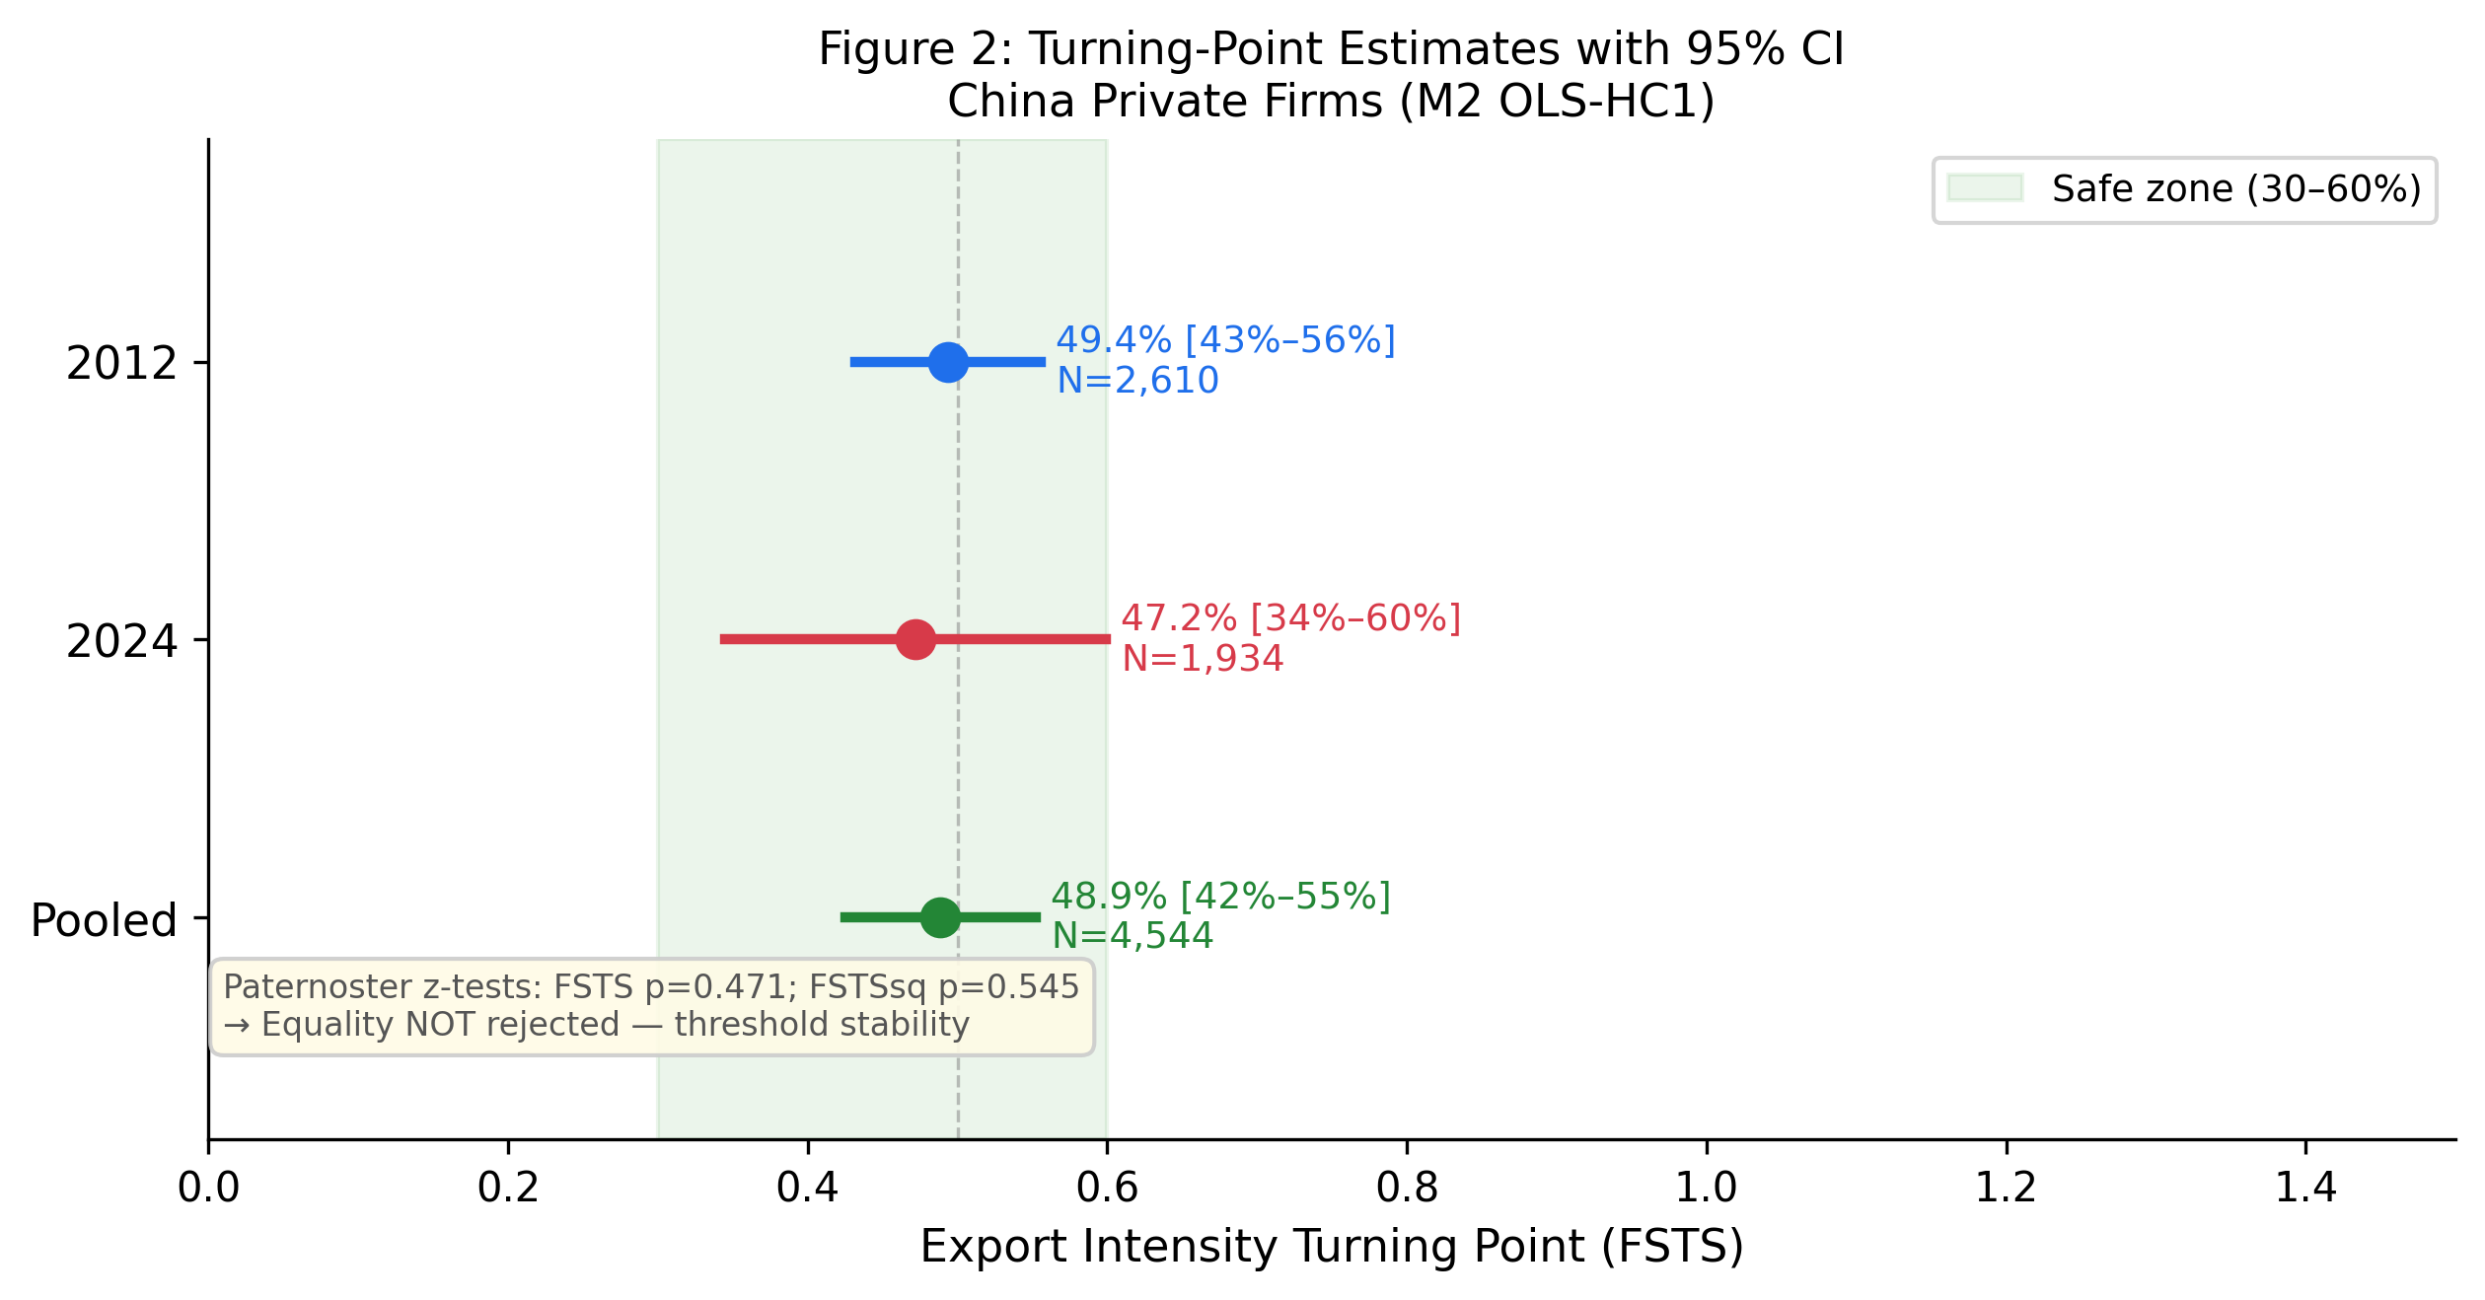

Figure 3: figure_3_predicted_curves.png
Provenance: p5/replication/figures/ ← p5/replication/predicted_by_wave.csv (Stata margins, atmeans)
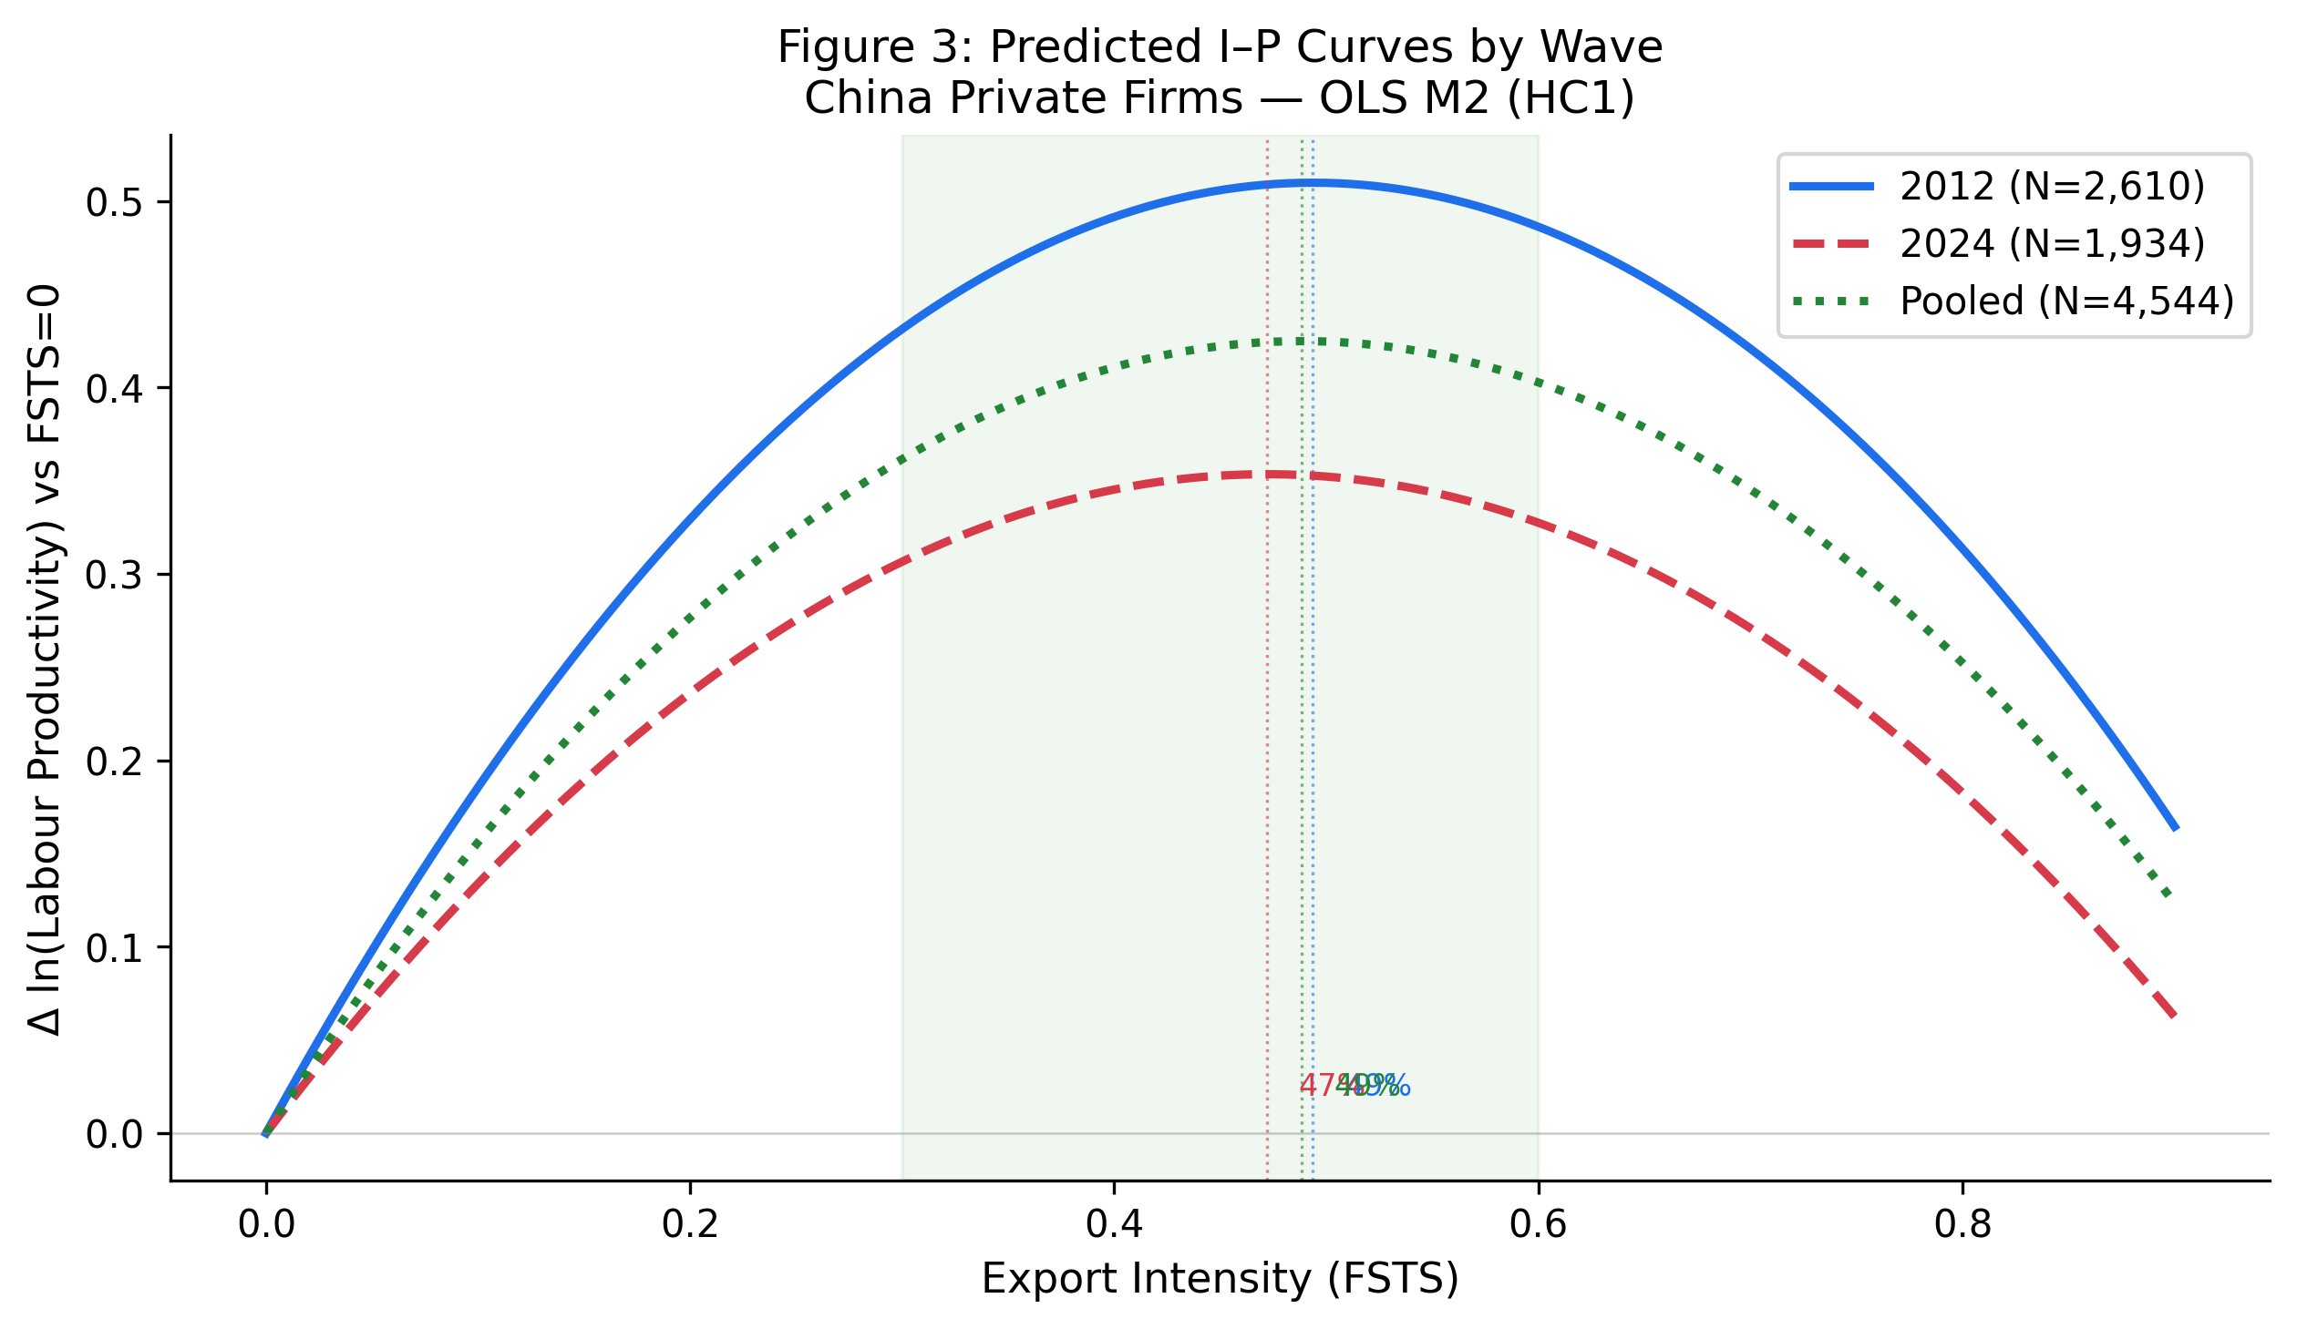

Figure 4: figure_4_level_shifts.png
Provenance: p5/replication/figures/ ← p5/replication/coefs_main_models.csv (Stata 04_run_models.do)

