06_Figures_Embedded
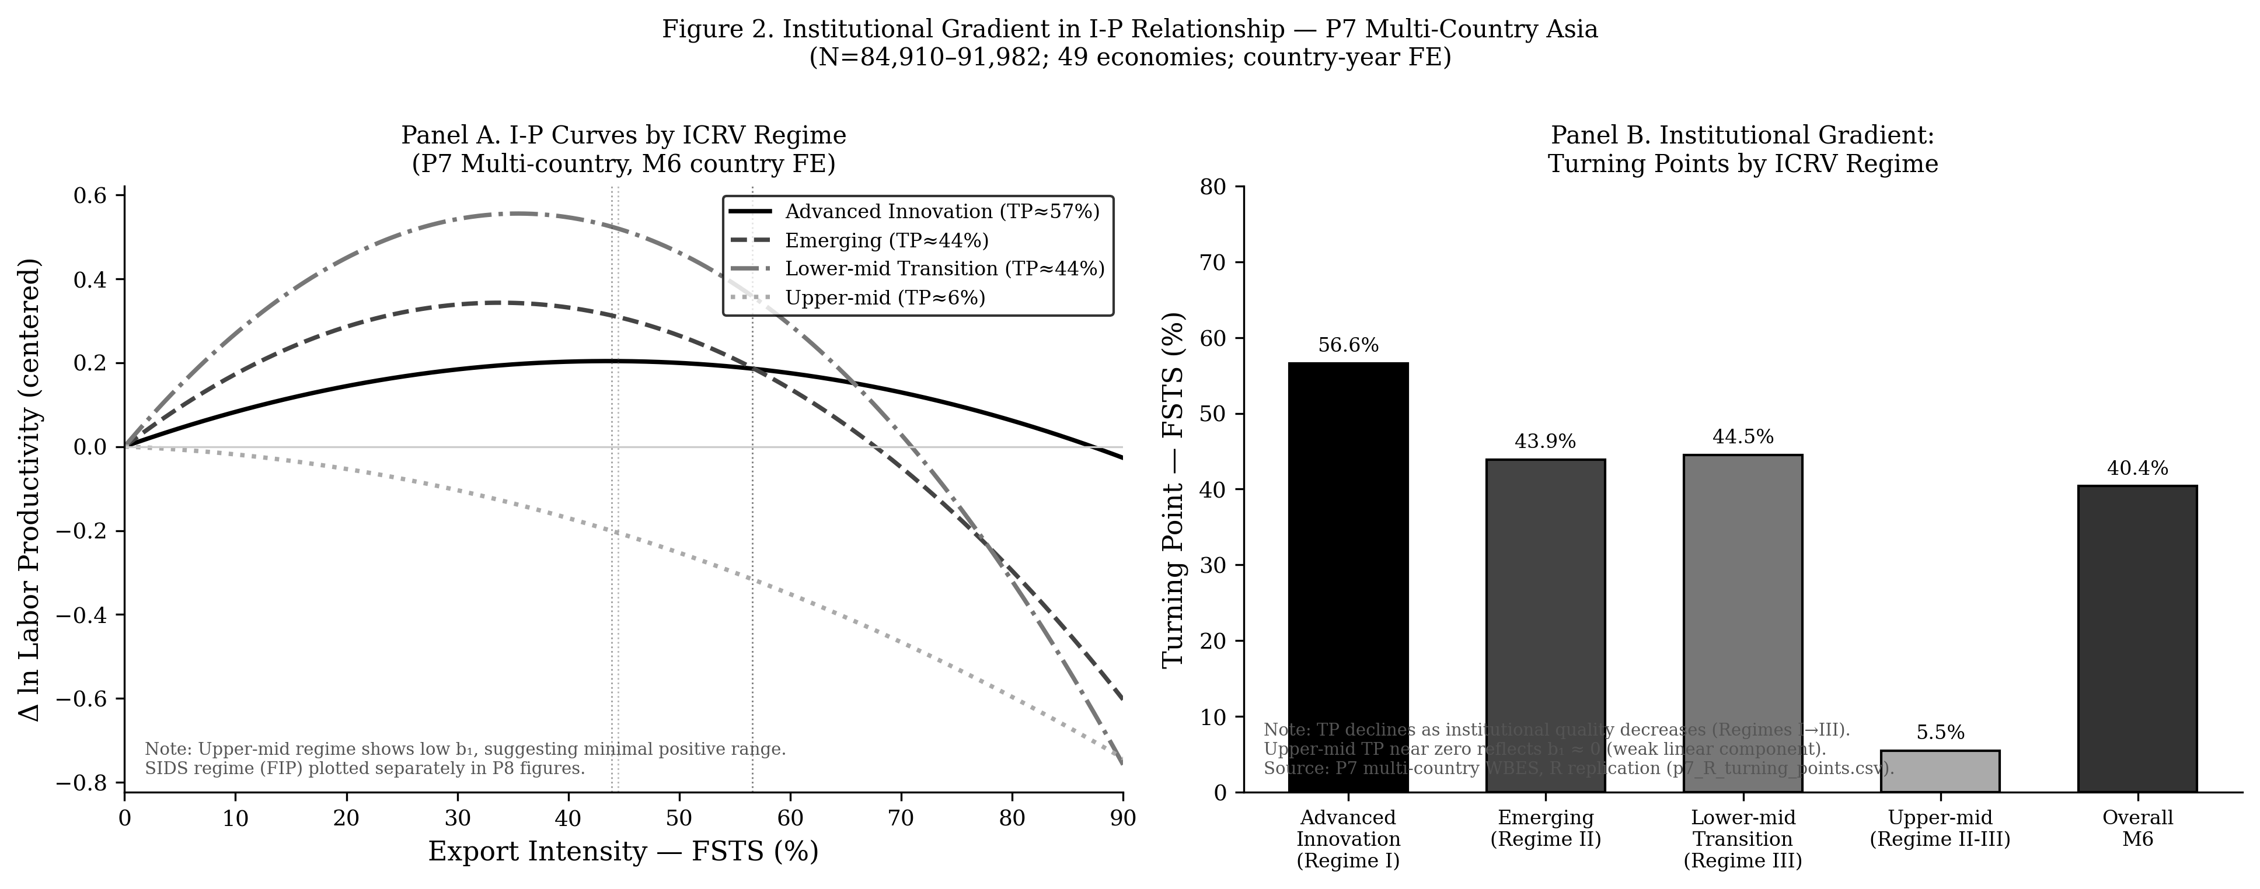
P7_Capstone_JIBS — Embedded Figures (data-driven, source-traceable)
Each figure below was rendered from a CSV / data file produced by the paper's Stata or R replication pipeline. Provenance is listed under each figure. See 'STATA_REPLICATION_GUIDE.md' (Vietnamese + English) for end-to-end reproduction instructions.

Figure 1: figure_1_conceptual_model.png
Provenance: scripts/render_conceptual_models.py → matplotlib (theoretical diagram, not data-driven)
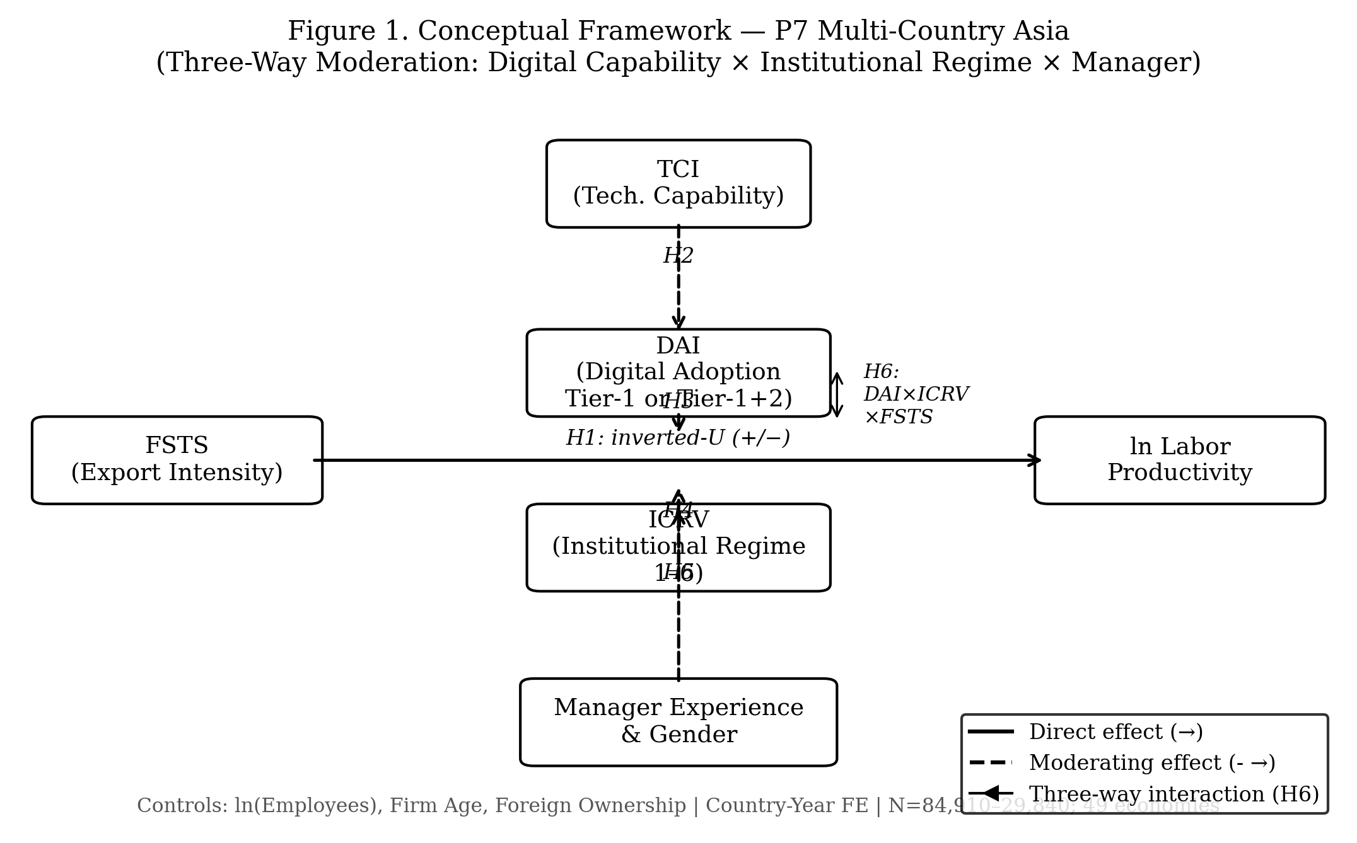

Figure 2: figure_2_icrv_gradient.png
Provenance: p7/replication/figures/ ← p7/replication/icrv_marginal_effects.csv (R 02_run_p7_models.py)

