06_Figures_Embedded
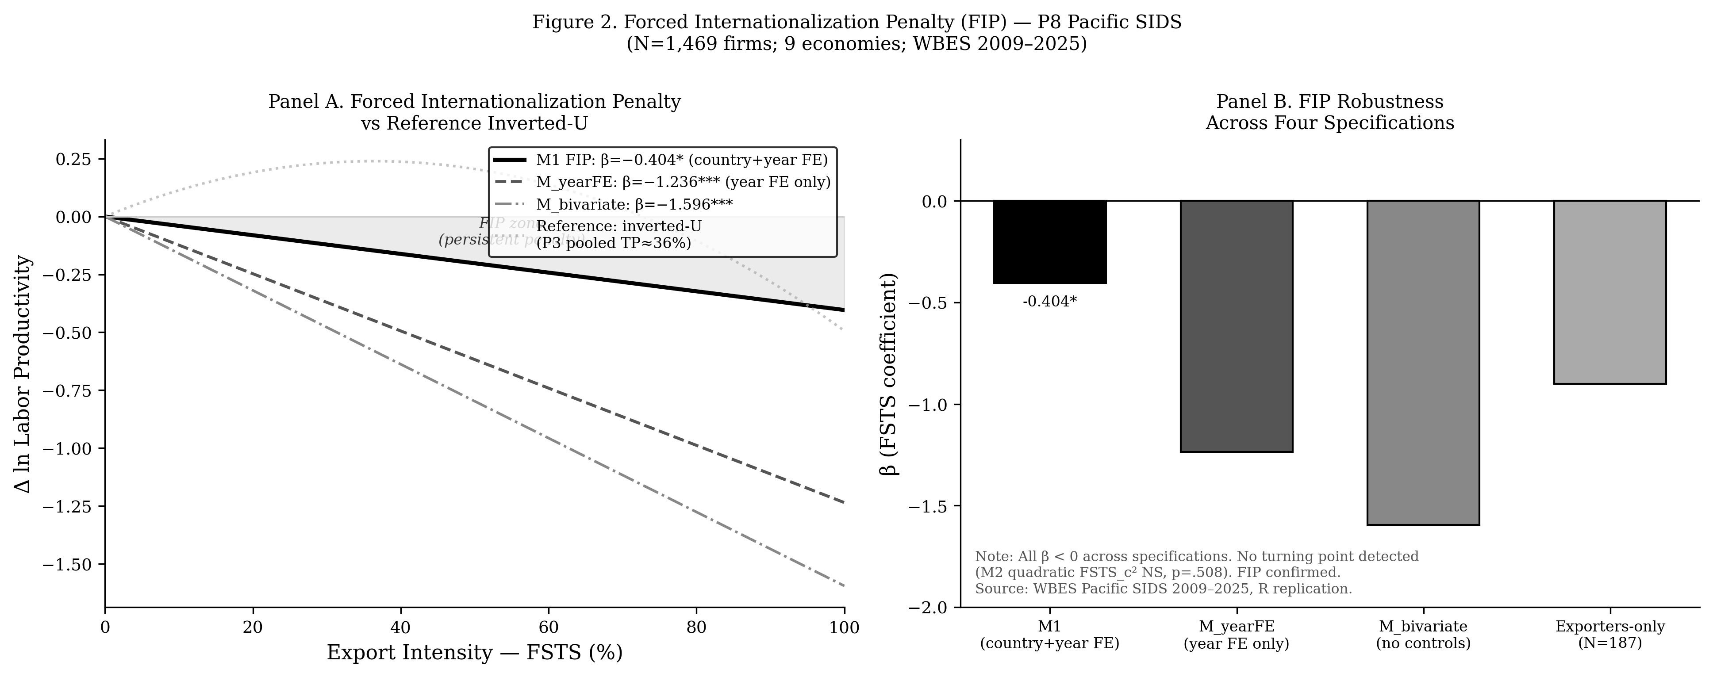
P8_SIDS_JED — Embedded Figures (data-driven, source-traceable)
Each figure below was rendered from a CSV / data file produced by the paper's Stata or R replication pipeline. Provenance is listed under each figure. See 'STATA_REPLICATION_GUIDE.md' (Vietnamese + English) for end-to-end reproduction instructions.

Figure 1: figure_1_conceptual_model.png
Provenance: scripts/render_conceptual_models.py → matplotlib (theoretical diagram, not data-driven)
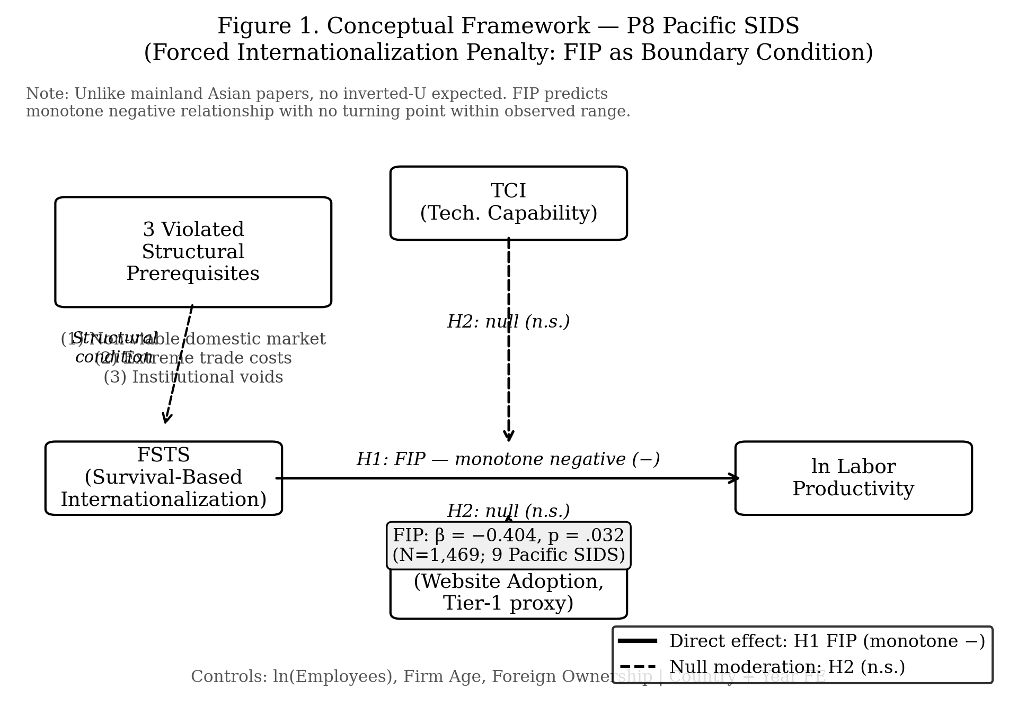

Figure 2: figure_2_fip_curve.png
Provenance: p8/replication/figures/ ← p8/replication/p8_predicted_curve.csv (R 01_p8_run_models_R.R)

