Sheet2
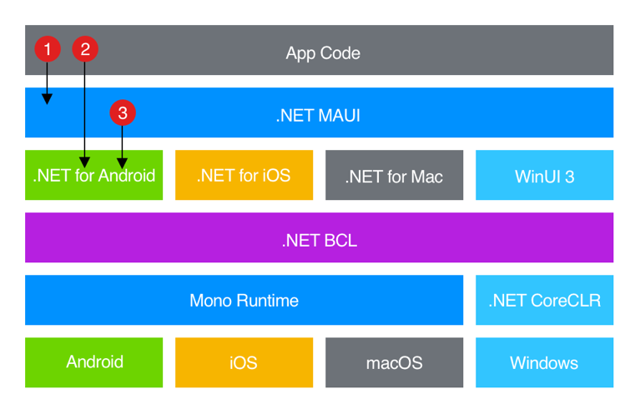
 | UI
Feature | WinUI | WPF | WinForms | MAUI
Support | Supports desktop and UWP apps | Supports .NET apps | Supports .NET apps | Cross-platform
Usability | Can work in Win32/desktop apps and UWP apps | Only works in Win32/desktop apps | Only works in Win32/desktop apps | Can work in Win32/desktop apps and UWP apps
Category | Modern native UI platform for Windows | Desktop/Win 32 apps | Desktop/Win 32 apps | Modern native UI platform for every platform
C++ Compatibility | Yes | No | No | No
.NET Compatibility | Yes | Yes | Yes | Yes
Built-in Fluent Design Controls and Styles | Yes | No | No | Yes
Capabilities to take modern input like touch, gamepad, pen | Yes | No | No | Yes

 |  |  | Ref - https://www.youtube.com/watch?v=cY51JedRtHA

