From Fusion 360
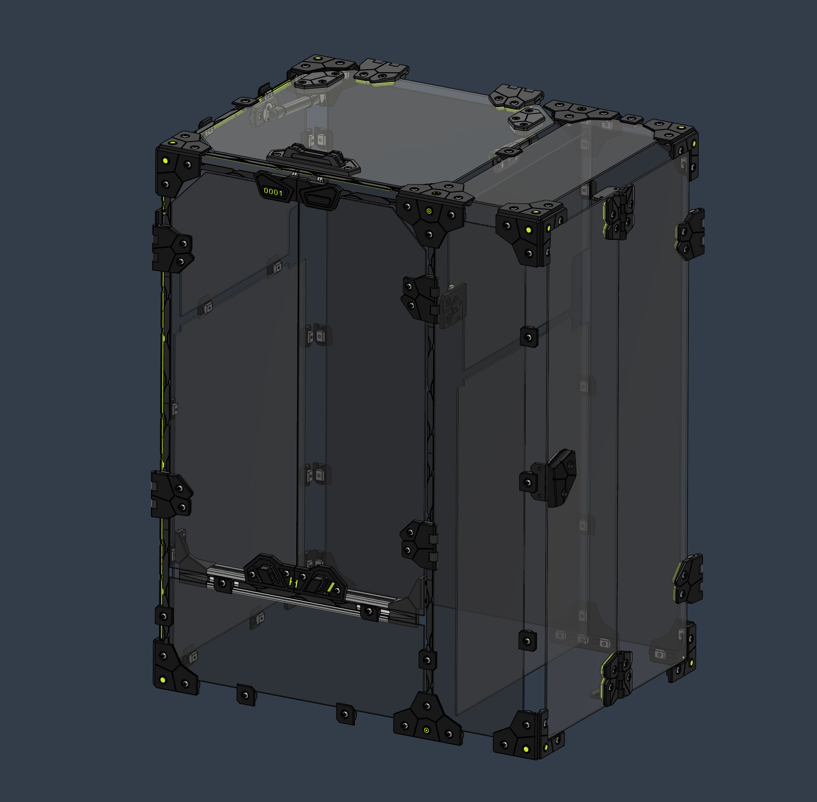 |  |  |  | LINK TO CAD | The Acid Bee enclosure offers a mean to keep the heat inside the chamber whith style. A The floating panel design that prevents undesired effect from material thermal expansion. Magnetic latching doors and a top lid with gas struts. This design is meant for 3mm thick panel, but can easily be adapted to thicker materials. |  |  |  |  | HevORT Enclosure Acid Bee

SubAssy | Category | Item | Thumbnail | Part Name | Part Description | Make/Buy | QTY | Included in KIT | Comment | Vendor | Vendor URL
Enclosure_AcidBee | Hardware | 1 |  | M5X3030_Twist in T Nut | Nut, Tslot (Twist) - M5X3030 | Buy | 130 | Yes
Enclosure_AcidBee | Hardware | 2 | 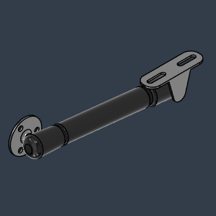 | GasStrut_Assembly | 20 6inches Newton Gas Strut | Buy | 2 | Yes |  | Amazon | https://amzn.to/3uD51a2
Enclosure_AcidBee | Hardware | 3 | 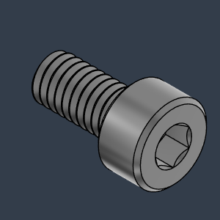 | M4X8_CapScrew_91292A108 | Screw, Cap, M4X8mm | Buy | 6 | Yes
Enclosure_AcidBee | Hardware | 4 | 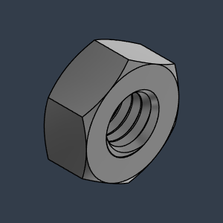 | M4_Nut_94150A335 | Nut, Hex - M4 | Buy | 6 | Yes
Enclosure_AcidBee | Hardware | 5 | 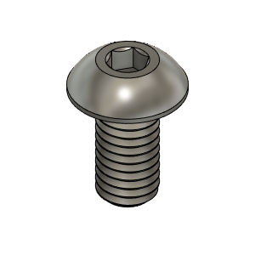 | M5X10_ButtonHeadScrew_97763A820 | Screw, ButtonHead - M5X10mm | Buy | 124 | Yes
Enclosure_AcidBee | Hardware | 6 | 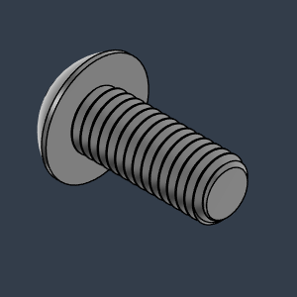 | M5X12_ButtonHeadScrew_91239A228 | Screw, ButtonHead - M5X12mm | Buy | 10 | Yes
Enclosure_AcidBee | Hardware | 7 | 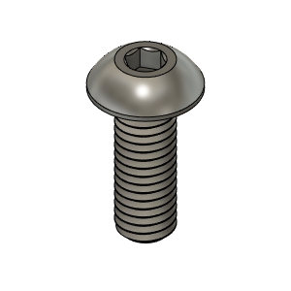 | M5X14_ButtonHeadScrew_91239A230 | Screw, ButtonHead - M5X14mm | Buy | 40 | Yes
Enclosure_AcidBee | Hardware | 8 | 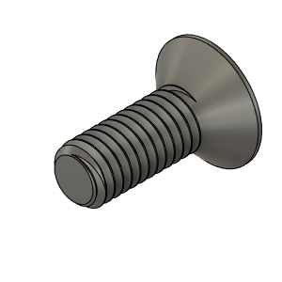 | M3X8_FlatHead_93395A201 | Screw, M3*8mm flat head | Buy | 4 | Yes
Enclosure_AcidBee | Hardware | 9 | 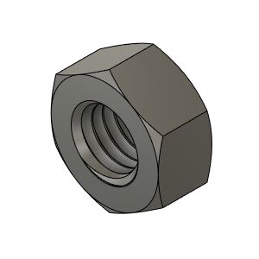 | M5_HexNut_94150A340 v1(Mirror) | Nut, Hex - M5 | Buy | 44 | Yes
Enclosure_AcidBee | Buy | 10 | 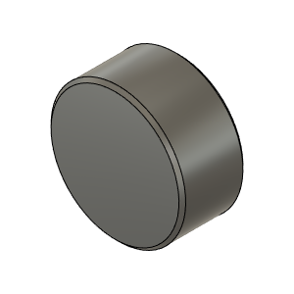 | Magnet_10X5 | Magnet_10X5 | Buy | 24 | Yes | WARNING!!! Make sure to insert magnets in the PROPER DIRECTION! AND USE SUPER GLUE TO SECURE THEM
Enclosure_AcidBee | Buy | 11 | 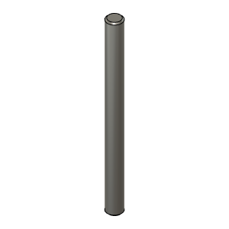 | HingePin 60mm long | Dowel Pin 5mm Dia | Buy | 10 | Yes | 60mm Long X 5mm Diameter dowel pin.
Enclosure_AcidBee | Buy | 12 | 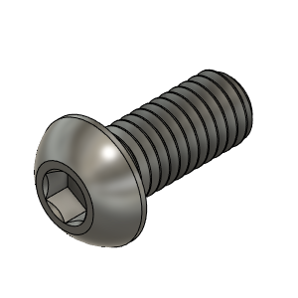 | M6X12_ButtonHeadScrew_92095A227 | Screw, ButtonHead - M6X12mm | Buy | 4 | Yes | To hold the front door lower beam bracket
Enclosure_AcidBee | Buy | 13 |  | M6 roll in t-nut | Nut, Roll in, M6 | Buy | 4 | Yes
Enclosure_AcidBee | Buy (Optional) | 14 | 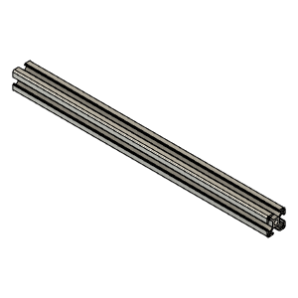 | 3030_profile v1 | Front Door Lower Member | Buy | 1 | No | OPTIONAL. Length of this extrusion is 110mm shorter than the other X oriented horizontal pieces. Ex: for a 315mm build the X oriented extrusions are 420mm long. This lower door beam needs to be 420-110 = 310mm
Enclosure_AcidBee | Make | 15 | 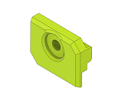 | Panel Clip Half | Clip, Half | Make | 4 | No |  | HevORT - Enclosure - Acid Bee Theme by MirageC - Thingiverse | HevORT/files/STL/Enclosure/AcidBee_Enclosure at master · MirageC79/HevORT (github.com)
Enclosure_AcidBee | Make | 16 | 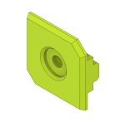 | Panel Clip | Clip, Panel | Make | 8 | No |  | HevORT - Enclosure - Acid Bee Theme by MirageC - Thingiverse | HevORT/files/STL/Enclosure/AcidBee_Enclosure at master · MirageC79/HevORT (github.com)
Enclosure_AcidBee | Make | 17 | 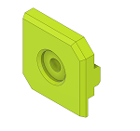 | Panel Clip Sides | Clip, Sides | Make | 24 | No |  | HevORT - Enclosure - Acid Bee Theme by MirageC - Thingiverse | HevORT/files/STL/Enclosure/AcidBee_Enclosure at master · MirageC79/HevORT (github.com)
Enclosure_AcidBee | Make | 18 | 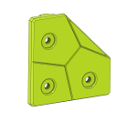 | Panel Clip_Corner | Clip_Corner | Make | 16 | No |  | HevORT - Enclosure - Acid Bee Theme by MirageC - Thingiverse | HevORT/files/STL/Enclosure/AcidBee_Enclosure at master · MirageC79/HevORT (github.com)
Enclosure_AcidBee | Make | 19 | 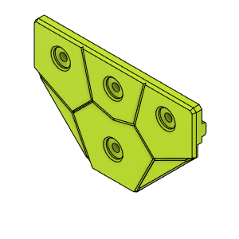 | PanelClip_Intersection | Clip, Intersection | Make | 6 | No |  | HevORT - Enclosure - Acid Bee Theme by MirageC - Thingiverse | HevORT/files/STL/Enclosure/AcidBee_Enclosure at master · MirageC79/HevORT (github.com)
Enclosure_AcidBee | Make | 20 | 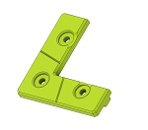 | DoorCorner | Clip, Cut for Door | Make | 4 | No |  | HevORT - Enclosure - Acid Bee Theme by MirageC - Thingiverse | HevORT/files/STL/Enclosure/AcidBee_Enclosure at master · MirageC79/HevORT (github.com)
Enclosure_AcidBee | Make | 21 | 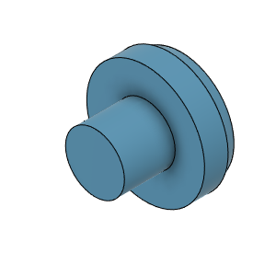 | DummyPin | Dummy Pin, Deco | Make | 26 | No |  | HevORT - Enclosure - Acid Bee Theme by MirageC - Thingiverse | HevORT/files/STL/Enclosure/AcidBee_Enclosure at master · MirageC79/HevORT (github.com)
Enclosure_AcidBee | Make | 22 | 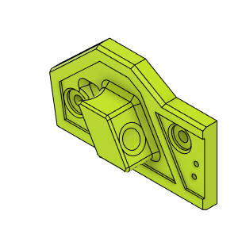 | DoorHandleBody(Left) | Front Door Handle Left | Make | 1 | No |  | HevORT - Enclosure - Acid Bee Theme by MirageC - Thingiverse | HevORT/files/STL/Enclosure/AcidBee_Enclosure at master · MirageC79/HevORT (github.com)
Enclosure_AcidBee | Make | 23 | 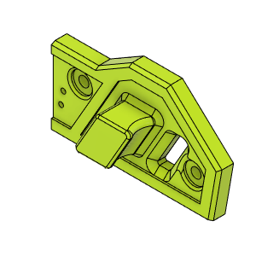 | DoorHandleBody(Right) | Front Door Handle Right | Make | 1 | No |  | HevORT - Enclosure - Acid Bee Theme by MirageC - Thingiverse | HevORT/files/STL/Enclosure/AcidBee_Enclosure at master · MirageC79/HevORT (github.com)
Enclosure_AcidBee | Make | 24 | 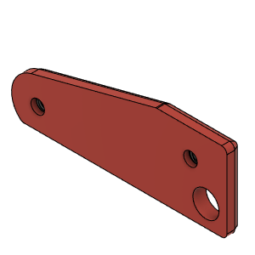 | HandleMagnetPlateLH | BackPlate, Handle_LH | Make | 1 | No |  | HevORT - Enclosure - Acid Bee Theme by MirageC - Thingiverse | HevORT/files/STL/Enclosure/AcidBee_Enclosure at master · MirageC79/HevORT (github.com)
Enclosure_AcidBee | Make | 25 | 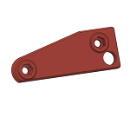 | HandleMagnetPlateRH_Body | HandleMagnetPlateRH | Make | 1 | No |  | HevORT - Enclosure - Acid Bee Theme by MirageC - Thingiverse | HevORT/files/STL/Enclosure/AcidBee_Enclosure at master · MirageC79/HevORT (github.com)
Enclosure_AcidBee | Make | 26 | 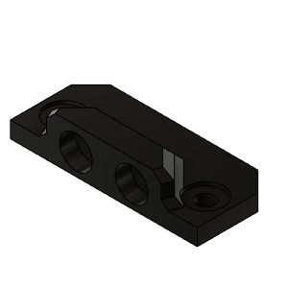 | DoorLatch_MagnetHolder | DoorLatch_MagnetHolder | Make | 5 | No |  | HevORT - Enclosure - Acid Bee Theme by MirageC - Thingiverse | HevORT/files/STL/Enclosure/AcidBee_Enclosure at master · MirageC79/HevORT (github.com)
Enclosure_AcidBee | Make | 27 | 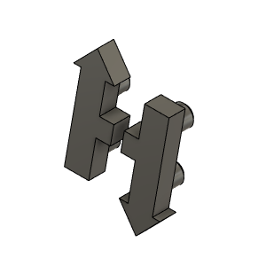 | HevORT LOGO_Small_Grey | HevORT Logo, Small | Make | 1 | No |  | HevORT - Enclosure - Acid Bee Theme by MirageC - Thingiverse | HevORT/files/STL/Enclosure/AcidBee_Enclosure at master · MirageC79/HevORT (github.com)
Enclosure_AcidBee | Make | 28 | 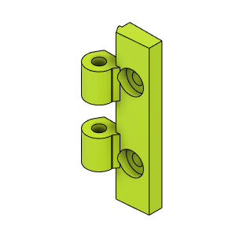 | DoorHinge_Mount |  | Make | 8 | No | 2 per door. 2 front doors + elec bay door + Top Lid | HevORT - Enclosure - Acid Bee Theme by MirageC - Thingiverse | HevORT/files/STL/Enclosure/AcidBee_Enclosure at master · MirageC79/HevORT (github.com)
Enclosure_AcidBee | Make | 29 | 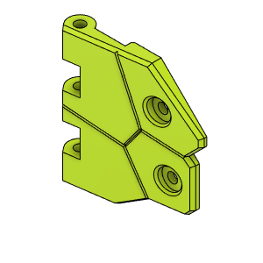 | DoorHingeFlapper_LowLH |  | Make | 1 | No |  | HevORT - Enclosure - Acid Bee Theme by MirageC - Thingiverse | HevORT/files/STL/Enclosure/AcidBee_Enclosure at master · MirageC79/HevORT (github.com)
Enclosure_AcidBee | Make | 30 | 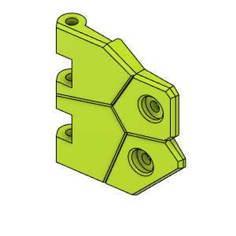 | DoorHingeFlapper_UpLH |  | Make | 2 | No | Qty 2 Due to Top Lid Hinge | HevORT - Enclosure - Acid Bee Theme by MirageC - Thingiverse | HevORT/files/STL/Enclosure/AcidBee_Enclosure at master · MirageC79/HevORT (github.com)
Enclosure_AcidBee | Make | 31 | 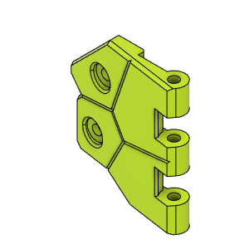 | DoorHingeFlapper_LowRH |  | Make | 2 | No | Qty 2 due to Electronics Bay Hinge | HevORT - Enclosure - Acid Bee Theme by MirageC - Thingiverse | HevORT/files/STL/Enclosure/AcidBee_Enclosure at master · MirageC79/HevORT (github.com)
Enclosure_AcidBee | Make | 32 | 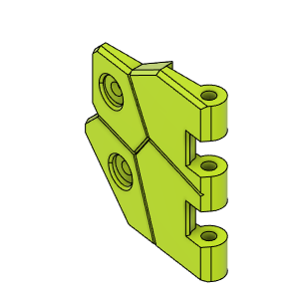 | DoorHingeFlapperUpRH |  | Make | 3 | No | Qty 3 due to Electronics Bay Hinge and Top Lid Hinge | HevORT - Enclosure - Acid Bee Theme by MirageC - Thingiverse | HevORT/files/STL/Enclosure/AcidBee_Enclosure at master · MirageC79/HevORT (github.com)
Enclosure_AcidBee | Make | 33 | 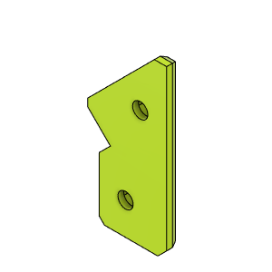 | DoorHingeBackPlateA |  | Make | 4 | No |  | HevORT - Enclosure - Acid Bee Theme by MirageC - Thingiverse | HevORT/files/STL/Enclosure/AcidBee_Enclosure at master · MirageC79/HevORT (github.com)
Enclosure_AcidBee | Make | 34 | 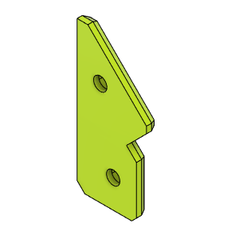 | HingeBackPlateB |  | Make | 4 | No |  | HevORT - Enclosure - Acid Bee Theme by MirageC - Thingiverse | HevORT/files/STL/Enclosure/AcidBee_Enclosure at master · MirageC79/HevORT (github.com)
Enclosure_AcidBee | Make | 35 | 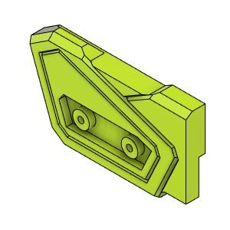 | Door_UpperMagnetHolder_LH | Upper Door Magnet Holder, LH | Make | 1 | No |  | HevORT - Enclosure - Acid Bee Theme by MirageC - Thingiverse | HevORT/files/STL/Enclosure/AcidBee_Enclosure at master · MirageC79/HevORT (github.com)
Enclosure_AcidBee | Make | 36 | 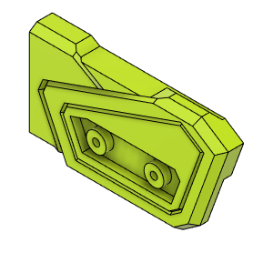 | Door_UpperMagnetHolder_RH | Upper Door Magnet Holder, RH | Make | 1 | No |  | HevORT - Enclosure - Acid Bee Theme by MirageC - Thingiverse | HevORT/files/STL/Enclosure/AcidBee_Enclosure at master · MirageC79/HevORT (github.com)
Enclosure_AcidBee | Make | 37 | 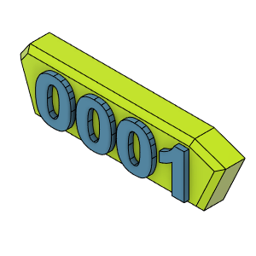 | PlateLH_SN | Serial Number Plate | Make | 1 | No | Modify Step File to create your own Serial number part. Pause print at desired height and change filament color ;) | HevORT - Enclosure - Acid Bee Theme by MirageC - Thingiverse | HevORT/files/STL/Enclosure/AcidBee_Enclosure at master · MirageC79/HevORT (github.com)
Enclosure_AcidBee | Make | 38 | 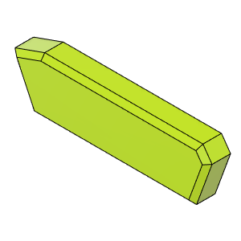 | PlateRH_Blank | Blank Plate | Make | 1 | No |  | HevORT - Enclosure - Acid Bee Theme by MirageC - Thingiverse | HevORT/files/STL/Enclosure/AcidBee_Enclosure at master · MirageC79/HevORT (github.com)
Enclosure_AcidBee | Make | 39 | 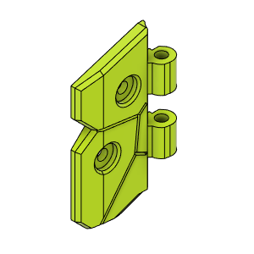 | ButterFly_Hinge_LowLH | ButterFly_Hinge_LowLH | Make | 1 | No |  | HevORT - Enclosure - Acid Bee Theme by MirageC - Thingiverse | HevORT/files/STL/Enclosure/AcidBee_Enclosure at master · MirageC79/HevORT (github.com)
Enclosure_AcidBee | Make | 40 | 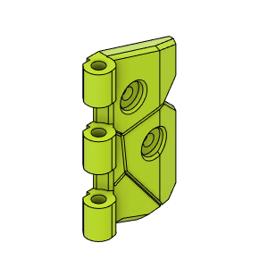 | ButterFly_Hinge_LowRH | ButterFly_Hinge_LowRH | Make | 1 | No |  | HevORT - Enclosure - Acid Bee Theme by MirageC - Thingiverse | HevORT/files/STL/Enclosure/AcidBee_Enclosure at master · MirageC79/HevORT (github.com)
Enclosure_AcidBee | Make | 41 | 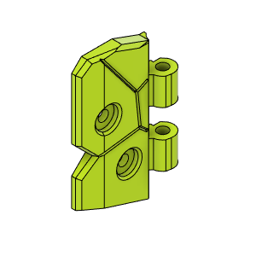 | ButterFly_Hinge_UpLH | ButterFly_Hinge_UpLH | Make | 1 | No |  | HevORT - Enclosure - Acid Bee Theme by MirageC - Thingiverse | HevORT/files/STL/Enclosure/AcidBee_Enclosure at master · MirageC79/HevORT (github.com)
Enclosure_AcidBee | Make | 42 | 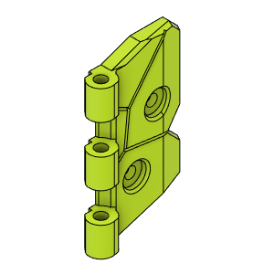 | ButterFly_Hinge_UpRH | ButterFly_Hinge_UpRH | Make | 1 | No |  | HevORT - Enclosure - Acid Bee Theme by MirageC - Thingiverse | HevORT/files/STL/Enclosure/AcidBee_Enclosure at master · MirageC79/HevORT (github.com)
Enclosure_AcidBee | Make | 43 | 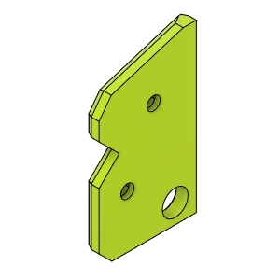 | ButterflyHinge_InnerRetainerB_Body | ButterflyHinge_InnerRetainerB_Body | Make | 2 | No |  | HevORT - Enclosure - Acid Bee Theme by MirageC - Thingiverse | HevORT/files/STL/Enclosure/AcidBee_Enclosure at master · MirageC79/HevORT (github.com)
Enclosure_AcidBee | Make | 44 | 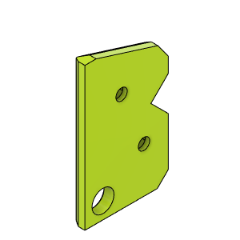 | ButterflyHinge_InnerRetainerA_Body | ButterflyHinge_InnerRetainerA_Body | Make | 2 | No |  | HevORT - Enclosure - Acid Bee Theme by MirageC - Thingiverse | HevORT/files/STL/Enclosure/AcidBee_Enclosure at master · MirageC79/HevORT (github.com)
Enclosure_AcidBee | Make | 45 | 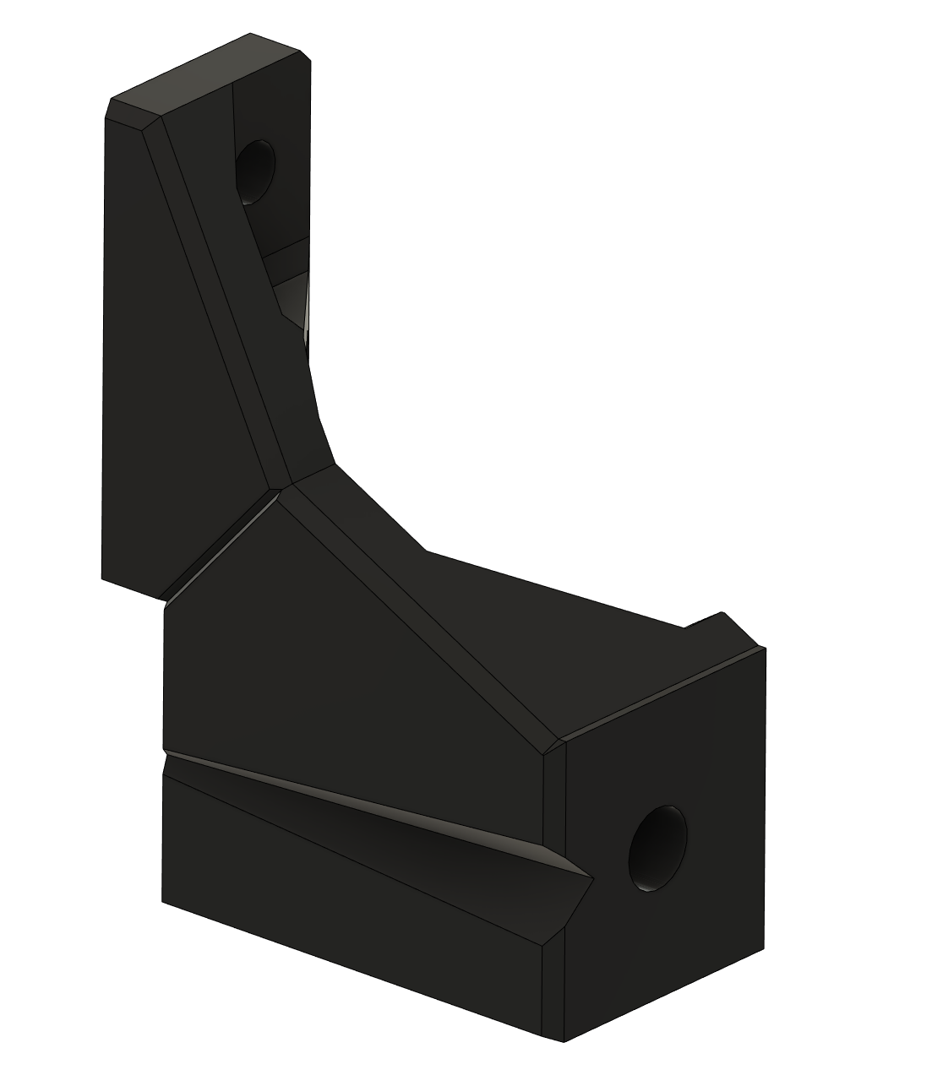 | DoorBeam_Support_LH | Support, Front Door Lower support, LH | Make | 1 | No |  | HevORT - Enclosure - Acid Bee Theme by MirageC - Thingiverse | HevORT/files/STL/Enclosure/AcidBee_Enclosure at master · MirageC79/HevORT (github.com)
Enclosure_AcidBee | Make | 46 |  | DoorBeam_Support_RH | Support, Front Door Lower support, RH | Make | 1 | No |  | HevORT - Enclosure - Acid Bee Theme by MirageC - Thingiverse | HevORT/files/STL/Enclosure/AcidBee_Enclosure at master · MirageC79/HevORT (github.com)
Enclosure_AcidBee | Make | 47 | 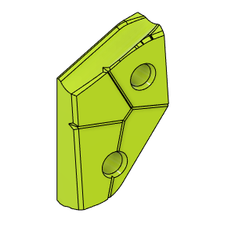 | EbayDoorHandle | EbayDoorHandle | Make | 1 | No |  | HevORT - Enclosure - Acid Bee Theme by MirageC - Thingiverse | HevORT/files/STL/Enclosure/AcidBee_Enclosure at master · MirageC79/HevORT (github.com)
Enclosure_AcidBee | Make | 48 | 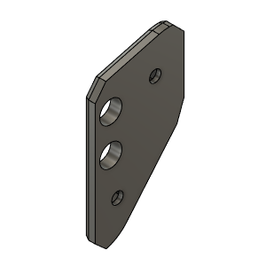 | EbayDoorHandle_BackPlate_Body | EbayDoorHandle_BackPlate_Assy | Make | 1 | No |  | HevORT - Enclosure - Acid Bee Theme by MirageC - Thingiverse | HevORT/files/STL/Enclosure/AcidBee_Enclosure at master · MirageC79/HevORT (github.com)
Enclosure_AcidBee | Make | 49 | 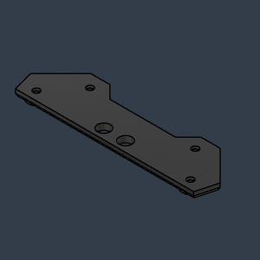 | Handle Doubler_Lid (1) |  | Make | 1 | No |  | HevORT - Enclosure - Acid Bee Theme by MirageC - Thingiverse | HevORT/files/STL/Enclosure/AcidBee_Enclosure at master · MirageC79/HevORT (github.com)
Enclosure_AcidBee | Make | 50 | 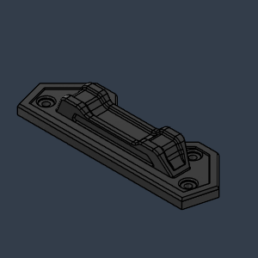 | Handle_Lid |  | Make | 1 | No |  | HevORT - Enclosure - Acid Bee Theme by MirageC - Thingiverse | HevORT/files/STL/Enclosure/AcidBee_Enclosure at master · MirageC79/HevORT (github.com)
Enclosure_AcidBee | Make | 51 | 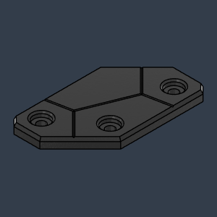 | BracketDoubler_Deco_LH |  | Make | 2 | No |  | HevORT - Enclosure - Acid Bee Theme by MirageC - Thingiverse | HevORT/files/STL/Enclosure/AcidBee_Enclosure at master · MirageC79/HevORT (github.com)
Enclosure_AcidBee | Make | 52 | 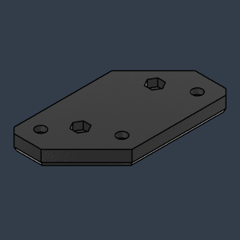 | Bracket_Lid_LH |  | Make | 2 | No |  | HevORT - Enclosure - Acid Bee Theme by MirageC - Thingiverse | HevORT/files/STL/Enclosure/AcidBee_Enclosure at master · MirageC79/HevORT (github.com)
Enclosure_AcidBee | Make | 53 |  | Bracket_Side |  | Make | 2 | No |  | HevORT - Enclosure - Acid Bee Theme by MirageC - Thingiverse | HevORT/files/STL/Enclosure/AcidBee_Enclosure at master · MirageC79/HevORT (github.com)

