V0
Task | Software execTime (us) | Hardware execTime (us) | Hardware Properties |  |  |  |  |  |  |  | HW/SW Partitioning Results
 |  |  | execTime (s) | latency | Frequency (MHz) | %FF | %LUT | %BRAM | %DSP |  | Task | Device
rgbToGrayscale | 143601 | 7866 | 0.00786619 | 786619 | 100 | 1.33% | 5.05% | 0.00% | 0.56% |  | rgbToGrayscale | HW
convolve2d | 14467 | 23414 | 0.02341389 | 2341389 | 100 | 2.65% | 13.34% | 0.00% | 1.07% |  | convolve2d (1) | SW
combthreshold | 245034 | 5244 | 0.00524435 | 524435 | 100 | 7.83% | 2.16% | 0.00% | 0.00% |  | convolve2d (2) | SW
set_filter_smooth | 0 | 1 | 0.0000007 | 70 | 100 | 0.34% | 1.04% | 0.00% | 0.00% |  | convolve2d (3) | SW
set_filter_vertical | 0 | 1 | 0.0000007 | 70 | 100 | 0.34% | 1.04% | 0.00% | 0.00% |  | combthreshold | HW
set_filter_horizontal | 0 | 1 | 0.0000007 | 70 | 100 | 0.34% | 1.04% | 0.00% | 0.00% |  | set_filter_smooth | SW
edge_detect | 435372 | 1464480 | 1.46447999 | 146447999 | 100 | 11.21% | 19.56% | 0.00% | 1.63% |  | set_filter_vertical | SW
 |  |  |  |  | original latency: 273.972602739726 |  |  |  |  |  | set_filter_horizontal | SW
 |  |  |  |  |  |  |  |  |  |  | main_begin | SW
Array | #Elem | DataType (bytes) | OnewayCopyTime (us) | RoundtripCopyTime (us) |  | Communication Model |  |  |  |  | main_end | SW
image_rgb | 786432 | 4 | 4587.37 | 6695.60 |  | Oneway | m | 0.0014582852585 |  |  | Total exec time (us): | 71601
image_gray | 262144 | 4 | 1529.12 | 2231.87 |  |  | b | 0 |  |  | Total comm. time (us): | 15090
temp_buf | 262144 | 4 | 1529.12 | 2231.87 |  | Roundtrip | m | 0.0021284729451 |  |  | % of time spent in comm.: | 21.08%
filter | 9 | 4 | 0.05 | 0.08 |  |  | b | 0 |  |  | Speedup vs. CPU-only: | 6.1x
output | 262144 | 4 | 1529.12 | 2231.87 |  |  |  |  |  |  | Speedup vs. FPGA-only: | 97.0x

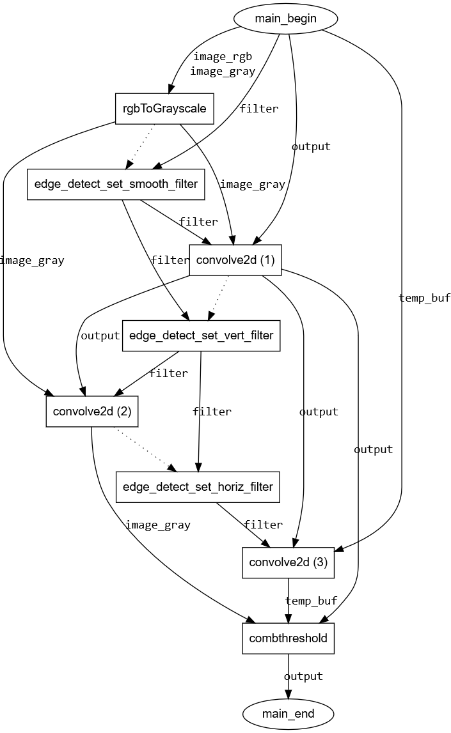
 | rgbToGrayscale | convolve2d (1) | convolve2d (2) | convolve2d (3) | combthreshold | set_filter_smooth | set_filter_vertical | set_filter_horizontal | main_begin | main_end
rgbToGrayscale | 0 | 1529 | 1529 | 0 | 0 | 0 | 0 | 0 | 0 | 0
convolve2d (1) | 0 | 0 | 1529 | 1529 | 1529 | 0 | 0 | 0 | 0 | 0
convolve2d (2) | 0 | 0 | 0 | 0 | 1529 | 0 | 0 | 0 | 0 | 0
convolve2d (3) | 0 | 0 | 0 | 0 | 1529 | 0 | 0 | 0 | 0 | 0
combthreshold | 0 | 0 | 0 | 0 | 0 | 0 | 0 | 0 | 0 | 1529
set_filter_smooth | 0 | 0 | 0 | 0 | 0 | 0 | 0 | 0 | 0 | 0
set_filter_vertical | 0 | 0 | 0 | 0 | 0 | 0 | 0 | 0 | 0 | 0
set_filter_horizontal | 0 | 0 | 0 | 0 | 0 | 0 | 0 | 0 | 0 | 0
main_begin | 6116 | 1529 | 0 | 1529 | 0 | 0 | 0 | 0 | 0 | 0
main_end | 0 | 0 | 0 | 0 | 0 | 0 | 0 | 0 | 0 | 0

V0CE
Task | Software execTime (us) | Hardware execTime (us) | Hardware Properties |  |  |  |  |  |  | HW/SW Partitioning Results
 |  |  | execTime (s) | latency | Frequency (MHz) | %FF | %LUT | %BRAM | %DSP | Task | Device
edge_detect_localdata | n/a | n/a | n/a | n/a | n/a | n/a | n/a | n/a | n/a | edge_detect_localdata | HW
rgbToGrayscale | 149827 | 7866 | 0.00786619 | 786619 | 100 | 1.33% | 5.05% | 0.00% | 0.56% | rgbToGrayscale | HW
convolve2d_smooth | 17706 | 23410 | 0.02341043 | 2341043 | 100 | 0.34% | 1.04% | 0.00% | 0.00% | convolve2d_smooth | HW
convolve2d_vertical | 17706 | 15607 | 0.01560744 | 1560744 | 100 | 1.36% | 1.63% | 0.00% | 0.00% | convolve2d_vertical | HW
convolve2d_horizontal | 17706 | 15607 | 0.01560742 | 1560742 | 100 | 0.30% | 0.99% | 0.00% | 0.00% | convolve2d_horizontal | HW
combthreshold | 270074 | 5244 | 0.00524435 | 524435 | 100 | 7.83% | 2.16% | 0.00% | 0.00% | combthreshold | HW
edge_detect | 475604 | 46925 | 0.04692482 | 4692482 | 100 | 6.91% | 21.31% | 239.47% | 1.03% | main_begin | SW
 |  |  |  |  | original latency: 273.972602739726 |  |  |  |  | main_end | SW
 |  |  |  |  |  |  |  |  |  | Total exec time (us): | 32294
Array | #Elem | DataType (bytes) | OnewayCopyTime (us) | RoundtripCopyTime (us) |  | Communication Model |  |  |  | Total comm. time (us): | 7570
image_rgb | 786432 | 4 | 4587 | 6696 |  | Oneway | m | 0.0014582852585 |  | % of time spent in comm.: | 23.44%
image_gray | 262144 | 4 | 1529 | 2232 |  |  | b | 0 |  | Speedup vs. CPU-only: | 14.7x
temp_buf | 262144 | 4 | 1529 | 2232 |  | Roundtrip | m | 0.0021284729451 |  | Speedup vs. FPGA-only: | 6.2x
output | 262144 | 4 | 1529 | 2232 |  |  | b | 0
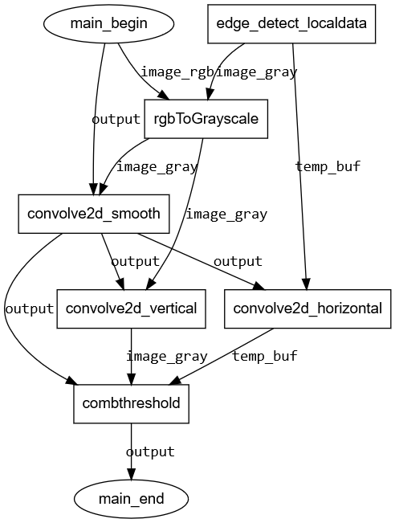

 | edge_detect_localdata | rgbToGrayscale | convolve2d_smooth | convolve2d_vertical | convolve2d_horizontal | combthreshold | main_begin | main_end
edge_detect_localdata | 0 | 1529 | 0 | 0 | 1529 | 0 | 0 | 0
rgbToGrayscale | 0 | 0 | 1529 | 1529 | 0 | 0 | 0 | 0
convolve2d_smooth | 0 | 0 | 0 | 1529 | 1529 | 1529 | 0 | 0
convolve2d_vertical | 0 | 0 | 0 | 0 | 0 | 1529 | 0 | 0
convolve2d_horizontal | 0 | 0 | 0 | 0 | 0 | 1529 | 0 | 0
combthreshold | 0 | 0 | 0 | 0 | 0 | 0 | 0 | 1529
main_begin | 0 | 4587 | 1529 | 0 | 0 | 0 | 0 | 0
main_end | 0 | 0 | 0 | 0 | 0 | 0 | 0 | 0

