V0
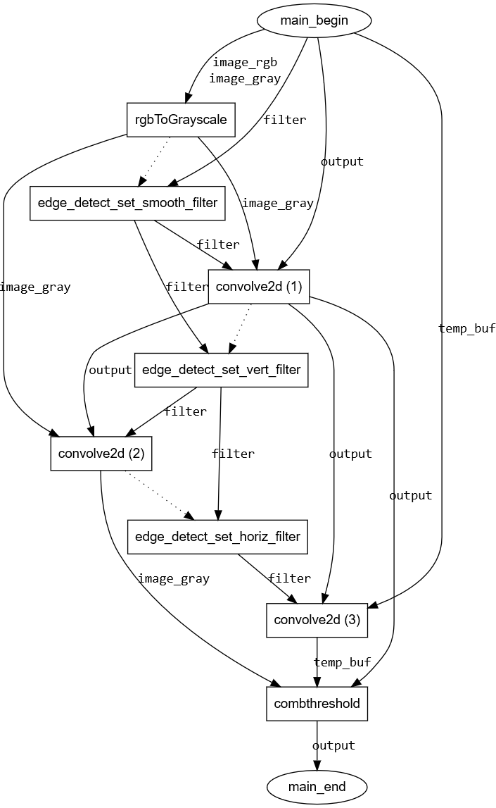
Task | Software execTime (us) | Hardware execTime (us) | Hardware Properties
 |  |  | execTime (s) | latency | fmax | %FF | %LUT | %BRAM | %DSP
rgbToGrayscale | 143601 | 2871 | 0.00287115935 | 786619 | 273.97260274 | 1.33% | 5.05% | 0.00% | 0.56%
convolve2d | 14467 | 8546 | 0.00854606985 | 2341389 | 273.97260274 | 2.65% | 13.34% | 0.00% | 1.07%
combthreshold | 245034 | 1914 | 0.00191418775 | 524435 | 273.97260274 | 7.83% | 2.16% | 0.00% | 0.00%
set_filter_smooth | 0 | 0 | 2.55E-07 | 70 | 273.97260274 | 0.34% | 1.04% | 0.00% | 0.00%
set_filter_vertical | 0 | 0 | 2.55E-07 | 70 | 273.97260274 | 0.34% | 1.04% | 0.00% | 0.00%
set_filter_horizontal | 0 | 0 | 2.55E-07 | 70 | 273.97260274 | 0.34% | 1.04% | 0.00% | 0.00%
edge_detect | 435372 | 534535 | 0.53453519635 | 146447999 | 273.97260274 | 11.21% | 19.56% | 0.00% | 1.63%

Array | #Elem | DataType (bytes) | OnewayCopyTime (us) | RoundtripCopyTime (us) |  | Communication Model
image_rgb | 786432 | 4 | 4562 | 6672 |  | Oneway | m | 0.0014582852585
image_gray | 262144 | 4 | 1504 | 2208 |  |  | b | -25.202226132
temp_buf | 262144 | 4 | 1504 | 2208 |  | Roundtrip | m | 0.0021284729451
filter | 9 | 4 | -25 | -24 |  |  | b | -24.066112517
output | 262144 | 4 | 1504 | 2208

 | rgbToGrayscale | convolve2d (1) | convolve2d (2) | convolve2d (3) | combthreshold | set_filter_smooth | set_filter_vertical | set_filter_horizontal | main_begin | main_end
rgbToGrayscale | 0 | 1504 | 1504 | 0 | 0 | 0 | 0 | 0 | 0 | 0
convolve2d (1) | 0 | 0 | 1504 | 1504 | 1504 | 0 | 0 | 0 | 0 | 0
convolve2d (2) | 0 | 0 | 0 | 0 | 1504 | 0 | 0 | 0 | 0 | 0
convolve2d (3) | 0 | 0 | 0 | 0 | 1504 | 0 | 0 | 0 | 0 | 0
combthreshold | 0 | 0 | 0 | 0 | 0 | 0 | 0 | 0 | 0 | 1504
set_filter_smooth | 0 | -25 | 0 | 0 | 0 | 0 | -25 | 0 | 0 | 0
set_filter_vertical | 0 | 0 | -25 | 0 | 0 | 0 | 0 | -25 | 0 | 0
set_filter_horizontal | 0 | 0 | 0 | -25 | 0 | 0 | 0 | 0 | 0 | 0
main_begin | 6066 | 1504 | 0 | 1504 | 0 | -25 | 0 | 0 | 0 | 0
main_end | 0 | 0 | 0 | 0 | 0 | 0 | 0 | 0 | 0 | 0

V0CE
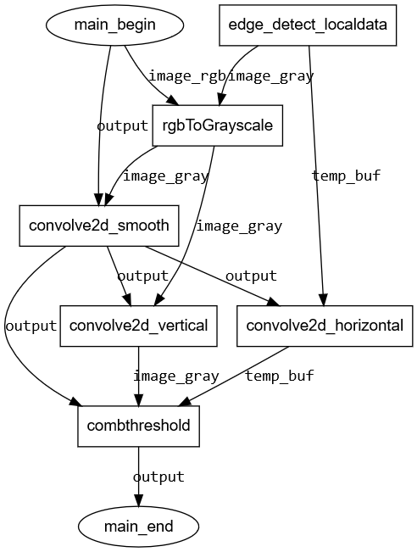
Task | Software execTime (us) | Hardware execTime (us) | Hardware Properties
 |  |  | execTime (s) | latency | fmax | %FF | %LUT | %BRAM | %DSP
edge_detect_localdata | n/a | n/a | n/a | n/a | n/a | n/a | n/a | n/a | n/a
rgbToGrayscale | 149827 | 2871 | 0.00287115935 | 786619 | 273.97260274 | 1.33% | 5.05% | 0.00% | 0.56%
convolve2d_smooth | 17706 | 8545 | 0.00854480695 | 2341043 | 273.97260274 | 0.34% | 1.04% | 0.00% | 0.00%
convolve2d_vertical | 17706 | 5697 | 0.0056967156 | 1560744 | 273.97260274 | 1.36% | 1.63% | 0.00% | 0.00%
convolve2d_horizontal | 17706 | 5697 | 0.0056967083 | 1560742 | 273.97260274 | 0.30% | 0.99% | 0.00% | 0.00%
combthreshold | 270074 | 1914 | 0.00191418775 | 524435 | 273.97260274 | 7.83% | 2.16% | 0.00% | 0.00%
edge_detect | 475604 | 17128 | 0.0171275593 | 4692482 | 273.97260274 | 6.91% | 21.31% | 239.47% | 1.03%

Array | #Elem | DataType (bytes) | OnewayCopyTime (us) | RoundtripCopyTime (us) |  | Communication Model
image_rgb | 786432 | 4 | 4562 | 6672 |  | Oneway | m | 0.0014582852585
image_gray | 262144 | 4 | 1504 | 2208 |  |  | b | -25.202226132
temp_buf | 262144 | 4 | 1504 | 2208 |  | Roundtrip | m | 0.0021284729451
output | 262144 | 4 | 1504 | 2208 |  |  | b | -24.066112517

 | edge_detect_localdata | rgbToGrayscale | convolve2d_smooth | convolve2d_vertical | convolve2d_horizontal | combthreshold | main_begin | main_end
edge_detect_localdata | 0 | 1504 | 0 | 0 | 1504 | 0 | 0 | 0
rgbToGrayscale | 0 | 0 | 1504 | 1504 | 0 | 0 | 0 | 0
convolve2d_smooth | 0 | 0 | 0 | 1504 | 1504 | 1504 | 0 | 0
convolve2d_vertical | 0 | 0 | 0 | 0 | 0 | 1504 | 0 | 0
convolve2d_horizontal | 0 | 0 | 0 | 0 | 0 | 1504 | 0 | 0
combthreshold | 0 | 0 | 0 | 0 | 0 | 0 | 0 | 1504
main_begin | 0 | 4562 | 1504 | 0 | 0 | 0 | 0 | 0
main_end | 0 | 0 | 0 | 0 | 0 | 0 | 0 | 0

