Sheet1
Performance
 | Value Iteration | Policy Iteration
1 | 0 | 0
2 | 0 | 0.04
3 | 0 | 0.71
4 | 0 | 1.74
5 | 0 | 0.93
6 | 0 | 2.26
7 | 0 | 1.1
8 | 0 | 2.93
9 | 0 | 1.58
10 | 0 | 3.22
50 | 0.02 | 3.34
100 | 0.04 | 3.44
200 | 0.08 | 4.04
500 | 0.2 | 2.63
750 | 0.3 | 2.12
1000 | 0.39 | 3.29
1100 | 0.43 | 3.33
1200 | 0.47 | 3.12
1300 | 0.51 | 2.63
1426 | 0.56 | 2.98
1500 | 0.57 | 3.39
2000 | 0.59 | 3.39
3000 | 0.57 | 3.65

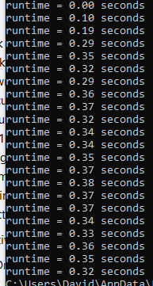
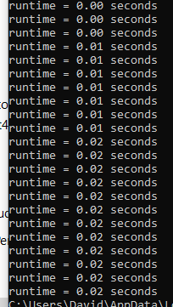
 | Value Iteration | Policy Iteration
1 | 0 | 0
2 | 0 | 0.1
3 | 0 | 0.19
4 | 0.01 | 0.26
5 | 0.01 | 0.33
6 | 0.01 | 0.37
7 | 0.01 | 0.37
8 | 0.01 | 0.38
9 | 0.01 | 0.37
13 | 0.02 | 0.3
50 | 0.02 | 0.29
100 | 0.02 | 0.38
200 | 0.02 | 0.33
500 | 0.02 | 0.29
750 | 0.02 | 0.38
1000 | 0.02 | 0.35
Performance
1100 | 0.02 | 0.37
1200 | 0.02 | 0.34
1300 | 0.02 | 0.33
1500 | 0.02 | 0.36
2000 | 0.02 | 0.35
3000 | 0.02 | 0.32

 | Q learning
10 | 0.02
50 | 0.1
100 | 0.18
500 | 0.85
1000 | 1.73
2000 | 3.59
Frozen Lake Q learning performance
5000 | 8.53
10000 | 17.44
20000 | 34.58
50000 | 62.73
75000 | 94.53
100000 | 124.57
120000 | 149.23
150000 | 187.02
200000 | 252.6
500000 | 663.47

 | Q learning
5000 | 0.61
10000 | 1.17
50000 | 6.06
100000 | 11.87
BlackJack Q learning performance
500000 | 60.32
750000 | 90.61
1000000 | 121.04

