Sheet1
KNN Validation Graph
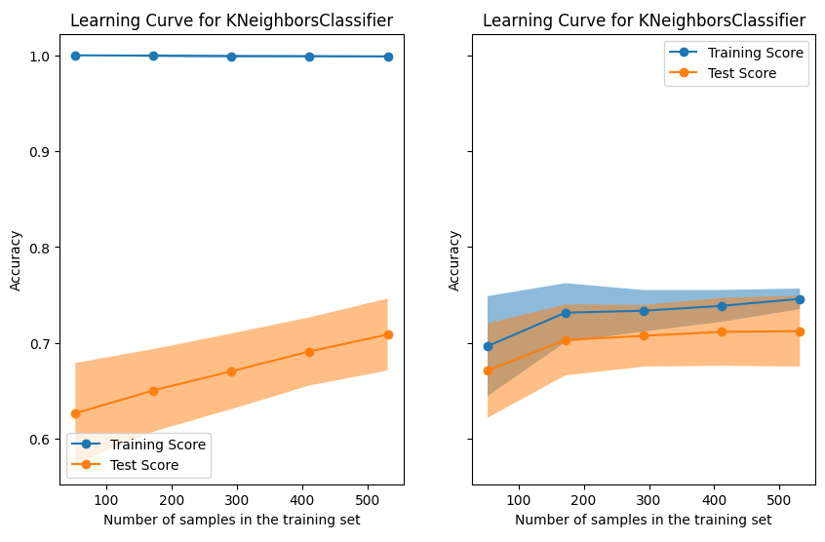
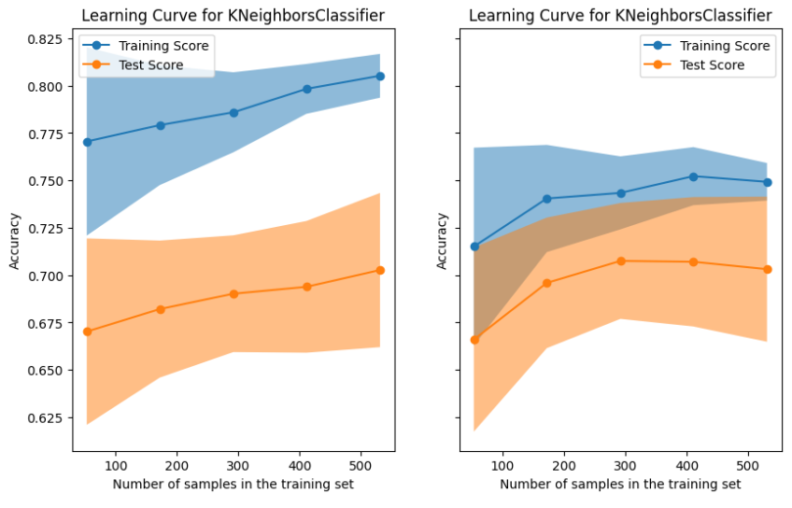
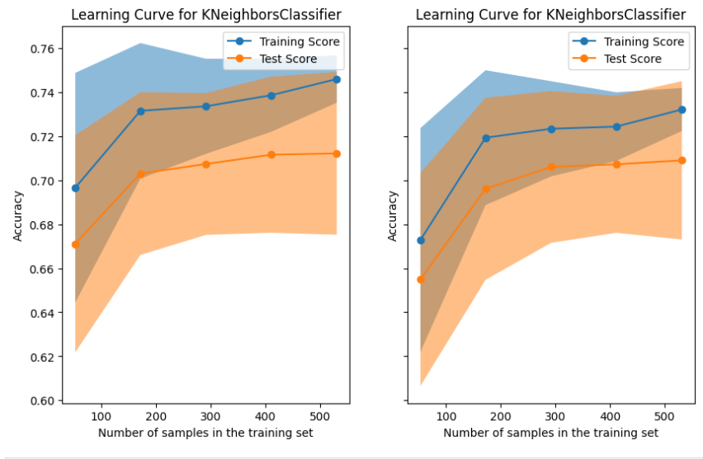
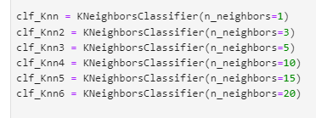
 | Accuracy |  |  |  |  |  | 1 |  | 3 |  | 5 | 10 | 15 | 20
3 | 0.66816143498
5 | 0.69058295964
10 | 0.68609865471
15 | 0.7130044843
20 | 0.70403587444
25 | 0.70403587444
30 | 0.69955156951
35 | 0.68161434978

 |  |  |  |  |  |  |  | Depth = 4 |  | Depth = 10

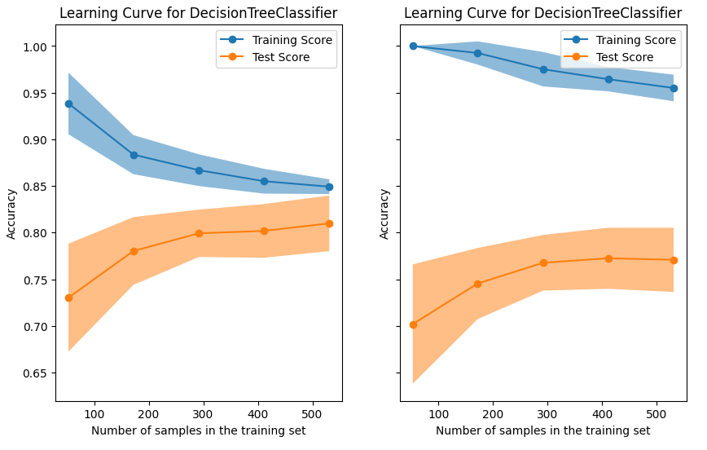
Decision tree Validation Graph
DT
 | Accuracy
2 | 0.74887892377
3 | 0.81165919283
4 | 0.82062780269
5 | 0.81165919283
6 | 0.81165919283
7 | 0.79820627803
8 | 0.79820627803
9 | 0.78923766816
10 | 0.74887892377
15 | 0.7668161435

Depth is set as 4
ccp_alpha | Accuracy
0.001 | 81.6%
0.005 | 81.2%
0.01 | 76.7%
0.05 | 76.7%
0.1 | 76.7%
0.2 | 59.6%
0.5 | 59.6%
0.9 | 59.6%

boosting Validation Graph

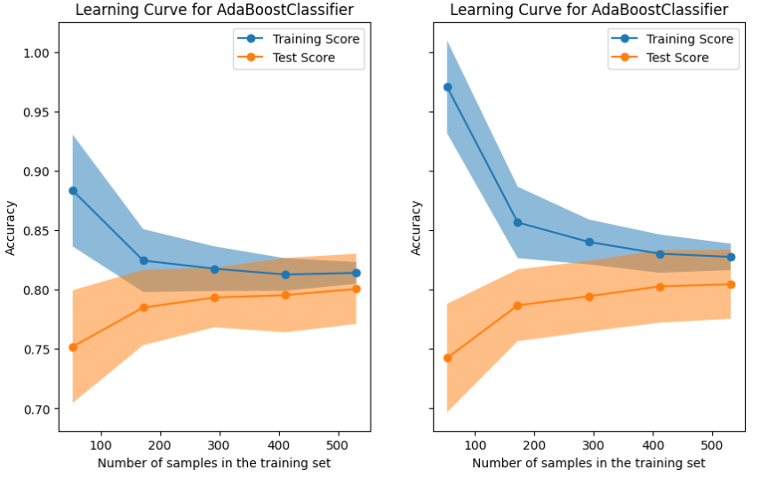
ada boosting | 'SAMME' | SAMME.R'
 | test | test | train
5 | 0.69515151515 | 0.72181818182 | 0.79666210982
10 | 0.73585858586 | 0.72181818182 | 0.81021872864
15 | 0.72242424242 | 0.73070707071 | 0.80719981773
20 | 0.70858585859 | 0.76252525253 | 0.81021872864
50 | 0.71797979798 | 0.73121212121 | 0.80571884256
75 | 0.71353535354 | 0.72232323232 | 0.80571884256
100 | 0.70909090909 | 0.73131313131 | 0.8011619959
150 | 0.70909090909 | 0.72686868687 | 0.81019594441
200 | 0.71353535354 | 0.72686868687 | 0.80267714741

AdaBoosting Validation Graph

Learning curve 5 hidden layer x 45
Validation Graph of SVM
 | Accuracy
linear | 0.77
rbf | 0.78
poly | 0.8

Learning curve 2 hidden layer x 32
Learning curve 5 hidden layer x 32
Learning curve 5 hidden layer x 45

ANN 2x 32
 | Train loss | Validation loss | Train acc | val acc
1 | 0.69434 | 0.59077
3 | 0.60889 | 0.64184 | 0.6876 | 0.609
5 | 0.58302 | 0.52842 | 0.7429 | 0.7669
10 | 0.48423 | 0.4558 | 0.7963 | 0.812
15 | 0.51455 | 0.45269 | 0.7668 | 0.7068
20 | 0.50315 | 0.484 | 0.7893 | 0.782
25 | 0.52103 | 0.49927 | 0.7766 | 0.7519
30 | 0.46217 | 0.48896 | 0.7722 | 0.7744

ANN 5 x 32
 | Train loss | Validation loss | Train acc | val acc
1 | 0.6584 | 0.64871 | 0.6234 | 0.6165
3 | 0.6205 | 0.59539 | 0.6689 | 0.6842
5 | 0.58065 | 0.51128 | 0.7426 | 0.7669
10 | 0.47232 | 0.46793 | 0.7928 | 0.8195
15 | 0.46161 | 0.45412 | 0.784 | 0.7895
20 | 0.48828 | 0.41456 | 0.793 | 0.8421
25 | 0.45045 | 0.46236 | 0.794 | 0.8195
30 | 0.4938 | 0.471 | 0.7508 | 0.812
50 | 0.45812 | 0.41012 | 0.8298 | 0.797

Learning curve 5 hidden layer x 45
ANN Validation Graph
ANN 5 x 45
 | Train loss | Validation loss | Train acc | val acc
1 | 0.65671 | 0.6723 | 0.6753 | 0.609
3 | 0.59255 | 0.56653 | 0.7183 | 0.7594
5 | 0.56768 | 0.59266 | 0.7447 | 0.7068
10 | 0.52097 | 0.42502 | 0.7542 | 0.8045
15 | 0.51458 | 0.42633 | 0.7868 | 0.797
20 | 0.42094 | 0.37615 | 0.8199 | 0.8571
25 | 0.40941 | 0.48582 | 0.8286 | 0.797
30 | 0.42963 | 0.55612 | 0.8176 | 0.812
40 | 0.47276 | 0.55448 | 0.8089 | 0.7218
50

 | 32 Node/layer | 45 Node/layer
2 | 0.81614349776 | 0.81614349776
5 | 0.81165919283 | 0.79820627803
7 | 0.78475336323 | 0.78923766816
10 | 0.7399103139 | 0.78923766816
15 | 0.59641255605 | 0.59641255605

 |  | testing |  | Training
 | 1 | 0.32075471698 |  | 0.38650306748 |  | 0.065748350504
 | 2 | 0.55813953488 |  | 0.51773049645 |  | -0.04040903843
 | 3 | 0.72440944882 |  | 0.76666666667 |  | 0.042257217848

 | Decision Tree | A.N.N | Adaboosting | SVM | KNN
Testing Accuary | 82.1% | 81.2% | 73.6% | 80.0% | 71.3%
Hyperparameter | Depth = 4 No Pruning | 5 hidden layers 32 nodes/layer | n of weak learner = 10 | Poly kernel | k = 15

