Part1
PCA with KNN classifier
 | KNN
PCA | training | testing
dimension | training | testing
1 | 0.77108433735 | 0.73542600897
2 | 0.76204819277 | 0.70403587444
3 | 0.79668674699 | 0.74887892377
4 | 0.80421686747 | 0.74439461883
PCA with KNN classifier
ICA with KNN classifier
5 | 0.80572289157 | 0.74439461883
6 | 0.80722891566 | 0.74887892377
7 | 0.81024096386 | 0.74887892377

PCA | testing
dimension | acc
1 | 0.73542600897
2 | 0.70403587444
3 | 0.74887892377
4 | 0.74439461883
5 | 0.74439461883
6 | 0.74887892377
7 | 0.74887892377
Randomized Projections with KNN classifier
Randomized Projections with KNN classifier

ICA with KNN classifier

 | KNN
ICA
dimension | training | testing
1 | 0.77108433735 | 0.73542600897
2 | 0.74246987952 | 0.72197309417
3 | 0.78313253012 | 0.74439461883
4 | 0.81325301205 | 0.79372197309
5 | 0.81325301205 | 0.81614349776
6 | 0.81626506024 | 0.83408071749
7 | 0.85692771084 | 0.85201793722

Randomized Projections with KNN classifier
 |  |  | 0.64006024096 | 0.67620481928
 | KNN |  | EM
RP |  |  | dimension | training | testing
dimension | training | testing | 1 | 0.62048192771
1 | 0.73644578313 | 0.73094170404 | 2 | 0.67620481928
2 | 0.76807228916 | 0.72197309417 | 3 | 0.62048192771
3 | 0.77861445783 | 0.74887892377 | 4 | 0.70331325301
4 | 0.7906626506 | 0.7399103139 | 5 | 0.62048192771
5 | 0.79819277108 | 0.76233183857 | 6 | 0.66114457831
6 | 0.78614457831 | 0.77578475336 | 7 | 0.71837349398 |  | 0.64006024096 |  | 0.68825301205 |  | Random Algo
7 | 0.78765060241 | 0.78475336323 | Train

Manifold with KNN classifier
 | KNN
Manifold | Neighbors = 10
dimension | training | testing
1 | 0.74246987952 | 0.7668161435
2 | 0.75301204819 | 0.71748878924
3 | 0.7906626506 | 0.7264573991
4 | 0.80120481928 | 0.7399103139
5 | 0.80120481928 | 0.73542600897
6 | 0.80873493976 | 0.73542600897
7 | 0.79969879518 | 0.74439461883

Manifold with KNN classifier
 | KNN
Manifold | Neighbors = 15 |  |  |  |  |  |  |  |  | Kmeans Algo
dimension | training | testing
1 | 0.76355421687 | 0.7668161435
2 | 0.75451807229 | 0.7264573991
3 | 0.7906626506 | 0.74439461883
4 | 0.7921686747 | 0.73094170404
5 | 0.78614457831 | 0.73094170404
6 | 0.81475903614 | 0.72197309417
7 | 0.80572289157 | 0.73094170404

 |  |  | test
Manifold | Neighbors = 5
dimension | training | testing |  |  |  |  | 0.60538116592 |  | 0.7668161435
1 | 0.74548192771 | 0.70403587444
Manifold with KNN classifier
2 | 0.78012048193 | 0.70403587444
3 | 0.80120481928 | 0.7264573991
4 | 0.80120481928 | 0.7264573991
5 | 0.80722891566 | 0.72197309417
6 | 0.7921686747 | 0.7399103139
7 | 0.7936746988 | 0.74887892377

Part2
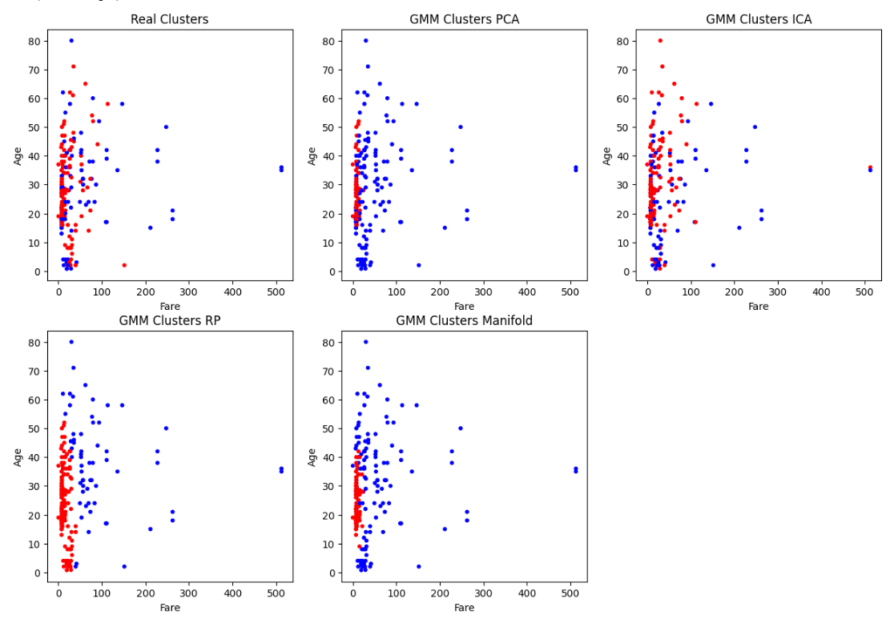
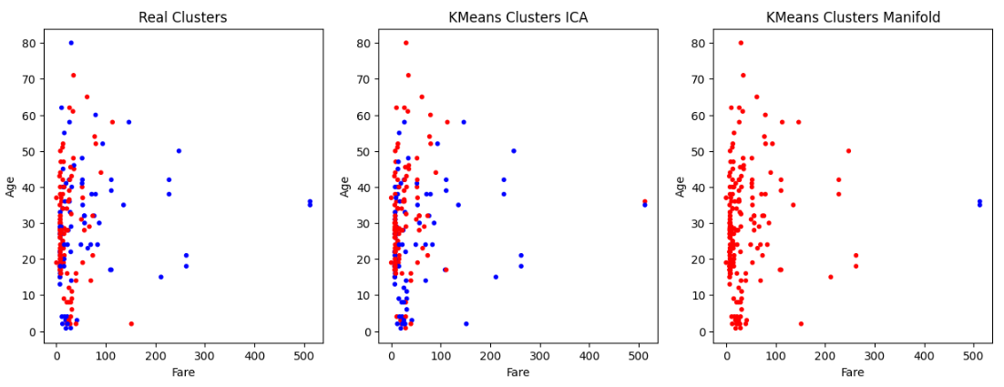
PCA Accuracy = 0.6400602409638554 | PCA Accuracy = 0.6400602409638554
ICA Accuracy = 0.7921686746987951 | ICA Accuracy = 0.7921686746987951 | Testing
RP Accuracy = 0.6656626506024096 | RP Accuracy = 0.6686746987951807
MF Accuracy = 0.6475903614457831 | MF Accuracy = 0.6475903614457831

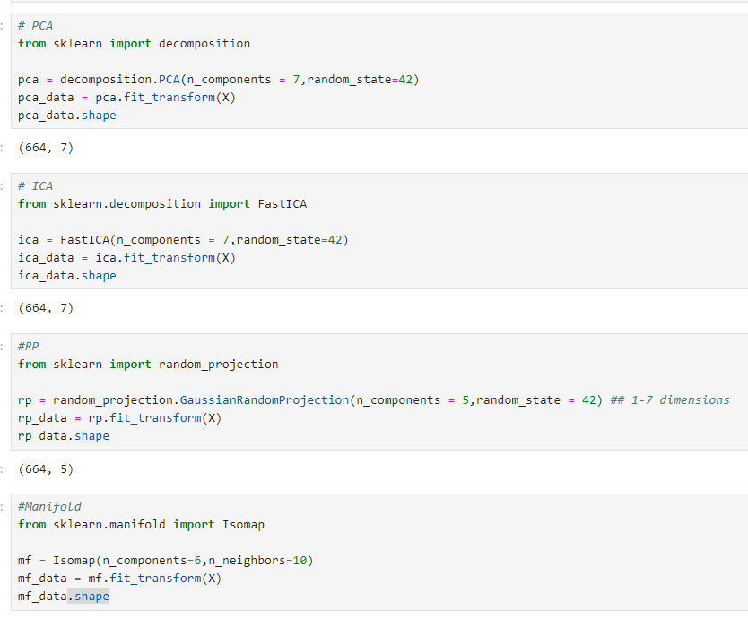

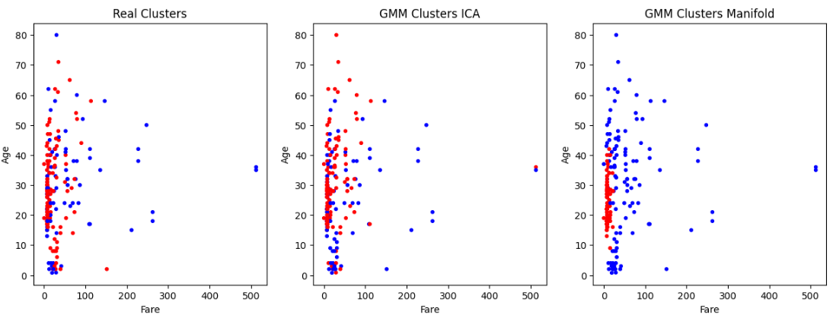

 |  | Testing

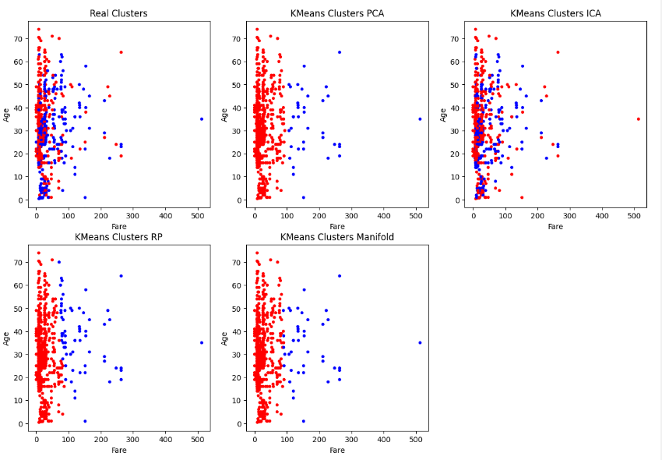

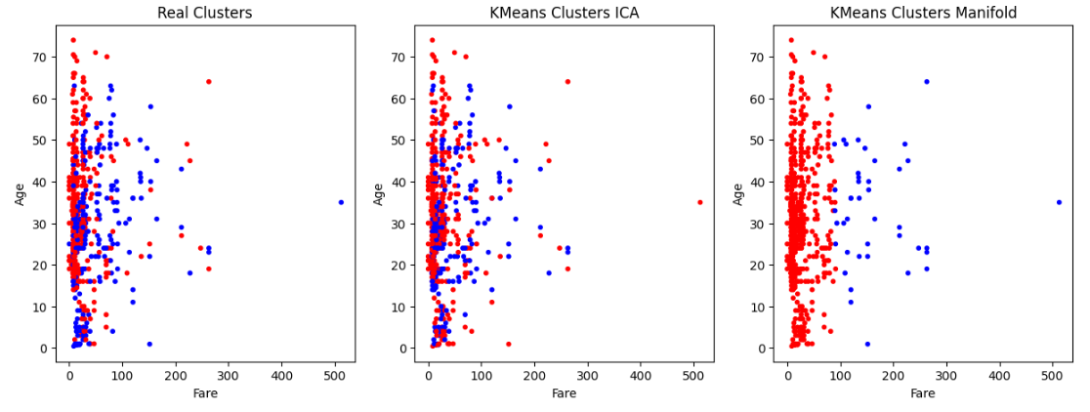

 |  | Training

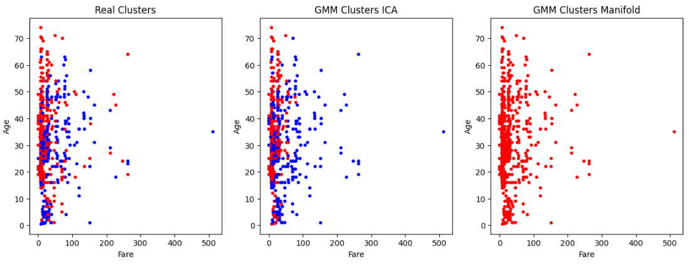
PCA Accuracy using GMM = 0.6204819277108434
ICA Accuracy using GMM = 0.7153614457831325
RP Accuracy using GMM = 0.6340361445783133
MF Accuracy using GMM = 0.6204819277108434

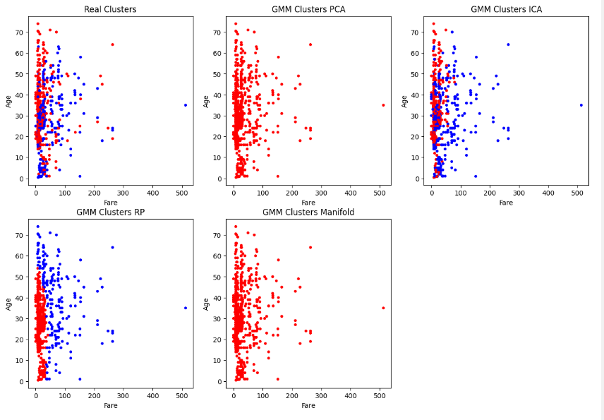
pca_data |  | Training
ica_data
rp_data
mf_data
clustersPCA
clustersICA
clustersRP
clustersMF
labelsPCA_gmm

PCA Accuracy = 0.6053811659192825
ICA Accuracy = 0.7668161434977578
RP Accuracy = 0.6053811659192825
MF Accuracy = 0.6053811659192825

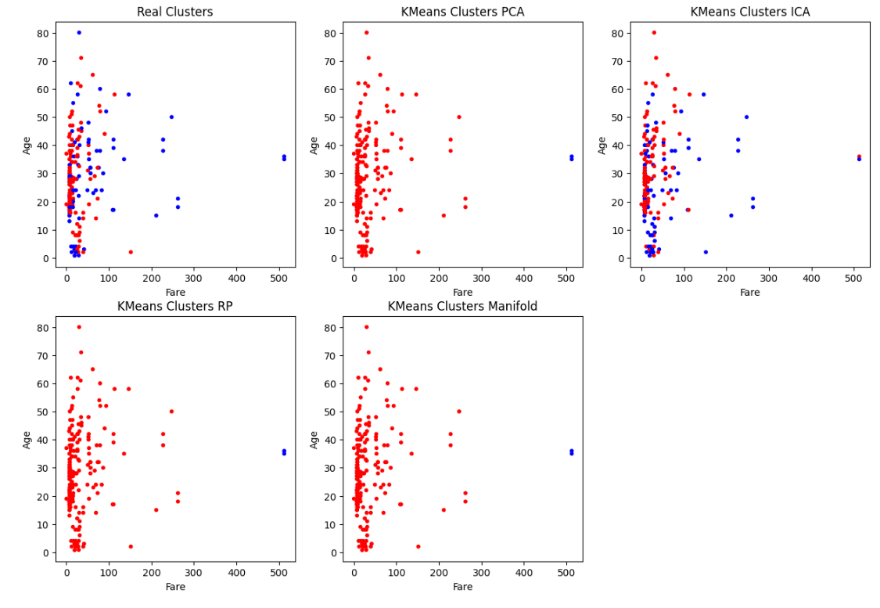

PCA Accuracy using GMM = 0.6681614349775785
ICA Accuracy using GMM = 0.7668161434977578
RP Accuracy using GMM = 0.6636771300448431
MF Accuracy using GMM = 0.6412556053811659

