11
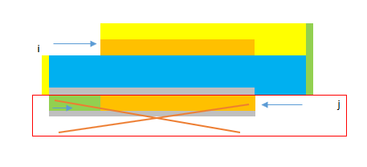
11. Container With Most Water
 | https://leetcode.com/problems/container-with-most-water/
 | approach#1
 |  | //Runtime: 16 ms, faster than 96.03% of C++ online submissions for Container With Most Water.
 |  | //Memory Usage: 9.8 MB, less than 68.04% of C++ online submissions for Container With Most Water.
 |  | class Solution {
 |  | public: | 证明：
 |  | int maxArea(vector<int>& height) {
 |  | int ans = 0, cur;
 |  | int l = 0;
 |  | int r = height.size() - 1;

 |  | while(l < r) {
 |  | cur = min(height[l], height[r]) * (r - l);
 |  | ans = max(ans, cur);
 |  | if(height[l] < height[r])
 |  | l++;
 |  | else
 |  | r--;
 |  | }
 |  | return ans;
 |  | }
 |  | };

