28
28. Implement strStr()
 | https://leetcode.com/problems/implement-strstr/
 | approach#1 brute force
 |  | C++
 |  |  | //runtime: 4 ms, faster than 90.52% of C++ online submissions for Implement strStr().
 |  |  | //Memory Usage: 9 MB, less than 82.86% of C++ online submissions for Implement strStr().
 |  |  | class Solution {
 |  |  | public:
 |  |  | int strStr(string haystack, string needle) {
 |  |  | int m = haystack.size(), n = needle.size();
 |  |  | for (int i = 0; i <= m - n; i++) {
 |  |  | int j = 0;
 |  |  | for (; j < n; j++) {
 |  |  | if (haystack[i + j] != needle[j]) {
 |  |  | break;
 |  |  | }
 |  |  | }
 |  |  | if (j == n) {
 |  |  | return i;
 |  |  | }
 |  |  | }
 |  |  | return -1;
 |  |  | }
 |  |  | };

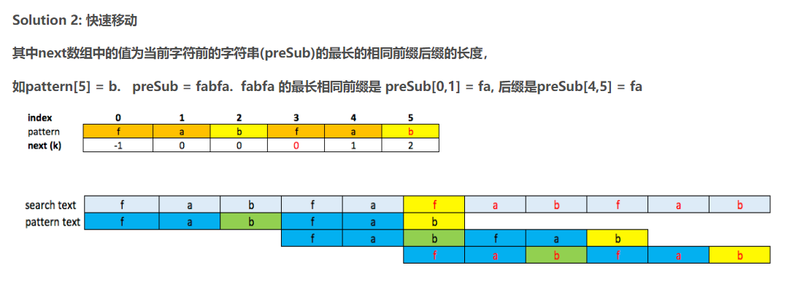
 | approach#2 kmp
 |  | C++
 |  |  | //Runtime: 4 ms, faster than 90.52% of C++ online submissions for Implement strStr().
 |  |  | //Memory Usage: 9.4 MB, less than 17.14% of C++ online submissions for Implement strStr().
 |  |  | class Solution {
 |  |  | public:
 |  |  | int strStr(string haystack, string needle) {
 |  |  | int i=0, j = 0;
 |  |  | int m = haystack.size();
 |  |  | int n = needle.size();
 |  |  | if(needle.empty()) return 0;

 |  |  | vector<int> next(n, -1);
 |  |  | kmp(needle, next);
 |  |  | int t = m-n+1;
 |  |  | while(i<t && j<n) {
 |  |  | if(haystack[i+j] == needle[j]) {
 |  |  | if(j == n-1) return i;
 |  |  | j++;
 |  |  | continue;
 |  |  | }

 |  |  | //or ok if(next[j] != -1) {
 |  |  | if(j>0) {
 |  |  | //back i,j;
 |  |  | i = i + j - next[j];
 |  |  | j = next[j];
 |  |  | }

 |  |  | else {
 |  |  | i++;
 |  |  | }
 |  |  | }

 |  |  | return -1;
 |  |  | }

 |  |  | void kmp(string &s, vector<int>& next){
 |  |  | next[0] = -1;
 |  |  | int i = 1;
 |  |  | int preMatchCount = -1;
 |  |  | int n = s.length();
 |  |  | while(i < n) {
 |  |  | if(preMatchCount == -1) {
 |  |  | next[i++] = 0;
 |  |  | preMatchCount = 0;
 |  |  | continue;
 |  |  | }

 |  |  | if(s[i-1] == s[preMatchCount]) {
 |  |  | next[i] = preMatchCount + 1;
 |  |  | preMatchCount++;
 |  |  | i++;
 |  |  | }
 |  |  | else {
 |  |  | preMatchCount = next[preMatchCount];
 |  |  | }

 |  |  | }
 |  |  | }
 |  |  | };

fast low
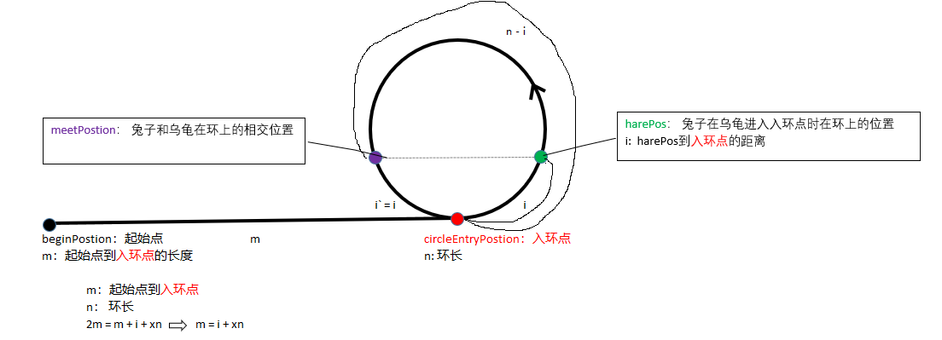
meetPostion： 兔子和乌龟在环上的相交位置
harePos： 兔子在乌龟进入入环点时在环上的位置
i: harePos到入环点的距离

 |  |  |  | i` = i |  | i

beginPostion：起始点 |  |  | m |  | circleEntryPostion：入环点
m：起始点到入环点的长度 |  |  |  |  | n: 环长

 | m：起始点到入环点
 | n： 环长
 | 2m = m + i + xn | m = i + xn

