5
5. Longest Palindromic Substring
 | https://leetcode.com/problems/longest-palindromic-substring/
 | approach#1 Binary search
 |  | Java
 |  |  | //Runtime: 7 ms, faster than 69.59% of Java online submissions for Longest Palindromic Substring.
 |  |  | // Memory Usage: 35.7 MB, less than 100.00% of Java online submissions for Longest Palindromic Substring.
 |  |  | class Solution {
 |  |  | public String longestPalindrome(String s) {

 |  |  | int n = s.length();
 |  |  | if (n < 2) return s;

 |  |  | int ans = 1;
 |  |  | int lpos = 0, rpos = 0;

 |  |  | int low = 0, high = 0;
 |  |  | int count = 2 * n + 1;
 |  |  | int left, right;

 |  |  | int len;
 |  |  | for (int i = 0; i < count; i++) {
 |  |  | low = i / 2;
 |  |  | high = low + i % 2;
 |  |  | left = 0;
 |  |  | right = 0;
 |  |  | while (low >= 0 && high < n && low <= high) {
 |  |  | if (s.charAt(low) == s.charAt(high)) {

 |  |  | left = low--;
 |  |  | right = high++;
 |  |  | continue;
 |  |  | } else {
 |  |  | break;
 |  |  | }
 |  |  | }
 |  |  | len = right - left + 1;
 |  |  | if (len > ans) {
 |  |  | ans = len;
 |  |  | lpos = left;
 |  |  | rpos = right;
 |  |  | }
 |  |  | }
 |  |  | return new String(s.substring(lpos, rpos + 1));
 |  |  | }
 |  |  | }

 | approach#2 Binary search
 |  | Java
 |  |  | //Runtime: 5 ms, faster than 97.03% of Java online submissions for Longest Palindromic Substring.
 |  |  | // Memory Usage: 37.6 MB, less than 58.87% of Java online submissions for Longest Palindromic Substring.
 |  |  | class Solution {
 |  |  | public String longestPalindrome(String s) {
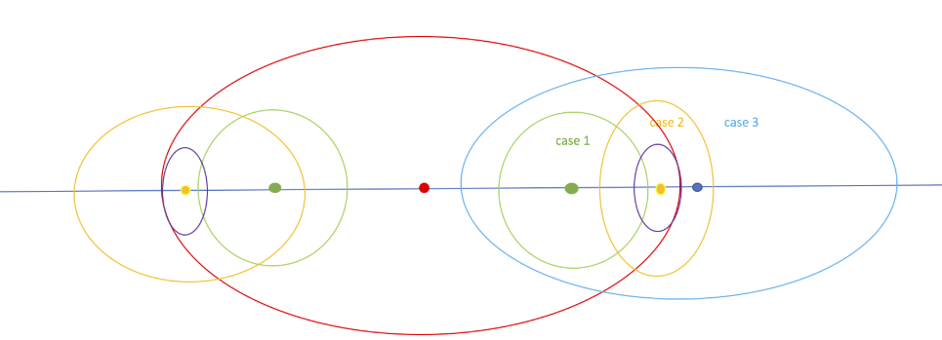
 |  |  | int ansCenter = 0;

 |  |  | int n = s.length();
 |  |  | if (n < 2) return s;

 |  |  | StringBuilder sb = new StringBuilder(2 * n + 3);

 |  |  | sb.append('@');
 |  |  | sb.append('#');
 |  |  | for (int i = 0; i < n; i++) {
 |  |  | sb.append(s.charAt(i));
 |  |  | sb.append('#');
 |  |  | }
 |  |  | sb.append('$');

 |  |  | String str = sb.toString();
 |  |  | int[] redius = new int[2 * n + 3];
 |  |  | int center = 0, right = 0;
 |  |  | int maxRedius = 0;
 |  |  | for (int i = 2; i < str.length() - 2; i++) {

 |  |  | if (i < right) {

 |  |  | redius[i] = Math.min(redius[2 * center - i], right - i);
 |  |  | }

 |  |  | while (str.charAt(i + redius[i] + 1) == str.charAt(i - redius[i] - 1))
 |  |  | redius[i]++;

 |  |  | if (maxRedius < redius[i]) {
 |  |  | maxRedius = redius[i];
 |  |  | ansCenter = i;
 |  |  | }

 |  |  | if (right < i + redius[i]) {
 |  |  | right = i + redius[i];
 |  |  | center = i;
 |  |  | }

 |  |  | }

 |  |  | int start = ansCenter - redius[ansCenter];
 |  |  | int end = ansCenter + redius[ansCenter];

 |  |  | start = (start + 1) / 2;
 |  |  | end = (end - 1) / 2;

 |  |  | return new String(s.substring(start - 1, end));

 |  |  | }
 |  |  | }

28
28. Implement strStr()
 | https://leetcode.com/problems/implement-strstr/
 | approach#1 brute force
 |  | C++
 |  |  | //runtime: 4 ms, faster than 90.52% of C++ online submissions for Implement strStr().
 |  |  | //Memory Usage: 9 MB, less than 82.86% of C++ online submissions for Implement strStr().
 |  |  | class Solution {
 |  |  | public:
 |  |  | int strStr(string haystack, string needle) {
 |  |  | int m = haystack.size(), n = needle.size();
 |  |  | for (int i = 0; i <= m - n; i++) {
 |  |  | int j = 0;
 |  |  | for (; j < n; j++) {
 |  |  | if (haystack[i + j] != needle[j]) {
 |  |  | break;
 |  |  | }
 |  |  | }
 |  |  | if (j == n) {
 |  |  | return i;
 |  |  | }
 |  |  | }
 |  |  | return -1;
 |  |  | }
 |  |  | };

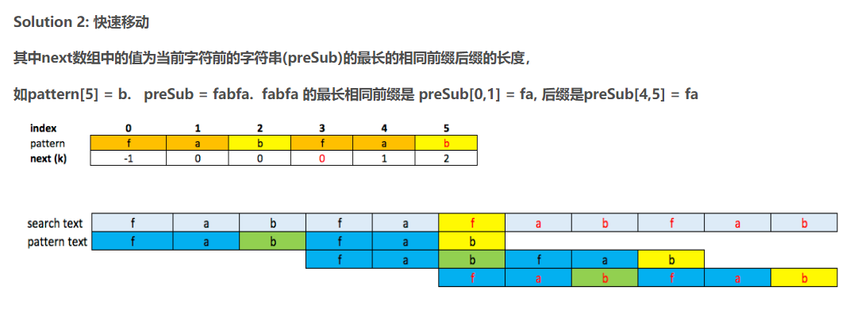
 | approach#2 kmp
 |  | C++
 |  |  | //Runtime: 4 ms, faster than 90.52% of C++ online submissions for Implement strStr().
 |  |  | //Memory Usage: 9.4 MB, less than 17.14% of C++ online submissions for Implement strStr().
 |  |  | class Solution {
 |  |  | public:
 |  |  | int strStr(string haystack, string needle) {
 |  |  | int i=0, j = 0;
 |  |  | int m = haystack.size();
 |  |  | int n = needle.size();
 |  |  | if(needle.empty()) return 0;

 |  |  | vector<int> next(n, -1);
 |  |  | kmp(needle, next);
 |  |  | int t = m-n+1;
 |  |  | while(i<t && j<n) {
 |  |  | if(haystack[i+j] == needle[j]) {
 |  |  | if(j == n-1) return i;
 |  |  | j++;
 |  |  | continue;
 |  |  | }

 |  |  | //or ok if(next[j] != -1) {
 |  |  | if(j>0) {
 |  |  | //back i,j;
 |  |  | i = i + j - next[j];
 |  |  | j = next[j];
 |  |  | }

 |  |  | else {
 |  |  | i++;
 |  |  | }
 |  |  | }

 |  |  | return -1;
 |  |  | }

 |  |  | void kmp(string &s, vector<int>& next){
 |  |  | next[0] = -1;
 |  |  | int i = 1;
 |  |  | int preMatchCount = -1;
 |  |  | int n = s.length();
 |  |  | while(i < n) {
 |  |  | if(preMatchCount == -1) {
 |  |  | next[i++] = 0;
 |  |  | preMatchCount = 0;
 |  |  | continue;
 |  |  | }

 |  |  | if(s[i-1] == s[preMatchCount]) {
 |  |  | next[i] = preMatchCount + 1;
 |  |  | preMatchCount++;
 |  |  | i++;
 |  |  | }
 |  |  | else {
 |  |  | preMatchCount = next[preMatchCount];
 |  |  | }

 |  |  | }
 |  |  | }
 |  |  | };

