215
215. Kth Largest Element in an Array
 | https://leetcode.com/problems/kth-largest-element-in-an-array/
 | approch#1 | Priority queue
 |  | C++ | class cmp { bool operator() (int d1, int d2){ return d1 > d2; } }; class Solution { private: typedef bool (Solution::*cmp1)(); bool compare(int d1, int d2){ return d1 > d2; } public: int findKthLargest(vector<int>& nums, int k) { //priority_queue<int, vector<int>, cmp> data; priority_queue<int, vector<int>, greater<int>> data; //min statck //priority_queue<int, vector<int>, cmp1> data; for(int i: nums) { if(data.size() < k){ data.push(i); } else { if(i > data.top()) { data.push(i); data.pop(); } } } return data.top(); } }; | 调查： 仿函数不可以，类成员函数不可以
 |  | Java | class Solution { public int findKthLargest(int[] nums, int k) { PriorityQueue<Integer> data = new PriorityQueue<Integer>(); for(int i: nums){ if(data.size() < k) data.add(i); else{ if(data.peek() < i) { data.remove(); data.add(i); } } } return data.peek(); } } | 默认小堆
 | approch#2 | 分治
 |  | C++ | class Solution { public: int findKthLargest(vector<int>& nums, int k) { return KthLargestInternal(nums, k, 0, nums.size()-1); } private: int KthLargestInternal(vector<int>& nums, int k, int low, int high) { int pivot = rand()%(high-low+1) + low; // choose random pivot ans swap with first element in array[low..high] swap(nums[low], nums[pivot]); int i = low+1, j = high; while(i <= j) { if (nums[i] < nums[low]) { // keep on putting elements less than pivot to the end of current array swap(nums[i], nums[j]); j--; } else { i++; // bigger elements remain at the front of the array } } swap(nums[low], nums[j]); // put the pivot in right place after partition if (j-low == k-1) { return nums[j]; // if pivot is in the required position return it. } if (k-1 < j-low) { return KthLargestInternal(nums, k, low, j-1); // if required order is less than pivot recurse to left half } else { return KthLargestInternal(nums, k-(j-low+1), j+1, high); // if required order is greater recurese to right half } } }; | 1. swap(nums[low], nums[j]); // put the pivot in right place after partition 不要忘记，因为nums[low]存储的并非 是nums[pivot], 下边的递归可能使其改变。原始的nums[pivot]用于 if (j-low == k-1) { return nums[j]; // if pivot is in the required position return it. } | 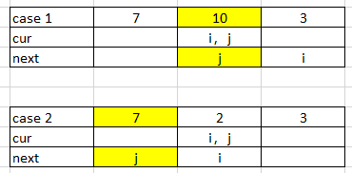 2. 边界条件说明explaination
 |  | Java | class Solution { public int findKthLargest(int[] nums, int k) { return findKthLargestRange(nums, 0, nums.length-1, k); } public int findKthLargestRange(int[] nums, int start, int end, int k) { int pivot = (int)(Math.random())%(end - start + 1) + start; int low = start; int high = end; int tmp = 0; System.out.println("pivot:" + pivot); //swap low and piovt tmp = nums[low]; nums[low] = nums[pivot]; nums[pivot] = tmp; low++; while(low <= high) { if(nums[low] < nums[start]) { tmp = nums[low]; nums[low] = nums[high]; nums[high] = tmp; high--; } else { low++; } } tmp = nums[high]; nums[high] = nums[start]; nums[start] = tmp; int count = high - start + 1; if(k == count) return nums[high]; if(k>count) return findKthLargestRange(nums, high+1, end, k - count); return findKthLargestRange(nums, start, high-1, k); } } | 1. 取得随机值Math.random() 2. java 数组int[] num作为参数也是传引用

295
295. Find Median from Data Stream
 | https://leetcode.com/problems/find-median-from-data-stream/
 | approch#1 | Two Priority Queue
 |  | C++ | class MedianFinder { priority_queue<int> bigQ; priority_queue<int, vector<int>, greater<int>> smallQ; public: /** initialize your data structure here. */ MedianFinder() { } void addNum(int num) { if (bigQ.size() == 0) { bigQ.push(num); return; } if (bigQ.size() == smallQ.size()) { if (bigQ.top() < num) smallQ.push(num); else bigQ.push(num); } else if (bigQ.size() > smallQ.size()) { if (bigQ.top() < num) { smallQ.push(num); } else { smallQ.push(bigQ.top()); bigQ.pop(); bigQ.push(num); } } else { //bigQ.size() < smallQ.size() if (smallQ.top() > num) bigQ.push(num); else { bigQ.push(smallQ.top()); smallQ.pop(); smallQ.push(num); } } } double findMedian() { if (bigQ.size() == smallQ.size()) { //or return double(bigQ.top() + smallQ.top()) / 2; return double(bigQ.top() + smallQ.top()) / 2; } return bigQ.size() > smallQ.size() ? bigQ.top() : smallQ.top(); } }; /** * Your MedianFinder object will be instantiated and called as such: * MedianFinder* obj = new MedianFinder(); * obj->addNum(num); * double param_2 = obj->findMedian(); */ | 1. 没有加 return if q is empty 2.注意int转double //or return double(bigQ.top() + smallQ.top()) / 2; return double(bigQ.top() + smallQ.top()) / 2; 3. c++最小堆 greater<int> priority_queue<int, vector<int>, greater<int>> smallQ; |  | 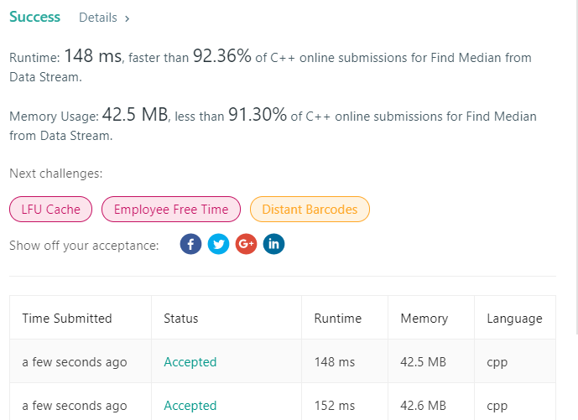
 |  | Java
 | approch#2 | Two Priority Queue， 代码简单， 但性能不如第一种方法
 |  | C++ | class MedianFinder { priority_queue<int> bigQ; priority_queue<int, vector<int>, greater<int>> smallQ; public: /** initialize your data structure here. */ MedianFinder() { } void addNum(int num) { int tmp; bigQ.push(num); smallQ.push(bigQ.top()); bigQ.pop(); if (smallQ.size() - bigQ.size() > 1) { bigQ.push(smallQ.top()); smallQ.pop(); } } double findMedian() { if (bigQ.size() == smallQ.size()) { return ((double)bigQ.top() + (double)smallQ.top()) / 2; } return smallQ.top(); } }; /** * Your MedianFinder object will be instantiated and called as such: * MedianFinder* obj = new MedianFinder(); * obj->addNum(num); * double param_2 = obj->findMedian(); */ |  | 
 |  | Java | class MedianFinder { private PriorityQueue<Integer> smallQ; private PriorityQueue<Integer> bigQ; /** initialize your data structure here. */ public MedianFinder() { smallQ = new PriorityQueue<Integer>(); bigQ = new PriorityQueue<Integer>((Integer a, Integer b) -> b - a); // bigQ = new PriorityQueue<Integer>(new Comparator<Integer>(){ // @Override // public int compare(Integer d1, Integer d2){ // // or return d2.compareTo(d1); // return d2-d1; // } // }); } public void addNum(int num) { int tmp; bigQ.add(num); smallQ.add(bigQ.remove()); if(smallQ.size() - bigQ.size() > 1) bigQ.add(smallQ.remove()); } public double findMedian() { if(bigQ.size() == smallQ.size()) return ((double)bigQ.peek() + (double)smallQ.peek())/2; return smallQ.peek(); } } | 学习比较函数的写法 C++ PQ 默认大堆 Java PQ 默认小堆， 出栈后自然顺序 | 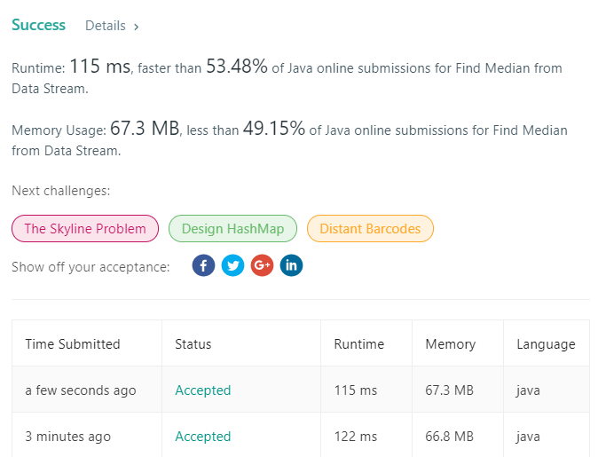

455
455. Assign Cookies
 | https://leetcode.com/problems/assign-cookies/
 | approch#1 | (Two Stacks)
 |  | C++ | class Solution { public: int findContentChildren(vector<int>& g, vector<int>& s) { sort(g.begin(), g.end()); sort(s.begin(), s.end()); int j = 0; int count = 0; for(int i=0; i<g.size(); i++) { for(; j<s.size(); j++) { if(s[j] >= g[i]) { j++; count++; break; } } } return i; } }; | 
 |  | Java | class Solution { public int findContentChildren(int[] g, int[] s) { Arrays.sort(g); Arrays.sort(s); int child = 0; int cookie = 0; while(child < g.length && cookie < s.length) { if(g[child] <= s[cookie]) child++; cookie++; } return child; } } | java 写法好于 C++ | 

