114
114. Flatten Binary Tree to Linked List
 | https://leetcode.com/problems/flatten-binary-tree-to-linked-list/
 | approach#1
 |  | C++ | class Solution { |  | Runtime: 12 ms, faster than 78.22% of C++ online submissions for Kth Largest Element in an Array. Memory Usage: 9.4 MB, less than 43.94% of C++ online submissions for Kth Largest Element in an Array.
 |  |  | public:
 |  |  | void flatten(TreeNode* root) { |  | Next challenges:
 |  |  | TreeNode* first = NULL;
 |  |  | TreeNode* last = NULL;
 |  |  | flatten(root, &first, &last);
 |  |  | return;
 |  |  | }

 |  |  | private:
 |  |  | void flatten(TreeNode* root, TreeNode** first, TreeNode** last) {
 |  |  | if (NULL == root) return;
 |  |  | TreeNode* lFirst = NULL, *lLast = NULL;
 |  |  | TreeNode* rFirst = NULL, *rLast = NULL;
 |  |  | TreeNode* newLast = root;
 |  |  | TreeNode* orgRight = root->right;

 |  |  | *first = root; | first 无用， 下面会删除
 |  |  | if (!root->left && !root->right) {
 |  |  | *last = root;
 |  |  | return;
 |  |  | }

 |  |  | if (root->left) {
 |  |  | flatten(root->left, &lFirst, &lLast);
 |  |  | root->left = NULL;
 |  |  | root->right = lFirst; | 此处会修改right，所以要对right做个备份
 |  |  | newLast = lLast;
 |  |  | *last = lLast;
 |  |  | }

 |  |  | if (orgRight) {
 |  |  | flatten(orgRight, &rFirst, &rLast);
 |  |  | newLast->right = rFirst;
 |  |  | *last = rLast;
 |  |  | }
 |  |  | }
 |  |  | };

 | approach#2 方法1的优化 |  | class Solution { |  | Runtime: 0 ms, faster than 100.00% of Java online submissions for Flatten Binary Tree to Linked List.
 |  | C++ | public: |  | Memory Usage: 36 MB, less than 100.00% of Java online submissions for Flatten Binary Tree to Linked List.
 |  |  | void flatten(TreeNode* root) {
 |  |  | TreeNode* last = NULL;
 |  |  | flatten(root, &last);
 |  |  | return;
 |  |  | }

 |  |  | private:
 |  |  | void flatten(TreeNode* root, TreeNode** last) {
 |  |  | if(NULL == root) return;
 |  |  | TreeNode* lLast = NULL;
 |  |  | TreeNode* rLast = NULL;
 |  |  | TreeNode* newLast = root;
 |  |  | TreeNode* right = root->right;
 |  |  | TreeNode* left = root->left;

 |  |  | if(!root->left && !root->right){
 |  |  | *last = root;
 |  |  | return;
 |  |  | }

 |  |  | if(root->left) {
 |  |  | flatten(root->left, &lLast);
 |  |  | root->left = NULL;
 |  |  | root->right = left;
 |  |  | newLast = lLast;
 |  |  | *last = lLast;
 |  |  | }

 |  |  | if(right) {
 |  |  | flatten(right, &rLast);
 |  |  | newLast->right = right;
 |  |  | *last = rLast;
 |  |  | }
 |  |  | }
 |  |  | };

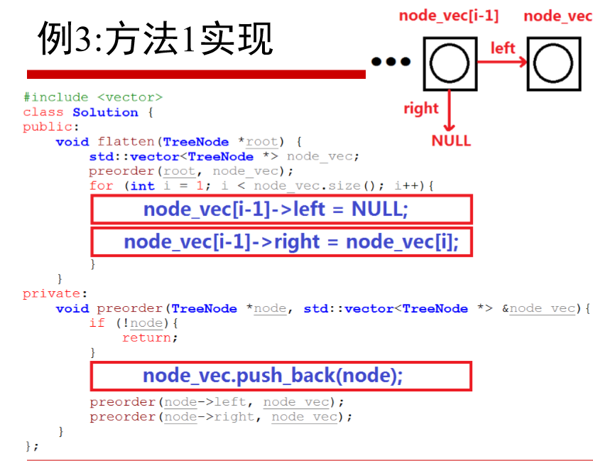
 | #approach3

 | #approach 4 用dummy节点 简化特殊情况的处理
 |  | Java
 |  |  | lass Solution {
 |  |  | public void flatten(TreeNode root) {
 |  |  | TreeNode dummy = new TreeNode(0);
 |  |  | flattenSub(root, dummy);
 |  |  | }

 |  |  | public TreeNode flattenSub(TreeNode root, TreeNode pre){ | if C++ public flattenSub(TreeNode *root, TreeNode **pre){

 |  |  | if(root == null) return pre;

 |  |  | // TreeNode left = root.left ; | 左边无需备份， 因不再使用
 |  |  | TreeNode right = root.right ; | 只需备份右侧即可

 |  |  | pre.left = null;
 |  |  | pre.right = root;
 |  |  | pre = root;

 |  |  | TreeNode result = pre;
 |  |  | if(root.left != null) result = flattenSub(root.left, pre);
 |  |  | if(right != null) result = flattenSub(right, result);

 |  |  | return result; | Java 指针的指针如何表示
 |  |  | }
 |  |  | }

199
199. Binary Tree Right Side View
 | https://leetcode.com/problems/binary-tree-right-side-view/
 | approach#1
 |  | C++ | class Solution { |  | Runtime: 12 ms, faster than 78.22% of C++ online submissions for Kth Largest Element in an Array. Memory Usage: 9.4 MB, less than 43.94% of C++ online submissions for Kth Largest Element in an Array.
 |  |  | public:
 |  |  | vector<int> rightSideView(TreeNode* root) {
 |  |  | vector<int> result;
 |  |  | TreeNode* front;
 |  |  | if (!root) return result;

 |  |  | int pre = root->val;
 |  |  | queue<TreeNode*> q;
 |  |  | q.push(root);
 |  |  | q.push(NULL);
 |  |  | while (!q.empty()) {
 |  |  | front = q.front();
 |  |  | q.pop();
 |  |  | cout << front << endl;
 |  |  | if (!front) {
 |  |  | result.push_back(pre);
 |  |  | if (!q.empty())q.push(NULL);
 |  |  | continue;
 |  |  | }

 |  |  | pre = front->val;

 |  |  | if (front->left) q.push(front->left);
 |  |  | if (front->right) q.push(front->right);
 |  |  | }

 |  |  | return result;
 |  |  | }
 |  |  | };

 |  | Java |  |  | Runtime: 1 ms, faster than 100.00% of Java online submissions for Binary Tree Right Side View.
 |  |  | class Solution { |  | Memory Usage: 36.3 MB, less than 100.00% of Java online submissions for Binary Tree Right Side View.
 |  |  | public List<Integer> rightSideView(TreeNode root) {
 |  |  | //Queue<TreeNode> q = new Queue<TreeNode>(); | Queue是接口，不是类
 |  |  | Queue<TreeNode> q = new LinkedList<TreeNode>();
 |  |  | List<Integer> result = new ArrayList<Integer>();
 |  |  | TreeNode front = null;

 |  |  | if (null == root) return result;

 |  |  | q.add(root);
 |  |  | q.add(null);
 |  |  | int pre = root.val;

 |  |  | //while(!q.empty()) { | Queue接口没有empty方法
 |  |  | while (0 != q.size()) {
 |  |  | front = q.remove();
 |  |  | if (null == front) {
 |  |  | result.add(pre);
 |  |  | if (0 != q.size()) q.add(null);
 |  |  | continue;
 |  |  | }
 |  |  | pre = front.val;

 |  |  | if (null != front.left) q.add(front.left);
 |  |  | if (null != front.right) q.add(front.right);
 |  |  | }

 |  |  | return result;
 |  |  | }
 |  |  | }

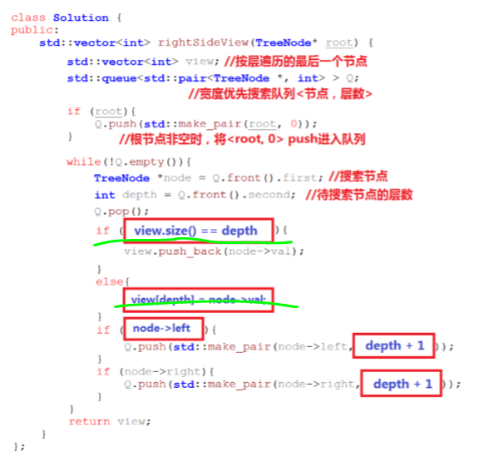
 | approach#2

 | #approach 3
 |  | Java | public class Solution {
 |  |  | public List<Integer> rightSideView(TreeNode root) { |  | Runtime: 1 ms, faster than 100.00% of Java online submissions for Binary Tree Right Side View.
 |  |  | List<Integer> result = new ArrayList<Integer>(); |  | Memory Usage: 35.4 MB, less than 100.00% of Java online submissions for Binary Tree Right Side View.
 |  |  | rightView(root, result, 0);
 |  |  | return result;
 |  |  | }

 |  |  | public void rightView(TreeNode curr, List<Integer> result, int currDepth) {
 |  |  | if (curr == null) {
 |  |  | return;
 |  |  | }
 |  |  | if (currDepth == result.size()) {
 |  |  | result.add(curr.val);
 |  |  | }

 |  |  | rightView(curr.right, result, currDepth + 1); | 直接从右侧开始遍历
 |  |  | rightView(curr.left, result, currDepth + 1);

 |  |  | }
 |  |  | }

207
207. Course Schedule
 | https://leetcode.com/problems/course-schedule/
 | approach#1 | 邻接表 dfs
 |  | C++ | struct Node { |  | Runtime: 12 ms, faster than 78.22% of C++ online submissions for Kth Largest Element in an Array. Memory Usage: 9.4 MB, less than 43.94% of C++ online submissions for Kth Largest Element in an Array.
 |  |  | int label;
 |  |  | vector<Node*> to; |  | 如何区分红线 （此节点还没有遍历完） 和 绿线（此节点遍历结束）
 |  |  | Node(int label) : label(label) {}
7
2
5
 |  |  | };

4
 |  |  | class Solution {

1
3
6
 |  |  | private:
 |  |  | enum STATE {
 |  |  | WAIT,
 |  |  | RUNNING, |  | 设置三种遍历状态
 |  |  | OVER |  | WAIT
 |  |  | }; |  | RUNNING
 |  |  |  |  | OVER
 |  |  | public:
 |  |  | bool canFinish(int numCourses, vector<vector<int>>& prerequisites) { |  | Runtime: 16 ms, faster than 97.02% of C++ online submissions for Course Schedule.
 |  |  | vector<Node*> graph(numCourses); |  | Memory Usage: 13.4 MB, less than 89.09% of C++ online submissions for Course Schedule.
 |  |  | vector<STATE> visit(numCourses, WAIT);

 |  |  | constructGraph(graph, prerequisites);

 |  |  | bool result;
 |  |  | for (int i = 0; i < numCourses; i++) {
 |  |  | if (visit[i] == WAIT) {
 |  |  | result = dfs(graph, i, visit);
 |  |  | if (result == false) return false;
 |  |  | }
 |  |  | }
 |  |  | return true;
 |  |  | }

 |  |  | void constructGraph(vector<Node*> &graph, vector<vector<int>>& pre) {
 |  |  | for (int i = 0; i < graph.size(); i++) {
 |  |  | graph[i] = new Node(i);
 |  |  | }

 |  |  | for (int i = 0; i < pre.size(); i++) {
 |  |  | graph[pre[i][1]]->to.push_back(graph[pre[i][0]]);
 |  |  | }
 |  |  | }

 |  |  | bool dfs(vector<Node*> &graph, int cur, vector<STATE> &visit) { | bool dfs1(vector<Node*> &graph, int cur, vector<STATE> &visit){
 |  |  | bool result; | bool result;
 |  |  | visit[cur] = RUNNING; | visit[cur] = RUNNING; |  | Runtime: 12 ms, faster than 99.63% of C++ online submissions for Course Schedule.
 |  |  | for (int i = 0; i < graph[cur]->to.size(); i++) { | int nextLable; |  | Memory Usage: 13.3 MB, less than 89.09% of C++ online submissions for Course Schedule.
 |  |  | if (visit[graph[cur]->to[i]->label] == WAIT) { | for(int i=0; i<graph[cur]->to.size(); i++){
 |  |  | result = dfs(graph, graph[cur]->to[i]->label, visit); | nextLable = graph[cur]->to[i]->label;
 |  |  | if (false == result) return false; | if(visit[nextLable] == WAIT) {
 |  |  | } | result = dfs(graph, nextLable, visit);
 |  |  | else if (visit[graph[cur]->to[i]->label] == RUNNING) { | if(false == result) return false;
 |  |  | return false; | }
 |  |  | } | else if(visit[nextLable] == RUNNING){
 |  |  | } | return false;
 |  |  | visit[cur] = OVER; | }
 |  |  |  | }
 |  |  | return true; | visit[cur] = OVER;
 |  |  | } | return true;
 |  |  | }; | }

 |  | Java | class Solution { |  |  |  |  |  |  | //Runtime: 2 ms, faster than 99.66% of Java online submissions for Course Schedule. | //Runtime: 2 ms, faster than 99.66% of Java online submissions for Course Schedule.
 |  |  | class Node { |  |  |  |  |  |  | //Memory Usage: 52.2 MB, less than 27.69% of Java online submissions for Course Schedule. | //Memory Usage: 51.9 MB, less than 27.69% of Java online submissions for Course Schedule.
 |  |  | int label; | 默认的成员变量的访问权限[Java语言]------不是private,是default(package). 在C++语言中，默认的成员变量的访问权限是private. |  |  |  |  |  |  | class Solution {
 |  |  | List<Integer> to; | 此处优化为 int[] to; 如下优化一 |  |  |  |  |  |  | enum State {
 |  |  |  |  |  |  |  |  |  | class Solution { | Waiting,
 |  |  | Node(int label) { | Runtime: 126 ms, faster than 8.05% of Java online submissions for Course Schedule. |  |  |  |  |  | enum State { | Running,
 |  |  | this.label = label; | Memory Usage: 54.1 MB, less than 25.39% of Java online submissions for Course Schedule. |  |  |  |  |  | Waiting, | Over,
 |  |  | to = new ArrayList(); |  |  |  |  |  |  | Running, | }
 |  |  | } |  |  |  |  |  |  | Over,
 |  |  | } |  |  |  |  |  |  | } | public boolean canFinish(int numCourses, int[][] prerequisites) {

 |  |  | enum STATE { |  |  |  |  |  |  | public boolean canFinish(int numCourses, int[][] prerequisites) { | State[] mark = new State[numCourses];
 |  |  | WAIT,
 |  |  | RUNNING, |  |  |  |  |  |  | State[] mark = new State[numCourses]; | List<Integer>[] graph = new List[numCourses];
 |  |  | OVER |  |  |  |  |  |  |  | for (int i = 0; i < numCourses; i++) {
 |  |  | } |  |  |  |  |  |  | ArrayList<ArrayList<Integer>> graph = new ArrayList<>(numCourses); | graph[i] = new ArrayList<Integer>();
 |  |  |  |  |  |  |  |  |  | for (int i = 0; i < numCourses; i++) { | mark[i] = State.Waiting;
 |  |  | public boolean canFinish(int numCourses, int[][] prerequisites) { |  |  |  |  |  |  | graph.add(new ArrayList<Integer>()); | }
 |  |  | List<Node> graph = new ArrayList<>(); |  |  |  |  |  |  | mark[i] = State.Waiting;
 |  |  | STATE[] state = new STATE[numCourses]; |  |  |  |  |  |  | } | constructGraph(prerequisites, graph);
 |  |  | for (int i = 0; i < numCourses; i++) {
 |  |  | graph.add(new Node(i)); |  |  |  |  |  |  | constructGraph(prerequisites, graph); | for (int i = 0; i < numCourses; i++) {
 |  |  | state[i] = STATE.WAIT; |  |  |  |  |  |  |  | if (mark[i] == State.Over) continue;
 |  |  | } |  |  |  |  |  |  | for (int i = 0; i < numCourses; i++) { | if (dfsHasCycle(graph, mark, i)) return false;
 |  |  |  |  |  |  |  |  |  | if (mark[i] == State.Over) continue; | }
 |  |  | for (int i = 0; i < prerequisites.length; i++) { |  |  |  |  |  |  | if (dfsHasCycle(graph, mark, i)) return false;
 |  |  | graph.get(prerequisites[i][1]).to.add(prerequisites[i][0]); |  |  |  |  |  |  | } | return true;
 |  |  | } |  |  |  |  |  |  |  | }
 |  |  |  |  |  |  |  |  |  | return true;
 |  |  | for (int i = 0; i < numCourses; i++) { |  |  |  |  |  |  | } | void constructGraph(int[][] pre, List<Integer>[] graph) {
 |  |  |  |  |  |  |  |  |  |  | int n = graph.length;
 |  |  | if (true == hasCircle(graph, i, state)) { |  |  |  |  |  |  | void constructGraph(int[][] pre, ArrayList<ArrayList<Integer>> graph) { | List<Integer> arr;
 |  |  | return false; |  |  |  |  |  |  | int n = graph.size(); | for (int i = 0; i < pre.length; i++) {
 |  |  | } |  |  |  |  |  |  | ArrayList<Integer> arr; | arr = graph[pre[i][1]];
 |  |  | } |  |  |  |  |  |  | for (int i = 0; i < pre.length; i++) { | arr.add(pre[i][0]);
 |  |  |  |  |  |  |  |  |  | arr = graph.get(pre[i][1]); | }
 |  |  | return true; |  |  |  |  |  |  | arr.add(pre[i][0]); | }
 |  |  | } |  |  |  |  |  |  | }
 |  |  |  |  |  |  |  |  |  | } | boolean dfsHasCycle(List<Integer>[] graph, State[] mark, int cur) {
 |  |  | private boolean hasCircle(List<Node> graph, int index, STATE[] state) { |  |  |  |  |  |  |  | boolean ret;
 |  |  | state[index] = STATE.RUNNING; |  |  |  |  |  |  | boolean dfsHasCycle(ArrayList<ArrayList<Integer>> graph, State[] mark, int cur) { | int to;
 |  |  | List<Integer> to = graph.get(index).to; |  |  |  |  |  |  | boolean ret; | mark[cur] = State.Running;
 |  |  |  |  |  |  |  |  |  | int to; | List<Integer> arr = graph[cur];
 |  |  | for (Integer i : to) { |  |  |  |  |  |  | mark[cur] = State.Running; | for (int i = 0; i < arr.size(); i++) {
 |  |  | if (state[i] == STATE.RUNNING) { |  |  |  |  |  |  | ArrayList<Integer> arr = graph.get(cur); | to = arr.get(i);
 |  |  | return true; |  |  |  |  |  |  | for (int i = 0; i < arr.size(); i++) { | if (mark[to] == State.Running) return true;
 |  |  | } |  |  |  |  |  |  | to = arr.get(i); | if (mark[to] == State.Waiting) {
 |  |  | if (hasCircle(graph, i, state)) return true; |  |  |  |  |  |  | if (mark[to] == State.Running) return true; | ret = dfsHasCycle(graph, mark, to);
 |  |  |  |  |  |  |  |  |  | if (mark[to] == State.Waiting) { | if (ret) return true;
 |  |  | } |  |  |  |  |  |  | ret = dfsHasCycle(graph, mark, to); | }
 |  |  | state[index] = STATE.OVER; |  |  |  |  |  |  | if (ret) return true; | }
 |  |  | return false; |  |  |  |  |  |  | } | mark[cur] = State.Over;
 |  |  | } |  |  |  |  |  |  | } | return false;
 |  |  |  |  |  |  |  |  |  | mark[cur] = State.Over; | }
 |  |  | } |  |  |  |  |  |  | return false; | }
 |  |  |  |  |  |  |  |  |  | }

 | approach#2 | 邻接表bfs | struct Node {
 |  | C++ | int label;
 |  |  | vector<Node*> to;
 |  |  | Node(int label) : label(label) {}
 |  |  | };

 |  |  | class Solution {
 |  |  | public:
 |  |  | bool canFinish(int numCourses, vector<vector<int>>& prerequisites) {
 |  |  | vector<Node*> graph(numCourses);
 |  |  | vector<int> degree(numCourses, 0);
 |  |  |  |  | Runtime: 24 ms, faster than 62.47% of C++ online submissions for Course Schedule.
 |  |  | constructGraph(graph, prerequisites, degree); |  | Memory Usage: 13.2 MB, less than 89.09% of C++ online submissions for Course Schedule.

 |  |  | bool result;
 |  |  | queue<int> q;
 |  |  | for (int i = 0; i < numCourses; i++) {
 |  |  | if (degree[i] == 0) {
 |  |  | q.push(i);

 |  |  | }
 |  |  | }

 |  |  | int front;
 |  |  | int to;
 |  |  | int size;
 |  |  | while (!q.empty()) {
 |  |  | front = q.front();
 |  |  | q.pop();
 |  |  | size = graph[front]->to.size();
 |  |  | for (int i = 0; i < size; i++) {
 |  |  | to = graph[front]->to[i]->label;
 |  |  | degree[to]--;
 |  |  | if (0 == degree[to]) q.push(to);
 |  |  | }
 |  |  | }

 |  |  | for (auto i : degree) {
 |  |  | if (0 != i) return false;
 |  |  | }

 |  |  | return true;
 |  |  | }

 |  |  | void constructGraph(vector<Node*> &graph, vector<vector<int>>& pre, vector<int> &degree) {
 |  |  | for (int i = 0; i < graph.size(); i++) {
 |  |  | graph[i] = new Node(i);
 |  |  | }

 |  |  | for (int i = 0; i < pre.size(); i++) {
 |  |  | graph[pre[i][1]]->to.push_back(graph[pre[i][0]]);
 |  |  | degree[pre[i][0]]++;
 |  |  | }
 |  |  | }
 |  |  | };

 |  | Java | class Solution {
 |  |  |  |  |  |  |  |  | Runtime: 3 ms, faster than 90.47% of Java online submissions for Course Schedule.
 |  |  | class Node { |  |  |  |  |  | Memory Usage: 47.1 MB, less than 46.16% of Java online submissions for Course Schedule.
 |  |  | int label; | Runtime: 4 ms, faster than 78.81% of Java online submissions for Course Schedule. |  |  |  |  | class Solution {
 |  |  | List<Integer> to; | Memory Usage: 46.9 MB, less than 47.69% of Java online submissions for Course Schedule.
 |  |  |  |  |  |  |  |  | public boolean canFinish(int numCourses, int[][] prerequisites) {
 |  |  | Node(int label) {
 |  |  | this.label = label; |  |  |  |  |  | char[] inCount = new char[numCourses];
 |  |  | to = new ArrayList(); |  |  |  |  |  | List<Integer> degree = new ArrayList<>();
 |  |  | }
 |  |  | } |  |  |  |  |  | List<Integer>[] graph = new List[numCourses];
 |  |  |  |  |  |  |  |  | for (int i = 0; i < numCourses; i++) {
 |  |  | public boolean canFinish(int numCourses, int[][] prerequisites) { |  |  |  |  |  | graph[i] = new ArrayList<Integer>();
 |  |  | List<Node> graph = new ArrayList<>(); |  |  |  |  |  | }
 |  |  | int[] degree = new int[numCourses];
 |  |  | Node cur; |  |  |  |  |  | constructGraph(prerequisites, graph, inCount, degree);
 |  |  | int to;
 |  |  |  |  |  |  |  |  | int cur;
 |  |  | for (int i = 0; i < numCourses; i++) { |  |  |  |  |  | int to;
 |  |  | graph.add(new Node(i)); |  |  |  |  |  | List<Integer> toList;
 |  |  | } |  |  |  |  |  | while (!degree.isEmpty()) {
 |  |  |  |  |  |  |  |  | cur = degree.remove(degree.size() - 1);
 |  |  | for (int i = 0; i < prerequisites.length; i++) { |  |  |  |  |  | toList = graph[cur];
 |  |  | graph.get(prerequisites[i][1]).to.add(prerequisites[i][0]); |  |  |  |  |  | for (int i = 0; i < toList.size(); i++) {
 |  |  | degree[prerequisites[i][0]]++; |  |  |  |  |  | to = toList.get(i);
 |  |  | } |  |  |  |  |  | inCount[to]--;
 |  |  |  |  |  |  |  |  | if (inCount[to] == 0) {
 |  |  | Queue<Integer> q = new LinkedList<>(); |  |  |  |  |  | degree.add(to);
 |  |  | for (int i = 0; i < numCourses; i++) { |  |  |  |  |  | }
 |  |  | if (degree[i] == 0) { |  |  |  |  |  | }
 |  |  | q.add(i); |  |  |  |  |  | }
 |  |  | }
 |  |  | } |  |  |  |  |  | for (int i : inCount) {
 |  |  |  |  |  |  |  |  | if (i != 0) {
 |  |  | while (q.size() > 0) { |  |  |  |  |  | return false;
 |  |  | cur = graph.get(q.remove()); |  |  |  |  |  | }
 |  |  | for(int i=0; i<cur.to.size(); i++){ |  |  |  |  |  | }
 |  |  | to = cur.to.get(i);
 |  |  | degree[to]--; |  |  |  |  |  | return true;
 |  |  | if(degree[to] == 0) q.add(to); |  |  |  |  |  | }
 |  |  | }
 |  |  | } |  |  |  |  |  | void constructGraph(int[][] pre, List<Integer>[] graph, char[] inCount, List<Integer> degree) {
 |  |  |  |  |  |  |  |  | List<Integer> arr;
 |  |  | for (int i : degree) { |  |  |  |  |  | for (int i = 0; i < pre.length; i++) {
 |  |  | if (0 != i) return false; |  |  |  |  |  | arr = graph[pre[i][1]];
 |  |  | } |  |  |  |  |  | arr.add(pre[i][0]);
 |  |  | return true; |  |  |  |  |  | inCount[pre[i][0]]++;
 |  |  | } |  |  |  |  |  | }
 |  |  | }
 |  |  |  |  |  |  |  |  | for (int i = 0; i < inCount.length; i++) {
 | approach#3 | 邻接矩阵 dfs | class Solution { |  |  |  |  |  | if (inCount[i] == 0) {
 |  | C++ | public: |  |  |  |  |  | degree.add(i);
 |  |  | bool canFinish(int numCourses, vector<vector<int>>& prerequisites) { |  |  |  |  |  | }
 |  |  |  |  |  |  |  |  | }
 |  |  | // if(prerequisites.size() == 0) return true; |  |  |  |  |  | }

 |  |  | vector<bool> v(numCourses, false); |  |  |  |  |  | }
 |  |  | vector<bool> cv(numCourses, false);
 |  |  | vector<vector<int>> e(numCourses);

 |  |  | for (int i = 0; i < prerequisites.size(); i++) {
 |  |  | e[prerequisites[i][1]].push_back(prerequisites[i][0]);
 |  |  | }

 |  |  | for (int i = 0; i < numCourses; i++) {
 |  |  | if (!v[i]) {
 |  |  | if (hasCircle(e, v, cv, i)) return false;
 |  |  | }
 |  |  | }
 |  |  | return true;
 |  |  | }

 |  |  | bool hasCircle(vector<vector<int>> &e, vector<bool>&v, vector<bool>&cv, int c) {
 |  |  | v[c] = true;
 |  |  | cv[c] = true;
 |  |  | for (int i = 0; i < e[c].size(); i++) {
 |  |  | if (!cv[e[c][i]]) {
 |  |  | if (hasCircle(e, v, cv, e[c][i])) return true;
 |  |  | }
 |  |  | else {
 |  |  | return true;
 |  |  | }
 |  |  | }
 |  |  | cv[c] = false;
 |  |  | return false;
 |  |  | }

 |  |  | };

 | approach#4 | BFS 不适合STATE方法 | class Solution {
 |  | 此方法不可行
 |  |  | class Node {
 |  |  | int label;
 |  |  | List<Integer> to;

 |  |  | Node(int label) {
 |  |  | this.label = label;
 |  |  | to = new ArrayList();
 |  |  | }
 |  |  | }

 |  |  | enum STATE {
 |  |  | WAIT,
 |  |  | RUNNING,
 |  |  | OVER
 |  |  | }

 |  |  | public boolean canFinish(int numCourses, int[][] prerequisites) {
 |  |  | List<Node> graph = new ArrayList<>();
 |  |  | STATE[] state = new STATE[numCourses];
 |  |  | List<Integer> markOneTreeIdx = new ArrayList<>();
 |  |  | for (int i = 0; i < numCourses; i++) {
 |  |  | graph.add(new Node(i));
 |  |  | state[i] = STATE.WAIT;
 |  |  | }

 |  |  | for (int i = 0; i < prerequisites.length; i++) {
 |  |  | graph.get(prerequisites[i][1]).to.add(prerequisites[i][0]);
 |  |  | }

 |  |  | for (int i = 0; i < numCourses; i++) {
 |  |  | if (true == bfsHasCircle(graph, i, state, markOneTreeIdx)) {
 |  |  | return false;
 |  |  | }

 |  |  | for (int j = 0; j < markOneTreeIdx.size(); j++) | bfsHasCircle后通过Mark数组记录此轮节点，然后统一Mark runing->over
 |  |  | if (state[markOneTreeIdx.get(j)] == STATE.RUNNING) state[markOneTreeIdx.get(j)] = STATE.OVER; | 此方法的问题是bfs 可以访问不是同一朋友的节点
 |  |  |  | 如右侧图示
1
 |  |  | } |  |  | 1会遍历出度3，把3设置为RUNNING

0
3
 |  |  | return true; |  |  |  |  | RUNNING
 |  |  | }
2
 |  |  | private boolean bfsHasCircle(List<Node> graph, int index, STATE[] state, List<Integer> markOneTreeIdx) {
 |  |  | Node curNode; | incorrect case: |  |  | 检查2的出度发现3 已是RUNNING
 |  |  | int to; | 4
 |  |  |  | [[1,0],[2,0],[3,1],[3,2]]
 |  |  | if (state[index] == STATE.OVER) return false;

 |  |  | Queue<Integer> q = new LinkedList<>();
 |  |  | q.add(index);
 |  |  | state[index] = STATE.RUNNING;

 |  |  | markOneTreeIdx.clear();

 |  |  | while (q.size() > 0) {

 |  |  | curNode = graph.get(q.remove());
 |  |  | state[curNode.label] = STATE.RUNNING;

 |  |  | markOneTreeIdx.add(curNode.label);
 |  |  | System.out.println("----");
 |  |  | System.out.println(curNode.label);

 |  |  | for (int i = 0; i < curNode.to.size(); i++) {
 |  |  | to = curNode.to.get(i);
 |  |  | System.out.println(to + " " + state[to]);

 |  |  | if (state[to] == STATE.RUNNING) return true;
 |  |  | if (state[to] == STATE.OVER) continue;

 |  |  | q.add(to);
 |  |  | state[to] = STATE.RUNNING;
 |  |  | }
 |  |  | // state[curNode.label] = STATE.OVER;
 |  |  | }
 |  |  | return false;
 |  |  | }

 |  |  | }

215
215. Kth Largest Element in an Array
 | https://leetcode.com/problems/kth-largest-element-in-an-array/
 | approach#1 | Priority queue
 |  | C++ | class cmp { bool operator() (int d1, int d2){ return d1 > d2; } }; class Solution { private: typedef bool (Solution::*cmp1)(); bool compare(int d1, int d2){ return d1 > d2; } public: int findKthLargest(vector<int>& nums, int k) { //priority_queue<int, vector<int>, cmp> data; priority_queue<int, vector<int>, greater<int>> data; //min statck //priority_queue<int, vector<int>, cmp1> data; for(int i: nums) { if(data.size() < k){ data.push(i); } else { if(i > data.top()) { data.push(i); data.pop(); } } } return data.top(); } }; | 调查： 仿函数不可以，类成员函数不可以 | Runtime: 12 ms, faster than 78.22% of C++ online submissions for Kth Largest Element in an Array. Memory Usage: 9.4 MB, less than 43.94% of C++ online submissions for Kth Largest Element in an Array.
 |  | Java | class Solution { public int findKthLargest(int[] nums, int k) { PriorityQueue<Integer> data = new PriorityQueue<Integer>(); for(int i: nums){ if(data.size() < k) data.add(i); else{ if(data.peek() < i) { data.remove(); data.add(i); } } } return data.peek(); } } | 默认小堆，自然顺序， 和C++默认不同
 | approach#2 | 分治
 |  | C++ | class Solution { public: int findKthLargest(vector<int>& nums, int k) { return KthLargestInternal(nums, k, 0, nums.size()-1); } private: int KthLargestInternal(vector<int>& nums, int k, int low, int high) { int pivot = rand()%(high-low+1) + low; // choose random pivot ans swap with first element in array[low..high] swap(nums[low], nums[pivot]); int i = low+1, j = high; while(i <= j) { if (nums[i] < nums[low]) { // keep on putting elements less than pivot to the end of current array swap(nums[i], nums[j]); j--; } else { i++; // bigger elements remain at the front of the array } } swap(nums[low], nums[j]); // put the pivot in right place after partition if (j-low == k-1) { return nums[j]; // if pivot is in the required position return it. } if (k-1 < j-low) { return KthLargestInternal(nums, k, low, j-1); // if required order is less than pivot recurse to left half } else { return KthLargestInternal(nums, k-(j-low+1), j+1, high); // if required order is greater recurese to right half } } }; | 1. swap(nums[low], nums[j]); // put the pivot in right place after partition 不要忘记，因为nums[low]存储的并非 是nums[pivot], 下边的递归可能使其改变。原始的nums[pivot]用于 if (j-low == k-1) { return nums[j]; // if pivot is in the required position return it. } | 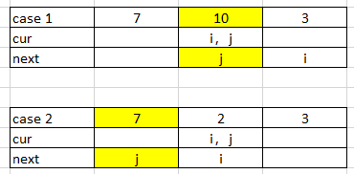 2. 边界条件说明explaination
 |  | Java | class Solution { public int findKthLargest(int[] nums, int k) { return findKthLargestRange(nums, 0, nums.length-1, k); } public int findKthLargestRange(int[] nums, int start, int end, int k) { int pivot = (int)(Math.random())%(end - start + 1) + start; int low = start; int high = end; int tmp = 0; System.out.println("pivot:" + pivot); //swap low and piovt tmp = nums[low]; nums[low] = nums[pivot]; nums[pivot] = tmp; low++; while(low <= high) { if(nums[low] < nums[start]) { tmp = nums[low]; nums[low] = nums[high]; nums[high] = tmp; high--; } else { low++; } } tmp = nums[high]; nums[high] = nums[start]; nums[start] = tmp; int count = high - start + 1; if(k == count) return nums[high]; if(k>count) return findKthLargestRange(nums, high+1, end, k - count); return findKthLargestRange(nums, start, high-1, k); } } | 1. 取得随机值Math.random() 2. java 数组int[] num作为参数也是传引用

224
224. Basic Calculator
 | https://leetcode.com/problems/basic-calculator/
 | approach#1 | (Two Stacks)
 |  | C++ | class Solution { private: public: int calculate(string s) { enum State {BEGIN, NUM, OPT}; State state = BEGIN; stack<int> data; stack<char> sign; bool canComp = false; int num = 0; for(int i=0; i<s.size(); i++) { if(' ' == s[i]) continue; switch(state){ case BEGIN: if('0'<=s[i] && s[i]<='9'){ state = NUM; } // "(" else { state = OPT; } i--; break; case NUM: if('0'<=s[i] && s[i]<='9'){ num = num *10 + (s[i] - '0'); } else { data.push(num); if(canComp) compute(data, sign); state = OPT; i--; num = 0; } break; case OPT: if('+'==s[i] || '-'==s[i]) { sign.push(s[i]); canComp = true; } else if('('==s[i] ){ state = NUM; canComp = false; } else if(')'==s[i] ){ compute(data, sign); } else if('0'<=s[i] && s[i]<='9'){ state = NUM; i--; } break; default: break; } } if(num != 0){ data.push(num); compute(data, sign); } if(data.empty()) return 0; return data.top(); } vo | 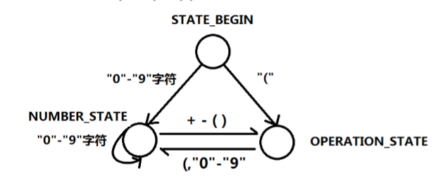 No | Runtime: 12 ms, faster than 78.22% of C++ online submissions for Kth Largest Element in an Array. Memory Usage: 9.4 MB, less than 43.94% of C++ online submissions for Kth Largest Element in an Array.
 |  | Java | class Solution { private enum State {BEGIN, NUM, OPT}; public int calculate(String s) { State state = State.BEGIN; int num = 0; boolean canComp = false; Stack<Integer> data = new Stack<Integer>(); Stack<Character> sign = new Stack<Character>(); char cur; for(int i=0; i<s.length(); i++){ cur = s.charAt(i); if(cur == ' ') continue; switch(state) { case BEGIN: if(cur >= '0' && cur <= '9'){ state = State.NUM; } else{ state = State.OPT; } i--; break; case NUM: if(cur >= '0' && cur <= '9'){ num = num*10 + (cur - '0'); } else{ data.push(num); // 1 + 2 + if(canComp == true) compute(data, sign); num = 0; state = State.OPT; i--; } break; case OPT: if (cur == '+' || cur == '-'){ canComp = true; // state = State.NUM; sign.push(cur); } else if(cur >= '0' && cur <= '9'){ state = State.NUM; i--; } else if(cur == '(') { canComp = false; state = State.NUM; } else if (cur == ')') { System.out.println("))" ); compute(data, s | 1 . 注释掉这句话 // state = State.NUM; 因为下个字符有可能是 （ ，仍然是OPT状态， 除非是0 -9才切到NUM状态 2. enum 的变量声明需要加枚举类型State Switch中不需要。 3. Stack 大小用size() 4. char 的装箱类型为Character， 而不是Char

295
295. Find Median from Data Stream
 | https://leetcode.com/problems/find-median-from-data-stream/
 | approach#1 | Two Priority Queue
 |  | C++ | class MedianFinder { priority_queue<int> bigQ; priority_queue<int, vector<int>, greater<int>> smallQ; public: /** initialize your data structure here. */ MedianFinder() { } void addNum(int num) { if (bigQ.size() == 0) { bigQ.push(num); return; } if (bigQ.size() == smallQ.size()) { if (bigQ.top() < num) smallQ.push(num); else bigQ.push(num); } else if (bigQ.size() > smallQ.size()) { if (bigQ.top() < num) { smallQ.push(num); } else { smallQ.push(bigQ.top()); bigQ.pop(); bigQ.push(num); } } else { //bigQ.size() < smallQ.size() if (smallQ.top() > num) bigQ.push(num); else { bigQ.push(smallQ.top()); smallQ.pop(); smallQ.push(num); } } } double findMedian() { if (bigQ.size() == smallQ.size()) { //or return double(bigQ.top() + smallQ.top()) / 2; return double(bigQ.top() + smallQ.top()) / 2; } return bigQ.size() > smallQ.size() ? bigQ.top() : smallQ.top(); } }; /** * Your MedianFinder object will be instantiated and called as such: * MedianFinder* obj = new MedianFinder(); * obj->addNum(num); * double param_2 = obj->findMedian(); */ | 1. 没有加 return if q is empty 2.注意int转double //or return double(bigQ.top() + smallQ.top()) / 2; return double(bigQ.top() + smallQ.top()) / 2; 3. c++最小堆 greater<int> priority_queue<int, vector<int>, greater<int>> smallQ; | Runtime: 12 ms, faster than 78.22% of C++ online submissions for Kth Largest Element in an Array. Memory Usage: 9.4 MB, less than 43.94% of C++ online submissions for Kth Largest Element in an Array. | 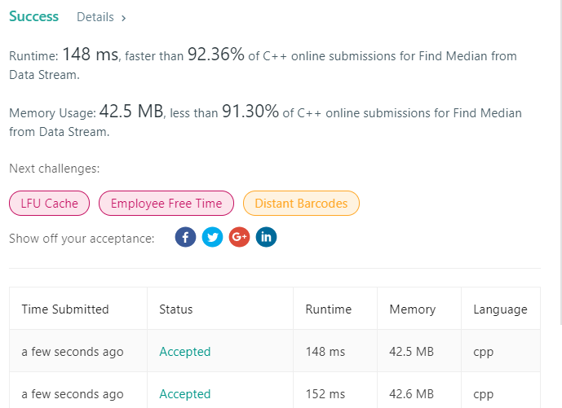
 |  | Java
 | approach#2 | Two Priority Queue， 代码简单， 但性能不如第一种方法
 |  | C++ | class MedianFinder { priority_queue<int> bigQ; priority_queue<int, vector<int>, greater<int>> smallQ; public: /** initialize your data structure here. */ MedianFinder() { } void addNum(int num) { int tmp; bigQ.push(num); smallQ.push(bigQ.top()); bigQ.pop(); if (smallQ.size() - bigQ.size() > 1) { bigQ.push(smallQ.top()); smallQ.pop(); } } double findMedian() { if (bigQ.size() == smallQ.size()) { return ((double)bigQ.top() + (double)smallQ.top()) / 2; } return smallQ.top(); } }; /** * Your MedianFinder object will be instantiated and called as such: * MedianFinder* obj = new MedianFinder(); * obj->addNum(num); * double param_2 = obj->findMedian(); */ | 
 |  | Java | class MedianFinder { private PriorityQueue<Integer> smallQ; private PriorityQueue<Integer> bigQ; /** initialize your data structure here. */ public MedianFinder() { smallQ = new PriorityQueue<Integer>(); bigQ = new PriorityQueue<Integer>((Integer a, Integer b) -> b - a); // bigQ = new PriorityQueue<Integer>(new Comparator<Integer>(){ // @Override // public int compare(Integer d1, Integer d2){ // // or return d2.compareTo(d1); // return d2-d1; // } // }); } public void addNum(int num) { int tmp; bigQ.add(num); smallQ.add(bigQ.remove()); if(smallQ.size() - bigQ.size() > 1) bigQ.add(smallQ.remove()); } public double findMedian() { if(bigQ.size() == smallQ.size()) return ((double)bigQ.peek() + (double)smallQ.peek())/2; return smallQ.peek(); } } | 学习比较函数的写法 C++ PQ 默认大堆 Java PQ 默认小堆， 出栈后自然顺序 | 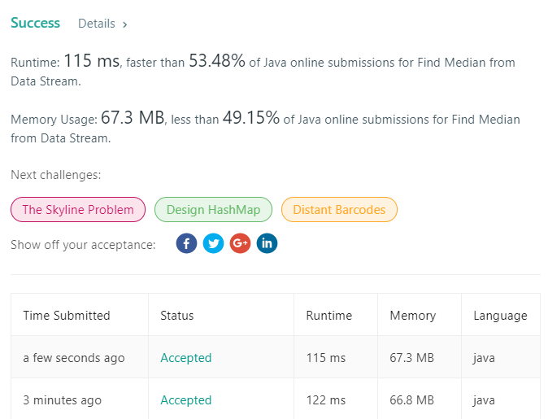

307
307. Range Sum Query - Mutable
 | https://leetcode.com/problems/range-sum-query-mutable/
 | approach#1
 |  | C++ | class NumArray { | Runtime: 12 ms, faster than 78.22% of C++ online submissions for Kth Largest Element in an Array. Memory Usage: 9.4 MB, less than 43.94% of C++ online submissions for Kth Largest Element in an Array.
 |  |  | private:
 |  |  | vector<int> val;
 |  |  | int count;
 |  |  | public:
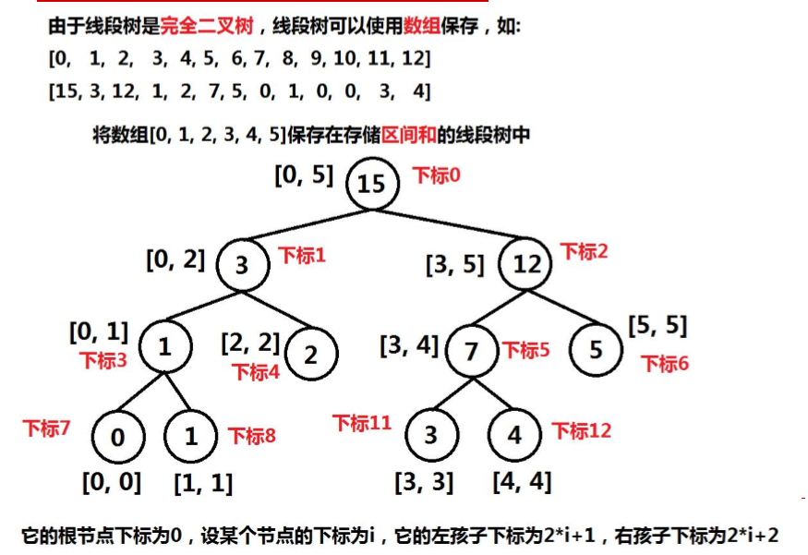
 |  |  | NumArray(vector<int>& nums) {

 |  |  | if (nums.size() == 0) return;
 |  |  | count = nums.size();
 |  |  | unsigned int size = highOne(count);
 |  |  | val.resize(size);
 |  |  | build_segment_tree(nums, 0, nums.size() - 1, 0);

 |  |  | }

 |  |  | unsigned int highOne(int n) {
 |  |  | int ret = n;
 |  |  | // while(n){
 |  |  | // ret = n;
 |  |  | // n = n & (n -1);
 |  |  | // }
 |  |  | return ret << 2;
 |  |  | }

 |  |  | void update(int i, int val) {
 |  |  | update(i, val, 0, 0, count - 1);
 |  |  | }

 |  |  | void update(int i, int value, int pos, int left, int right) {

 |  |  | if (left == right) {
 |  |  | val[pos] = value;
 |  |  | return;
 |  |  | }

 |  |  | int mid = left + (right - left) / 2;
 |  |  | int childLeftPos = 2 * pos + 1;
 |  |  | int childRightPos = 2 * pos + 2;
 |  |  | if (i > mid) update(i, value, childRightPos, mid + 1, right);
 |  |  | else update(i, value, childLeftPos, left, mid);
 |  |  | val[pos] = val[childLeftPos] + val[childRightPos];
 |  |  | }

 |  |  | int sumRange(int i, int j) {
 |  |  | return sumRange(i, j, 0, 0, count - 1);
 |  |  | }

 |  |  | int sumRange(int start, int end, int pos, int left, int right) {

 |  |  | if (start <= left) start = left;
 |  |  | if (end >= right) end = right;

 |  |  | if (start == left && end == right) return val[pos];

 |  |  | int mid = left + (right - left) / 2;
 |  |  | int childLeftPos = 2 * pos + 1;
 |  |  | int childRightPos = 2 * pos + 2;

 |  |  | if (end <= mid) return sumRange(start, end, childLeftPos, left, mid);
 |  |  | else if (start > mid) return sumRange(start, end, childRightPos, mid + 1, right);

 |  |  | return sumRange(start, end, childLeftPos, left, mid) + sumRange(start, end, childRightPos, mid + 1, right);
 |  |  | }

 |  |  | void build_segment_tree(vector<int>& nums, int left, int right, int pos) {
 |  |  | if (left == right) {
 |  |  | val[pos] = nums[left];
 |  |  | return;
 |  |  | }

 |  |  | int mid = left + (right - left) / 2;
 |  |  | int childLeftPos = 2 * pos + 1;
 |  |  | int childRightPos = 2 * pos + 2;
 |  |  | build_segment_tree(nums, left, mid, childLeftPos);
 |  |  | build_segment_tree(nums, mid + 1, right, childRightPos);
 |  |  | val[pos] = val[childLeftPos] + val[childRightPos];
 |  |  | }
 |  |  | };

 |  |  | /**
 |  |  | * Your NumArray object will be instantiated and called as such:
 |  |  | * NumArray* obj = new NumArray(nums);
 |  |  | * obj->update(i,val);
 |  |  | * int param_2 = obj->sumRange(i,j);
 |  |  | */

 |  |  |  | Runtime: 56 ms, faster than 59.40% of Java online submissions for Range Sum Query - Mutable.
 |  | Java | class NumArray { | Memory Usage: 45.6 MB, less than 87.50% of Java online submissions for Range Sum Query - Mutable.
 |  |  | private int[] val;
 |  |  | private int count;

 |  |  | public NumArray(int[] nums) {
 |  |  | if (nums.length == 0) return;
 |  |  | count = nums.length;
 |  |  | int size = highOne(count);
 |  |  | val = new int[size];
 |  |  | build_segment_tree(nums, 0, nums.length - 1, 0);
 |  |  | }

 |  |  | int highOne(int n) {
 |  |  | int ret = n;
 |  |  | // while(n){
 |  |  | // ret = n;
 |  |  | // n = n & (n -1);
 |  |  | // }
 |  |  | return ret << 2;
 |  |  | }

 |  |  | public void update(int i, int val) {
 |  |  | update(i, val, 0, 0, count - 1);
 |  |  | }

 |  |  | void update(int i, int value, int pos, int left, int right) {

 |  |  | if(left == right) {
 |  |  | val[pos] = value;
 |  |  | return;
 |  |  | }

 |  |  | int mid = left + (right -left)/2;
 |  |  | int childLeftPos = 2 * pos + 1;
 |  |  | int childRightPos = 2 * pos + 2;
 |  |  | if(i > mid) update(i, value, childRightPos, mid+1, right);
 |  |  | else update(i, value, childLeftPos, left, mid);
 |  |  | val[pos] = val[childLeftPos] + val[childRightPos];
 |  |  | }

 |  |  | int sumRange(int i, int j) {
 |  |  | return sumRange(i, j, 0, 0, count - 1);
 |  |  | }

 |  |  | int sumRange(int start, int end, int pos, int left, int right) {

 |  |  | if(start<=left) start = left;
 |  |  | if(end>=right) end = right;

 |  |  | if(start==left && end ==right) return val[pos];

 |  |  | int mid = left + (right - left)/2;
 |  |  | int childLeftPos = 2 * pos + 1;
 |  |  | int childRightPos = 2 * pos + 2;

 |  |  | if(end <= mid) return sumRange(start, end,childLeftPos, left, mid);
 |  |  | else if(start > mid) return sumRange(start, end, childRightPos, mid + 1, right);

 |  |  | return sumRange(start, end, childLeftPos, left, mid) + sumRange(start, end, childRightPos, mid + 1, right);
 |  |  | }

 |  |  | void build_segment_tree(int[] nums, int left, int right, int pos) {
 |  |  | if (left == right) {
 |  |  | val[pos] = nums[left];
 |  |  | return;
 |  |  | }
 |  |  | int mid = left + (right - left) / 2;
 |  |  | int childLeftPos = 2 * pos + 1;
 |  |  | int childRightPos = 2 * pos + 2;
 |  |  | build_segment_tree(nums, left, mid, childLeftPos);
 |  |  | build_segment_tree(nums, mid + 1, right, childRightPos);
 |  |  | val[pos] = val[childLeftPos] + val[childRightPos];
 |  |  | }
 |  |  | }

 |  |  | /**
 |  |  | * Your NumArray object will be instantiated and called as such:
 |  |  | * NumArray obj = new NumArray(nums);
 |  |  | * obj.update(i,val);
 |  |  | * int param_2 = obj.sumRange(i,j);
 |  |  | */

 | approach#2
 |  | C++ | class NumArray { | Runtime: 28 ms, faster than 97.75% of C++ online submissions for Range Sum Query - Mutable.
 |  |  | vector<int> tree_nums; //base 1 index | Memory Usage: 19 MB, less than 100.00% of C++ online submissions for Range Sum Query - Mutable.
 |  |  | vector<int> format_nums; //base 1 index
 |  |  | public:
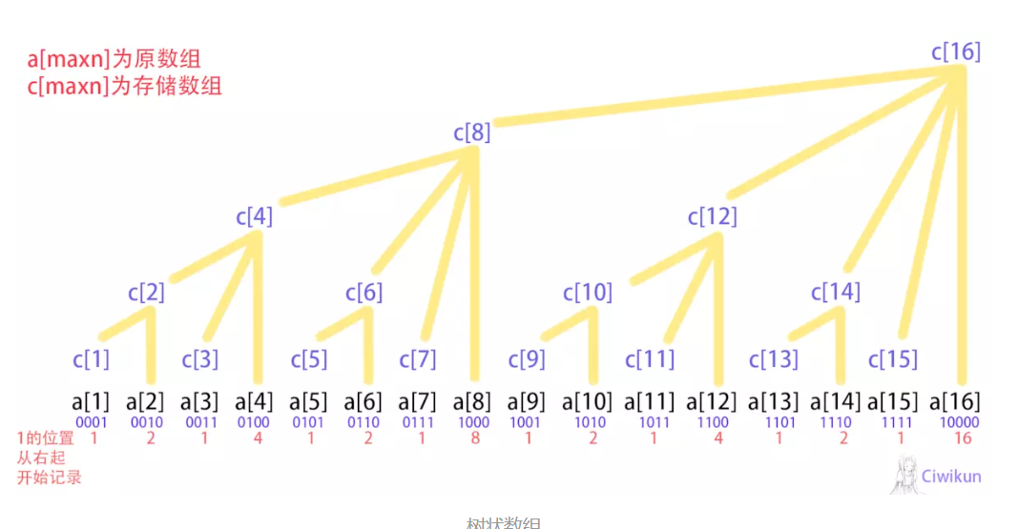
 |  |  | NumArray(vector<int>& nums) {
 |  |  | tree_nums.resize(nums.size() + 1);
 |  |  | format_nums.resize(nums.size() + 1);

 |  |  | int j, count;
 |  |  | for (int i = 1; i < nums.size() + 1; i++) {
 |  |  | format_nums[i] = nums[i - 1];
 |  |  | tree_nums[i] = 0;
 |  |  | count = lowestBit(i);
 |  |  | for (j = 0; j < count; j++) {
 |  |  | tree_nums[i] += nums[i - j - 1];
 |  |  | }
 |  |  | }
 |  |  | }

 |  |  | void update(int i, int val) {
 |  |  | update_node(i + 1, val - format_nums[i + 1]);
 |  |  | format_nums[i + 1] = val;
 |  |  | }

 |  |  | int sumRange(int i, int j) {
 |  |  | return sum(j + 1) - sum(i);
 |  |  | }

 |  |  | int lowestBit(int n) {
 |  |  | return n & (-n);
 |  |  | }

 |  |  | void update_node(int i, int val) {
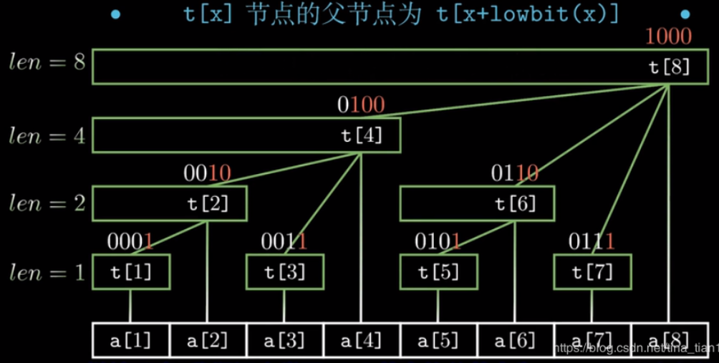
 |  |  | int count = tree_nums.size();
 |  |  | while (i < count) {
 |  |  | tree_nums[i] += val;
 |  |  | i += lowestBit(i);
 |  |  | }

 |  |  | }

 |  |  | int sum(int i) {
 |  |  | int ret = 0;
 |  |  | while (i) {
 |  |  | ret += tree_nums[i];
 |  |  | i -= lowestBit(i);
 |  |  | }
 |  |  | return ret;
 |  |  | }
 |  |  | };

 |  |  | /**
 |  |  | * Your NumArray object will be instantiated and called as such:
 |  |  | * NumArray* obj = new NumArray(nums);
 |  |  | * obj->update(i,val);
 |  |  | * int param_2 = obj->sumRange(i,j);
 |  |  | */

 |  | Java | class NumArray { | Runtime: 55 ms, faster than 73.37% of Java online submissions for Range Sum Query - Mutable.
 |  |  | int[] tree_nums; | Memory Usage: 43.9 MB, less than 100.00% of Java online submissions for Range Sum Query - Mutable.
 |  |  | int[] format_nums;

 |  |  | public NumArray(int[] nums) {
 |  |  | tree_nums = new int[nums.length + 1];
 |  |  | format_nums = new int[nums.length + 1];

 |  |  | int j, count;
 |  |  | for (int i = 1; i < nums.length + 1; i++) {
 |  |  | format_nums[i] = nums[i - 1];
 |  |  | tree_nums[i] = 0;
 |  |  | count = lowestBit(i);
 |  |  | for (j = 0; j < count; j++) {
 |  |  | tree_nums[i] += nums[i - j - 1];
 |  |  | }
 |  |  | }
 |  |  | }

 |  |  | public void update(int i, int val) {
 |  |  | update_node(i + 1, val - format_nums[i + 1]);
 |  |  | format_nums[i + 1] = val;
 |  |  | }

 |  |  | public int sumRange(int i, int j) {
 |  |  | return sum(j + 1) - sum(i);
 |  |  | }

 |  |  | int lowestBit(int n) {
 |  |  | return n & (-n);
 |  |  | }

 |  |  | void update_node(int i, int val) {

 |  |  | int count = tree_nums.length;
 |  |  | while (i < count) {
 |  |  | tree_nums[i] += val;
 |  |  | i += lowestBit(i);
 |  |  | }

 |  |  | }

 |  |  | int sum(int i) {
 |  |  | int ret = 0;
 |  |  | while (i > 0) {
 |  |  | ret += tree_nums[i];
 |  |  | i -= lowestBit(i);
 |  |  | }
 |  |  | return ret;
 |  |  | }
 |  |  | }

315
315. Count of Smaller Numbers After Self
 | https://leetcode.com/problems/count-of-smaller-numbers-after-self/
 | approach#1 | 分治
 | C++ | class Solution { |  | Runtime: 76 ms, faster than 38.48% of C++ online submissions for Count of Smaller Numbers After Self. | Runtime: 12 ms, faster than 78.22% of C++ online submissions for Kth Largest Element in an Array. Memory Usage: 9.4 MB, less than 43.94% of C++ online submissions for Kth Largest Element in an Array.
 |  | public: |  | Memory Usage: 43.9 MB, less than 8.33% of C++ online submissions for Count of Smaller Numbers After Self.
 |  | vector<int> countSmaller(vector<int>& nums) {
 |  | vector<int> result(nums.size());;
 |  | vector<pair<int, int>> vec(nums.size()); |  |  |  | nums | 2 | 7 | 3 | 1
 |  | for (int i = 0; i < nums.size(); i++) { |  |  |  | count | 0 | 0 | 0 | 0
 |  | vec[i] = pair<int, int>(nums[i], i);
 |  | } |  |  |  | nums | 2 | 7 | 1 | 3
 |  | merge_sore(vec, result); |  |  |  | count | 0 | 0 | 0 | 1
 |  | return result; |  |  |  | j | 0 | 0 | 1 | 1
 |  | }
 |  |  |  |  |  | nums | 1 | 2 | 3 | 7
 |  | void merge_sore(vector<pair<int, int>>& vec, vector<int> &result) { |  |  |  | count | 0 | 1 | 1 | 4
 |  | if (vec.size() <= 1) return; |  |  |  | j | 1 | 1 | 2 | 2

 |  | int mid = vec.size() / 2;
 |  | vector<pair<int, int>> vec1;
 |  | vector<pair<int, int>> vec2;
 |  | for (int i = 0; i < mid; i++) { | 注意此处不可写为 i<=mid eg: size = 2, mid = 1 for (int i = 0; i < mid; i++) 会循环两次， 而 for (int i = mid; i < vec.size(); i++) 一次也不会循环 merge_sore将进入死循环
 |  | vec1.push_back(vec[i]);
 |  | }
 |  | merge_sore(vec1, result);

 |  | for (int i = mid; i < vec.size(); i++) {
 |  | vec2.push_back(vec[i]);
 |  | }
 |  | merge_sore(vec2, result);

 |  | vec.clear();
 |  | merge(vec1, vec2, vec, result);
 |  | }

 |  | void merge(vector<pair<int, int>>& vec1, vector<pair<int, int>>& vec2, vector<pair<int, int>>& vec, vector<int> &result) {
 |  | int i = 0, j = 0;
 |  | while (i < vec1.size() && j < vec2.size()) {
 |  | if (vec1[i].first > vec2[j].first) {
 |  | vec.push_back(vec2[j++]);
 |  | }
 |  | else {
 |  | vec.push_back(vec1[i]);
 |  | result[vec1[i].second] += j;
 |  | i++;
 |  | }
 |  | }

 |  | for (; i < vec1.size(); i++) {
 |  | vec.push_back(vec1[i]);
 |  | result[vec1[i].second] += j;
 |  | }

 |  | for (; j < vec2.size(); j++) {
 |  | vec.push_back(vec2[j]);
 |  | }

 |  | }
 |  | };

 | Java | class Solution { |  | Runtime: 27 ms, faster than 29.17% of Java online submissions for Count of Smaller Numbers After Self.
 |  |  |  | Memory Usage: 44.6 MB, less than 5.55% of Java online submissions for Count of Smaller Numbers After Self.
 |  | class Pair { | 没有发现Java有pair
 |  | public int first;
 |  | public int second;

 |  | Pair(Pair pair) {
 |  | this.first = pair.first;
 |  | this.second = pair.second;
 |  | }
 |  | Pair(int first, int second) {
 |  | this.first = first;
 |  | this.second = second;
 |  | }
 |  | }

 |  | public List<Integer> countSmaller(int[] nums) {
 |  | int[] result = new int[nums.length];
 |  | List<Pair> vec = new ArrayList<>(nums.length);
 |  | for (int i = 0; i < nums.length; i++) {
 |  | vec.add(new Pair(nums[i], i));
 |  | }
 |  | merge_sort(vec, result);

 |  | List<Integer> res = new ArrayList<>(); | int[] 转为 ArrayList<Integer>
 |  | for (int i : result) res.add(i);

 |  | return res;
 |  | }

 |  | private void merge_sort(List<Pair> vec, int[] result) {
 |  | int size = vec.size();
 |  | if (size < 2) {
 |  | return;
 |  | }
 |  | int mid = size / 2;
 |  | List<Pair> vec1 = new ArrayList<>();
 |  | List<Pair> vec2 = new ArrayList<>();

 |  | for (int i = 0; i < mid; i++) {
 |  | vec1.add(new Pair(vec.get(i)));
 |  | }
 |  | merge_sort(vec1, result);

 |  | for (int i = mid; i < vec.size(); i++) {
 |  | vec2.add(new Pair(vec.get(i)));
 |  | }
 |  | merge_sort(vec2, result);

 |  | vec.clear();
 |  | merge(vec1, vec2, vec, result);

 |  | }

 |  | private void merge(List<Pair> vec1, List<Pair> vec2, List<Pair> vec, int[] result) {

 |  | int i = 0, j = 0;
 |  | while (i < vec1.size() && j < vec2.size()) {
 |  | if (vec1.get(i).first > vec2.get(j).first) {
 |  | vec.add(vec2.get(j));
 |  | j++;
 |  | } else {
 |  | vec.add(vec1.get(i));
 |  | result[vec1.get(i).second] += j;
 |  | i++;
 |  | }
 |  | }

 |  | for (; i < vec1.size(); i++) {
 |  | vec.add(vec1.get(i));
 |  | result[vec1.get(i).second] += j;
 |  | }

 |  | for (; j < vec2.size(); j++) {
 |  | vec.add(vec2.get(j));
 |  | }
 |  | }
 |  | }

 | C++ | class Solution {
 |  | protected:
 |  | void merge_countSmaller(vector<int>& indices, int first, int last,
 |  | vector<int>& results, vector<int>& nums) {
 |  | int count = last - first;
 |  | if (count > 1) {
 |  | int step = count / 2;
 |  | int mid = first + step;
 |  | merge_countSmaller(indices, first, mid, results, nums);
 |  | merge_countSmaller(indices, mid, last, results, nums);

 |  | vector<int> tmp;
 |  | tmp.reserve(count);

 |  | int idx1 = first;
 |  | int idx2 = mid;
 |  | int semicount = 0;
 |  | while ((idx1 < mid) || (idx2 < last)) {
 |  | if ((idx2 == last) || ((idx1 < mid) &&
 |  | (nums[indices[idx1]] <= nums[indices[idx2]]))) {
 |  | tmp.push_back(indices[idx1]);
 |  | results[indices[idx1]] += semicount;
 |  | ++idx1;
 |  | } else {
 |  | tmp.push_back(indices[idx2]);
 |  | ++semicount;
 |  | ++idx2;
 |  | }
 |  | }
 |  | // move(tmp.begin(), tmp.end(), indices.begin()+first); |  | 同上c++代码，
 |  | for(int i=0; i<tmp.size(); i++) indices[first++] = tmp[i];
 |  | }
 |  | }
 |  | public:
 |  | vector<int> countSmaller(vector<int>& nums) {
 |  | int n = nums.size();
 |  | vector<int> results(n, 0);
 |  | vector<int> indices(n, 0);
 |  | iota(indices.begin(), indices.end(), 0);
 |  | merge_countSmaller(indices, 0, n, results, nums);
 |  | return results;
 |  | }
 |  | };

 | approach#2 | class Solution { |  | Runtime: 6 ms, faster than 69.51% of Java online submissions for Count of Smaller Numbers After Self.
 | Java | class Node { |  | Memory Usage: 39.5 MB, less than 100.00% of Java online submissions for Count of Smaller Numbers After Self.
 |  | int count; // the number of the left nodes
 |  | int val;
 |  | Node left;
 |  | Node right;
 |  | Node(int val) {
 |  | left = null;
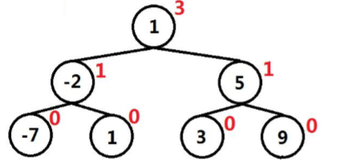
 |  | right = null;
 |  | this.val = val;
 |  | this.count = 0;
 |  | }
 |  | }

 |  | class OUTPUT {
 |  | int count;
 |  | }

 |  | public List<Integer> countSmaller(int[] nums) {
 |  | List<Integer> ret = new ArrayList<Integer>();
 |  | if (nums.length == 0) return ret;

 |  | Node root = new Node(nums[nums.length - 1]);
 |  | ret.add(root.count);
 |  | for (int i = nums.length - 2; i >= 0; i--) {
 |  | Node newNode = new Node(nums[i]);
 |  | OUTPUT item = new OUTPUT();
 |  | insert(root, newNode, item);
 |  | ret.add(item.count);
 |  | }
 |  | Collections.reverse(ret);
 |  | return ret;
 |  | }

 |  | void insert(Node root, Node newNode, OUTPUT small_count) {

 |  | if (newNode.val <= root.val) {
 |  | root.count++;
 |  | if (root.left != null)
 |  | insert(root.left, newNode, small_count);
 |  | else
 |  | root.left = newNode;
 |  | } else {
 |  | small_count.count += root.count + 1;
 |  | if (root.right != null) {
 |  | insert(root.right, newNode, small_count);
 |  | } else {
 |  | root.right = newNode;
 |  | }
 |  | }
 |  | }
 |  | }

 | approach#3 树状数组 |  | Runtime: 36 ms, faster than 68.00% of C++ online submissions for Count of Smaller Numbers After Self.
 | C++ | class Solution { | Memory Usage: 11.5 MB, less than 50.00% of C++ online submissions for Count of Smaller Numbers After Self.

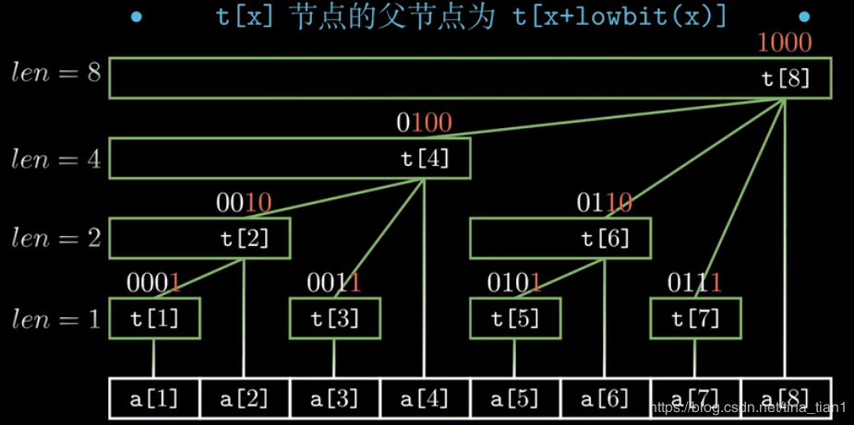
 |  | class BIT {
 |  | private:
 |  | vector<int> tree;

 |  | public:
 |  | BIT(int n) {
 |  | tree.resize(n);
 |  | for (int i = 0; i < n; i++) tree[i] = 0;
 |  | }

 |  | void update_node(int i, int val) {
 |  | int count = tree.size();
 |  | while (i < count) {
 |  | tree[i] += val;
 |  | i += i & (-i);
 |  | }
 |  | }

 |  | int sum(int i) {
 |  | int ret = 0;
 |  | while (i > 0) {
 |  | ret += tree[i];
 |  | i -= i & (-i);
 |  | }
 |  | return ret;
 |  | }
 |  | };

 |  | public:
 |  | vector<int> countSmaller(vector<int>& nums) {
 |  | vector<int> ret(nums.size());
 |  | set<int> noDupNums(nums.begin(), nums.end());
 |  | map<int, int> hmap;
 |  | int i = 0;
 |  | for (auto val : noDupNums) hmap[val] = ++i;

 |  | BIT bitOpt(hmap.size() + 1);

 |  | int index;
 |  | for (int i = nums.size() - 1; i >= 0; i--) {
 |  | index = hmap[nums[i]];
 |  | bitOpt.update_node(index, 1);
 |  | ret[i] = bitOpt.sum(index - 1);
 |  | }

 |  | return ret;
 |  | }
 |  | };

 | Java | class Solution { | Runtime: 11 ms, faster than 54.64% of Java online submissions for Count of Smaller Numbers After Self.
 |  | class BIT { | Memory Usage: 38.3 MB, less than 100.00% of Java online submissions for Count of Smaller Numbers After Self.
 |  | private int[] tree;

 |  | public BIT(int n) {
 |  | tree = new int[n];
 |  | }

 |  | public void update_node(int i, int val ) {
 |  | int count = tree.length;
 |  | while( i<count ) {
 |  | tree[i] += val;
 |  | i += i&(-i);
 |  | }
 |  | }

 |  | int sum(int i) {
 |  | int ret = 0;
 |  | while( i>0 ) {
 |  | ret += tree[i];
 |  | i -= i&(-i);
 |  | }
 |  | return ret;
 |  | }
 |  | }

 |  | public List<Integer> countSmaller(int[] nums) {
 |  | Integer[] ret = new Integer[nums.length];
 |  | Set<Integer> noDupNums = new TreeSet();
 |  | for(int i: nums) noDupNums.add(i);

 |  | HashMap<Integer, Integer> hmap = new HashMap<>() ;
 |  | int j=0;
 |  | // Iterator<Integer> it = noDupNums.iterator(); | Set遍历
 |  | // while (it.hasNext()) {
 |  | // hmap.put(it.next(), new Integer(++j));
 |  | // }
 |  | // for(Integer i: noDupNums) hmap.put(new Integer(i), new Integer(++j));

 |  | for(Integer val: noDupNums) hmap.put(val, new Integer(++j));

 |  | BIT bitOpt = new BIT(hmap.size() + 1);

 |  | Integer index;
 |  | for(int i = nums.length - 1; i>=0; i--) {

 |  | index = hmap.get(nums[i]);
 |  | bitOpt.update_node(index, 1);
 |  | ret[i] = bitOpt.sum(index - 1);
 |  | }

 |  | return Arrays.asList(ret);
 |  | }

 |  | }

 | approach4
 | Java | class Solution { | Runtime: 482 ms, faster than 10.22% of Java online submissions for Count of Smaller Numbers After Self.
 |  | public List<Integer> countSmaller(int[] nums) { | Memory Usage: 39.2 MB, less than 100.00% of Java online submissions for Count of Smaller Numbers After Self.
 |  | int n = nums.length;
 |  | ArrayList<Integer> ret = new ArrayList<>(n);
 |  | int count = 0;

 |  | for(int i=0; i<n; i++) {
 |  | count = 0;
 |  | for(int j=i+1; j<n; j++) {
 |  | if(nums[j] < nums[i]) count++;
 |  | }
 |  | ret.add( count);
 |  | }
 |  | return ret;
 |  | }
 |  | }

376
455. Assign Cookies
 | https://leetcode.com/problems/assign-cookies/
 | approach#1 | (Two Stacks)
 |  | C++ | class Solution { private: enum STATE { BEGIN, UP, DOWN }; public: int wiggleMaxLength(vector<int>& nums) { int size = nums.size(); if (size < 2) return size; STATE state = BEGIN; int count = 1; for (int i = 1; i < nums.size(); i++) { if (nums[i] == nums[i - 1]) continue; switch (state) { case BEGIN: nums[i] > nums[i - 1] ? state = UP : state = DOWN; count++; break; case UP: if (nums[i] < nums[i - 1]) { state = DOWN; count++; } break; case DOWN: if (nums[i] > nums[i - 1]) { state = UP; count++; } break; } } return count; } }; | 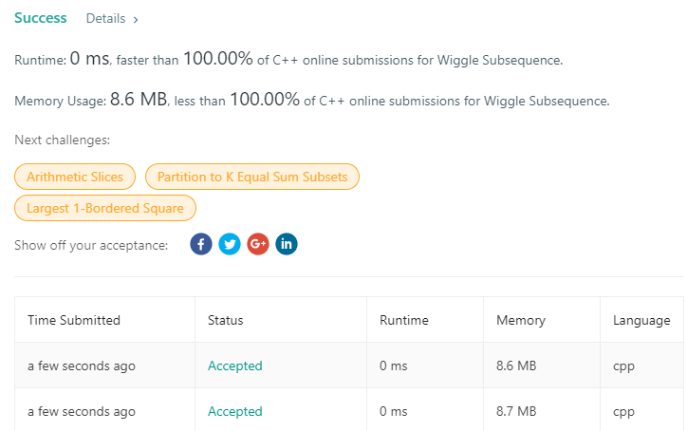 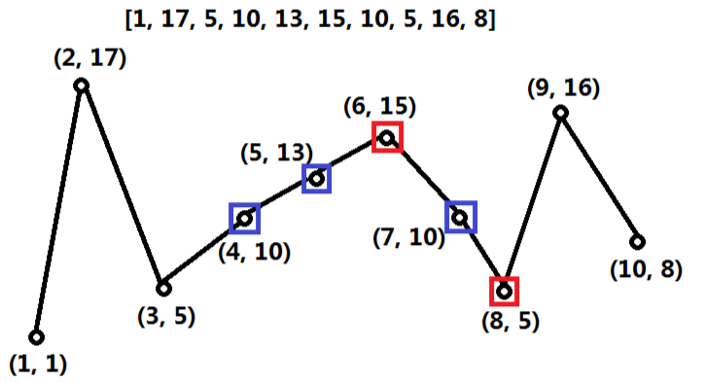 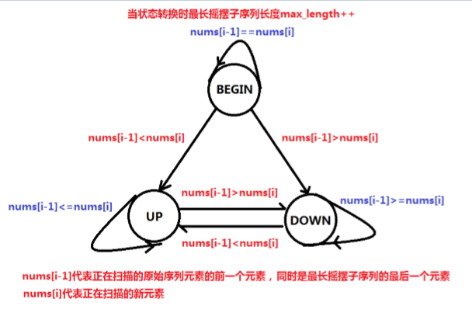 | Runtime: 12 ms, faster than 78.22% of C++ online submissions for Kth Largest Element in an Array. Memory Usage: 9.4 MB, less than 43.94% of C++ online submissions for Kth Largest Element in an Array.
 |  | Java | class Solution { private enum STATE { BEGIN, UP, DOWN, } public int wiggleMaxLength(int[] nums) { int count = 1; STATE state = STATE.BEGIN; if (nums.length < 2) return nums.length; for (int i = 1; i < nums.length; i++) { if (nums[i] == nums[i - 1]) continue; switch (state) { case BEGIN: if (nums[i] > nums[i - 1]) state = STATE.UP; else state = STATE.DOWN; // (nums[i] > nums[i-1] ) ? state = STATE.UP : state = STATE.DOWN; count++; break; case UP: if (nums[i] < nums[i - 1]) { state = STATE.DOWN; count++; } break; case DOWN: if (nums[i] > nums[i - 1]) { state = STATE.UP; count++; } break; } } return count; } } |  1. compiler error： // (nums[i] > nums[i-1] ) ? state = STATE.UP : state = STATE.DOWN;

402
402. Remove K Digits
 | https://leetcode.com/problems/remove-k-digits/
 | approach#1 | (One Stack)
 |  | C++ | class Solution { public: string removeKdigits(string num, int k) { vector<char> s; string result; char cur; for (int i = 0; i < num.length(); i++) { cur = num[i]; while (s.size() > 0 && s.back() > cur && k-- > 0) s.pop_back(); if (!s.empty() || cur != '0') s.push_back(cur); } while (!s.empty() && k-- > 0) s.pop_back(); for (char c : s) result += c; if (result.empty()) return "0"; return result; } }; | 注意笔误s.push_back(cur); 非 num.push_back(cur) |  Runtime: 12 ms, faster than 78.22% of C++ online submissions for Kth Largest Element in an Array. Memory Usage: 9.4 MB, less than 43.94% of C++ online submissions for Kth Largest Element in an Array.

 |  | Java | class Solution { public String removeKdigits(String num, int k) { ArrayList<Character> s = new ArrayList<Character>(); Character cur; for (int i = 0; i < num.length(); i++) { cur = num.charAt(i); while (s.size() != 0 && s.get(s.size() - 1) > cur && k > 0) { s.remove(s.size() - 1); k--; } if (s.size() == 0 && cur == '0') { //do nothing; } else { s.add(num.charAt(i)); } } while (k > 0 && s.size() != 0) { s.remove(s.size() - 1); k--; } StringBuilder sb = new StringBuilder(); for (Character c : s) { sb.append(c); } String result = sb.toString(); // String result = new String(); // for(Character c: s) { // result = result + String.valueOf(c); // } if (result.length() == 0) return "0"; return result; } } | 1. String::charAt () 2. String::length() 3. ArrayList a a[*] 不行， 要a.get(index) 4. char append to String result = result + String.valueOf(c); | 
 |  |  | // String result = new String(); // for(Character c: s) { // result = result + String.valueOf(c); // } | 1. 此部分效率和上边相差50%

455e
455. Assign Cookies
 | https://leetcode.com/problems/assign-cookies/
 | approach#1 | (Two Stacks)
 |  | C++ | class Solution { public: int findContentChildren(vector<int>& g, vector<int>& s) { sort(g.begin(), g.end()); sort(s.begin(), s.end()); int j = 0; int count = 0; for(int i=0; i<g.size(); i++) { for(; j<s.size(); j++) { if(s[j] >= g[i]) { j++; count++; break; } } } return i; } }; | 
 |  | Java | class Solution { public int findContentChildren(int[] g, int[] s) { Arrays.sort(g); Arrays.sort(s); int child = 0; int cookie = 0; while(child < g.length && cookie < s.length) { if(g[child] <= s[cookie]) child++; cookie++; } return child; } } | java 写法好于 C++ 命名清晰 | 

graph1 2
51 |  |  |  |  | check range
 |  |  |  |  | 0 | 1 | 2 | 3
 |  |  |  |  |  | Q
 |  |  |  |  |  |  |  | Q
 |  |  |  |  | Q
 |  |  |  |  |  |  |  | Q

55
 |  |  | nums.size() -1
 | [left, right) | right

215 | case 1 | 7 | 10 | 3
 | cur |  | i，j
 | next |  | j | i |  |  |  |  | ![图片名](images/315.1.png)

 | case 2 | 7 | 2 | 3
 | cur |  | i，j
 | next | j | i

207 | 如何区分红线 （此节点还没有遍历完） 和 绿线（此节点遍历结束）

7
2
5

4

1
3
6

 | 设置三种遍历状态
 | WAIT
 | RUNNING
 | OVER

1
 |  | 1会遍历出度3，把3设置为RUNNING

0
3
 |  |  |  | RUNNING

2

 |  |  | 检查2的出度发现3 已是RUNNING

Sheet2
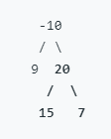
 |  |  | dp[i - len] |  | len i
 |  |  |  |  | word

1 | 2 | 3

 |  |  |  | 1 |  | 2

