rect_multi_layer_14cm_inch_rigi
rho_m (m) | Bx_mean_T (T) | Bx STD | dZ/cm | B*dl (T*m) | # of magnets/ring | Desired B*dl (T*m) | # of rings | Z (cm) | # of magnets
0.000 | 0.19613752907 | 0.0% | 2.54 | 0.0050 | 36 | 0.200 | 33 | 83.82 | 1188
0.004 | 0.1964146054 | 0.0% |  | 0.0050
0.007 | 0.19725012537 | 0.1% |  | 0.0050
0.011 | 0.19865709107 | 0.3% |  | 0.0050
0.015 | 0.20065760731 | 0.4% |  | 0.0051
0.019 | 0.20328354908 | 0.7% |  | 0.0052
0.022 | 0.2065775263 | 0.9% |  | 0.0052
0.026 | 0.2105941741 | 1.2% |  | 0.0053
0.030 | 0.21540180084 | 1.6% |  | 0.0055
0.034 | 0.22108442373 | 1.9% |  | 0.0056
0.037 | 0.22774420642 | 2.2% |  | 0.0058
0.041 | 0.23550427336 | 2.5% |  | 0.0060
0.045 | 0.2445117869 | 2.7% |  | 0.0062
0.049 | 0.25494099037 | 2.9% |  | 0.0065
0.052 | 0.26699555023 | 3.1% |  | 0.0068
0.056 | 0.28090878475 | 3.3% |  | 0.0071
0.060 | 0.29693885269 | 4.1% |  | 0.0075
0.063 | 0.31535288243 | 6.9% |  | 0.0080
0.067 | 0.33638777598 | 13.9% |  | 0.0085
0.071 | 0.36016356979 | 28.8% |  | 0.0091

 |  |  | Average: | 0.0062

Density N52 (g/cm^3) | 7.5
Fe ~64–68%, Nd ~29–32%, B ~1–1.2%, with trace Al (~0.2–0.4%), Nb (~0.5–1%), Dy (~0.8–1.2%)

Magnets
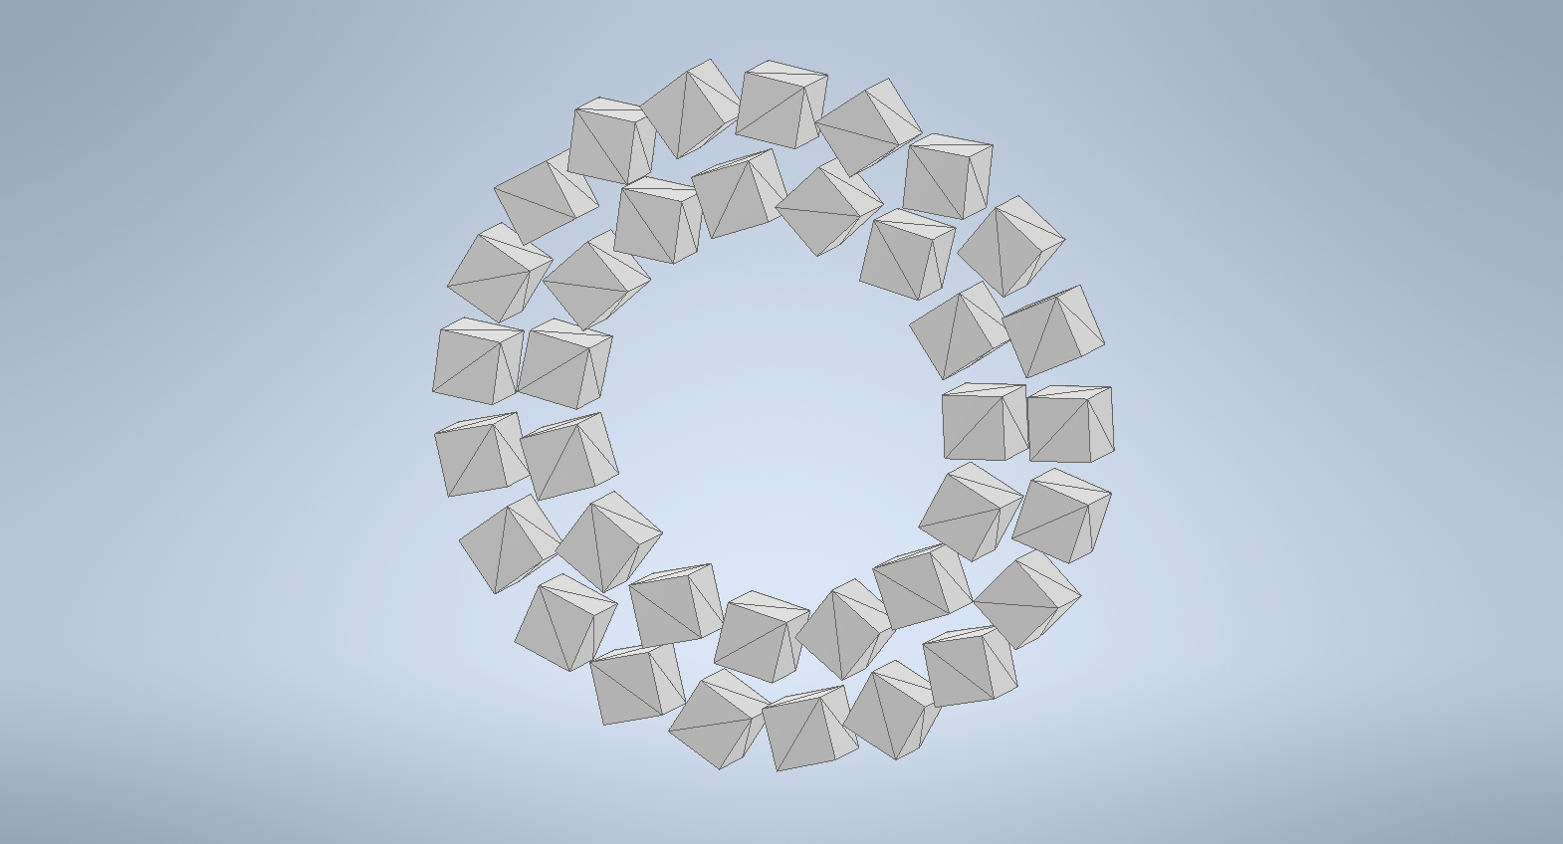
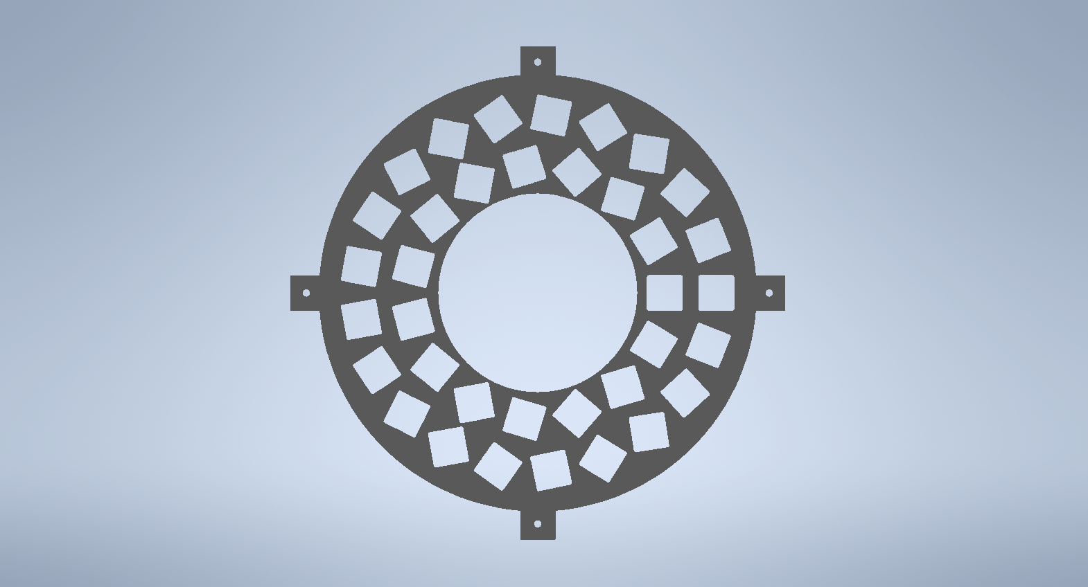

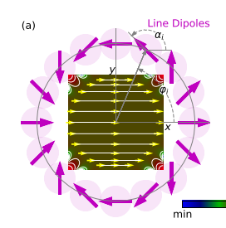

Ring1 | 15
Ring2 | 21
Density N52 (g/cm^3) | 7.5
Fe ~64–68%, Nd ~29–32%, B ~1–1.2%, with trace Al (~0.2–0.4%), Nb (~0.5–1%), Dy (~0.8–1.2%)

