以太坊基础介绍
区块链路线图
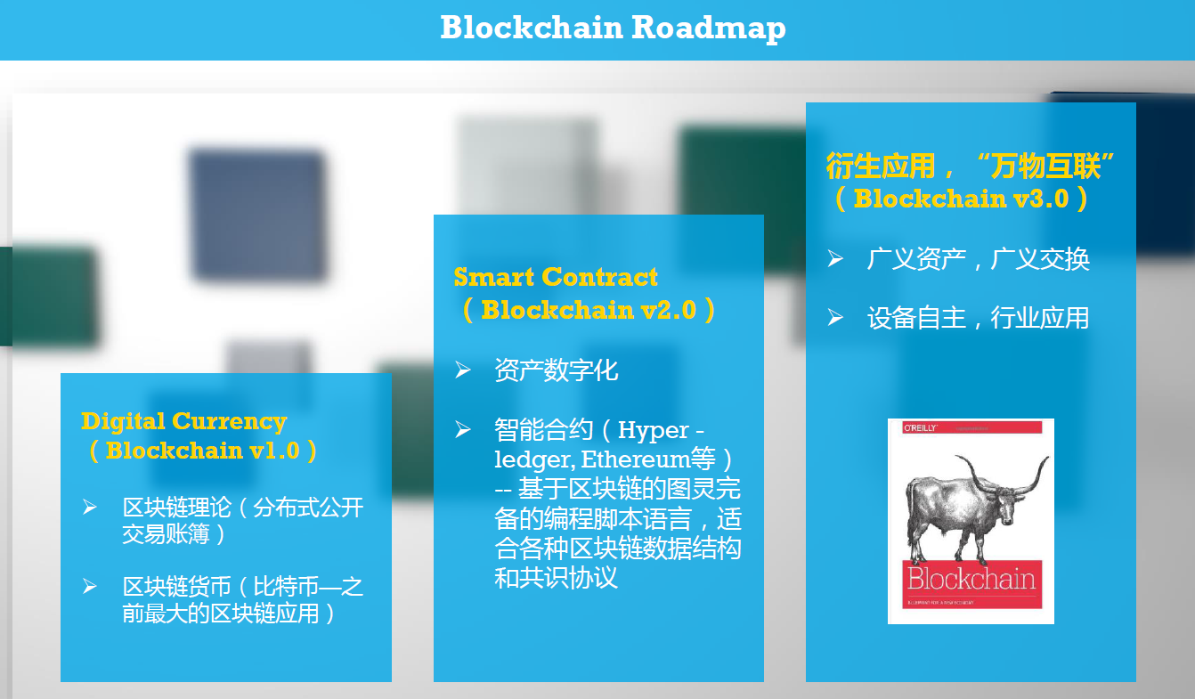

比特币
以太坊，超级账本

传统产业弊端 | 引用区块链
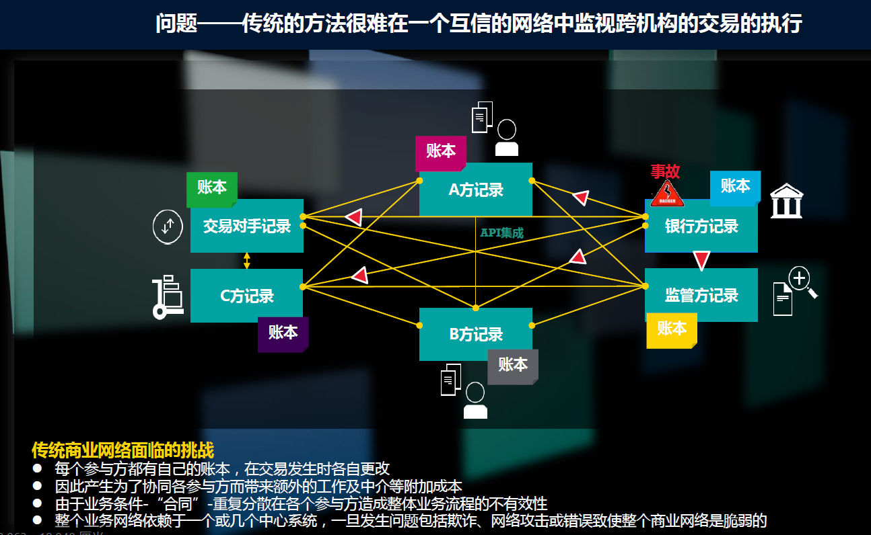
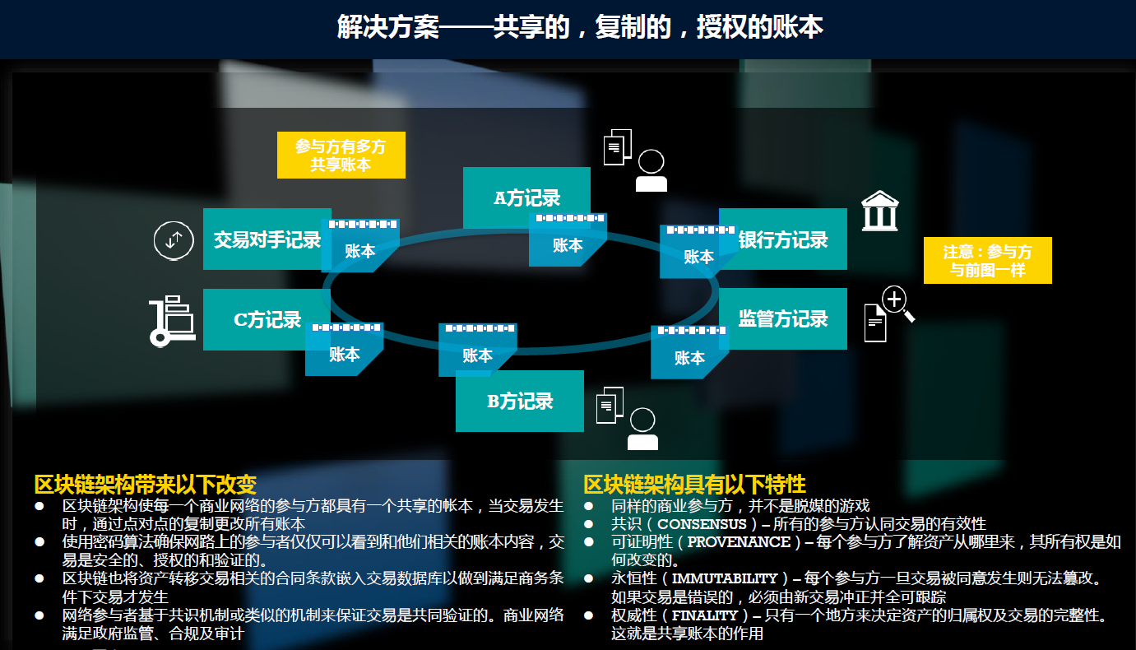

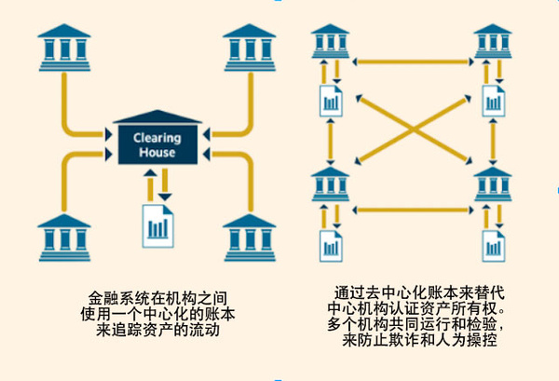

好处
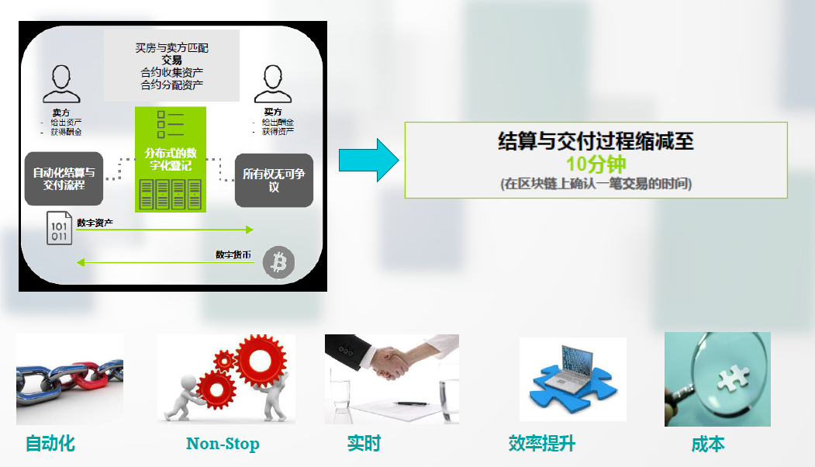

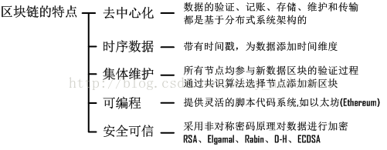

什么是区块链
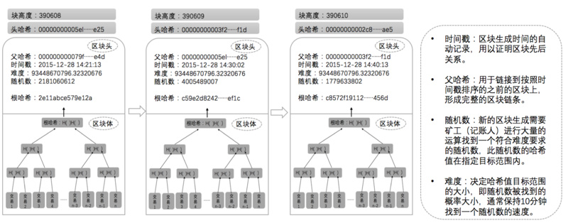

以太坊白皮书
https://github.com/ethereum/wiki/wiki/%5B%E4%B8%AD%E6%96%87%5D-%E4%BB%A5%E5%A4%AA%E5%9D%8A%E7%99%BD%E7%9A%AE%E4%B9%A6

区块结构
http://blog.csdn.net/misshqzzz/article/details/77695579
https://zhuanlan.zhihu.com/p/30922425
http://mawentao.cn/2017/03/18/build-private-ethchain-1/

各个项目说明
GasUsed GasLimit:Gas
http://ethfans.org/posts/479

Difficulty
https://zhuanlan.zhihu.com/p/28830859
http://rhd361.com/special/news?id=ede703d21a3946d2be19accf48042f1f

Nonce(下面工作量证明时有说)
一个随机数，使得块头哈希满足POW需求

StateRoot,TransactionsRoot,ReceiptsRoot
https://zhuanlan.zhihu.com/p/30922425

什么是共识
Proof of Work(工作量证明即挖矿)->pow->pos->dpos PBFT

pow(代表比特币)
http://rhd361.com/special/news?id=ede703d21a3946d2be19accf48042f1f
http://blog.csdn.net/lsttoy/article/details/61624287

pos(代表以太坊)
http://www.ehcoo.com/blockchain_confirmation_mechanism.html

dpos(代表以太坊)
http://www.ehcoo.com/blockchain_confirmation_mechanism.html
http://blog.csdn.net/s_lisheng/article/details/78022645

PBFT(超级账本0.6)
http://blog.2liang.me/2017/12/14/blockchain-consensus-algorithm/

默克尔树与防篡改
https://www.jianshu.com/p/8f5761e46b53
https://www.jianshu.com/p/c867cab9f2ea

公钥私钥与签名
IBM第七章
https://bitshuo.com/topic/58c7a1ef0a3de8932e6f753b
http://www.imspender.com/articles/yi-tai-fang-lian-zai-11-yi-tai
http://blog.csdn.net/wo541075754/article/details/79342624
http://ethfans.org/aaaaaashu/articles/602
https://www.jianshu.com/p/9b225033762e
https://bitshuo.com/topic/5948897c8e822fcb444317d0

外部账户和合约账户
https://zhuanlan.zhihu.com/p/30922425
http://www.imspender.com/articles/yi-tai-fang-lian-zai-11-yi-tai

交易与收据
https://zhuanlan.zhihu.com/p/30922425

特点
去中心化
去信任
透明
信息不可篡改
匿名性
https://zhuanlan.zhihu.com/p/33640770

查看当前网络
https://etherscan.io/

安装手顺

