系统初始化安装
1 | sudo apt-get remove openjdk*

1 | sudo apt-get install openssh-server vim ssh apt-transport-https -y

1 | sudo passwd root

2 | sudo su
 | cd /usr/share/lightdm/lightdm.conf.d/

3 | gedit 50-untiy-greeter.conf &

 | [Seat:*]
 | greeter-session=unity-greeter
 | user-session=ubuntu
 | greeter-show-manual-login=true
 | all-guest=false

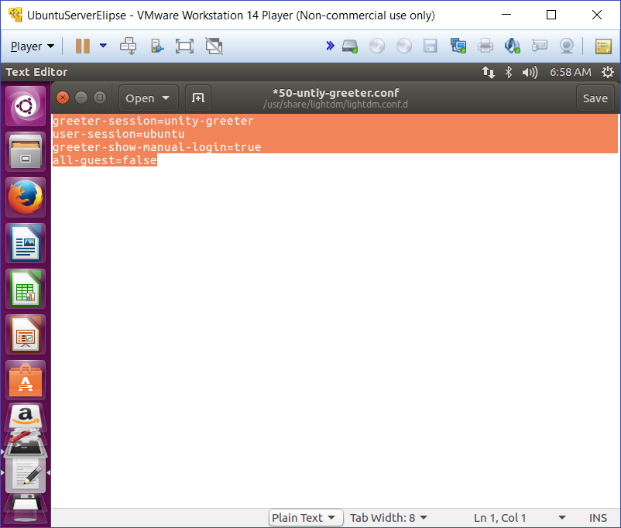

 | reboot

4 | vi /root/.profile

 | 找到mesg n，修改为：tty -s && mesg n
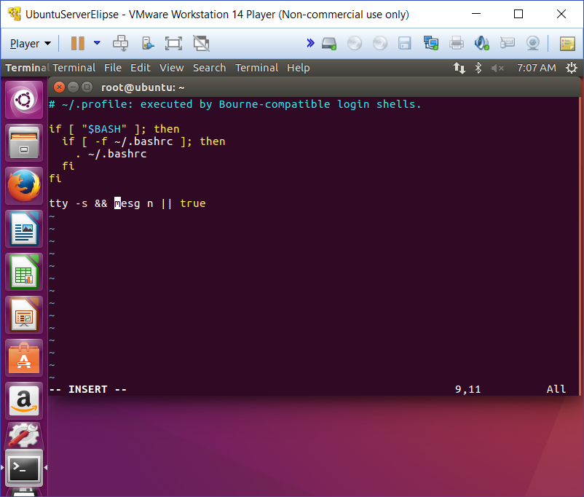

 | save
 | sudo apt-get update -y

5 | SSH接続設定する
 | vi /etc/ssh/sshd_config

 | PermitRootLogin prohibit-password
 | ↓
 | PermitRootLogin yes

 | #PasswordAuthentication yes
 | ↓
 | PasswordAuthentication yes

 | sudo /etc/init.d/ssh restart

 | apt-get update -y

6 | ６．SSH 公開キー設定

 | ssh-keygen -t rsa
 | mv .ssh/id_rsa.pub .ssh/authorized_keys
 | chmod 600 .ssh/authorized_keys
 | sudo /etc/init.d/networking restart

