OSの準備(Centos6.7)-fd115
各IPを設定する
3 vi /etc/sysconfig/network-scripts/ifcfg-em1
 | BOOTPROTO=static
 | ONBOOT=yes
 | IPV6INIT=no
 | IPADDR=192.168.3.115
 | NETMASK=255.255.255.0
 | GATEWAY=192.168.3.1
 | DNS1=8.8.8.8

SELinuxを停止
firewallを停止
4 free
5 sed -i 's/SELINUX=enforcing/SELINUX=disabled/' /etc/selinux/config
6 chkconfig --level 35 ntpd on
7 chkconfig --list ntpd
9 service iptables status
10 vi /etc/hosts
 | 127.0.0.1 localhost localhost.localdomain localhost4 localhost4.localdomain4
 | ::1 localhost localhost.localdomain localhost6 localhost6.localdomain6
 | 192.168.3.111 fd111 fd111
 | 192.168.3.112 fd112 fd112
 | 192.168.3.113 fd113 fd113
 | 192.168.3.114 fd114 fd114
 | 192.168.3.115 fd115 fd115

11 scp /etc/hosts root@fd111:/etc
12 scp /etc/hosts root@fd112:/etc
13 scp /etc/hosts root@fd113:/etc
14 scp /etc/hosts root@fd114:/etc
15 java -version
16 yum -y erase java
17 rpm -qa | grep java
18 rpm -e --nodeps tzdata-java-2015e-1.el6.noarch
19 rpm -qa | grep java
20 cd /home
21 ll
22 scp jdk-8u152-linux-x64.rpm root@fd111:~
23 scp jdk-8u152-linux-x64.rpm root@fd112:~
24 scp jdk-8u152-linux-x64.rpm root@fd113:~
25 scp jdk-8u152-linux-x64.rpm root@fd114:~
26 rpm -ivh jdk-8u152-linux-x64.rpm
27 java -version
28 reboot

OS上の設定
１） | hostsの設定
 | vi /etc/hosts
 |  | 127.0.0.1 localhost localhost.localdomain localhost4 localhost4.localdomain4
 |  | ::1 localhost localhost.localdomain localhost6 localhost6.localdomain6
 |  | 192.168.88.134 fd fd
追加

 | 確認
 | [root@fd ~]# hostname
 | fd
 | [root@fd ~]# cat /etc/hosts
 | 127.0.0.1 localhost localhost.localdomain localhost4 localhost4.localdomain4
 | ::1 localhost localhost.localdomain localhost6 localhost6.localdomain6
 | 192.168.88.134 fd fd
 | [root@fd ~]#

２） | selinuxの設定
 | sed -i 's/SELINUX=enforcing/SELINUX=disabled/' /etc/selinux/config

３） | firewallの設定
firewallを停止
 |  | [root@fd ~]# firewall-cmd --state
 |  | running
 |  | [root@fd ~]# systemctl stop firewalld.service
 |  | [root@fd ~]#
firewallを永遠停止
 |  | [root@fd ~]# firewall-cmd --state
 |  | not running
 |  | [root@fd ~]# systemctl disable firewalld.service
 |  | Removed symlink /etc/systemd/system/multi-user.target.wants/firewalld.service.
 |  | Removed symlink /etc/systemd/system/dbus-org.fedoraproject.FirewallD1.service.
 |  | [root@fd ~]#
3)-1 | JPSの追加
 |  | yum list|grep jdk-devel
 |  | yum install -y java-1.8.0-openjdk-devel.x86_64

４） | 再起動
 |  | reboot

Linux上マネージャーのインストール
１）
 | [root@fd ~]# wget http://archive.cloudera.com/cm5/installer/5.14.2/cloudera-mana
 | ger-installer.bin
 | --2018-04-30 07:13:46-- http://archive.cloudera.com/cm5/installer/5.14.2/cloudera-manager-installer.bin
 | Resolving archive.cloudera.com (archive.cloudera.com)... 151.101.72.167
 | Connecting to archive.cloudera.com (archive.cloudera.com)|151.101.72.167|:80... connected.
 | HTTP request sent, awaiting response... 200 OK
 | Length: 521190 (509K) [application/octet-stream]
 | Saving to: ‘cloudera-manager-installer.bin’

 | 100%[======================================>] 521,190 2.58MB/s in 0.2s

 | 2018-04-30 07:13:47 (2.58 MB/s) - ‘cloudera-manager-installer.bin’ saved [521190/521190]

 | [root@fd ~]# ll
 | total 520
 | -rw-------. 1 root root 1709 Apr 28 23:26 anaconda-ks.cfg
 | -rw-r--r-- 1 root root 521190 Apr 9 22:37 cloudera-manager-installer.bin
 | [root@fd ~]#

２） | [root@fd ~]# chmod u+x cloudera-manager-installer.bin

３） | sudo ./cloudera-manager-installer.bin
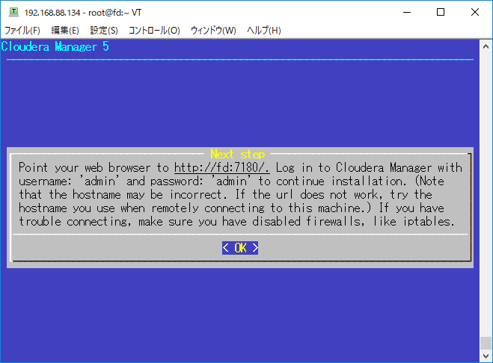
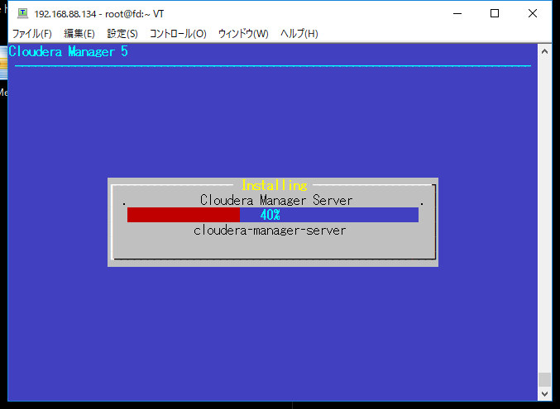

４）確認
 | [root@fd ~]# ps aux|grep cloudera
 | clouder+ 2051 0.2 0.9 2227828 79748 ? S 07:20 0:00 /usr/bin/postgres -D /var/lib/cloudera-scm-server-db/data -k /var/run/cloudera-scm-server/
 | root 2107 0.0 0.0 220572 3280 ? S 07:20 0:00 su cloudera-scm -s /bin/bash -c nohup /usr/sbin/cmf-server
 | clouder+ 2110 154 15.8 3828460 1266908 ? Ssl 07:20 1:46 /usr/java/jdk1.7.0_67-cloudera/bin/java -cp .:lib/*:/usr/share/java/mysql-connector-java.jar:/usr/share/java/oracle-connector-java.jar -server -Dlog4j.configuration=file:/etc/cloudera-scm-server/log4j.properties -Dfile.encoding=UTF-8 -Dcmf.root.logger=INFO,LOGFILE -Dcmf.log.dir=/var/log/cloudera-scm-server -Dcmf.log.file=cloudera-scm-server.log -Dcmf.jetty.threshhold=WARN -Dcmf.schema.dir=/usr/share/cmf/schema -Djava.awt.headless=true -Djava.net.preferIPv4Stack=true -Dpython.home=/usr/share/cmf/python -XX:+UseConcMarkSweepGC -XX:+UseParNewGC -XX:+HeapDumpOnOutOfMemoryError -Xmx2G -XX:MaxPermSize=256m -XX:+HeapDumpOnOutOfMemoryError -XX:HeapDumpPath=/tmp -XX:OnOutOfMemoryError=kill -9 %p com.cloudera.server.cmf.Main
 | root 2558 0.0 0.0 112660 972 pts/0 R+ 07:21 0:00 grep --color=auto cloudera

エビデンス-1
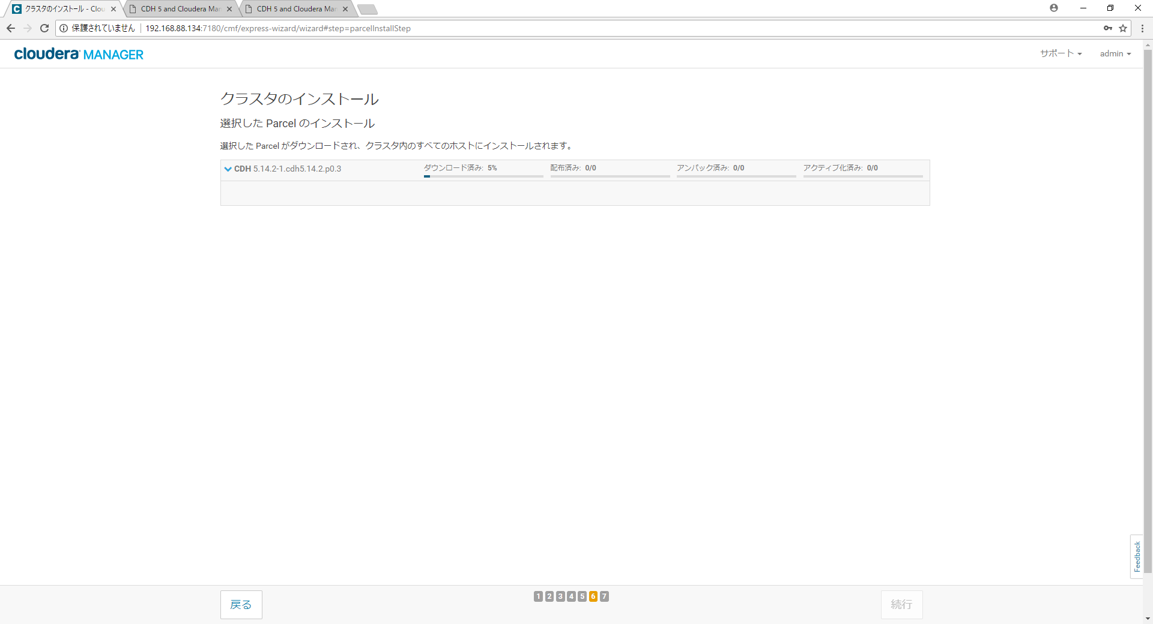
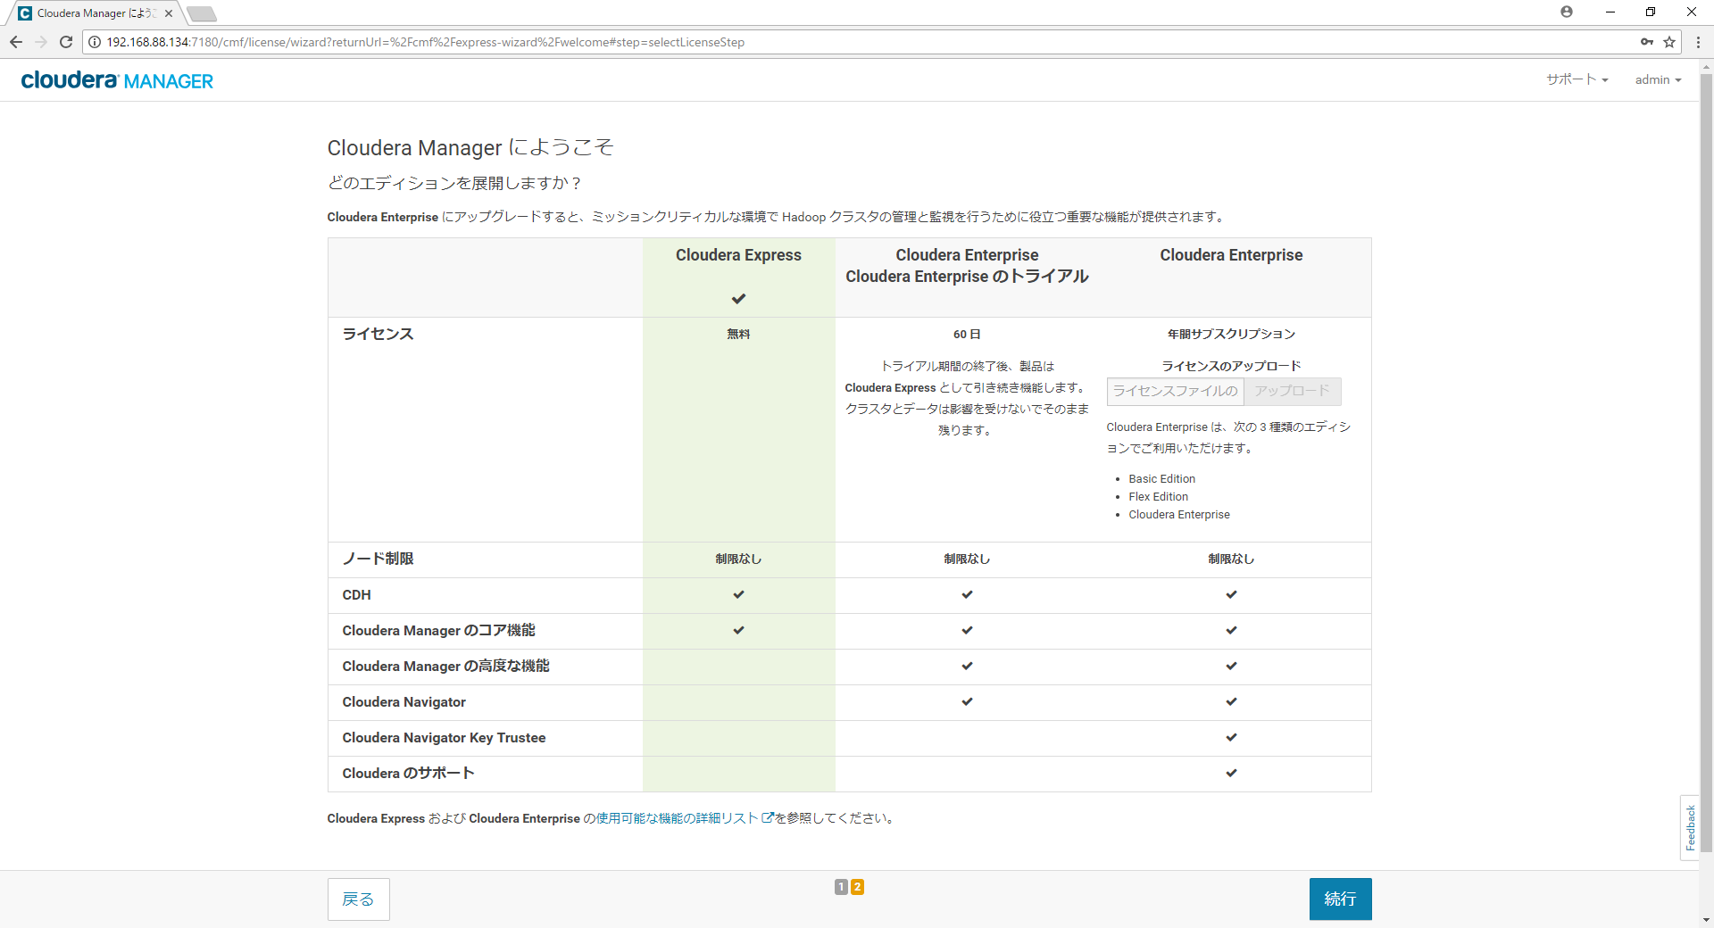

無料を選択

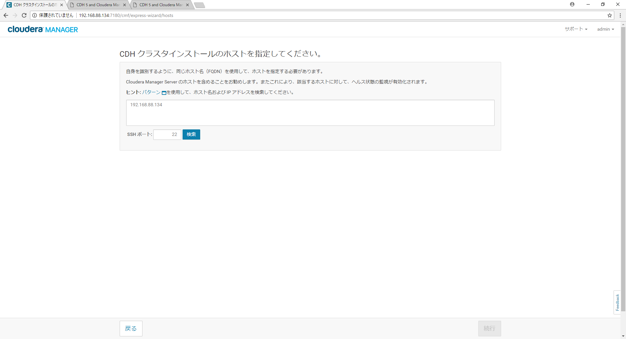

自分のIP

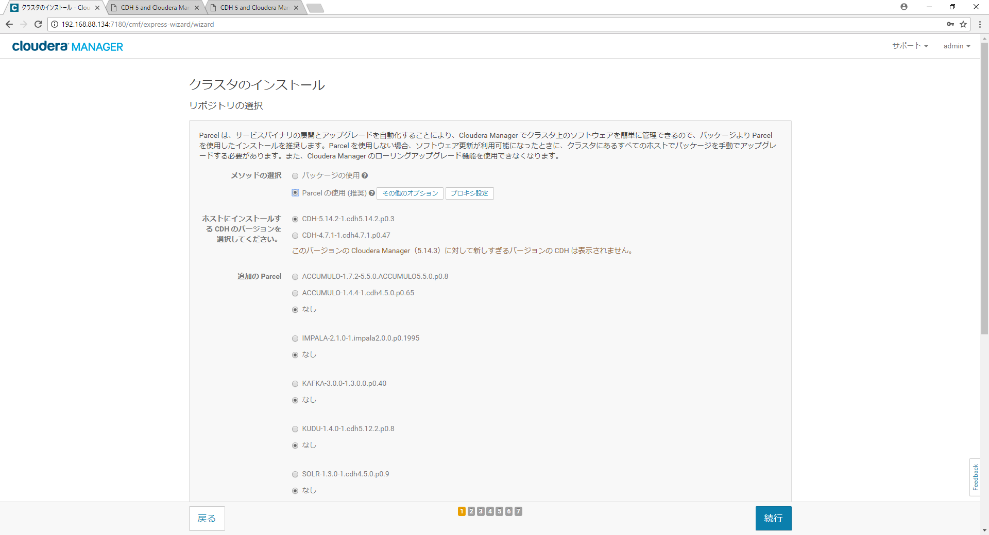

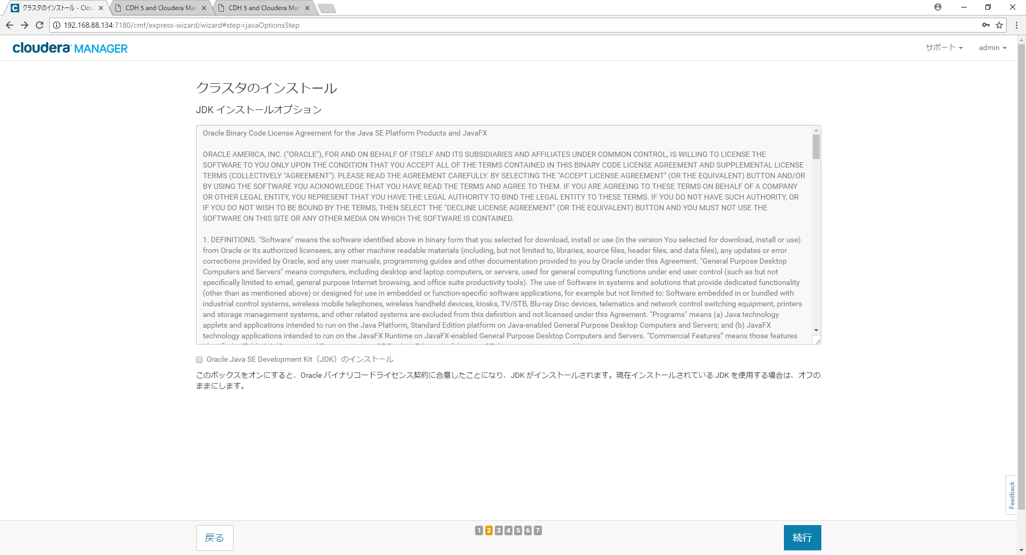

しなくてもよい

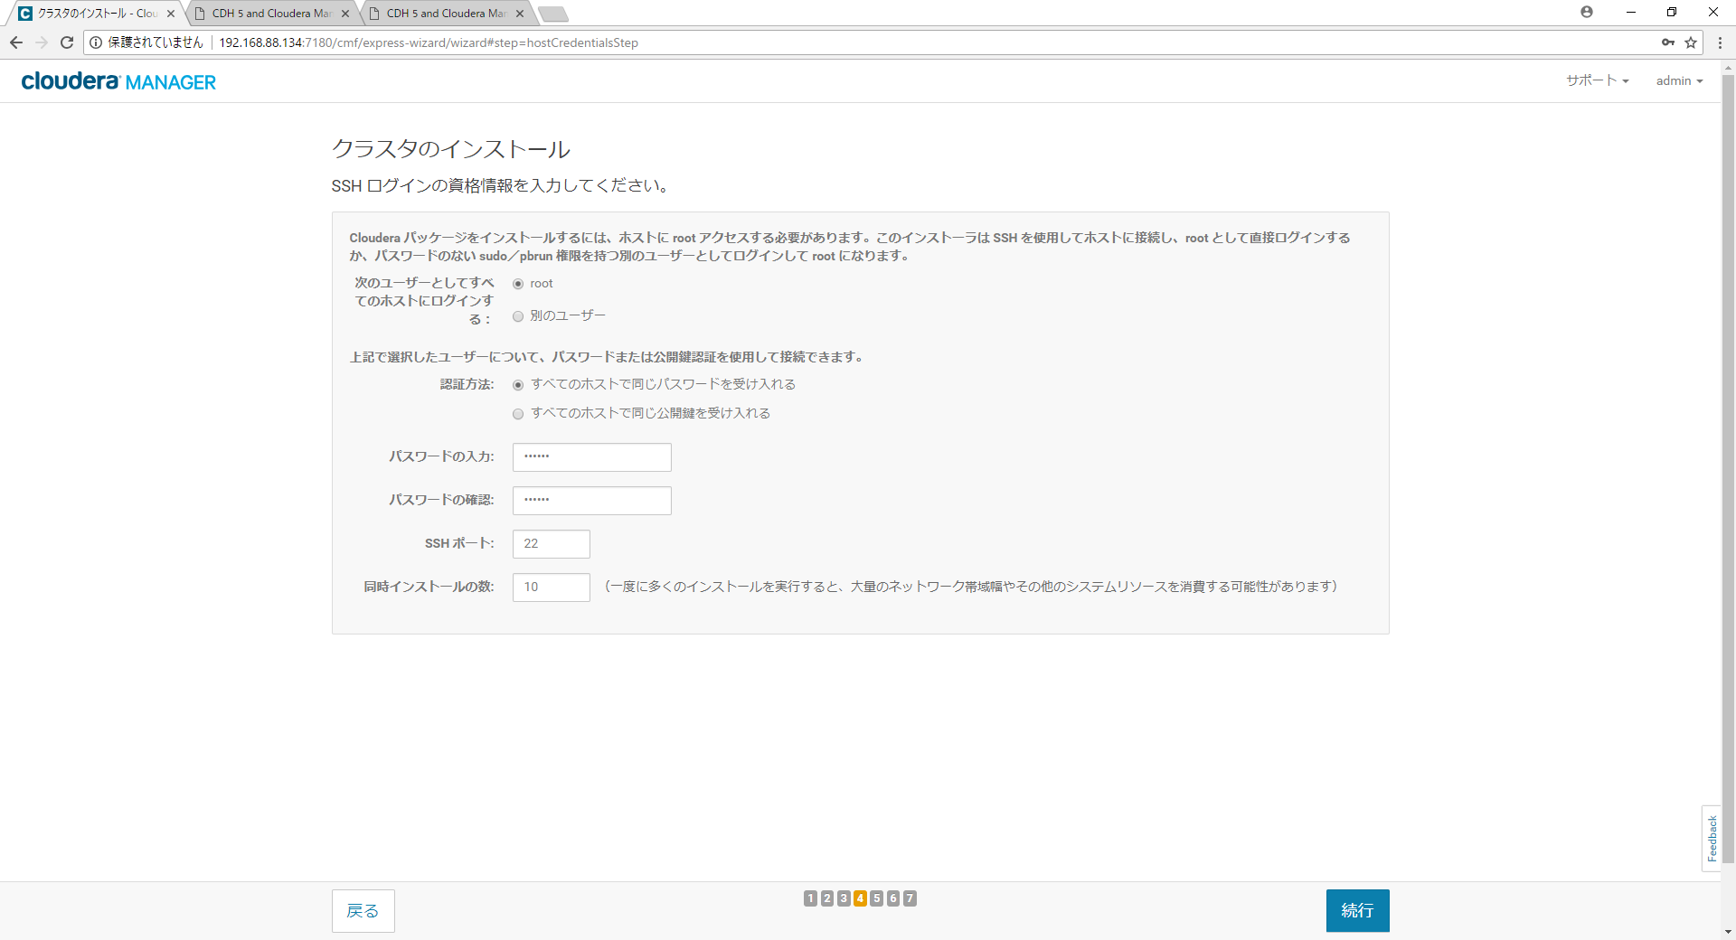

[root@fd ~]# ps aux|grep cloudera
clouder+ 2051 0.0 0.9 2227828 79748 ? S 07:20 0:00 /usr/bin/postgres -D /var/lib/cloudera-scm-server-db/data -k /var/run/cloudera-scm-server/
root 2107 0.0 0.0 220572 3280 ? S 07:20 0:00 su cloudera-scm -s /bin/bash -c nohup /usr/sbin/cmf-server
clouder+ 2110 28.6 16.0 3831016 1283992 ? Ssl 07:20 3:31 /usr/java/jdk1.7.0_67-cloudera/bin/java -cp .:lib/*:/usr/share/java/mysql-connector-java.jar:/usr/share/java/oracle-connector-java.jar -server -Dlog4j.configuration=file:/etc/cloudera-scm-server/log4j.properties -Dfile.encoding=UTF-8 -Dcmf.root.logger=INFO,LOGFILE -Dcmf.log.dir=/var/log/cloudera-scm-server -Dcmf.log.file=cloudera-scm-server.log -Dcmf.jetty.threshhold=WARN -Dcmf.schema.dir=/usr/share/cmf/schema -Djava.awt.headless=true -Djava.net.preferIPv4Stack=true -Dpython.home=/usr/share/cmf/python -XX:+UseConcMarkSweepGC -XX:+UseParNewGC -XX:+HeapDumpOnOutOfMemoryError -Xmx2G -XX:MaxPermSize=256m -XX:+HeapDumpOnOutOfMemoryError -XX:HeapDumpPath=/tmp -XX:OnOutOfMemoryError=kill -9 %p com.cloudera.server.cmf.Main
root 3648 4.2 0.6 1468928 52728 ? Ssl 07:32 0:00 python2.7 /usr/lib64/cmf/agent/build/env/bin/cmf-agent --package_dir /usr/lib64/cmf/service --agent_dir /var/run/cloudera-scm-agent --lib_dir /var/lib/cloudera-scm-agent --logfile /var/log/cloudera-scm-agent/cloudera-scm-agent.log --daemon --comm_name cmf-agent --pidfile /var/run/cloudera-scm-agent/cloudera-scm-agent.pid
root 3690 1.2 0.1 212544 12228 ? S 07:32 0:00 python2.7 /usr/lib64/cmf/agent/build/env/bin/cmf-listener -l /var/log/cloudera-scm-agent/cmf_listener.log /run/cloudera-scm-agent/events
root 3827 0.0 0.0 112664 972 pts/0 S+ 07:32 0:00 grep --color=auto cloudera

エビデンス-2
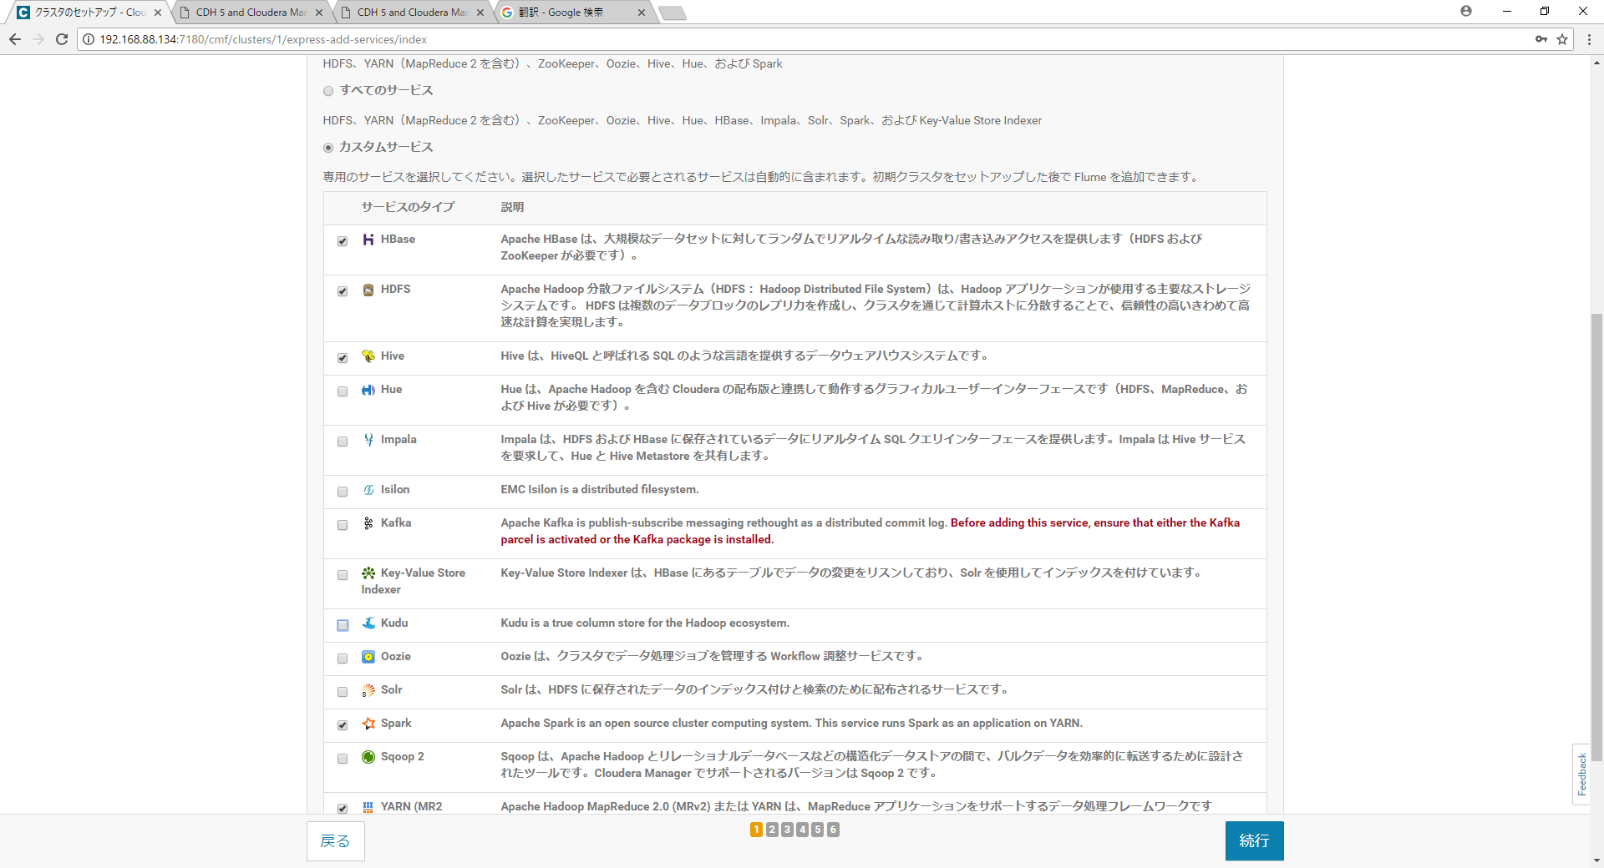
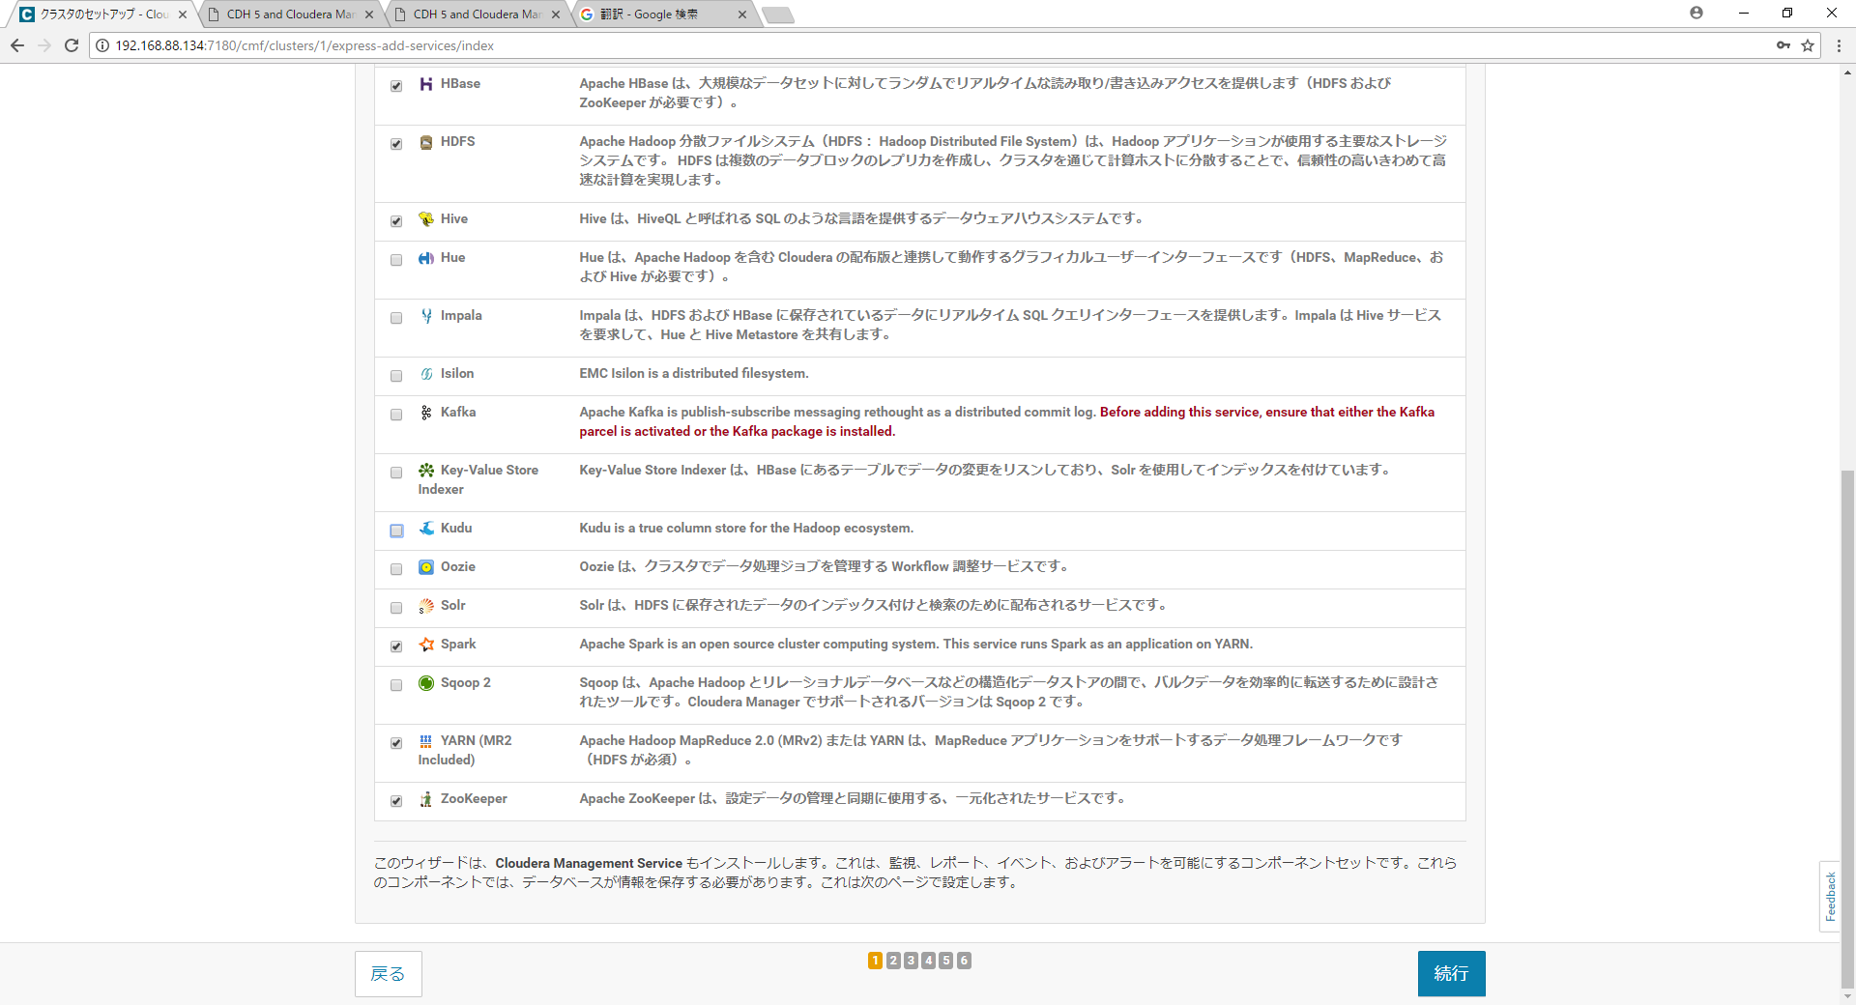

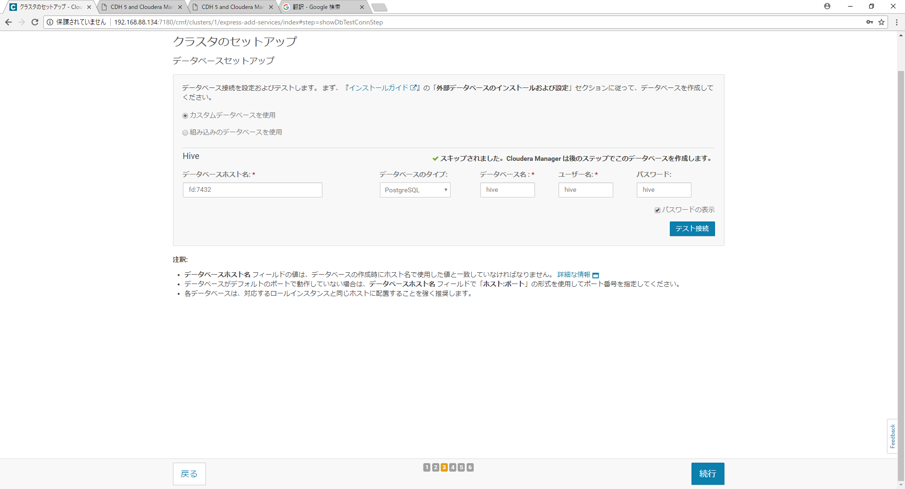

大事

Spark-動作確認
sudo -u yarn spark-submit --master yarn-client --class org.apache.spark.examples.SparkPi /opt/cloudera/parcels/CDH/lib/spark/lib/spark-examples.jar 10

クリアする箇所が
2か所あります。
頑張ってください。
 | [root@fd ~]# spark-submit --master yarn-client --class org.apache.spark.examples.SparkPi /opt/cloudera/parcels/CDH/lib/spark/lib/spark-examples.jar 1
 | 18/04/30 11:20:36 INFO spark.SparkContext: Running Spark version 1.6.0
 | 18/04/30 11:20:37 INFO spark.SecurityManager: Changing view acls to: root
 | 18/04/30 11:20:37 INFO spark.SecurityManager: Changing modify acls to: root
 | 18/04/30 11:20:37 INFO spark.SecurityManager: SecurityManager: authentication disabled; ui acls disabled; users with view permissions: Set(root); users with modify permissions: Set(root)
 | 18/04/30 11:20:37 INFO util.Utils: Successfully started service 'sparkDriver' on port 37764.
 | 18/04/30 11:20:37 INFO slf4j.Slf4jLogger: Slf4jLogger started
 | 18/04/30 11:20:37 INFO Remoting: Starting remoting
 | 18/04/30 11:20:37 INFO Remoting: Remoting started; listening on addresses :[akka.tcp://sparkDriverActorSystem@192.168.88.134:46421]
 | 18/04/30 11:20:37 INFO Remoting: Remoting now listens on addresses: [akka.tcp://sparkDriverActorSystem@192.168.88.134:46421]
 | 18/04/30 11:20:37 INFO util.Utils: Successfully started service 'sparkDriverActorSystem' on port 46421.
 | 18/04/30 11:20:37 INFO spark.SparkEnv: Registering MapOutputTracker
 | 18/04/30 11:20:37 INFO spark.SparkEnv: Registering BlockManagerMaster
 | 18/04/30 11:20:37 INFO storage.DiskBlockManager: Created local directory at /tmp/blockmgr-fb50c98b-bc70-45cf-9c6e-4c8f39b1e325
 | 18/04/30 11:20:37 INFO storage.MemoryStore: MemoryStore started with capacity 530.3 MB
 | 18/04/30 11:20:38 INFO spark.SparkEnv: Registering OutputCommitCoordinator
 | 18/04/30 11:20:38 INFO util.Utils: Successfully started service 'SparkUI' on port 4040.
 | 18/04/30 11:20:38 INFO ui.SparkUI: Started SparkUI at http://192.168.88.134:4040
 | 18/04/30 11:20:38 INFO spark.SparkContext: Added JAR file:/opt/cloudera/parcels/CDH/lib/spark/lib/spark-examples.jar at spark://192.168.88.134:37764/jars/spark-examples.jar with timestamp 1525054838294
 | 18/04/30 11:20:38 INFO client.RMProxy: Connecting to ResourceManager at fd/192.168.88.134:8032
 | 18/04/30 11:20:38 INFO yarn.Client: Requesting a new application from cluster with 1 NodeManagers
 | 18/04/30 11:20:38 INFO yarn.Client: Verifying our application has not requested more than the maximum memory capability of the cluster (4096 MB per container)
 | 18/04/30 11:20:38 INFO yarn.Client: Will allocate AM container, with 896 MB memory including 384 MB overhead
 | 18/04/30 11:20:38 INFO yarn.Client: Setting up container launch context for our AM
 | 18/04/30 11:20:38 INFO yarn.Client: Setting up the launch environment for our AM container
 | 18/04/30 11:20:38 INFO yarn.Client: Preparing resources for our AM container
 | 18/04/30 11:20:39 INFO yarn.Client: Uploading resource file:/tmp/spark-ae3adcfc-e35b-4325-b37e-7673995453e1/__spark_conf__3756888238932818858.zip -> hdfs://fd:8020/user/root/.sparkStaging/application_1525054557613_0006/__spark_conf__3756888238932818858.zip
 | 18/04/30 11:20:39 INFO spark.SecurityManager: Changing view acls to: root
 | 18/04/30 11:20:39 INFO spark.SecurityManager: Changing modify acls to: root
 | 18/04/30 11:20:39 INFO spark.SecurityManager: SecurityManager: authentication disabled; ui acls disabled; users with view permissions: Set(root); users with modify permissions: Set(root)
 | 18/04/30 11:20:39 INFO yarn.Client: Submitting application 6 to ResourceManager
 | 18/04/30 11:20:39 INFO impl.YarnClientImpl: Submitted application application_1525054557613_0006
 | 18/04/30 11:20:40 INFO yarn.Client: Application report for application_1525054557613_0006 (state: ACCEPTED)
 | 18/04/30 11:20:40 INFO yarn.Client:
 | client token: N/A
 | diagnostics: N/A
 | ApplicationMaster host: N/A
 | ApplicationMaster RPC port: -1
 | queue: root.users.root
 | start time: 1525054839557
 | final status: UNDEFINED
 | tracking URL: http://fd:8088/proxy/application_1525054557613_0006/
 | user: root
 | 18/04/30 11:20:41 INFO yarn.Client: Application report for application_1525054557613_0006 (state: ACCEPTED)
 | 18/04/30 11:20:42 INFO yarn.Client: Application report for application_1525054557613_0006 (state: ACCEPTED)
 | 18/04/30 11:20:43 INFO cluster.YarnSchedulerBackend$YarnSchedulerEndpoint: ApplicationMaster registered as NettyRpcEndpointRef(null)
 | 18/04/30 11:20:43 INFO cluster.YarnClientSchedulerBackend: Add WebUI Filter. org.apache.hadoop.yarn.server.webproxy.amfilter.AmIpFilter, Map(PROXY_HOSTS -> fd, PROXY_URI_BASES -> http://fd:8088/proxy/application_1525054557613_0006), /proxy/application_1525054557613_0006
 | 18/04/30 11:20:43 INFO ui.JettyUtils: Adding filter: org.apache.hadoop.yarn.server.webproxy.amfilter.AmIpFilter
 | 18/04/30 11:20:43 INFO yarn.Client: Application report for application_1525054557613_0006 (state: RUNNING)
 | 18/04/30 11:20:43 INFO yarn.Client:
 | client token: N/A
 | diagnostics: N/A
 | ApplicationMaster host: 192.168.88.134
 | ApplicationMaster RPC port: 0
 | queue: root.users.root
 | start time: 1525054839557
 | final status: UNDEFINED
 | tracking URL: http://fd:8088/proxy/application_1525054557613_0006/
 | user: root
 | 18/04/30 11:20:43 INFO cluster.YarnClientSchedulerBackend: Application application_1525054557613_0006 has started running.
 | 18/04/30 11:20:43 INFO util.Utils: Successfully started service 'org.apache.spark.network.netty.NettyBlockTransferService' on port 45887.
 | 18/04/30 11:20:43 INFO netty.NettyBlockTransferService: Server created on 45887
 | 18/04/30 11:20:43 INFO storage.BlockManager: external shuffle service port = 7337
 | 18/04/30 11:20:43 INFO storage.BlockManagerMaster: Trying to register BlockManager
 | 18/04/30 11:20:43 INFO storage.BlockManagerMasterEndpoint: Registering block manager 192.168.88.134:45887 with 530.3 MB RAM, BlockManagerId(driver, 192.168.88.134, 45887)
 | 18/04/30 11:20:43 INFO storage.BlockManagerMaster: Registered BlockManager
 | 18/04/30 11:20:44 INFO scheduler.EventLoggingListener: Logging events to hdfs://fd:8020/user/spark/applicationHistory/application_1525054557613_0006
 | 18/04/30 11:20:44 INFO spark.SparkContext: Registered listener com.cloudera.spark.lineage.ClouderaNavigatorListener
 | 18/04/30 11:20:44 INFO cluster.YarnClientSchedulerBackend: SchedulerBackend is ready for scheduling beginning after reached minRegisteredResourcesRatio: 0.8
 | 18/04/30 11:20:44 INFO spark.SparkContext: Starting job: reduce at SparkPi.scala:36
 | 18/04/30 11:20:44 INFO scheduler.DAGScheduler: Got job 0 (reduce at SparkPi.scala:36) with 1 output partitions
 | 18/04/30 11:20:44 INFO scheduler.DAGScheduler: Final stage: ResultStage 0 (reduce at SparkPi.scala:36)
 | 18/04/30 11:20:44 INFO scheduler.DAGScheduler: Parents of final stage: List()
 | 18/04/30 11:20:44 INFO scheduler.DAGScheduler: Missing parents: List()
 | 18/04/30 11:20:44 INFO scheduler.DAGScheduler: Submitting ResultStage 0 (MapPartitionsRDD[1] at map at SparkPi.scala:32), which has no missing parents
 | 18/04/30 11:20:44 INFO storage.MemoryStore: Block broadcast_0 stored as values in memory (estimated size 1904.0 B, free 530.3 MB)
 | 18/04/30 11:20:44 INFO storage.MemoryStore: Block broadcast_0_piece0 stored as bytes in memory (estimated size 1198.0 B, free 530.3 MB)
 | 18/04/30 11:20:44 INFO storage.BlockManagerInfo: Added broadcast_0_piece0 in memory on 192.168.88.134:45887 (size: 1198.0 B, free: 530.3 MB)
 | 18/04/30 11:20:44 INFO spark.SparkContext: Created broadcast 0 from broadcast at DAGScheduler.scala:1004
 | 18/04/30 11:20:44 INFO scheduler.DAGScheduler: Submitting 1 missing tasks from ResultStage 0 (MapPartitionsRDD[1] at map at SparkPi.scala:32) (first 15 tasks are for partitions Vector(0))
 | 18/04/30 11:20:44 INFO cluster.YarnScheduler: Adding task set 0.0 with 1 tasks
 | 18/04/30 11:20:45 INFO spark.ExecutorAllocationManager: Requesting 1 new executor because tasks are backlogged (new desired total will be 1)
 | 18/04/30 11:20:49 INFO cluster.YarnClientSchedulerBackend: Registered executor NettyRpcEndpointRef(null) (fd:55028) with ID 1
 | 18/04/30 11:20:49 INFO spark.ExecutorAllocationManager: New executor 1 has registered (new total is 1)
 | 18/04/30 11:20:49 INFO storage.BlockManagerMasterEndpoint: Registering block manager fd:43868 with 530.3 MB RAM, BlockManagerId(1, fd, 43868)
 | 18/04/30 11:20:49 INFO scheduler.TaskSetManager: Starting task 0.0 in stage 0.0 (TID 0, fd, executor 1, partition 0, PROCESS_LOCAL, 2036 bytes)
 | 18/04/30 11:20:50 INFO storage.BlockManagerInfo: Added broadcast_0_piece0 in memory on fd:43868 (size: 1198.0 B, free: 530.3 MB)
 | 18/04/30 11:20:50 INFO scheduler.TaskSetManager: Finished task 0.0 in stage 0.0 (TID 0) in 605 ms on fd (executor 1) (1/1)
 | 18/04/30 11:20:50 INFO cluster.YarnScheduler: Removed TaskSet 0.0, whose tasks have all completed, from pool
 | 18/04/30 11:20:50 INFO scheduler.DAGScheduler: ResultStage 0 (reduce at SparkPi.scala:36) finished in 5.562 s
 | 18/04/30 11:20:50 INFO scheduler.DAGScheduler: Job 0 finished: reduce at SparkPi.scala:36, took 5.944743 s
 | Pi is roughly 3.141031410314103
 | 18/04/30 11:20:50 INFO ui.SparkUI: Stopped Spark web UI at http://192.168.88.134:4040
 | 18/04/30 11:20:50 INFO cluster.YarnClientSchedulerBackend: Interrupting monitor thread
 | 18/04/30 11:20:50 INFO cluster.YarnClientSchedulerBackend: Shutting down all executors
 | 18/04/30 11:20:50 INFO cluster.YarnClientSchedulerBackend: Asking each executor to shut down
 | 18/04/30 11:20:50 INFO cluster.YarnClientSchedulerBackend: Stopped
 | 18/04/30 11:20:50 INFO spark.MapOutputTrackerMasterEndpoint: MapOutputTrackerMasterEndpoint stopped!
 | 18/04/30 11:20:50 INFO storage.MemoryStore: MemoryStore cleared
 | 18/04/30 11:20:50 INFO storage.BlockManager: BlockManager stopped
 | 18/04/30 11:20:50 INFO storage.BlockManagerMaster: BlockManagerMaster stopped
 | 18/04/30 11:20:50 INFO scheduler.OutputCommitCoordinator$OutputCommitCoordinatorEndpoint: OutputCommitCoordinator stopped!
 | 18/04/30 11:20:50 INFO remote.RemoteActorRefProvider$RemotingTerminator: Shutting down remote daemon.
 | 18/04/30 11:20:50 INFO remote.RemoteActorRefProvider$RemotingTerminator: Remote daemon shut down; proceeding with flushing remote transports.
 | 18/04/30 11:20:50 INFO Remoting: Remoting shut down
 | 18/04/30 11:20:50 INFO spark.SparkContext: Successfully stopped SparkContext
 | 18/04/30 11:20:50 INFO util.ShutdownHookManager: Shutdown hook called
 | 18/04/30 11:20:50 INFO util.ShutdownHookManager: Deleting directory /tmp/spark-ae3adcfc-e35b-4325-b37e-7673995453e1

答え：
 | １）sudo -u hdfs hdfs dfs -chmod -R 777 /user
 | ２）UIでメモリの変更。

