IRR
Template to assist with determining the IRR for a project

Discount Rate: |  | 1%

Period | Benefit | Cost | Net Cash Flow | Discounted cash flow
0 | $- | $150,000.00 | -$150,000.00 | -$150,000.00
1 | $60,000.00 | $70,000.00 | -$10,000.00 | -$9,900.99
2 | $90,000.00 | $70,000.00 | $20,000.00 | $19,605.92
Step 2:
Select the IRR cell and use the "Goal Seek" function (alt-t, g) to find what discount rate results in a zero IRR.
3 | $160,000.00 | $65,000.00 | $95,000.00 | $92,206.06
4 | $250,000.00 | $- | $250,000.00 | $240,245.09
 |  |  | IRR | $192,156.08
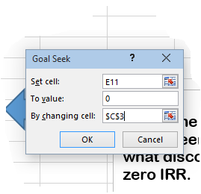

Step 1:
Fill in your figures for Benefits and costs here

